PMAuto
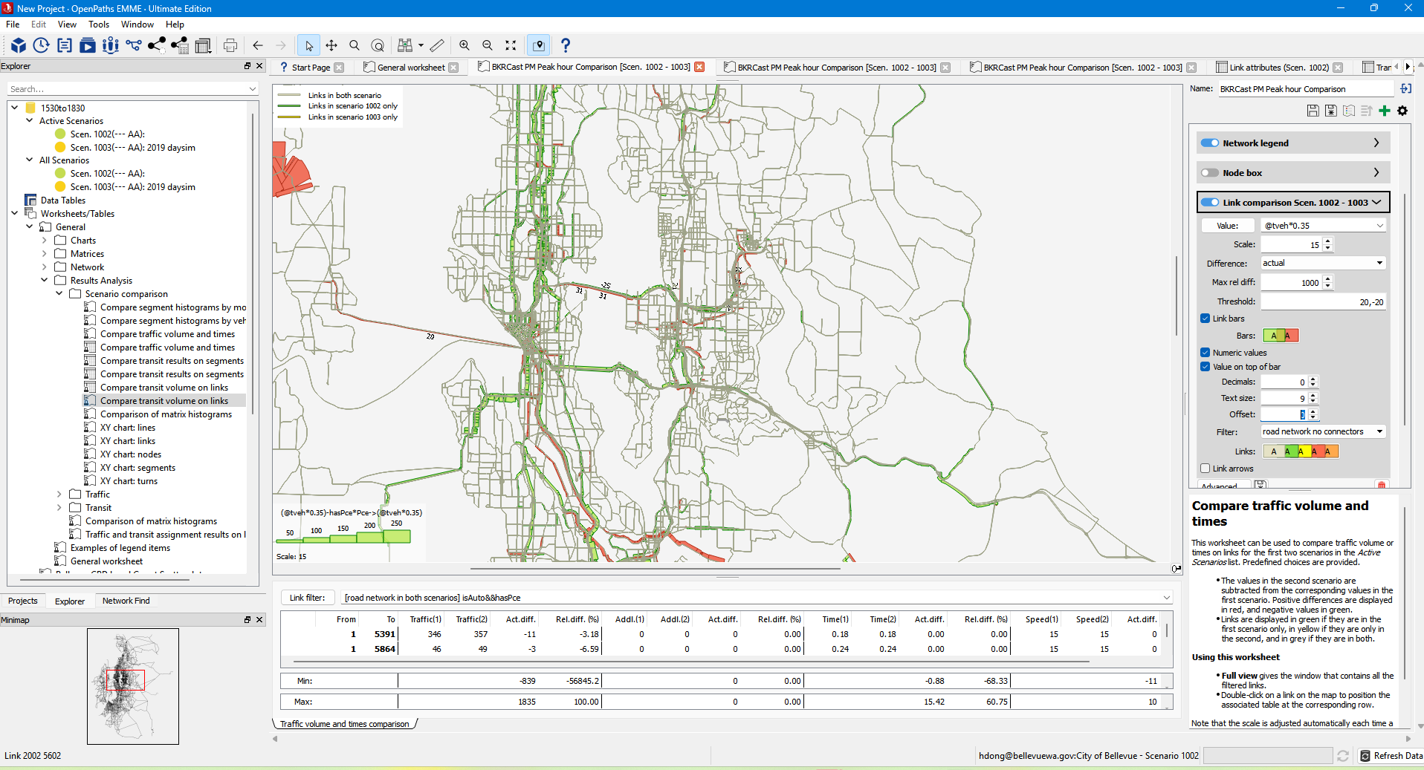

1002: F:\projects\2024baseyear\BKR3-24-v2. Daysim 2024
1003: F:\projects\recreational_bike\BKR3-24-recb_v4. Daysim 2019
The only difference is daysim version.

PMTransit
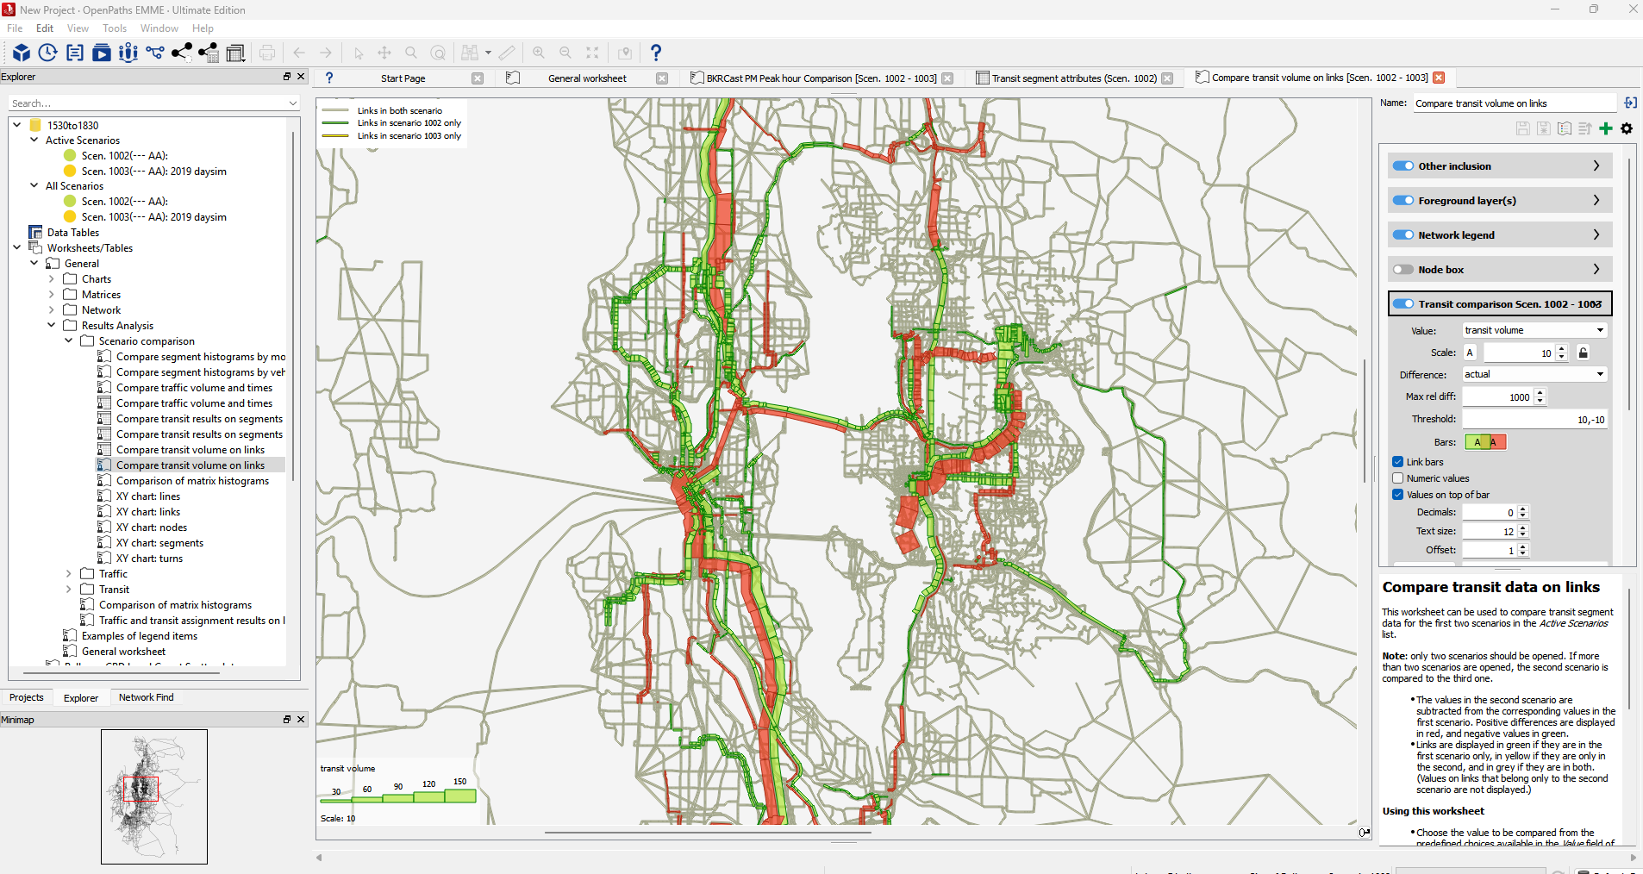

1002: F:\projects\2024baseyear\BKR3-24-v2. Daysim 2024
1003: F:\projects\recreational_bike\BKR3-24-recb_v4. Daysim 2019
The only difference is daysim version.

Bellevue Mode Share
Bellevue Trip Mode Share
Either end in the subarea, All_Purpose
 |  | 2019 Daysim |  |  |  | 2024 Daysim
1002: F:\projects\2024baseyear\BKR3-24-v2. Daysim 2024
1003: F:\projects\recreational_bike\BKR3-24-recb_v4. Daysim 2019
The only difference is daysim version.
 | mode | trips | total_dist | share | avgdist | trips | total_dist | share | avgdist
0 | Walk | 264022 | 550901.0 | 13.2% | 2.1 | 262987 | 553754.2 | 13.1% | 2.1
1 | Bike | 3672 | 24253.9 | 0.2% | 6.6 | 3749 | 24820.1 | 0.2% | 6.6
2 | SOV | 803366 | 5396362.9 | 40.2% | 6.7 | 803563 | 5373668.1 | 40.1% | 6.7
3 | HOV2 | 497884 | 2726606.3 | 24.9% | 5.5 | 498993 | 2727686.2 | 24.9% | 5.5
4 | HOV3+ | 324047 | 1817643.3 | 16.2% | 5.6 | 324830 | 1815359.4 | 16.2% | 5.6
5 | Transit | 63469 | 419715.0 | 3.2% | 6.6 | 63495 | 423318.5 | 3.2% | 6.7
6 | School_Bus | 43850 | 154880.6 | 2.2% | 3.5 | 43871 | 155184.2 | 2.2% | 3.5
7 |  | 2000310 | 11090363.0 | 100.0% | 5.5 | 2001488 | 11073790.5 | 100.0% | 5.5

Bellevue Downtown Trip Mode Share
Either end in the subarea, All_Purpose
 |  | 2019 Daysim |  |  |  | 2024 Daysim
 | mode | trips | total_dist | share | avgdist | trips | total_dist | share | avgdist
0 | Walk | 103182 | 119255.8 | 25.5% | 1.2 | 102022 | 120314.8 | 25.2% | 1.2
1 | Bike | 1174 | 5412.2 | 0.3% | 4.6 | 1182 | 5708.7 | 0.3% | 4.8
2 | SOV | 133552 | 1002583.3 | 33.0% | 7.5 | 134428 | 1010375.8 | 33.2% | 7.5
3 | HOV2 | 83891 | 494534.4 | 20.7% | 5.9 | 84243 | 495646.5 | 20.8% | 5.9
4 | HOV3+ | 49554 | 322027.6 | 12.3% | 6.5 | 50216 | 327349.6 | 12.4% | 6.5
5 | Transit | 30534 | 204591.1 | 7.5% | 6.7 | 30616 | 207560.0 | 7.6% | 6.8
6 | School_Bus | 2559 | 7689.6 | 0.6% | 3.0 | 2549 | 7725.8 | 0.6% | 3.0
7 |  | 404446 | 2156094.0 | 100.0% | 5.3 | 405256 | 2174681.1 | 100.0% | 5.4

Bellevue Tour Mode Share
Either end in the subarea, all
 |  | 2019 daysim |  | 2024 daysim
 | mode | tours | share | tours | share
0 | Walk | 78963 | 11.6% | 78602 | 11.5%
1 | Bike | 2683 | 0.4% | 2720 | 0.4%
2 | SOV | 218044 | 31.9% | 217454 | 31.9%
3 | HOV2 | 175162 | 25.7% | 175417 | 25.7%
4 | HOV3+ | 150514 | 22.1% | 150858 | 22.1%
5 | Transit_walk_access | 25021 | 3.7% | 25094 | 3.7%
6 | Transit_auto_access | 9646 | 1.4% | 9470 | 1.4%
7 | School_Bus | 22539 | 3.3% | 22568 | 3.3%
8 |  | 682572 | 100.0% | 682183 | 100.0%

Bellevue Downtown Tour Mode Share
Either end in the subarea, all
 |  | 2019 daysim |  | 2024 daysim
 | mode | tours | share | tours | share
0 | Walk | 28790 | 19.0% | 28432 | 18.7%
1 | Bike | 934 | 0.6% | 927 | 0.6%
2 | SOV | 45329 | 29.9% | 45626 | 30.0%
3 | HOV2 | 33766 | 22.2% | 34052 | 22.4%
4 | HOV3+ | 25311 | 16.7% | 25528 | 16.8%
5 | Transit_walk_access | 11975 | 7.9% | 12016 | 7.9%
6 | Transit_auto_access | 4822 | 3.2% | 4817 | 3.2%
7 | School_Bus | 909 | 0.6% | 907 | 0.6%
8 |  | 151836 | 100.0% | 152305 | 100.0%

