Sheet2
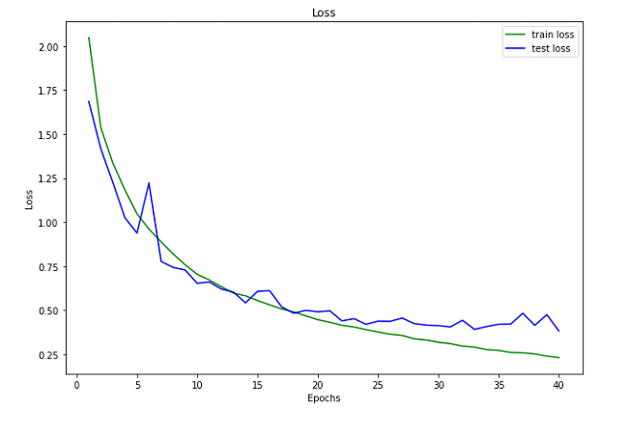
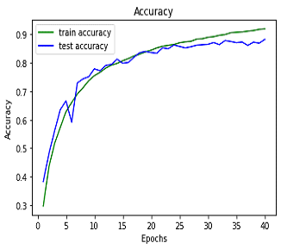
No of params in model is 6956298 |  |  | Adam optim with learning rate =.001
 | Epoch | Time per epoch | Avg time per step | Train loss | Train accuracy | Test loss | Test accuracy
 | 0 | 131.56034 | 0.33647 | 1.45513 | 0.46477 | 1.22186 | 0.55073
 | 1 | 130.17048 | 0.33292 | 1.07888 | 0.61382 | 1.00668 | 0.6426
 | 2 | 130.40386 | 0.33351 | 0.90904 | 0.67789 | 0.83242 | 0.70886
 | 3 | 129.9308 | 0.3323 | 0.79698 | 0.71805 | 0.70635 | 0.74832
 | 4 | 129.03166 | 0.33 | 0.69585 | 0.75511 | 0.63857 | 0.77898
 | 5 | 128.72657 | 0.32922 | 0.61989 | 0.78334 | 0.56874 | 0.80785
 | 6 | 128.53417 | 0.32873 | 0.56861 | 0.80167 | 0.49699 | 0.8304
 | 7 | 128.61629 | 0.32894 | 0.51828 | 0.82016 | 0.49276 | 0.83277
 | 8 | 128.0926 | 0.3276 | 0.47743 | 0.83244 | 0.51903 | 0.8215
 | 9 | 128.37909 | 0.32834 | 0.4451 | 0.84469 | 0.43479 | 0.85354
 | 10 | 128.08724 | 0.32759 | 0.41 | 0.85589 | 0.40322 | 0.86145
 | 11 | 129.97791 | 0.33242 | 0.38858 | 0.86365 | 0.42012 | 0.85275
 | 12 | 130.13034 | 0.33281 | 0.3632 | 0.87368 | 0.42003 | 0.85542
 | 13 | 128.52427 | 0.32871 | 0.33829 | 0.88055 | 0.37432 | 0.87243
 | 14 | 129.19795 | 0.33043 | 0.31789 | 0.88841 | 0.38931 | 0.87203
 | 15 | 128.64544 | 0.32902 | 0.29929 | 0.89465 | 0.36271 | 0.87718
 | 16 | 128.94892 | 0.32979 | 0.28249 | 0.90131 | 0.34464 | 0.88805
 | 17 | 128.60249 | 0.32891 | 0.26922 | 0.9064 | 0.3763 | 0.87658
 | 18 | 128.79957 | 0.32941 | 0.25068 | 0.91157 | 0.34394 | 0.88805
 | 19 | 128.94035 | 0.32977 | 0.23313 | 0.91705 | 0.349 | 0.88548
 | 20 | 128.46258 | 0.32855 | 0.22698 | 0.91917 | 0.33035 | 0.89597
 | 21 | 128.83965 | 0.32951 | 0.20984 | 0.92582 | 0.34848 | 0.89082
 | 22 | 129.01656 | 0.32997 | 0.19674 | 0.93035 | 0.33992 | 0.89419
 | 23 | 128.9412 | 0.32977 | 0.1917 | 0.93162 | 0.34767 | 0.89428
 | 24 | 129.03426 | 0.33001 | 0.17389 | 0.93654 | 0.33086 | 0.89695
 | 25 | 128.76391 | 0.32932 | 0.16578 | 0.94176 | 0.35159 | 0.88924
 | 26 | 129.01389 | 0.32996 | 0.16231 | 0.94273 | 0.33894 | 0.89903
 | 27 | 128.28528 | 0.3281 | 0.14762 | 0.94733 | 0.34514 | 0.90299
 | 28 | 128.43998 | 0.32849 | 0.14657 | 0.94668 | 0.35838 | 0.8931
 | 29 | 128.50618 | 0.32866 | 0.13508 | 0.9508 | 0.34701 | 0.89755
 | 30 | 128.61631 | 0.32894 | 0.13069 | 0.95428 | 0.33533 | 0.90051
 | 31 | 128.63329 | 0.32899 | 0.12245 | 0.95701 | 0.33318 | 0.90348
 | 32 | 128.95441 | 0.32981 | 0.11591 | 0.95944 | 0.35769 | 0.89775
 | 33 | 129.18778 | 0.3304 | 0.10621 | 0.96216 | 0.36907 | 0.90457
 | 34 | 128.65079 | 0.32903 | 0.11071 | 0.96037 | 0.34421 | 0.90882
 | 35 | 129.02845 | 0.33 | 0.10237 | 0.96367 | 0.33269 | 0.90773
 | 36 | 129.72557 | 0.33178 | 0.0957 | 0.96637 | 0.38438 | 0.90032
 | 37 | 128.73269 | 0.32924 | 0.0949 | 0.96618 | 0.36412 | 0.9022
 | 38 | 129.1941 | 0.33042 | 0.09176 | 0.96719 | 0.4074 | 0.89725
 | 39 | 129.16841 | 0.33035 | 0.08539 | 0.9698 | 0.39776 | 0.89804
 | 40 | 128.69314 | 0.32914 | 0.08997 | 0.96728 | 0.36819 | 0.90496
 | 41 | 129.02876 | 0.33 | 0.07504 | 0.97326 | 0.39921 | 0.90051
 | 42 | 129.48298 | 0.33116 | 0.07874 | 0.97275 | 0.39285 | 0.90417
 | 43 | 129.76671 | 0.33188 | 0.07354 | 0.97363 | 0.37767 | 0.90417
 | 44 | 129.25203 | 0.33057 | 0.07556 | 0.97369 | 0.37878 | 0.91001
 | 45 | 128.97141 | 0.32985 | 0.06996 | 0.97535 | 0.39592 | 0.9018
 | 46 | 129.50103 | 0.3312 | 0.07074 | 0.97497 | 0.39368 | 0.90121
 | 47 | 129.1366 | 0.33027 | 0.06781 | 0.97629 | 0.38988 | 0.90605
 | 48 | 129.15606 | 0.33032 | 0.06501 | 0.97686 | 0.39241 | 0.90487
 | 49 | 128.92945 | 0.32974 | 0.05793 | 0.97933 | 0.40026 | 0.90358

 | No of params in model is 6956298

 | Densenet 121

Sheet3
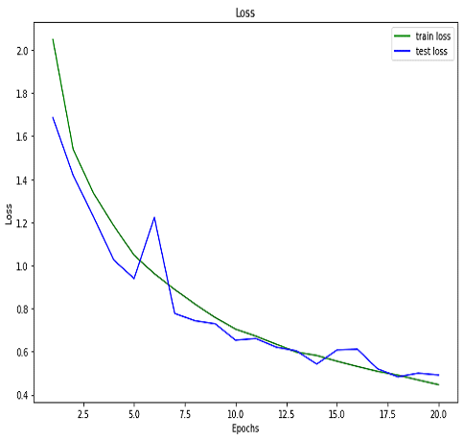
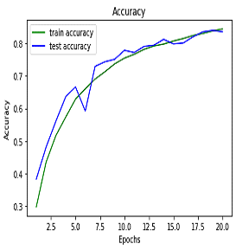
 | Epoch | Time per epoch | Avg time per step | Train loss | Train accuracy | Test loss | Test accuracy
0 | 0 | 127.2164 | 0.32536 | 2.0483 | 0.29713 | 1.68528 | 0.38291
1 | 1 | 127.48814 | 0.32606 | 1.53824 | 0.43476 | 1.41759 | 0.48111
2 | 2 | 128.79089 | 0.32939 | 1.33523 | 0.51668 | 1.22551 | 0.56092
3 | 3 | 128.74524 | 0.32927 | 1.18375 | 0.57321 | 1.02533 | 0.63578
4 | 4 | 128.70198 | 0.32916 | 1.04745 | 0.62844 | 0.93855 | 0.66624
5 | 5 | 129.25267 | 0.33057 | 0.96109 | 0.66072 | 1.22231 | 0.59187
6 | 6 | 129.33778 | 0.33079 | 0.88854 | 0.69043 | 0.77739 | 0.72963
7 | 7 | 129.48378 | 0.33116 | 0.82022 | 0.71271 | 0.74297 | 0.74377
8 | 8 | 129.81618 | 0.33201 | 0.75788 | 0.73738 | 0.72841 | 0.75138 | Adam optim with learning rate =.01
9 | 9 | 130.05328 | 0.33262 | 0.70405 | 0.75502 | 0.65311 | 0.77898
10 | 10 | 129.83593 | 0.33206 | 0.67208 | 0.76672 | 0.66087 | 0.77215 | No of params in model is 6956298
11 | 11 | 129.75693 | 0.33186 | 0.63414 | 0.7818 | 0.62032 | 0.79094
12 | 12 | 130.64385 | 0.33413 | 0.59725 | 0.79229 | 0.60308 | 0.7946
13 | 13 | 128.60847 | 0.32892 | 0.58193 | 0.79827 | 0.54235 | 0.8129
14 | 14 | 127.95482 | 0.32725 | 0.55547 | 0.80777 | 0.60731 | 0.79895
15 | 15 | 127.29606 | 0.32557 | 0.5309 | 0.81545 | 0.61108 | 0.80162
16 | 16 | 127.10464 | 0.32508 | 0.50765 | 0.82457 | 0.51944 | 0.82071
17 | 17 | 126.65582 | 0.32393 | 0.4903 | 0.83091 | 0.48266 | 0.83574
18 | 18 | 126.18333 | 0.32272 | 0.46816 | 0.83886 | 0.49951 | 0.84029
19 | 19 | 126.06305 | 0.32241 | 0.44654 | 0.84466 | 0.49104 | 0.83633

