Sheet1
Chi Test for a Weather App vs Observations

Ho | : ClearSkys' forecast is accurate
Ha | : Clear Skys' forecast is not accurate

Data Table

Categories | Mon | Tue | Wed | Thur | Fri | Sat | Sun
Expected | 78 | 72 | 72 | 75 | 71 | 76 | 78
Observed | 77 | 70 | 71 | 77 | 68 | 75 | 76

Calculations

Categories | Mon | Tue | Wed | Thur | Fri | Sat | Sun
E | 78 | 72 | 72 | 75 | 71 | 76 | 78 | 1
O | 77 | 70 | 71 | 77 | 68 | 75 | 76
diff (O-E) | -1 | -2 | -1 | 2 | -3 | -1 | -2 | 0.99935642833
 |  |  |  |  |  |  |  |  | 0.0006435716686
Calculations Part II

Categories | Mon | Tue | Wed | Thur | Fri | Sat | Sun
diff squared | 1 | 4 | 1 | 4 | 9 | 1 | 4 | 0.049999766904
Expected (used as denominator) | 78 | 72 | 72 | 75 | 71 | 76 | 78
Diff squared/expected for each data point | 0.012820512821 | 0.055555555556 | 0.013888888889 | 0.053333333333 | 0.12676056338 | 0.013157894737 | 0.051282051282
Sum of results | 0.3267988
 | X2 = | 0.3267988

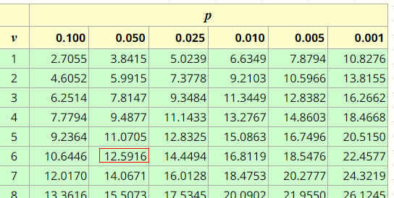
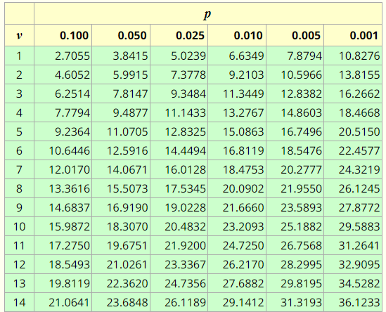
 | 6 degrees of freedom
 | using .05 alpha

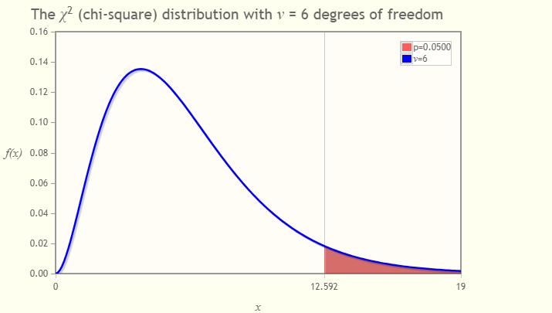

.3268

Conclusion for Goodness of Fit
Accept the Null Hypothesis
The accuracy of the ClearSkys application is very good.
The critical value at .05 alpha is 12.59 and the Chi Square (x2)for the data is .3268
This value falls to the left of the critical value and accepting the alternate hypothesis
is not supported.
Therefore, there is not enough information to reject the Null Hypothesis and Clear Sky's forecast is accurate

