LD
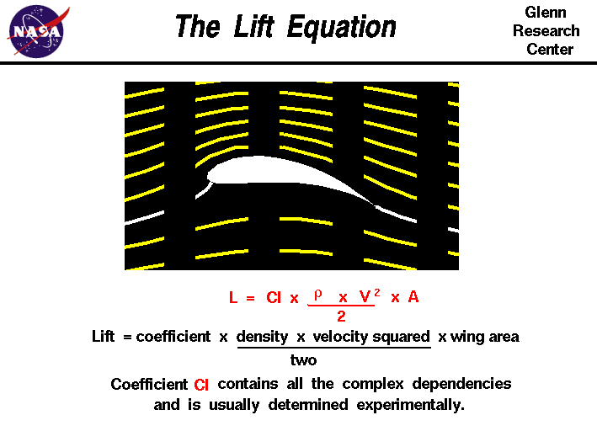
Airspeed | Lift | Drag | Altitude | 0 | Altitude | Density | Maxium Airspeed | KE Max (J) | Typical Windspeed | Max>Typical
0 | 0 | 0 | Density | 12.25 | 0 | 12.25 | 12.83952269 | 8.2426671456 | 0 | TRUE
5 | 0.034688670542 | 0.0028907225452 |  | 7.9051068824 | 1000 | 11.12 | 13.476109459 | 9.080276307 | 2.90576 | TRUE
10 | 0.13875468217 | 0.011562890181 |  |  | 2000 | 10.07 | 14.161269512 | 10.027077709 | 5.81152 | TRUE
15 | 0.31219803488 | 0.026016502906 |  |  | 3000 | 9.093 | 14.902644032 | 11.104439958 | 8.71728 | TRUE
20 | 0.55501872867 | 0.046251560722 |  |  | 4000 | 8.194 | 15.6988899 | 12.322757204 | 11.62304 | TRUE
25 | 0.86721676355 | 0.072268063629 |  |  | 5000 | 7.364 | 16.559988603 | 13.711661126 | 14.5288 | TRUE
30 | 1.2487921395 | 0.10406601163 |  |  | 6000 | 6.601 | 17.490895984 | 15.296572115 | 17.43456 | TRUE
35 | 1.6997448566 | 0.14164540471 |  |  | 7000 | 5.9 | 18.500817438 | 17.114012294 | 20.34032 | FALSE
40 | 2.2200749147 | 0.18500624289 |  |  | 8000 | 5.258 | 19.597768922 | 19.203627336 | 23.24608 | FALSE
45 | 2.8097823139 | 0.23414852616 |  |  | 9000 | 4.671 | 20.792752774 | 21.616928395 | 26.15184 | FALSE
50 | 3.4688670542 | 0.28907225452 |  |  | 10000 | 4.135 | 22.099333024 | 24.419026006 | 29.0576 | FALSE
55 | 4.1973291356 | 0.34977742796 |  |  | 11000 | 4.135 | 22.099333024 | 24.419026006 | 29.0576 | FALSE
60 | 4.995168558 | 0.4162640465 |  |  | 12000 | 4.135 | 22.099333024 | 24.419026006 | 29.0576 | FALSE
65 | 5.8623853216 | 0.48853211013 |  |  | 13000 | 4.135 | 22.099333024 | 24.419026006 | 29.0576 | FALSE
70 | 6.7989794262 | 0.56658161885 |  |  | 14000 | 4.135 | 22.099333024 | 24.419026006 | 29.0576 | FALSE
75 | 7.8049508719 | 0.65041257266 |  |  | 15000 | 1.948 | 32.197521895 | 51.834020808 | 24.5872 | TRUE
80 | 8.8802996587 | 0.74002497156 |  |  | 16000 | 1.948 | 32.197521895 | 51.834020808 | 24.5872 | TRUE
85 | 10.025025787 | 0.83541881555 |  |  | 17000 | 1.948 | 32.197521895 | 51.834020808 | 24.5872 | TRUE
90 | 11.239129256 | 0.93659410463 |  |  | 18000 | 1.948 | 32.197521895 | 51.834020808 | 24.5872 | TRUE
95 | 12.522610066 | 1.0435508388 |  |  | 19000 | 1.948 | 32.197521895 | 51.834020808 | 24.5872 | TRUE
100 | 13.875468217 | 1.1562890181 |  |  | 20000 | 0.8891 | 47.65863707 | 113.56728437 | 15.6464 | TRUE
105 | 15.297703709 | 1.2748086424 |  |  | 21000 | 0.8891 | 47.65863707 | 113.56728437 | 15.6464 | TRUE
110 | 16.789316542 | 1.3991097119 |  |  | 22000 | 0.8891 | 47.65863707 | 113.56728437 | 15.6464 | TRUE
115 | 18.350306717 | 1.5291922264 |  |  | 23000 | 0.8891 | 47.65863707 | 113.56728437 | 15.6464 | TRUE
120 | 19.980674232 | 1.665056186 |  |  | 24000 | 0.8891 | 47.65863707 | 113.56728437 | 15.6464 | TRUE
125 | 21.680419089 | 1.8067015907 |  |  | 25000 | 0.4008 | 70.982790264 | 251.92782568 | 11.176 | TRUE
130 | 23.449541286 | 1.9541284405 |  |  | 26000 | 0.4008 | 70.982790264 | 251.92782568 | 11.176 | TRUE
135 | 25.288040825 | 2.1073367354 |  |  | 27000 | 0.4008 | 70.982790264 | 251.92782568 | 11.176 | TRUE
140 | 27.195917705 | 2.2663264754 |  |  | 28000 | 0.4008 | 70.982790264 | 251.92782568 | 11.176 | TRUE
145 | 29.173171926 | 2.4310976605 |  |  | 29000 | 0.4008 | 70.982790264 | 251.92782568 | 11.176 | TRUE
 |  |  |  |  | 30000 | 0.1841 | 104.73456402 | 548.46644505 | 17.8816 | TRUE
 |  |  |  |  | 31000 | 0.1841 | 104.73456402 | 548.46644505 | 17.8816 | TRUE
 |  |  |  |  | 32000 | 0.1841 | 104.73456402 | 548.46644505 | 17.8816 | TRUE
 |  |  |  |  | 33000 | 0.1841 | 104.73456402 | 548.46644505 | 17.8816 | TRUE
 |  |  |  |  | 34000 | 0.1841 | 104.73456402 | 548.46644505 | 17.8816 | TRUE
 |  |  |  |  | 35000 | 0.1841 | 104.73456402 | 548.46644505 | 17.8816 | TRUE
 |  |  |  |  | 36000 | 0.1841 | 104.73456402 | 548.46644505 | 17.8816 | TRUE
 |  |  |  |  | 37000 | 0.1841 | 104.73456402 | 548.46644505 | 17.8816 | TRUE
 |  |  |  |  | 38000 | 0.1841 | 104.73456402 | 548.46644505 | 17.8816 | TRUE
 |  |  |  |  | 39000 | 0.1841 | 104.73456402 | 548.46644505 | 17.8816 | TRUE
 |  |  |  |  | 40000 | 0.03996 | 224.80407723 | 2526.843657 | 40.2336 | TRUE

Standard Atmosphere
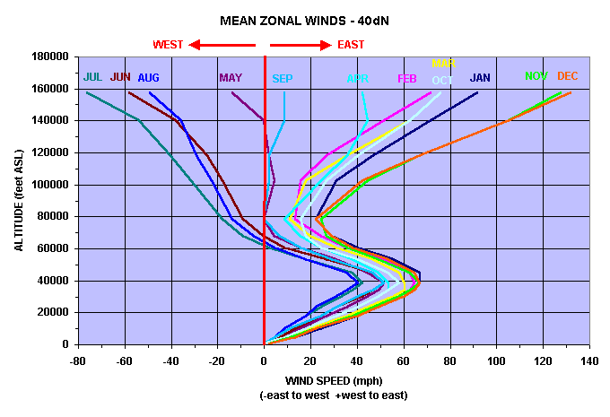
Geo potential Altitude above Sea Level | Temperature | Acceleration of Gravity | Absolute Pressure | Density | Dynamic Viscosity | Typical Wind Speed
- h - | - t - | - g - | - p - | - ρ - | - μ -
(m) | (oC) | (m/s2) | (104 N/m2) | (10-1 kg/m3) | (10-5 N.s/m2)
-1000 | 21.5 | 9.81 | 11.39 | 13.47 | 1.821 | 0
0 | 15 | 9.807 | 10.13 | 12.25 | 1.789 | 0
1000 | 8.5 | 9.804 | 8.988 | 11.12 | 1.758 | 2.90576
2000 | 2 | 9.801 | 7.95 | 10.07 | 1.726 | 5.81152
3000 | -4.49 | 9.797 | 7.012 | 9.093 | 1.694 | 8.71728
4000 | -10.98 | 9.794 | 6.166 | 8.194 | 1.661 | 11.62304
5000 | -17.47 | 9.791 | 5.405 | 7.364 | 1.628 | 14.5288
6000 | -23.96 | 9.788 | 4.722 | 6.601 | 1.595 | 17.43456
7000 | -30.45 | 9.785 | 4.111 | 5.9 | 1.561 | 20.34032
8000 | -36.94 | 9.782 | 3.565 | 5.258 | 1.527 | 23.24608
9000 | -43.42 | 9.779 | 3.08 | 4.671 | 1.493 | 26.15184
10000 | -49.9 | 9.776 | 2.65 | 4.135 | 1.458 | 29.0576
15000 | -56.5 | 9.761 | 1.211 | 1.948 | 1.422 | 24.5872
20000 | -56.5 | 9.745 | 0.5529 | 0.8891 | 1.422 | 15.6464
25000 | -51.6 | 9.73 | 0.2549 | 0.4008 | 1.448 | 11.176
30000 | -46.64 | 9.715 | 0.1197 | 0.1841 | 1.475 | 17.8816
40000 | -22.8 | 9.684 | 0.0287 | 0.03996 | 1.601 | 40.2336
50000 | -25 | 9.654 | 0.007978 | 0.01027 | 1.704 | 49.1744
60000 | -26.13 | 9.624 | 0.002196 | 0.003097 | 1.584 | 58.1152
70000 | -53.57 | 9.594 | 0.00052 | 0.0008283 | 1.438 | 67.056
80000 | -74.51 | 9.564 | 0.00011 | 0.0001846 | 1.321 | 75.9968

