LD
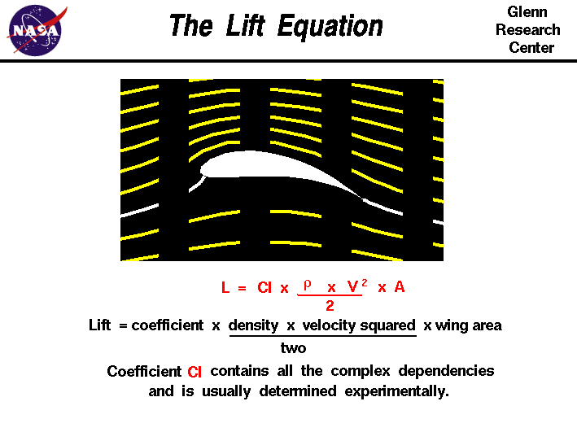
Airspeed | Lift | Drag | Altitude | 0 | Altitude | Density | Maxium Airspeed | KE Max (J) | Typical Windspeed | Max>Typical
0 | 0 | 0 | Density | 12.25 | 0 | 12.25 | 14.319967714 | 10.253073766 | 0 | TRUE
5 | 0.022418937017 | 0.0018682447514 |  | 7.9051068824 | 1000 | 11.12 | 15.029955319 | 11.294977845 | 2.90576 | TRUE
10 | 0.089675748067 | 0.0074729790056 |  |  | 2000 | 10.07 | 15.794116891 | 12.472706419 | 5.81152 | TRUE
15 | 0.20177043315 | 0.016814202763 |  |  | 3000 | 9.093 | 16.620974669 | 13.812839947 | 8.71728 | TRUE
20 | 0.35870299227 | 0.029891916022 |  |  | 4000 | 8.194 | 17.509030665 | 15.328307742 | 11.62304 | TRUE
25 | 0.56047342542 | 0.046706118785 |  |  | 5000 | 7.364 | 18.469417272 | 17.055968718 | 14.5288 | TRUE
30 | 0.80708173261 | 0.067256811051 |  |  | 6000 | 6.601 | 19.507661758 | 19.027443363 | 17.43456 | TRUE
35 | 1.0985279138 | 0.091543992819 |  |  | 7000 | 5.9 | 20.634030936 | 21.288161634 | 20.34032 | TRUE
40 | 1.4348119691 | 0.11956766409 |  |  | 8000 | 5.258 | 21.857465032 | 23.887438882 | 23.24608 | FALSE
45 | 1.8159338984 | 0.15132782486 |  |  | 9000 | 4.671 | 23.190234994 | 26.889349955 | 26.15184 | FALSE
50 | 2.2418937017 | 0.18682447514 |  |  | 10000 | 4.135 | 24.647468838 | 30.374886007 | 29.0576 | FALSE
55 | 2.712691379 | 0.22605761492 |  |  | 11000 | 4.135 | 24.647468838 | 30.374886007 | 29.0576 | FALSE
60 | 3.2283269304 | 0.2690272442 |  |  | 12000 | 4.135 | 24.647468838 | 30.374886007 | 29.0576 | FALSE
65 | 3.7888003559 | 0.31573336299 |  |  | 13000 | 4.135 | 24.647468838 | 30.374886007 | 29.0576 | FALSE
70 | 4.3941116553 | 0.36617597128 |  |  | 14000 | 4.135 | 24.647468838 | 30.374886007 | 29.0576 | FALSE
75 | 5.0442608288 | 0.42035506907 |  |  | 15000 | 1.948 | 35.910016683 | 64.476464907 | 24.5872 | TRUE
80 | 5.7392478763 | 0.47827065636 |  |  | 16000 | 1.948 | 35.910016683 | 64.476464907 | 24.5872 | TRUE
85 | 6.4790727979 | 0.53992273316 |  |  | 17000 | 1.948 | 35.910016683 | 64.476464907 | 24.5872 | TRUE
90 | 7.2637355935 | 0.60531129946 |  |  | 18000 | 1.948 | 35.910016683 | 64.476464907 | 24.5872 | TRUE
95 | 8.0932362631 | 0.67443635526 |  |  | 19000 | 1.948 | 35.910016683 | 64.476464907 | 24.5872 | TRUE
100 | 8.9675748067 | 0.74729790056 |  |  | 20000 | 0.8891 | 53.153856308 | 141.26662202 | 15.6464 | TRUE
105 | 9.8867512244 | 0.82389593537 |  |  | 21000 | 0.8891 | 53.153856308 | 141.26662202 | 15.6464 | TRUE
110 | 10.850765516 | 0.90423045968 |  |  | 22000 | 0.8891 | 53.153856308 | 141.26662202 | 15.6464 | TRUE
115 | 11.859617682 | 0.98830147349 |  |  | 23000 | 0.8891 | 53.153856308 | 141.26662202 | 15.6464 | TRUE
120 | 12.913307722 | 1.0761089768 |  |  | 24000 | 0.8891 | 53.153856308 | 141.26662202 | 15.6464 | TRUE
125 | 14.011835636 | 1.1676529696 |  |  | 25000 | 0.4008 | 79.167371666 | 313.37363682 | 11.176 | TRUE
130 | 15.155201423 | 1.262933452 |  |  | 26000 | 0.4008 | 79.167371666 | 313.37363682 | 11.176 | TRUE
135 | 16.343405085 | 1.3619504238 |  |  | 27000 | 0.4008 | 79.167371666 | 313.37363682 | 11.176 | TRUE
140 | 17.576446621 | 1.4647038851 |  |  | 28000 | 0.4008 | 79.167371666 | 313.37363682 | 11.176 | TRUE
145 | 18.854326031 | 1.5711938359 |  |  | 29000 | 0.4008 | 79.167371666 | 313.37363682 | 11.176 | TRUE
 |  |  |  |  | 30000 | 0.1841 | 116.81085127 | 682.23874872 | 17.8816 | TRUE
 |  |  |  |  | 31000 | 0.1841 | 116.81085127 | 682.23874872 | 17.8816 | TRUE
 |  |  |  |  | 32000 | 0.1841 | 116.81085127 | 682.23874872 | 17.8816 | TRUE
 |  |  |  |  | 33000 | 0.1841 | 116.81085127 | 682.23874872 | 17.8816 | TRUE
 |  |  |  |  | 34000 | 0.1841 | 116.81085127 | 682.23874872 | 17.8816 | TRUE
 |  |  |  |  | 35000 | 0.1841 | 116.81085127 | 682.23874872 | 17.8816 | TRUE
 |  |  |  |  | 36000 | 0.1841 | 116.81085127 | 682.23874872 | 17.8816 | TRUE
 |  |  |  |  | 37000 | 0.1841 | 116.81085127 | 682.23874872 | 17.8816 | TRUE
 |  |  |  |  | 38000 | 0.1841 | 116.81085127 | 682.23874872 | 17.8816 | TRUE
 |  |  |  |  | 39000 | 0.1841 | 116.81085127 | 682.23874872 | 17.8816 | TRUE
 |  |  |  |  | 40000 | 0.03996 | 250.72482877 | 3143.146988 | 40.2336 | TRUE

Standard Atmosphere
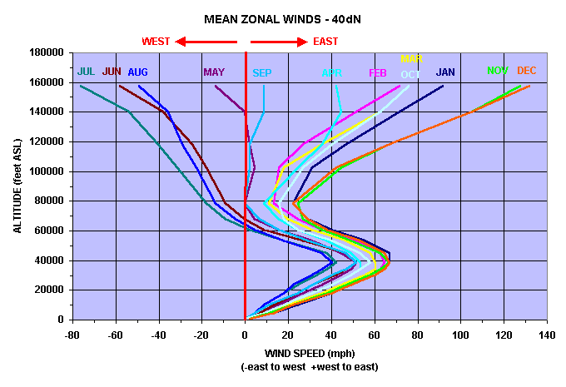
Geo potential Altitude above Sea Level | Temperature | Acceleration of Gravity | Absolute Pressure | Density | Dynamic Viscosity | Typical Wind Speed
- h - | - t - | - g - | - p - | - ρ - | - μ -
(m) | (oC) | (m/s2) | (104 N/m2) | (10-1 kg/m3) | (10-5 N.s/m2)
-1000 | 21.5 | 9.81 | 11.39 | 13.47 | 1.821 | 0
0 | 15 | 9.807 | 10.13 | 12.25 | 1.789 | 0
1000 | 8.5 | 9.804 | 8.988 | 11.12 | 1.758 | 2.90576
2000 | 2 | 9.801 | 7.95 | 10.07 | 1.726 | 5.81152
3000 | -4.49 | 9.797 | 7.012 | 9.093 | 1.694 | 8.71728
4000 | -10.98 | 9.794 | 6.166 | 8.194 | 1.661 | 11.62304
5000 | -17.47 | 9.791 | 5.405 | 7.364 | 1.628 | 14.5288
6000 | -23.96 | 9.788 | 4.722 | 6.601 | 1.595 | 17.43456
7000 | -30.45 | 9.785 | 4.111 | 5.9 | 1.561 | 20.34032
8000 | -36.94 | 9.782 | 3.565 | 5.258 | 1.527 | 23.24608
9000 | -43.42 | 9.779 | 3.08 | 4.671 | 1.493 | 26.15184
10000 | -49.9 | 9.776 | 2.65 | 4.135 | 1.458 | 29.0576
15000 | -56.5 | 9.761 | 1.211 | 1.948 | 1.422 | 24.5872
20000 | -56.5 | 9.745 | 0.5529 | 0.8891 | 1.422 | 15.6464
25000 | -51.6 | 9.73 | 0.2549 | 0.4008 | 1.448 | 11.176
30000 | -46.64 | 9.715 | 0.1197 | 0.1841 | 1.475 | 17.8816
40000 | -22.8 | 9.684 | 0.0287 | 0.03996 | 1.601 | 40.2336
50000 | -25 | 9.654 | 0.007978 | 0.01027 | 1.704 | 49.1744
60000 | -26.13 | 9.624 | 0.002196 | 0.003097 | 1.584 | 58.1152
70000 | -53.57 | 9.594 | 0.00052 | 0.0008283 | 1.438 | 67.056
80000 | -74.51 | 9.564 | 0.00011 | 0.0001846 | 1.321 | 75.9968

