Sheet1
 | AlexNet | Branchy-AlexNet | HB-AlexNet | TD-HBN
Training Loss | 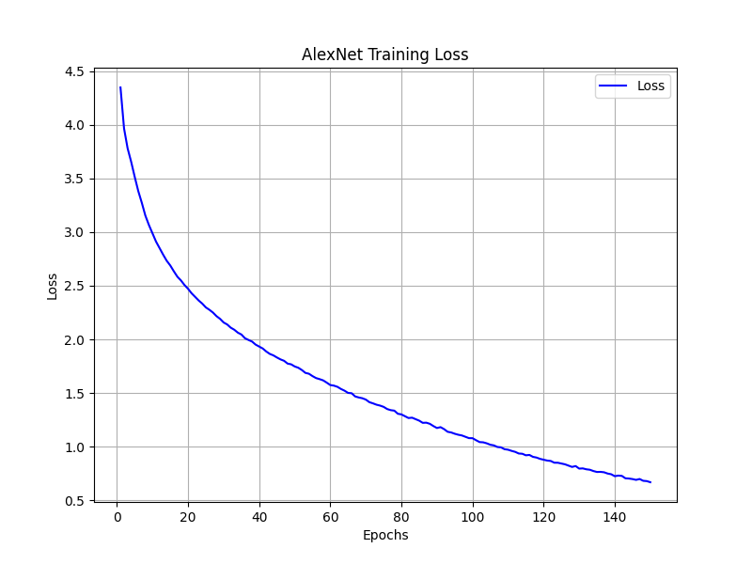 | 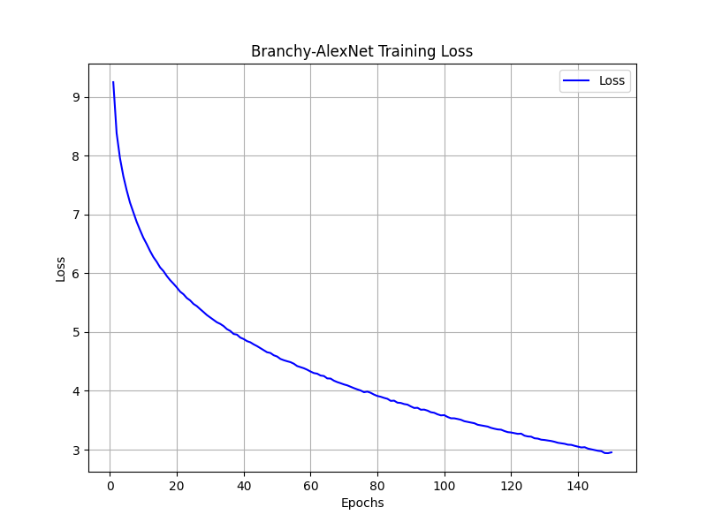 | 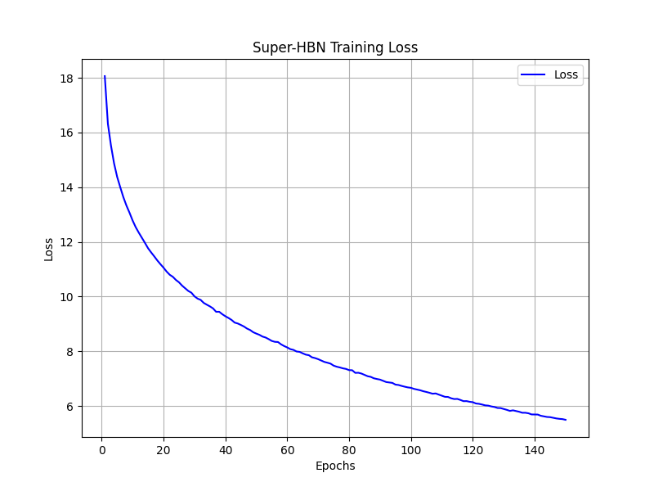 | 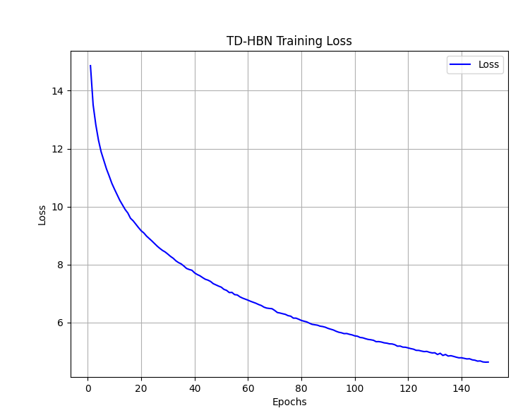
Validation Accuracy | 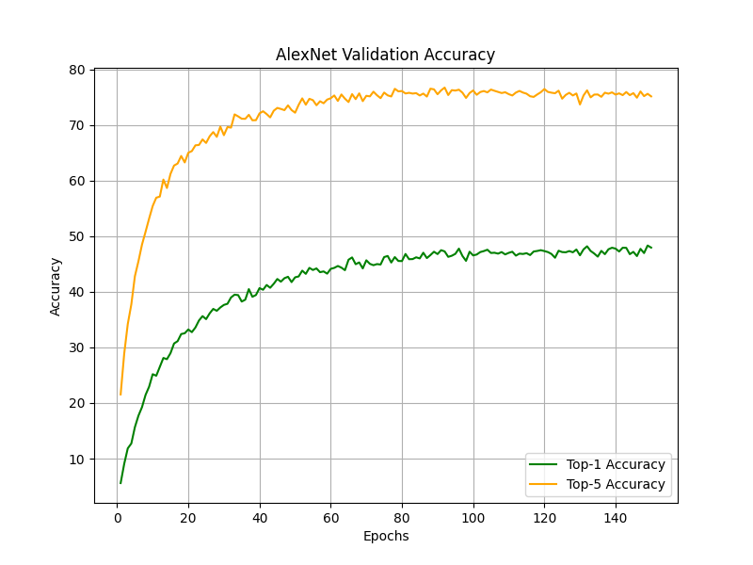 | 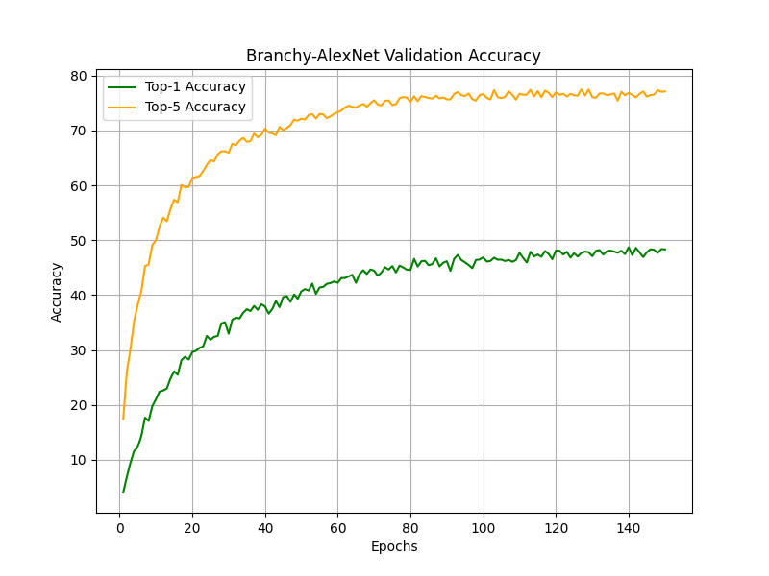 | 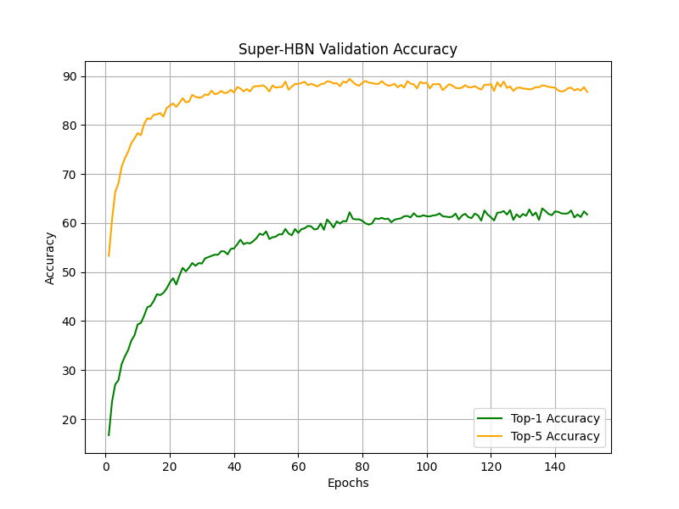 Note: The Super-HBN Accuracy includes some coarse class classifications | 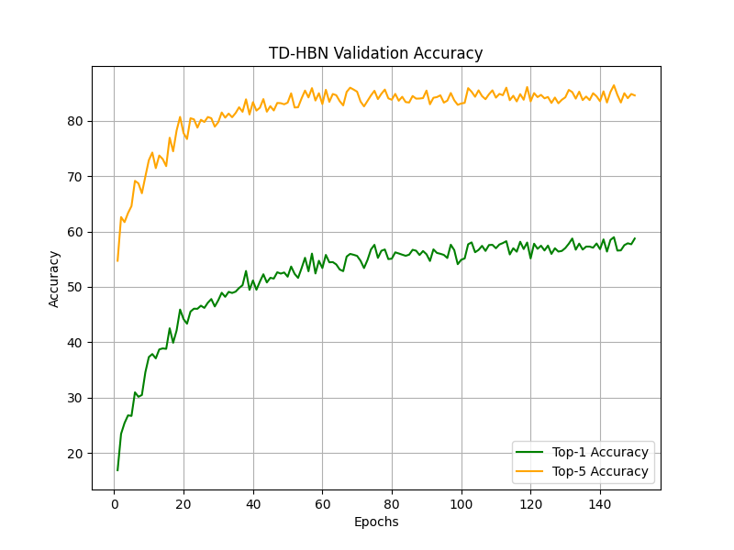 Note: The Super-HBN Accuracy includes some coarse class classifications

