Setpoint Calcs
5V +/- LDO
TPS7A39 |  |  | V_NRSS | 1.19 | V
VOUTP | 10V |  | V_NRSS * (1+R1P/R2P) |  |  | 5.117
VOUTN | N_10V |  | V_NRSS*(-R1N/R2N) |  |  | -5.0218

 |  |  | R1P | 33000 | ohm | 32400
 |  |  | R2P | 10000 | ohm
 |  |  | R1N | 42200 | ohm | 42200
 |  |  | R2N | 10000 | ohm

10V +/- LDO
TPS7A39 |  |  | V_NRSS | 1.19 | V
VOUTP | 10V |  | V_NRSS * (1+R1P/R2P) |  |  | 10.115
VOUTN | N_10V |  | V_NRSS*(-R1N/R2N) |  |  | -10.0555

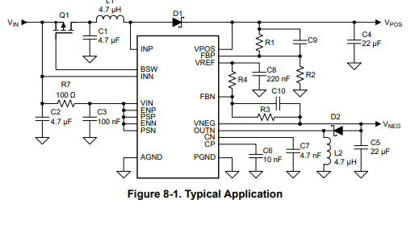
 |  |  | R1P | 75000 | ohm
 |  |  | R2P | 10000 | ohm
 |  |  | R1N | 84500 | ohm
 |  |  | R2N | 10000 | ohm

Split Rail Switcher
TPS65131RGE |  |  | V_REF | 1.213 | V
VOUTP | 12V |  | R1/R2*V_REF+1 |  |  | 12.027272727
VOUT_N | N_12V |  | R3/-R4*V_REF |  |  | -12.13

 |  |  | R1 | 1000000 | ohm
 |  |  | R2 | 110000 | ohm
 |  |  | R3 | 1000000 | ohm
 |  |  | R4 | 100000 | ohm

TPS7B8601
VOUT | 5 |  | V_REF | 0.65 | V
 |  |  | V_REF*(1+R1/R2) |  |  | 4.9833333333
 |  |  | IADJ | 0.00000001 | A | 0.00000001

 |  | Upper | R1 | 1000000 | 1M
 |  | Lower | R2 | 150000 | 150k | CFF | 10 | nF
 |  |  | r_sum | 1.15E+06 | 5.00E+06
TPS7B8601
VOUT | 3.3 |  | V_REF | 0.65 | V
 |  |  | V_REF*(1+R1/R2) |  |  | 3.3030612245
 |  |  | IADJ | 0.00000001 | A | 0.00000001

 |  | Upper | R1 | 1000000 | 1M
 |  | Lower | R2 | 245000 | 245k | CFF | 10 | nF
 |  |  | r_sum | 1.24E+06 | 3.30E+06

TPS7B8601
VOUT | 1.8 |  | V_REF | 0.65 | V
 |  |  | V_REF*(1+R1/R2) |  |  | 1.8107142857
 |  |  | IADJ | 0.00000001 | A | 0.00000001

 |  | Upper | R1 | 1000000 | 1M
 |  | Lower | R2 | 560000 | 56k | CFF | 10 | nF
 |  |  | r_sum | 1.56E+06 | 1.80E+06

