BOM (Raw)
Item | Part Number | REV | Stock Number | Thumbnail | BOM Structure | Description | Material | Title | QTY | Total QTY | D | t | L | Keywords | DRAWINGS
0 | 4003-615-A01 |  |  |  | Inseparable | Area Layout Drawing |  |  | 1 | 1
1 | 4003-615-D01 | D |  | 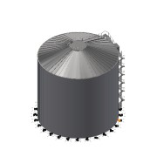 | Purchased | Digester 1 - 9500m³ |  | Area 04.1 | 1 | 1 |  |  |  | Equipment/Tank | PDF_DWG
1.1 | 4003-615-D01-01 | - |  | 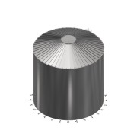 | Purchased | Digester 1 | SS 1.4301 - AISI 304 | Area xx | 1 | 1 |  |  |  | Equipment/Tank | NA
1.2 | 4003-615-D01-02 | - |  | 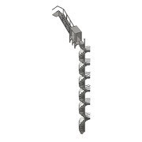 | Purchased | Staircase | SS 1.4301 - AISI 304 | Area | 1 | 1 |  |  |  | Equipment/Tank | NA
1.3 | 4003-615-D01-03 | - |  | 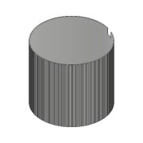 | Purchased | Insulation | N/A | Area | 1 | 1 |  |  |  | Equipment/Tank | NA
1.4 | 4003-615-D01-04 | - |  | 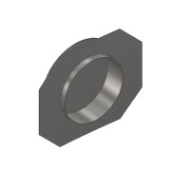 | Purchased | Manhole | SS 1.4301 - AISI 304 |  | 1 | 1 |  |  |  |  | NA
2 | 0000-301-117 | B |  | 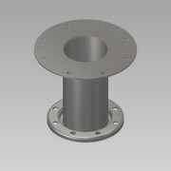 | Normal | TC- Flange DN150 PN10 L=330 - BM | SS 1.4301 - AISI 304 |  | 1 | 1 | 1,0 | 1,0 | 1 | Basic Component | PDF_DWG
3 | 0000-301-119 | A |  | 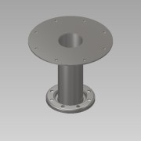 | Normal | TC- Flange DN100 PN10 L=330 - BM | SS 1.4301 - AISI 304 |  | 5 | 5 | 1,0 | 1,0 | 1 | Basic Component | PDF_DWG
4 | 0000-701-001 |  |  | 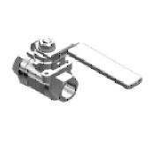 | Purchased | Ball valve - DN15 ½" - manual - Valtor V-106 | Stainless Steel |  | 2 | 2 |  |  |  | PID-Valve | NA
5 | 0000-315-005 | A |  | 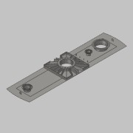 | Normal | Central flange 5200 - DN250 assembly | SS 1.4301 - AISI 304 | Digester | 1 | 1 | 1,0 | 1,0 | 1 | Basic Component | DWG
6 | 0000-701-055 | - |  |  | Normal | P/V relief valve - DN150 - Typ V-511 | N/A |  | 1 | 1 |  |  |  | PID-Valve | NA
7 | 0000-702-003 | - |  | 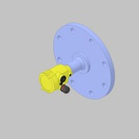 | Normal | Radar Sensor - DN150 PN16 - VEGAPULS 64 | N/A |  | 1 | 1 |  |  |  | PID-Instrument | NA
8 | 0000-315-003 | D |  | 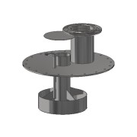 | Purchased | Trap DN500 - pressure = 35 mbar_vacuum = -5 mbar |  |  | 1 | 1 |  |  |  |  | PDF_DWG
8.1 | 0000-703-001 | - |  | 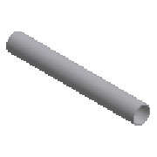 | Normal | Pipe - Ø168,3x2,6x227 - EN10217-7 | SS 1.4571 - AISI 316Ti | 0000-315-002-007 | 1 | 1 | 168,3 | 2,6 | 227 |  | NA
8.2 | 0000-752-001 | A |  |  | Normal | Sheet Plate - Ø275 t=3mm | SS 1.4571 - AISI 316Ti | 0000-315-002-002 | 1 | 1 |  |  |  |  | PDF
8.3 | 0000-752-001 | A |  |  | Normal | Sheet Plate - Ø670 t=10mm | SS 1.4571 - AISI 316Ti | 0000-315-002-001 | 1 | 1 |  |  |  |  | PDF
8.4 | 0000-703-001 | - |  |  | Normal | Pipe - Ø355,6x3,0x100 - EN10217-7 | SS 1.4571 - AISI 316Ti | 0000-315-003-001 | 1 | 1 | 355,6 | 3,0 | 100 |  | NA
8.5 | 0000-752-001 | A |  |  | Normal | Sheet Plate - Ø350 t=3mm | SS 1.4571 - AISI 316Ti | 0000-315-003-002 | 1 | 1 |  |  |  |  | PDF
8.6 | 0000-752-001 | A |  |  | Normal | Sheet Plate - t=3mm | SS 1.4571 - AISI 316Ti | 0000-315-003-003 | 4 | 4 |  |  |  |  | PDF
8.7 | 0000-703-001 | - |  |  | Normal | Pipe - Ø114,3x2,6x350 - EN10217-7 | SS 1.4571 - AISI 316Ti | 0000-315-003-004 | 1 | 1 | 114,3 | 2,6 | 350 |  | NA
8.8 | 0000-703-001 | - |  |  | Normal | Pipe - Ø21,3x2,0x315 - EN10217-7 | SS 1.4571 - AISI 316Ti | 0000-315-003-005 | 1 | 1 | 21,3 | 2,0 | 315 |  | NA
8.9 | 0000-703-010 |  | BÖ-168-020 | 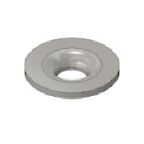 | Purchased | Collar - DN150/PN10-EN1092-1 Typ37 | SS 1.4571 - AISI 316Ti |  | 1 | 1 |  |  |  | Standard Fittings | NA
8.10 | 0000-703-020 |  |  | 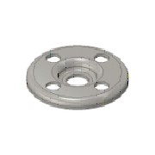 | Purchased | Pressed Flange - DN150-PN10/16 - EN 1092-1 Typ 02 | SS 1.4301 - AISI 304 |  | 1 | 1 |  |  |  | Standard Fittings | NA
8.11 | 0000-703-060 |  | AN-012-050 | 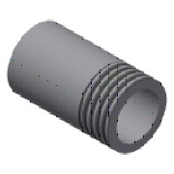 | Purchased | Welding Nipple - ½'' DN15xL50 - EN10241 | SS 1.4571 - AISI 316Ti |  | 1 | 1 |  |  |  | Standard Fittings | NA
8.12 | 0000-703-030 |  | BO-021-020 | 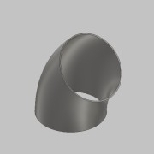 | Purchased | Elbow 90° - DN15 Ø21,3x2 - Type3-R28 - DIN2605 | SS 1.4571 - AISI 316Ti |  | 1 | 1 |  |  |  | Standard Fittings | NA
9 | 0000-701-001 |  |  | 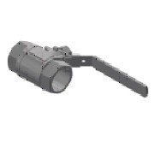 | Purchased | Ball valve - DN40 - manual - Valtor V-106 | SS 1.4301 - AISI 304 |  | 2 | 2 |  |  |  | PID-Valve | NA
10 | 0000-301-038 | B |  | 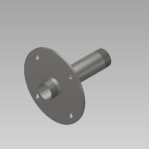 | Normal | TC- Flange DN40 - 1½'' L=200- BM | SS 1.4301 - AISI 304 |  | 2 | 2 | 1,0 | 1,0 | 1 | Basic Component | PDF_DWG
11 | 0000-702-006 |  |  | 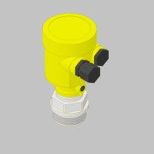 | Purchased | Pressure Transmitter - G1½ - VEGABAR 82 | N/A |  | 2 | 2 |  |  |  | PID-Instrument | NA
12 | 0000-301-037 | A |  | 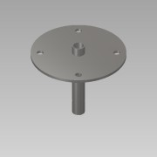 | Normal | TC- Socket DN15-½'' L=140- BM | SS 1.4301 - AISI 304 |  | 3 | 3 | 1,0 | 1,0 | 1 | Basic Component | PDF_DWG
13 | 0000-702-012 |  |  | 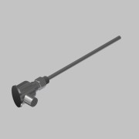 | Purchased | Temperature Transmitter TRC6-ZPT4-G¼ - L=300 mm | - | - | 3 | 3 | 1,0 | 1,0 | 1 | PID-Instrument | NA
14 | 0000-702-006 |  |  | 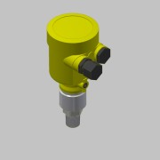 | Purchased | Pressure Transmitter - G½ - VEGABAR 82 | N/A |  | 1 | 1 |  |  |  | PID-Instrument | NA
15 | 0000-700-021 | - |  | 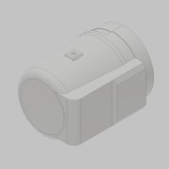 | Normal | Light - SGL FKEL | SS 1.4301 - AISI 304 |  | 1 | 1 | 1,0 | 1,0 | 1 | PID-Equipment | NA
16 | 0000-310-005 | B |  |  | Normal | Sightglass w.Wiper - DN200 PN0 - Welded | SS 1.4301 - AISI 304 | Sight Glass | 1 | 1 | 1,0 | 1,0 | 1 | Basic Component | PDF_DWG
17 | 0000-703-090 | - |  | 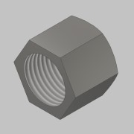 | Purchased | Hexagon Cap - ½'' - DIN EN 10241 | SS 1.4408 |  | 2 | 2 |  |  |  | Standard Fittings | NA
18 | 0000-301-001 | B |  | 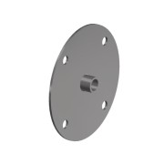 | Purchased | TC - Nipple DN15 - ½'' L=40- BG |  |  | 3 | 3 |  |  |  | Basic Component | PDF_DWG
18.1 | 0000-703-060 |  | AN-012-040 |  | Purchased | Welding Nipple - ½'' DN15xL40 - EN10241 | SS 1.4571 - AISI 316Ti |  | 1 | 3 |  |  |  | Standard Fittings | NA
18.2 | 0000-752-001 | - |  | 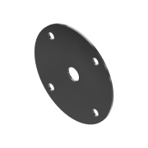 | Normal | Sheet Plate - Flange DN15 - Ø155,0 x Ø22,0 - t= 3,0 - 1.4571 | SS 1.4571 - AISI 316Ti |  | 1 | 3 |  | 3,0 |  |  | PDF
19 | 0000-310-006 | - |  | 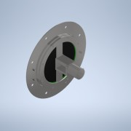 | Purchased | Sightglass w. pneum. Wiper - DN200 PN0 - Welded |  | Sight Glass | 1 | 1 |  |  |  |  | PDF
19.1 | 0000-700-023 |  |  | 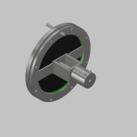 | Normal | Pneumatic Wiper - WDP DN200 PN0 - Max Müller | SS 1.4301 - AISI 304 |  | 1 | 1 |  |  |  | PID-Equipment | NA
19.2 | 0000-752-001 | - |  |  | Normal | Sheet Plate - Ø420-Ø292 t=3 | SS 1.4571 - AISI 316Ti | - | 1 | 1 |  |  |  |  | PDF
19.3 | 0000-752-006 | - |  | 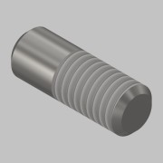 | Purchased | Round Bar - Ø8 L=22 | SS 1.4301 - AISI 304 | - | 1 | 1 |  |  |  | Basic Component | NA
19.4 | 0000-752-006 | - |  |  | Purchased | Round Bar - Ø8 L=22 | SS 1.4301 - AISI 304 | - | 1 | 1 |  |  |  | Basic Component | NA
20 | 0000-310-007 | - |  | 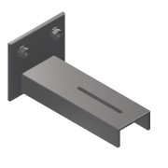 | Purchased | Sight Glass Bracket DN200 |  | - | 1 | 1 |  |  |  | Basic Component | PDF
20.1 | 0000-750-001 |  |  | 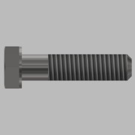 | Purchased | Hex Cap Bolt - M6x25 - ISO 4014 | SS A2 | - | 1 | 1 |  |  |  | Mechanical Components | NA
20.2 | 0000-750-002 |  |  | 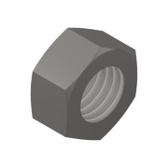 | Purchased | Nut - M6 - ISO 4032 | SS A2 | - | 1 | 1 |  |  |  | Mechanical Components | NA
20.3 | 0000-750-003 |  |  | 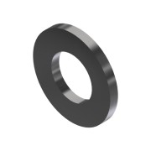 | Purchased | Washer - M8 - ISO 7089 | SS A2 | - | 2 | 2 |  |  |  | Mechanical Components | NA
20.4 | 0000-750-002 |  |  |  | Purchased | Nut - M8 - ISO 4032 | SS A2 | - | 2 | 2 |  |  |  | Mechanical Components | NA
20.5 | 0000-752-009 | - |  | 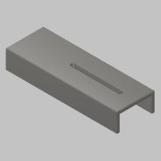 | Purchased | U-Channel - 60x30x5 L=175 - DIN 1026 | SS 1.4301 - AISI 304 | - | 1 | 1 |  |  |  | Basic Component | NA
20.6 | 0000-752-001 | - |  | 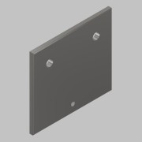 | Purchased | Sheet Plate - 100x90 t=5 - EN 10088-2 | SS 1.4301 - AISI 304 | - | 1 | 1 |  |  |  | Basic Component | PDF
21 | 0000-700-110 |  |  | 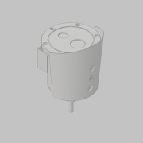 | Purchased | 4 MP Explosion-Proof Network Bullet Camera | N/A |  | 1 | 1 |  |  |  | PID-Equipment | NA
22 | 0000-342-034 | - |  | 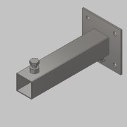 | Normal | Pipe holder foot L=300 | SS 1.4301 - AISI 304 |  | 4 | 4 | 1,0 | 1,0 | 1 | Basic Component | PDF_DWG
23 | 0000-342-022 | - |  | 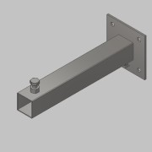 | Normal | Pipe holder foot L=400 | SS 1.4301 - AISI 304 |  | 8 | 8 | 1,0 | 1,0 | 1 | Basic Component | PDF_DWG
24 | 0000-701-010 |  | 1601150 | 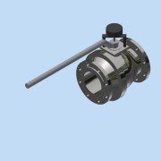 | Purchased | Ball valve - DN150-PN16 - Z02-TTT/RCE4L | Iron, Cast |  | 2 | 2 |  |  |  | PID-Valve | NA
25 | 0000-301-122 | A |  | 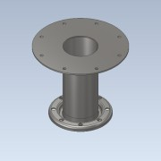 | Normal | TC- Flange DN125 PN10 L=330 - BM | SS 1.4301 - AISI 304 |  | 1 | 1 | 1,0 | 1,0 | 1 |  | PDF_DWG
26 | 4003-04.1-PS02-01 | - |  | 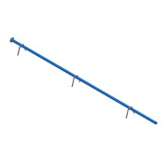 | Normal | Outlet Pipe DN100 |  | Area 04 | 1 | 1 |  |  |  | Project Specific Parts | PDF
26.1 | 0000-703-001 | - | RO-114-026 |  | Normal | Pipe - DN100-Ø114,3x2,6 L=7971 - EN10217-7 | SS 1.4301 - AISI 304 |  | 1 | 1 | 114,3 | 2,6 | 7971 | Project Specific Parts | NA
26.2 | 0000-703-020 |  |  |  | Purchased | Pressed Flange - DN100-PN10/16 - EN 1092-1 Typ 02 | SS 1.4301 - AISI 304 |  | 1 | 1 |  |  |  | Standard Fittings | NA
26.3 | 0000-703-010 |  | BÖ-114-026 |  | Purchased | Collar - DN100/PN10-EN1092-1 Typ37 | SS 1.4301 - AISI 304 |  | 1 | 1 |  |  |  | Standard Fittings | NA
26.4 | 0000-342-275 | - |  | 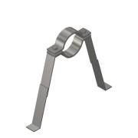 | Normal | DN100 Pipeholder for bottom mounting | SS 1.4301 - AISI 304 |  | 3 | 3 |  |  |  |  | PDF
27 | 4003-04.1-PS03-01 | - |  | 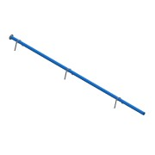 | Normal | Outlet Pipe DN125 |  | Area 04 | 2 | 2 |  |  |  | Project Specific Parts | PDF
27.1 | 4003-04.1-PS03-01-01 | - | RO-139-026 |  | Normal | Pipe - DN125-Ø139,7x2,6 L=7969 - EN10217-7 | SS 1.4301 - AISI 304 |  | 1 | 2 | 139,7 | 2,6 | 7969 | Project Specific Parts | NA
27.2 | 0000-703-020 |  |  |  | Purchased | Pressed Flange - DN125-PN10/16 - EN 1092-1 Typ 02 | SS 1.4301 - AISI 304 |  | 1 | 2 |  |  |  | Standard Fittings | NA
27.3 | 0000-703-010 |  | BÖ-139-026 |  | Purchased | Collar - DN125/PN10-EN1092-1 Typ37 | SS 1.4301 - AISI 304 |  | 1 | 2 |  |  |  | Standard Fittings | NA
27.4 | 0000-342-276 | - |  | 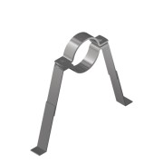 | Normal | DN125 Pipeholder for bottom mounting (235-390) | SS 1.4301 - AISI 304 |  | 3 | 6 |  |  |  |  | PDF
28 | 0000-314-112 | - |  | 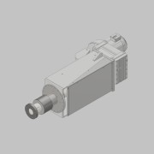 | Normal | Drive unit SEW 22kW-15rpm | N/A |  | 1 | 1 |  |  |  |  | PDF_DWG
29 | 0000-750-014 |  |  | 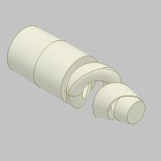 | Purchased | Spray Nozzle ½'' - TF28-90 - PTFE | Polytetrafluoroethylene |  | 3 | 3 |  |  |  | Mechanical Components | NA
30 | 0000-311-001 | B |  | 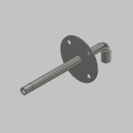 | Purchased | DN 20 Nozzle Pipe | SS 1.4571 - AISI 316Ti |  | 3 | 3 |  |  |  | Basic Component | PDF
31 | 0000-301-075 | A |  | 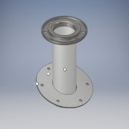 | Normal | TC -Flange 20°DN100 PN10-16 L=400- BG | SS 1.4571 - AISI 316Ti |  | 1 | 1 | 1,0 | 1,0 | 1 |  | PDF
32 | 0000-301-072 | B |  | 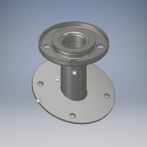 | Normal | TC- Flange 20° DN50 PN10 L=170- BG | SS 1.4571 - AISI 316Ti |  | 3 | 3 | 1,0 | 1,0 | 1 |  | PDF_DWG
33 | 0000-703-022 |  | BF-150-000 | (NULL) | Purchased | Blind Flange - DN150 - PN10/16 - EN 1092-1 Typ 05 | SS 1.4571 - AISI 316Ti |  | 2 | 2 |  |  |  | Standard Fittings | NA
34 | 0000-314-302 | - |  | 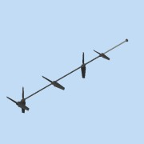 | Purchased | Agitator L=20060 | SS 1.4301 - AISI 304 | Digester Agitator | 1 | 1 |  |  |  | Basic Component | PDF
35 | 0000-301-122 | A |  |  | Normal | TC- Flange DN125 PN10 L=330 - BM |  |  | 3 | 3 |  |  |  |  | PDF_DWG
35.1 | 0000-703-010 |  | BÖ-139-026 |  | Purchased | Collar - DN125/PN10-EN1092-1 Typ37 | SS 1.4301 - AISI 304 |  | 1 | 3 |  |  |  | Standard Fittings | NA
35.2 | 0000-703-020 |  |  |  | Purchased | Pressed Flange - DN125-PN10/16 - EN 1092-1 Typ 02 | SS 1.4301 - AISI 304 |  | 1 | 3 |  |  |  | Standard Fittings | NA
35.3 | 0000-752-001 | A |  |  | Normal | Sheet Plate - Flange DN125 - Ø380,0 x Ø139,7 - t=6,0 | SS 1.4301 - AISI 304 |  | 1 | 3 |  | 6,0 |  |  | PDF
35.4 | 0000-703-001 | - |  |  | Normal | Pipe - DN125 - 139,7x2,6x296 mm - EN10217-7 | SS 1.4301 - AISI 304 |  | 1 | 3 | 139,7 | 2,6 | 296 mm |  | NA
36 | 0000-301-117 | B |  |  | Normal | TC- Flange DN150 PN10 L=330 - BM |  |  | 2 | 2 |  |  |  |  | PDF_DWG
36.1 | 0000-752-001 | A |  |  | Normal | Sheet Plate - Flange DN150 - Ø380,0 x Ø170 - t=6,0 - 1.4301 | SS 1.4301 - AISI 304 |  | 1 | 2 |  | 6,0 |  |  | PDF
36.2 | BC-000170 | - |  |  | Normal | Pipe - DN150 - 168,3x2,6x297 mm - EN10217-7 - 1.4301 | SS 1.4301 - AISI 304 |  | 1 | 2 | 168,3 | 2,6 | 450 mm |  | NA
36.3 | 0000-703-020 |  |  |  | Purchased | Pressed Flange - DN150-PN10/16 - EN 1092-1 Typ 02 | SS 1.4301 - AISI 304 |  | 1 | 2 |  |  |  | Standard Fittings | NA
36.4 | 0000-703-010 |  | BÖ-168-026 |  | Purchased | Collar - DN150/PN10-EN1092-1 Typ37 | SS 1.4301 - AISI 304 |  | 1 | 2 |  |  |  | Standard Fittings | NA
37 | 4003-04.1-PS04 | i |  |  | Normal | Outlet Pipe DN150 |  | Area 04.1 | 1 | 1 |  |  |  | Project Specific Parts | PDF_DWG
37.1 | 0000-703-001 | - | RO-168-026 |  | Normal | Pipe - DN150-Ø168,3x2,6 L=7970 - EN10217-7 | SS 1.4301 - AISI 304 |  | 1 | 1 | 168,3 | 2,6 | 7970 | Project Specific Parts | NA
37.2 | 0000-703-020 |  |  |  | Purchased | Pressed Flange - DN150-PN10/16 - EN 1092-1 Typ 02 | SS 1.4301 - AISI 304 |  | 1 | 1 |  |  |  | Standard Fittings | NA
37.3 | 0000-703-010 |  | BÖ-168-026 |  | Purchased | Collar - DN150/PN10-EN1092-1 Typ37 | SS 1.4301 - AISI 304 |  | 1 | 1 |  |  |  | Standard Fittings | NA
37.4 | 0000-342-277 | - |  |  | Normal | DN150 Pipeholder for bottom mounting | SS 1.4301 - AISI 304 |  | 3 | 3 |  |  |  |  | PDF
38 | 0000-301-131 | - |  |  | Normal | TC- Flange DN100 PN10 L=150 - BM |  |  | 3 | 3 |  |  |  |  | PDF_DWG
38.1 | 0000-752-001 | A |  |  | Normal | Sheet Plate - Flange DN100 - Ø380,0 x Ø114,3 - t=6,0 | SS 1.4301 - AISI 304 |  | 1 | 3 |  | 6,0 |  |  | PDF
38.2 | 0000-703-001 | - |  |  | Normal | Pipe - DN100 - 114,3x2,6x147 mm - EN10217-7 | SS 1.4301 - AISI 304 |  | 1 | 3 | 114,3 | 2,6 | 147 mm |  | NA
39 | 0000-301-132 | - |  |  | Normal | TC- Flange DN150 PN10 L=150 - BM |  |  | 1 | 1 |  |  |  |  | PDF_DWG
39.1 | 0000-752-001 | A |  |  | Normal | Sheet Plate - Flange DN150 - Ø380,0 x Ø170 - t=6,0 - 1.4301 | SS 1.4301 - AISI 304 |  | 1 | 1 |  | 6,0 |  |  | PDF
39.2 | 0000-703-001 | - |  |  | Normal | Pipe - DN150 - 168,3x2,6x147 mm - EN10217-7 | SS 1.4301 - AISI 304 |  | 1 | 1 | 168,3 | 2,6 | 147 mm |  | NA
40 | 4003-630-01-A01 | - |  |  | Normal | GasMix 30kW - Preparation |  | Area | 1 | 1 |  |  |  | Equipment | NA
40.1 | 0000-700-065 | - |  |  | Normal | GM - Diffusor Nozzle - DN250 - 3431224 | SS 1.4301 - AISI 304 | C:\Users\bnv.LANDIA\Desktop\Bigadan\3431224.stp | 1 | 1 | 1,0 | 1,0 | 1 | PID-Equipment | NA
40.2 | 0000-700-065 | - |  |  | Normal | GM - Mixing Nozzle - DN150 - 3431222 | SS 1.4301 - AISI 304 | C:\Users\bnv.LANDIA\Desktop\Bigadan\3431222.stp | 1 | 1 | 1,0 | 1,0 | 1 | PID-Equipment | NA
40.3 | 0000-700-065 | - |  |  | Normal | GM - Diffusor - DN250 - 7514093 | SS 1.4301 - AISI 304 |  | 1 | 1 | 1,0 | 1,0 | 1 | PID-Equipment | NA
40.4 | 0000-700-065 | - |  |  | Normal | GM - Mixing Nozzle - DN150 - 7514082 | SS 1.4301 - AISI 304 |  | 1 | 1 | 1,0 | 1,0 | 1 | PID-Equipment | NA
40.5 | 0000-700-065 | - |  |  | Normal | GM - Pump Inlet Nozzle - DN300 - 3431238 | SS 1.4301 - AISI 304 | C:\Users\bnv.LANDIA\Desktop\Bigadan 2\3431238.stp | 1 | 1 | 1,0 | 1,0 | 1 | PID-Equipment | NA
40.6 | 0000-301-125 | A |  |  | Normal | GM - Gas Pipe Nozzle - DN80 | SS 1.4571 - AISI 316Ti |  | 1 | 1 |  |  |  | Basic Component | PDF_DWG
40.7 | Knife Gate Valve - WB14 - Stafsjö |  |  |  | Purchased | Knife Gate Valve - DN300-PN10 - WB14 - Stafsjö | N/A |  | 1 | 1 | 1,0 | 1,0 | 1 | PID-Valve | NA
40.8 | 0000-701-003 |  |  |  | Purchased | Knife Gate Valve - DN300-PN10 - WB14 - Stafsjö | N/A |  | 1 | 1 | 1,0 | 1,0 | 1 | PID-Valve | NA
40.9 | 0000-703-022 |  | BF-080-000 | (NULL) | Purchased | Blind Flange - DN80 - PN10/16 - EN 1092-1 Typ 05 | SS 1.4571 - AISI 316Ti |  | 1 | 1 |  |  |  | Standard Fittings | NA
40.10 | 0000-703-022 |  | BF-150-000 | (NULL) | Purchased | Blind Flange - DN150 - PN10/16 - EN 1092-1 Typ 05 | SS 1.4571 - AISI 316Ti |  | 1 | 1 |  |  |  | Standard Fittings | NA
40.11 | 0000-703-022 |  | BF-300-010 | (NULL) | Purchased | Blind Flange - DN300 - PN10 - EN 1092-1 Typ 05 | SS 1.4571 - AISI 316Ti |  | 2 | 2 |  |  |  | Standard Fittings | NA
40.12 | 4003-615-01-BMxx1-02 | - |  |  | Normal | Pump Outlet - DN150 - GasMix 2 |  | Area 04 | 1 | 1 |  |  |  |  | NA
40.12.1 | 0000-342-022 | - |  |  | Normal | Pipe holder foot L=400 | SS 1.4301 - AISI 304 |  | 11 | 11 | 1,0 | 1,0 | 1 | Basic Component | PDF_DWG
40.13 | 4003-615-01-BGxx1-01 | - |  |  | Normal | Gas Inlet - DN80 - GasMix 1 |  | Area 04 | 1 | 1 |  |  |  |  | NA
40.13.1 | 0000-342-022 | - |  |  | Normal | Pipe holder foot L=400 | SS 1.4301 - AISI 304 |  | 2 | 2 | 1,0 | 1,0 | 1 | Basic Component | PDF_DWG
41 | 4003-630-01-A02 | - |  |  | Normal | GasMix 30kW - Preparation |  | Area | 1 | 1 |  |  |  | Equipment/Tank | NA
41.1 | 0000-700-065 | - |  |  | Normal | GM - Diffusor Nozzle - DN250 - 3431224 | SS 1.4301 - AISI 304 | C:\Users\bnv.LANDIA\Desktop\Bigadan\3431224.stp | 1 | 1 | 1,0 | 1,0 | 1 | PID-Equipment | NA
41.2 | 0000-700-065 | - |  |  | Normal | GM - Mixing Nozzle - DN150 - 3431222 | SS 1.4301 - AISI 304 | C:\Users\bnv.LANDIA\Desktop\Bigadan\3431222.stp | 1 | 1 | 1,0 | 1,0 | 1 | PID-Equipment | NA
41.3 | 0000-700-065 | - |  |  | Normal | GM - Diffusor - DN250 - 7514093 | SS 1.4301 - AISI 304 |  | 1 | 1 | 1,0 | 1,0 | 1 | PID-Equipment | NA
41.4 | 0000-700-065 | - |  |  | Normal | GM - Mixing Nozzle - DN150 - 7514082 | SS 1.4301 - AISI 304 |  | 1 | 1 | 1,0 | 1,0 | 1 | PID-Equipment | NA
41.5 | 0000-700-065 | - |  |  | Normal | GM - Pump Inlet Nozzle - DN300 - 3431238 | SS 1.4301 - AISI 304 | C:\Users\bnv.LANDIA\Desktop\Bigadan 2\3431238.stp | 1 | 1 | 1,0 | 1,0 | 1 | PID-Equipment | NA
41.6 | 0000-301-125 | A |  |  | Normal | GM - Gas Pipe Nozzle - DN80 | SS 1.4571 - AISI 316Ti |  | 1 | 1 |  |  |  | Basic Component | PDF_DWG
41.7 | Knife Gate Valve - WB14 - Stafsjö |  |  |  | Purchased | Knife Gate Valve - DN300-PN10 - WB14 - Stafsjö | N/A |  | 1 | 1 | 1,0 | 1,0 | 1 | PID-Valve | NA
41.8 | 0000-701-003 |  |  |  | Purchased | Knife Gate Valve - DN300-PN10 - WB14 - Stafsjö | N/A |  | 1 | 1 | 1,0 | 1,0 | 1 | PID-Valve | NA
41.9 | 0000-703-022 |  | BF-080-000 | (NULL) | Purchased | Blind Flange - DN80 - PN10/16 - EN 1092-1 Typ 05 | SS 1.4571 - AISI 316Ti |  | 1 | 1 |  |  |  | Standard Fittings | NA
41.10 | 0000-703-022 |  | BF-150-000 | (NULL) | Purchased | Blind Flange - DN150 - PN10/16 - EN 1092-1 Typ 05 | SS 1.4571 - AISI 316Ti |  | 1 | 1 |  |  |  | Standard Fittings | NA
41.11 | 0000-703-022 |  | BF-300-010 | (NULL) | Purchased | Blind Flange - DN300 - PN10 - EN 1092-1 Typ 05 | SS 1.4571 - AISI 316Ti |  | 2 | 2 |  |  |  | Standard Fittings | NA
41.12 | 4003-615-01-BMxx1-02 | - |  |  | Normal | Pump Outlet - DN150 - GasMix 2 |  | Area 04 | 1 | 1 |  |  |  |  | NA
41.12.1 | 0000-342-022 | - |  |  | Normal | Pipe holder foot L=400 | SS 1.4301 - AISI 304 |  | 11 | 11 | 1,0 | 1,0 | 1 | Basic Component | PDF_DWG
41.13 | 4003-615-01-BGxx1-01 | - |  |  | Normal | Gas Inlet - DN80 - GasMix 1 |  | Area 04 | 1 | 1 |  |  |  |  | NA
41.13.1 | 0000-342-022 | - |  |  | Normal | Pipe holder foot L=400 | SS 1.4301 - AISI 304 |  | 2 | 2 | 1,0 | 1,0 | 1 | Basic Component | PDF_DWG
42 | 4003-615-01-BG002-01 | A |  |  | Normal | Biogas Pipe |  | Area 04 | 1 | 1 |  |  |  | Project Piping | PDF
42.1 | 0000-703-001 | - | RO-273-030 |  | Purchased | Pipe - DN-Ø273,0x3,0 L=28250 - EN10217-7 | SS 1.4571 - AISI 316Ti |  | 1 | 1 | 273,0 | 3,0 | 26750 | Project Piping | NA
42.2 | 0000-703-010 |  | BÖ-273-030 |  | Purchased | Collar - DN250/PN10-EN1092-1 Typ37 | SS 1.4571 - AISI 316Ti |  | 14 | 14 |  |  |  | Standard Fittings | NA
42.3 | 0000-342-285 | - |  |  | Normal | Top mounting-Pipe Holder DN250-Ø273 | SS 1.4301 - AISI 304 |  | 5 | 5 | 1,0 | 1,0 | 1 | Basic Component | PDF_DWG
42.4 | 0000-701-062 | - |  |  | Normal | Butterfly Valve Lug - DN250 PN10 - Z014-A | N/A |  | 2 | 2 | 1,0 | 1,0 | 1 | PID-Valve | NA
42.5 | 0000-342-031 | - |  |  | Normal | Pipe Holder DN250-Ø273 | SS 1.4301 - AISI 304 |  | 6 | 6 | 1,0 | 1,0 | 1 | Basic Component | PDF_DWG
42.6 | 0000-703-030 |  | BO-273-030 |  | Purchased | Elbow 90° - DN250 Ø273x3 - Type3-R381 - DIN2605 | SS 1.4571 - AISI 316Ti |  | 2 | 2 |  |  |  | Standard Fittings | NA
42.7 | 0000-703-010 |  | BÖ-219-020 |  | Purchased | Collar - DN200/PN10-EN1092-1 Typ37 | SS 1.4571 - AISI 316Ti |  | 2 | 2 |  |  |  | Standard Fittings | NA
42.8 | 0000-703-052 |  |  |  | Purchased | Reducer - DN250-DN200 - EN 10253-3 | SS 1.4571 - AISI 316Ti |  | 2 | 2 |  |  |  | Standard Fittings | NA
42.9 | 0000-702-001 |  |  |  | Purchased | Flowtransmitter - DN200-PN10 -GD300/HB300 | SS 1.4571 - AISI 316Ti |  | 1 | 1 |  |  |  | PID-Instrument | NA
42.10 | 0000-703-020 |  |  |  | Purchased | Pressed Flange - DN200-PN10 - EN 1092-1 Typ 02 | SS 1.4301 - AISI 304 |  | 2 | 2 |  |  |  | Standard Fittings | NA
42.11 | 0000-322-117 | - |  |  | Purchased | EC - DN250-PN10 - 70° - BG | SS 1.4301 - AISI 304 |  | 2 | 2 |  |  |  | Basic Component | PDF
42.12 | 0000-703-020 |  |  |  | Purchased | Pressed Flange - DN250-PN10 - EN 1092-1 Typ 02 | SS 1.4301 - AISI 304 |  | 14 | 14 |  |  |  | Standard Fittings | NA
43 | 4003-615-01-BG001-01 | - |  |  | Normal | Pipe From Past. Tanks |  | Area 04 | 1 | 1 |  |  |  | Project Piping | PDF
43.1 | 0000-703-001 | - | RO-114-020 |  | Normal | Pipe - DN-Ø114,3x2,0 L=10832 - EN10217-7 | SS 1.4571 - AISI 316Ti |  | 1 | 1 | 114,3 | 2,0 | 10832 | Project/Piping | NA
43.2 | 0000-703-010 |  | BÖ-114-020 |  | Purchased | Collar - DN100/PN10-EN1092-1 Typ37 | SS 1.4571 - AISI 316Ti |  | 4 | 4 |  |  |  | Standard Fittings | NA
43.3 | 0000-703-020 |  |  |  | Purchased | Pressed Flange - DN100-PN10/16 - EN 1092-1 Typ 02 | SS 1.4301 - AISI 304 |  | 4 | 4 |  |  |  | Standard Fittings | NA
43.4 | 0000-342-027 | - |  |  | Normal | Pipe Holder DN100-Ø114,3x321 | SS 1.4301 - AISI 304 |  | 4 | 4 | 1,0 | 1,0 | 1 | Basic Component | PDF_DWG
43.5 | 0000-701-062 |  |  |  | Purchased | Butterfly Valve Lug - DN100-Manual PN10 - Z014-A | N/A |  | 1 | 1 | 1,0 | 1,0 | 1 | PID-Valve | NA
43.6 | 0000-703-030 |  | BO-114-020 |  | Purchased | Elbow 90° - DN100 Ø114,3x2 - Type3-R152 - DIN2605 | SS 1.4571 - AISI 316Ti |  | 2 | 2 |  |  |  | Standard Fittings | NA
44 | 4003-615-01-CD001-01 | - |  |  | Normal | Cable Ducts |  | Area | 1 | 1 |  |  |  | Project/Piping | NA
44.1 | 4003-615-01-CD001-01-01 | - | 8200497 |  | Normal | Cable Ducts - DVR63,0x6,0 L=19615 | PE100 |  | 1 | 1 | 63,0 | 6,0 | 19615 | Project/Piping | NA
45 | 4003-615-01-AF001-01 | - |  |  | Normal | Anti Foam Pipe |  | Area | 1 | 1 |  |  |  | Project Piping | NA
45.1 | 4003-615-01-AF001-01-01 | - | 193 676 |  | Normal | Pipe - DN50-Ø54,0x1,5 L=53555 | SS 1.4404 - AISI 316L |  | 1 | 1 | 54,0 | 1,5 | 53770 | Project Piping | NA
45.2 | 4003-615-01-AF001-01-02 | - | 102 708 |  | Normal | Pipe - DN20-Ø22,0x1,2 L=9989 | SS 1.4404 - AISI 316L |  | 1 | 1 | 22,0 | 1,2 | 8198 | Project Piping | NA
45.3 | 0000-715-040 |  | 435 844 |  | Purchased | Sanpress Tee Reducer - DN50-Ø54_DN20-Ø22 - Model 2318 | SS 1.4401 - AISI 316 | - | 3 | 3 |  |  |  | INOX-Press Fittings - Sanpress | NA
45.4 | 0000-715-030 |  | 435 653 |  | Purchased | Sanpress Elbow 90° - DN20-Ø22 - Model 2316 | SS 1.4401 - AISI 316 |  | 9 | 9 |  |  |  | INOX-Press Fittings - Sanpress | NA
45.5 | 0000-715-030 |  | 435 691 |  | Purchased | Sanpress Elbow 90° - DN50-Ø54 - Model 2316 | SS 1.4401 - AISI 316 |  | 7 | 7 |  |  |  | INOX-Press Fittings - Sanpress | NA
45.6 | 0000-715-030 |  | 435 370 |  | Purchased | Sanpress Elbow 45° - DN50-Ø54 - Model 2326 | SS 1.4401 - AISI 316 |  | 7 | 7 |  |  |  | INOX-Press Fittings - Sanpress | NA
45.7 | 0000-715-072 | - | 438 302 |  | Purchased | Sanpress Union Connection - Ø22-DN20 - G¾ ET - 438 302 | SS 1.4401 - AISI 316 |  | 3 | 3 |  |  |  | INOX-Press Fittings - Sanpress | NA
45.8 | 0000-715-080 |  |  |  | Purchased | Sanpress Cap - Ø54-DN50 - Stainless Steel | SS 1.4404 - AISI 316L |  | 1 | 1 |  |  |  | INOX-Press Fittings - Sanpress | NA
45.9 | 0000-701-007 | - |  |  | Purchased | Check Valve - DN50 - Valtor YSP-800 | Stainless Steel |  | 1 | 1 |  |  |  | PID-Valve | NA
45.10 | 0000-715-072 | - |  |  | Purchased | Sanpress Union Connection - Ø54-DN50 - G2 ET - 438 364 | SS 1.4401 - AISI 316 |  | 6 | 6 |  |  |  | INOX-Press Fittings - Sanpress | NA
45.11 | Org.Pneumatic Angle Seat Valve - DN50 - V500 |  |  |  | Normal |  | - |  | 1 | 1 | 1,0 | 1,0 | 1 |  | NA
45.12 | 0000-701-022 | - | 2050000100-0100 |  | Purchased | Ball Valve Ballofix - DN50 - Press-Press | SS 1.4401 - AISI 316 |  | 1 | 1 |  |  |  | PID-Valve | NA
45.13 | 0000-701-083 | - |  |  | Purchased | Regulation Valve - DN50-G2 - Valtor - 033350 | SS 1.4408 |  | 1 | 1 | 1,0 | 1,0 | 1 | PID-Valve | NA
45.14 | 0000-701-022 |  | 2020000101-0100 |  | Purchased | Ball Valve Ballofix - DN20 - Press-Press | SS 1.4401 - AISI 316 |  | 3 | 3 |  |  |  | PID-Valve | NA
46 | 4003-615-01-TW001-01 | - |  |  | Normal | Technical Water Pipe |  | Area | 1 | 1 |  |  |  | Project Piping | NA
46.1 | 4003-615-01-TW001-01-01 | - | 108 588 |  | Normal | Pipe - DN32-Ø35,0x1,5 L=19672 | SS 1.4404 - AISI 316L |  | 1 | 1 | 35,0 | 1,5 | 19672 | Project Piping | NA
46.2 | 4003-615-01-TW001-01-02 | - | 289 034 |  | Normal | Pipe - DN15-Ø18.0x1.0 L=26976 | SS 1.4404 - AISI 316L |  | 1 | 1 | 18,0 | 1,0 | 26976 | Project Piping | NA
46.3 | 0000-701-007 | - |  |  | Purchased | Check Valve - DN15 - Valtor YSP-800 | Stainless Steel |  | 1 | 1 |  |  |  | PID-Valve | NA
46.4 | 0000-701-058 | - |  |  | Normal | Pneumatic Angle Seat Valves - DN15 - V500 | SS 1.4301 - AISI 304 |  | 2 | 2 |  |  |  | PID-Valve | NA
46.5 | 0000-701-001 |  |  |  | Purchased | Ball valve - DN15 ½" - manual - Valtor V-106 | Stainless Steel |  | 3 | 3 |  |  |  | PID-Valve | NA
46.6 | 0000-715-061 | - | 486 280 |  | Purchased | Sanpress Adapter R Thread - DN15-G½'' ET - Model 0211 | SS 1.4401 - AISI 316 | - | 10 | 10 |  |  |  | INOX-Press Fittings - Sanpress | NA
46.7 | 0000-715-040 |  | 435 868 |  | Purchased | Sanpress Tee Equal - DN15-Ø18 - Model 2318 | SS 1.4401 - AISI 316 | - | 5 | 5 |  |  |  | INOX-Press Fittings - Sanpress | NA
46.8 | 0000-715-030 |  | 435 646 |  | Purchased | Sanpress Elbow 90° - DN15-Ø18 - Model 2316 | SS 1.4401 - AISI 316 |  | 21 | 21 |  |  |  | INOX-Press Fittings - Sanpress | NA
46.9 | 0000-715-050 |  | 436 285 |  | Purchased | Sanpress Reducer - Ø35xØ18 - (DN32xDN15) - 2315.1 | SS 1.4401 - AISI 316 |  | 1 | 1 |  |  |  | INOX-Press Fittings - Sanpress | NA
46.10 | 0000-715-060 |  |  |  | Purchased | Sanpress Coupling - Ø35-DN32 - 436 193 | SS 1.4401 - AISI 316 |  | 1 | 1 |  |  |  | INOX-Press Fittings - Sanpress | NA
47 | 4003-615-01-CD002-01 | - |  |  | Normal | Cable Trays |  | Area | 1 | 1 |  |  |  | Project Piping | NA
47.1 | 4003-615-01-CD002-01-01 | - | 1430002 |  | Normal | Cable Tray KS80 - W200x53 L=19639 | SS 1.4301 - AISI 304 |  | 1 | 1 | 200,0 | 60,0 | 19639 | Project Piping | NA
48 | 4003-615-01-PA001-01 | - |  |  | Normal | Pressurized Air |  | Area | 1 | 1 |  |  |  | Project/Piping | NA
48.1 | 4003-615-01-PA001-01-01 | - | 289 034 |  | Normal | Pipe - DN15-Ø18,0x1,0 L=21450 | SS 1.4404 - AISI 316L |  | 1 | 1 | 18,0 | 1,0 | 21450 | Project/Piping | NA
48.2 | Solenoid valve - Type 240 - AWS |  |  |  | Purchased |  |  | Area | 1 | 1 |  |  |  | PID-Valve | NA
48.3 | 0000-715-030 |  | 435 646 |  | Purchased | Sanpress Elbow 90° - DN15-Ø18 - Model 2316 | SS 1.4401 - AISI 316 |  | 2 | 2 |  |  |  | INOX-Press Fittings - Sanpress | NA
48.4 | 0000-715-072 |  | 438 289 |  | Purchased | Sanpress Union Connection - DN15 - G¾ ET | SS 1.4401 - AISI 316 |  | 2 | 2 |  |  |  | INOX-Press Fittings - Sanpress | NA
49 | 4003-615-01-CD003-01 | - |  |  | Normal | Cable Trays |  | Area 04.1 | 1 | 1 |  |  |  | Project Piping | NA
49.1 | 0000-751-041 | - | 1449507 |  | Normal | Cable Tray KS80 - W200x53 L=29051 | Steel |  | 1 | 1 | 200,0 | 60,0 | 29051 | Project/Piping | NA

