BOM
Item | Part Number | REV | Stock Number | Thumbnail | BOM Structure | Description | Title | QTY | D | t | L
1 | 2500-647-001 |  |  | 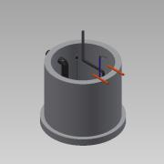 | Normal | Drainage Well | Receiving Hall | 1
1.1 | 2500-647-901 |  |  | 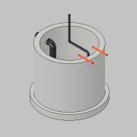 | Normal | Concreate Well | Ø1500 | 1 | 1,0 | 1,0 | 1
1.2 | 0000-701-007 |  |  | 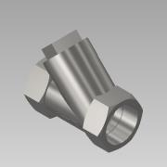 | Purchased | Check Valve - DN50 - Valtor YSP-800 |  | 1
1.3 | 2500-702-021 - VegaWell 52 | - |  | 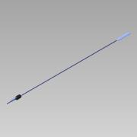 | Purchased | VegaWell 52 |  | 1 | 1,0 | 1,0 | 1
1.4 | 2500-647-101 | - |  | 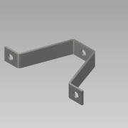 | Purchased | Bracket for Pedestal | Submerged Pump | 1 | 1,0 | 1,0 | 1
1.5 | 0000-700-042 | - |  | 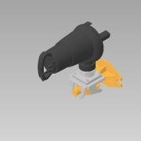 | Purchased | Submerged Pump - MF 354 - Sulzer |  | 1 | 1,0 | 1,0 | 1
1.6 | 2500-700-042 - Guide Rail-01 | - |  | 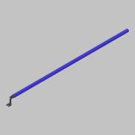 | Purchased | Guide Rail |  | 1 | 1,0 | 1,0 | 1
2 | 2500-621-004 |  |  | 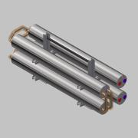 | Normal |  |  | 1
2.1 | 0000-703-075 |  |  | 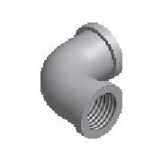 | Purchased | Elbow 90° DN10 G⅜ - DIN EN 10241 |  | 4
2.2 | 0000-701-001 |  |  | 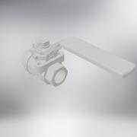 | Normal | Ball valve - DN10 - manual - Valtor V-106 |  | 4
2.3 | 0000-701-011 |  |  | 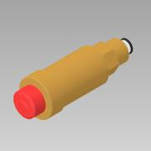 | Purchased | Air Relief Valve - G⅜ - Flexvent - Flamco |  | 4
2.4 | 0000-703-062 | - |  | 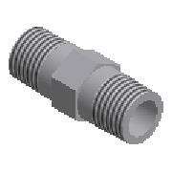 | Purchased | Hexagon Nipple - G⅜ - DIN EN 10241 |  | 4
2.5 | 0000-316-013 | - |  | 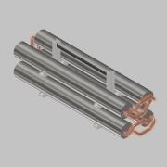 | Normal | 4 HEX Water-Biomass Ver. 04 |  | 1
3 | 2500-621-005 |  |  | 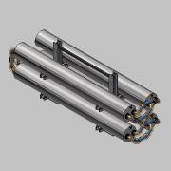 | Normal |  |  | 1
3.1 | 0000-703-075 |  |  |  | Purchased | Elbow 90° DN10 G⅜ - DIN EN 10241 |  | 4
3.2 | 0000-701-001 |  |  |  | Normal | Ball valve - DN10 - manual - Valtor V-106 |  | 4
3.3 | 0000-701-011 |  |  |  | Purchased | Air Relief Valve - G⅜ - Flexvent - Flamco |  | 4
3.4 | 0000-703-062 | - |  |  | Purchased | Hexagon Nipple - G⅜ - DIN EN 10241 |  | 4
3.5 | 0000-316-012 | - |  | 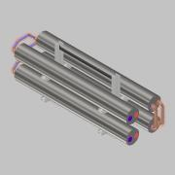 | Normal | 4 HEX Water-Biomass Ver. 03 |  | 1
4 | A109936 |  |  | 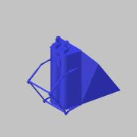 | Normal |  |  | 3
5 | RotaCut RCX48 |  |  | 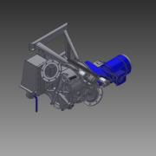 | Normal |  |  | 2
5.1 | RPK0001177_n |  |  | 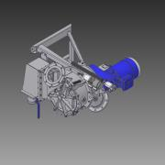 | Normal |  |  | 1
6 | 0000-700-015 |  |  | 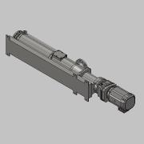 | Purchased | Cavity Pump Top - DN200 DN200 - KL80S 165.0 - Wangen |  | 2
7 | Jenz BA615 |  |  | 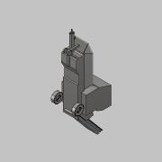 | Normal | Jenz Ba 615 |  | 1
8 | 0000-700-037 |  |  | 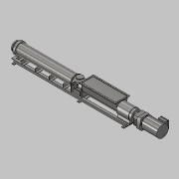 | Purchased | BIO-MIX-Pump - KL100R 200.2 - 45kW |  | 2
9 | 2500-01-TD065-01 |  |  | 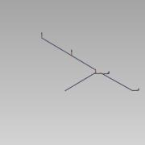 | Normal |  |  | 1
9.1 | 0000-717-001 | - |  | 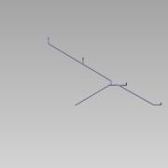 | Normal | Drainage Pipe - Ø160,0 L=34393 |  | 1 | 160,0 | 5,7 | 34393
9.2 | 0000-717-041 | - |  | 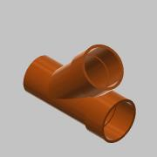 | Purchased | Equal Y Junction 45° - Ø160 |  | 3 |  | 5,600 mm
9.3 | 0000-717-030 | - |  | 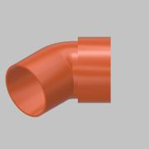 | Purchased | Socket Bend 45° - Ø160 |  | 5
9.4 | 0000-717-030 | - |  | 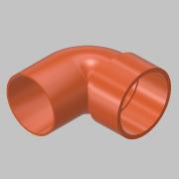 | Purchased | Socket Bend 88,5° - Ø160 |  | 4
10 | 2500-01-TW120-01 |  |  | 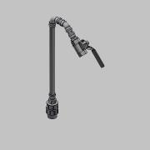 | Normal |  |  | 3
10.1 | 0000-715-001 | - |  | 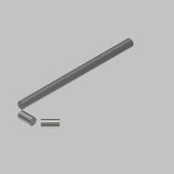 | Normal | Pipe - DN25-Ø28,0x1,2 L=574 |  | 1 | 28,0 | 1,2 | 574
10.2 | 0000-715-030 |  |  | 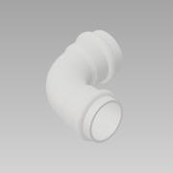 | Purchased | Sanpress Elbow 90° - Ø28-DN25 - 435 660 |  | 1
10.3 | 0000-715-061 | - |  | 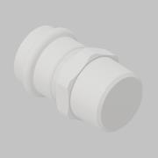 | Purchased | Sanpress Adaptor - Ø28-DN25 - G1 ET - 436 520 |  | 1
10.4 | 0000-701-001 |  |  | 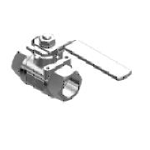 | Normal | Ball valve - DN25 - manual - Valtor V-106 |  | 1
10.5 | 0000-711-062 |  |  | 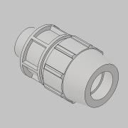 | Normal | Screw Connection ET - Ø32-1'' - 180200032010 |  | 1
10.6 | 0000-715-030 | - |  | 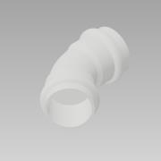 | Purchased | Sanpress Elbow 45° - Ø28-DN25 - 435 806 |  | 1 | 1,0 | 1,0 | 1
10.7 | 0000-715-061 |  |  | 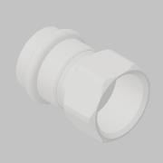 | Purchased | Sanpress Adaptor - Ø28-DN25 - G1 IT - 436 650 |  | 1
11 | 0000-342-083 |  |  | 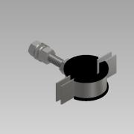 | Purchased | Pipe holder M8 - DN20-¾" - L55 |  | 6
12 | 0000-341-009 |  |  | 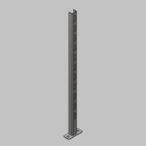 | Normal | Pipe Support - M8_M10 - L750 |  | 3
13 | 0000-702-026 | - |  | 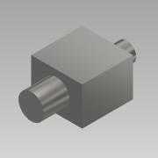 | Purchased | Gas Detector - Geopal - GP-ELK |  | 2 | 1,0 | 1,0 | 1
14 | 0000-702-025 | - |  | 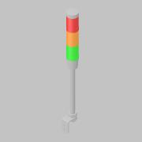 | Purchased | Tower Light - 3 unit-24V-Buzzer - XVMB2R6A5GSSB |  | 2
15 | 2500-01-BM006-01 | - |  | 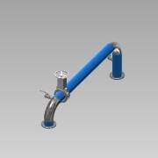 | Normal |  |  | 1
15.1 | 0000-703-001 | - |  |  | Normal | Pipe - DN200-Ø219,1x2,6 L=3012 - EN10217-7 |  | 1 | 219,1 | 2,6 | 3012
15.2 | 0000-703-010 |  |  | 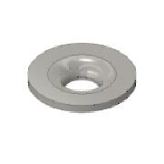 | Purchased | Collar - DN200/PN10 - EN 1092-1 Typ 37 |  | 4
15.3 | 0000-703-020 | - |  | 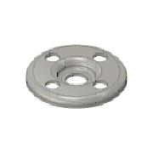 | Purchased | Pressed Flange - DN200/PN10 - EN 1092-1 Typ 02 |  | 3
15.4 | 0000-703-030 |  |  | 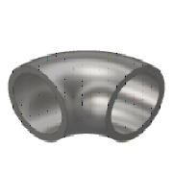 | Purchased | Elbow 90° DN200 Ø219,1x2,6 - Type 3 R=305 - DIN2605 - 1.4301 |  | 2
15.5 | 0000-703-060 |  |  | 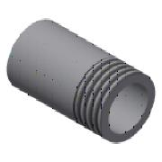 | Purchased | Welding Nipple - 2'' DN50xL100 - EN10241 |  | 2
15.6 | 0000-701-001 |  |  | 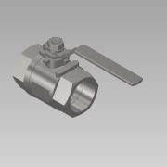 | Normal | Ball valve - DN50 - manual - Valtor V-106 |  | 2
15.7 | 0000-701-003 |  |  | 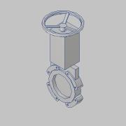 | Normal | Knife Gate Valve - DN200-PN10 - WB14 - Stafsjö |  | 1 | 1,0 | 1,0 | 1
15.8 | 0000-703-020 |  |  |  | Purchased | Pressed Flange - DN200/PN16 - EN 1092-1 Typ 02 |  | 1
16 | 2500-01-BM006-02 |  |  | 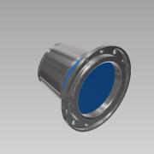 | Normal |  |  | 1
16.1 | 0000-703-001 | - |  |  | Normal | Pipe - DN200-Ø219,1x2,6 L=50 - EN10217-7 |  | 1 | 219,1 | 2,6 | 50
16.2 | 0000-703-010 |  |  |  | Purchased | Collar - DN200/PN10 - EN 1092-1 Typ 37 |  | 1
16.3 | 0000-703-020 |  |  |  | Purchased | Pressed Flange - DN200/PN16 - EN 1092-1 Typ 02 |  | 1
16.4 | 0000-703-050 |  |  | 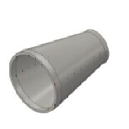 | Purchased | Reducer - DN200-DN150 - EN 10253-4 |  | 1
17 | 2500-01-BM006-03 |  |  | 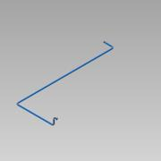 | Normal |  |  | 1
17.1 | 0000-703-010 |  |  |  | Purchased | Collar - DN150/PN10 - EN 1092-1 Typ 37 |  | 1
17.2 | 0000-703-020 |  |  |  | Purchased | Pressed Flange - DN150/PN10 - EN 1092-1 Typ 02 |  | 1
17.3 | 0000-703-030 |  |  | 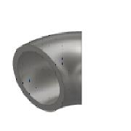 | Purchased | Elbow 90° DN150 Ø168,3x2,6 - Type 3 R=229 - DIN2605 - 1.4301 |  | 4
17.4 | 0000-703-001 | - |  | 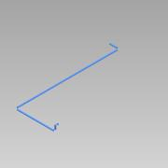 | Normal | Pipe - DN150-Ø168,3x2,6 L=19389 - EN10217-7 |  | 1 | 168,3 | 2,6 | 19389
17.5 | 0000-703-050 |  |  |  | Purchased | Reducer - DN150-DN100 - EN 10253-4 |  | 1
17.6 | 0000-703-010 |  |  |  | Purchased | Collar - DN100/PN10 - EN 1092-1 Typ 37 |  | 1
17.7 | 0000-703-020 |  |  |  | Purchased | Pressed Flange - DN100/PN10 - EN 1092-1 Typ 02 |  | 1
18 | 2500-01-HW211-01 |  |  |  | Normal |  |  | 1
18.1 | 0000-703-102 | - |  |  | Normal | Pipe - DN65-Ø76,1x3,7 L=8282 |  | 1 | 76,1 | 3,7 | 8282
18.2 | 0000-703-130 |  |  |  | Purchased | Elbow 90° DN65-Ø76,1x2,9 - Type 3 R=95 - EN10253-2- P235GH |  | 1
18.3 | 0000-703-121 |  |  |  | Purchased | Welding Neck Flange - DN65-PN10 - EN 1092-1_B1 Type11 |  | 1
18.4 | 0000-703-150 |  |  |  | Purchased | Reducer - DN100-DN65 - EN 10253-4 - Steel |  | 1
18.5 | 0000-703-121 |  |  |  | Purchased | Welding Neck Flange - DN100-PN10 - EN 1092-1_B1 Type11 |  | 1
19 | 2500-01-HW211-02 |  |  |  | Normal |  |  | 1
19.1 | 0000-703-130 |  |  |  | Purchased | Elbow 90° DN65-Ø76,1x2,9 - Type 3 R=95 - EN10253-2- P235GH |  | 3
19.2 | 0000-703-121 |  |  |  | Purchased | Welding Neck Flange - DN65-PN10 - EN 1092-1_B1 Type11 |  | 1
19.3 | 0000-703-102 | - |  |  | Normal | Pipe - DN65-Ø76,1x3,7 L=6232 |  | 1 | 76,1 | 3,7 | 6232
19.4 | 0000-703-150 |  |  |  | Purchased | Reducer - DN100-DN65 - EN 10253-4 - Steel |  | 1
19.5 | 0000-703-121 |  |  |  | Purchased | Welding Neck Flange - DN100-PN10 - EN 1092-1_B1 Type11 |  | 1
20 | 2500-01-BM004-01 |  |  |  | Normal |  |  | 1
20.1 | 0000-703-010 |  |  |  | Purchased | Collar - DN200/PN10 - EN 1092-1 Typ 37 |  | 2
20.2 | 0000-703-020 | - |  |  | Purchased | Pressed Flange - DN200/PN10 - EN 1092-1 Typ 02 |  | 1
20.3 | 0000-703-030 |  |  |  | Purchased | Elbow 90° DN200 Ø219,1x2,6 - Type 3 R=305 - DIN2605 - 1.4301 |  | 2
20.4 | 0000-703-001 | - |  |  | Normal | Pipe - DN200-Ø219,1x2,6 L=2095 - EN10217-7 |  | 1 | 219,1 | 2,6 | 2095
20.5 | 0000-703-020 |  |  |  | Purchased | Pressed Flange - DN200/PN16 - EN 1092-1 Typ 02 |  | 1
21 | 2500-01-BM004-02 |  |  |  | Normal |  |  | 1
21.1 | 0000-703-010 |  |  |  | Purchased | Collar - DN150/PN10 - EN 1092-1 Typ 37 |  | 1
21.2 | 0000-703-020 |  |  |  | Purchased | Pressed Flange - DN150/PN10 - EN 1092-1 Typ 02 |  | 1
21.3 | 0000-703-030 |  |  |  | Purchased | Elbow 90° DN150 Ø168,3x2,6 - Type 3 R=229 - DIN2605 - 1.4301 |  | 2
21.4 | 0000-703-001 | - |  |  | Normal | Pipe - DN150-Ø168,3x2,6 L=0 - EN10217-7 |  | 1 | 168,3 | 2,6 | 0
21.5 | 0000-703-050 |  |  |  | Purchased | Reducer - DN150-DN100 - EN 10253-4 |  | 1
21.6 | 0000-703-010 |  |  |  | Purchased | Collar - DN100/PN10 - EN 1092-1 Typ 37 |  | 1
21.7 | 0000-703-020 |  |  |  | Purchased | Pressed Flange - DN100/PN10 - EN 1092-1 Typ 02 |  | 1
22 | 2500-01-BM004-03 |  |  |  | Normal |  |  | 1
22.1 | 0000-703-010 |  |  |  | Purchased | Collar - DN150/PN10 - EN 1092-1 Typ 37 |  | 1
22.2 | 0000-703-020 |  |  |  | Purchased | Pressed Flange - DN150/PN10 - EN 1092-1 Typ 02 |  | 1
22.3 | 0000-703-030 |  |  |  | Purchased | Elbow 90° DN150 Ø168,3x2,6 - Type 3 R=229 - DIN2605 - 1.4301 |  | 4
22.4 | 0000-703-050 |  |  |  | Purchased | Reducer - DN150-DN100 - EN 10253-4 |  | 1
22.5 | 0000-703-001 | - |  |  | Normal | Pipe - DN150-Ø168,3x2,6 L=20982 - EN10217-7 |  | 1 | 168,3 | 2,6 | 20982
22.6 | 0000-703-010 |  |  |  | Purchased | Collar - DN100/PN10 - EN 1092-1 Typ 37 |  | 1
22.7 | 0000-703-020 |  |  |  | Purchased | Pressed Flange - DN100/PN10 - EN 1092-1 Typ 02 |  | 1
23 | 2500-01-HW210-01 |  |  |  | Normal |  |  | 1
23.1 | 0000-703-130 |  |  |  | Purchased | Elbow 90° DN65-Ø76,1x2,9 - Type 3 R=95 - EN10253-2- P235GH |  | 2
23.2 | 0000-703-121 |  |  |  | Purchased | Welding Neck Flange - DN65-PN10 - EN 1092-1_B1 Type11 |  | 1
23.3 | 0000-703-150 |  |  |  | Purchased | Reducer - DN100-DN65 - EN 10253-4 - Steel |  | 1
23.4 | 0000-703-102 | - |  |  | Normal | Pipe - DN65-Ø76,1x3,7 L=4657 |  | 1 | 76,1 | 3,7 | 4657
23.5 | 0000-703-121 |  |  |  | Purchased | Welding Neck Flange - DN100-PN10 - EN 1092-1_B1 Type11 |  | 1
24 | 2500-01-HW210-02 |  |  |  | Normal |  |  | 1
24.1 | 0000-703-130 |  |  |  | Purchased | Elbow 90° DN65-Ø76,1x2,9 - Type 3 R=95 - EN10253-2- P235GH |  | 3
24.2 | 0000-703-121 |  |  |  | Purchased | Welding Neck Flange - DN65-PN10 - EN 1092-1_B1 Type11 |  | 1
24.3 | 0000-703-150 |  |  |  | Purchased | Reducer - DN100-DN65 - EN 10253-4 - Steel |  | 1
24.4 | 0000-703-102 | - |  |  | Normal | Pipe - DN65-Ø76,1x3,7 L=5627 |  | 1 | 76,1 | 3,7 | 5627
24.5 | 0000-703-121 |  |  |  | Purchased | Welding Neck Flange - DN100-PN10 - EN 1092-1_B1 Type11 |  | 1
25 | 2500-01-BM006-04 |  |  |  | Normal |  |  | 1
25.1 | 0000-703-001 | - |  |  | Normal | Pipe - DN150-Ø168,3x2,6 L=9605 - EN10217-7 |  | 1 | 168,3 | 2,6 | 9605
25.2 | 0000-703-030 |  |  |  | Purchased | Elbow 90° DN150 Ø168,3x2,6 - Type 3 R=229 - DIN2605 - 1.4301 |  | 3
25.3 | 0000-703-050 |  |  |  | Purchased | Reducer - DN150-DN100 - EN 10253-4 |  | 1
25.4 | 0000-703-010 |  |  |  | Purchased | Collar - DN100/PN10 - EN 1092-1 Typ 37 |  | 2
25.5 | 0000-703-020 |  |  |  | Purchased | Pressed Flange - DN100/PN10 - EN 1092-1 Typ 02 |  | 2
25.6 | 0000-703-041 |  |  |  | Purchased | Tee Reduced - DN150 Ø168,3x2,6-DN100 Ø114,3x2,6 - EN10523-4 |  | 1
25.7 | 0000-701-003 | - |  |  | Normal | Knife Gate Valve - DN150-PN10 - WB14 - Stafsjö |  | 2 | 1,0 | 1,0 | 1
25.8 | 0000-702-002 | - |  |  | Purchased | Sensor - DN150 PN16 - MAG 3100 - Siemens | 7ME6340-4HC1X-XAXX.stp | 1 | 1,0 | 1,0 | 1
25.9 | 0000-703-065 |  |  |  | Purchased | Socket - ½'' - DIN EN 10241 |  | 1
25.10 | 0000-702-012 | - |  |  | Purchased | Temperature Transmitter - TRC6 - L=100 - Baumer |  | 1 | 1,0 | 1,0 | 1
25.11 | 0000-702-006 |  |  |  | Purchased | Pressure Transmitter - G½ - VEGABAR 82 |  | 1
25.12 | 0000-703-010 |  |  |  | Purchased | Collar - DN150/PN10 - EN 1092-1 Typ 37 |  | 6
25.13 | 0000-703-020 |  |  |  | Purchased | Pressed Flange - DN150/PN10 - EN 1092-1 Typ 02 |  | 6
25.14 | 0000-703-065 |  |  |  | Purchased | Socket - ½'' - DIN EN 10241 |  | 1
25.15 | 0000-701-003 | - |  |  | Normal | Knife Gate Valve - DN100-PN10 - WB14 - Stafsjö |  | 1 | 1,0 | 1,0 | 1
26 | 2500-01-BM007-01 | - |  |  | Normal |  |  | 1
26.1 | 0000-703-010 |  |  |  | Purchased | Collar - DN200/PN10 - EN 1092-1 Typ 37 |  | 8
26.2 | 0000-703-020 | - |  |  | Purchased | Pressed Flange - DN200/PN10 - EN 1092-1 Typ 02 |  | 7
26.3 | 0000-701-003 |  |  |  | Normal | Knife Gate Valve - DN200-PN10 - WB14 - Stafsjö |  | 2 | 1,0 | 1,0 | 1
26.4 | 0000-703-001 | - |  |  | Normal | Pipe - DN200-Ø219,1x2,6 L=0 - EN10217-7 |  | 1 | 219,1 | 2,6 | 0
26.5 | 0000-703-030 |  |  |  | Purchased | Elbow 45° DN200 Ø219,1x2,0 - Type 3 R=305 - DIN2605 - 1.4301 |  | 2
26.6 | 0000-702-002 | - |  |  | Purchased | Sensor - DN200 PN16 - MAG 3100 - Siemens | 7ME6340-4PC1X-XAXX.stp | 1 | 1,0 | 1,0 | 1
26.7 | 0000-703-020 |  |  |  | Purchased | Pressed Flange - DN200/PN16 - EN 1092-1 Typ 02 |  | 1
27 | 2500-01-BM007-02 | - |  |  | Normal |  |  | 1
27.1 | 0000-703-010 |  |  |  | Purchased | Collar - DN200/PN10 - EN 1092-1 Typ 37 |  | 4
27.2 | 0000-703-020 | - |  |  | Purchased | Pressed Flange - DN200/PN10 - EN 1092-1 Typ 02 |  | 3
27.3 | 0000-701-003 |  |  |  | Normal | Knife Gate Valve - DN200-PN10 - WB14 - Stafsjö |  | 1 | 1,0 | 1,0 | 1
27.4 | 0000-703-001 | - |  |  | Normal | Pipe - DN200-Ø219,1x2,6 L=985 - EN10217-7 |  | 1 | 219,1 | 2,6 | 985
27.5 | 0000-703-030 |  |  |  | Purchased | Elbow 90° DN200 Ø219,1x2,6 - Type 3 R=305 - DIN2605 - 1.4301 |  | 1
27.6 | 0000-703-020 |  |  |  | Purchased | Pressed Flange - DN200/PN16 - EN 1092-1 Typ 02 |  | 1
28 | 2500-01-BM005-01 | - |  |  | Normal |  |  | 1
28.1 | 0000-703-010 |  |  |  | Purchased | Collar - DN200/PN10 - EN 1092-1 Typ 37 |  | 4
28.2 | 0000-703-020 | - |  |  | Purchased | Pressed Flange - DN200/PN10 - EN 1092-1 Typ 02 |  | 3
28.3 | 0000-703-060 |  |  |  | Purchased | Welding Nipple - 2'' DN50xL100 - EN10241 |  | 2
28.4 | 0000-701-001 |  |  |  | Normal | Ball valve - DN50 - manual - Valtor V-106 |  | 2
28.5 | 0000-701-003 |  |  |  | Normal | Knife Gate Valve - DN200-PN10 - WB14 - Stafsjö |  | 1 | 1,0 | 1,0 | 1
28.6 | 0000-703-001 | - |  |  | Normal | Pipe - DN200-Ø219,1x2,6 L=3929 - EN10217-7 |  | 1 | 219,1 | 2,6 | 3929
28.7 | 0000-703-020 |  |  |  | Purchased | Pressed Flange - DN200/PN16 - EN 1092-1 Typ 02 |  | 1

