BOM
Item | Part Number | Thumbnail | BOM Structure | Unit QTY | QTY | Stock Number | Description | REV
1 | 0000-301-001 | 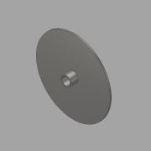 | Normal | 1 | 3 |  | TC - Nipple DN15 - ½" L=40 - BG | A
2 | 0000-301-037 | 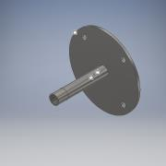 | Normal | 1 | 3 |  | TC- Socket DN15-½'' L=140- BM
3 | 0000-301-038 | 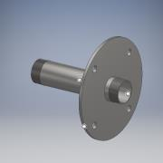 | Normal | 1 | 2 |  | TC- Flange DN40 - 1½'' L=200- BM
4 | 0000-301-050 | 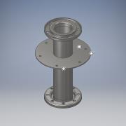 | Normal | 1 | 6 |  | TC- Flange DN100 PN10 L=450 - BM
5 | 0000-301-051 | 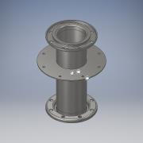 | Normal | 1 | 2 |  | TC- Flange DN150 PN10 L=450 - BM
6 | 0000-301-061 | 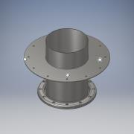 | Normal | 1 | 1 |  | TC -Flange DN300 PN10 L=450 -BG
7 | 0000-301-072 | 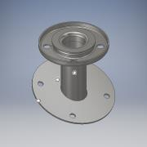 | Normal | 1 | 3 |  | TC- Flange 20° DN50 PN10 L=170- BG
8 | 0000-310-005 | 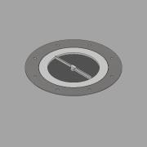 | Normal | 1 | 2 |  | Sightglass w.Wiper - DN200 PN0 - Welded
9 | 0000-311-001 | 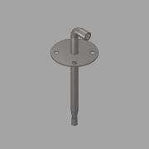 | Normal | 1 | 3 |  | DN50 Nozzle Pipe | A
10 | 0000-314-504 | 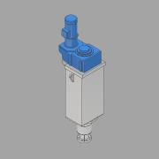 | Normal | 1 | 1 |  | Agitator Drive | A
11 | 0000-315-002 | 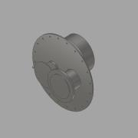 | Normal | 1 | 1 |  | Trap DN500 - pressure = 24 mbar_vacuum = 3 mbar
12 | 0000-315-005 | 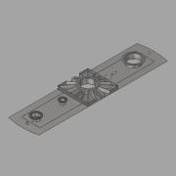 | Normal | 1 | 1 |  | Central flange 5200 - DN250 assembly
13 | 0000-321-103 | 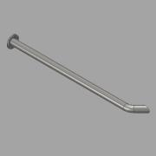 | Normal | 1 | 3 |  | Outlet pipe DN100 - Biomass | -
14 | 0000-321-106 | 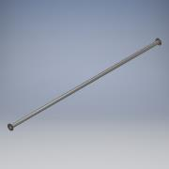 | Normal | 1 | 3 |  | Biomass - Straight Connection - DN100x6m
15 | 0000-321-153 | 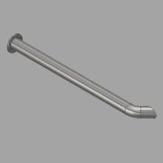 | Normal | 1 | 1 |  | Outlet Pipe DN150 - Biomass | -
16 | 0000-321-156 | 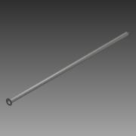 | Normal | 1 | 1 |  | Biomass - Straigth Connection - DN150x6m
17 | 0000-342-022 | 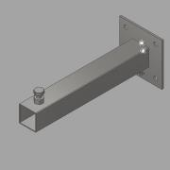 | Normal | 1 | 15 |  | Pipe holder foot L=400
18 | 0000-342-270 | 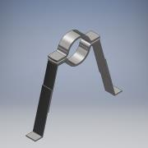 | Normal | 1 | 15 |  | DN100 Pipeholder for bottom mounting
19 | 0000-342-271 | 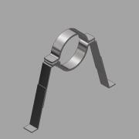 | Normal | 1 | 5 |  | DN150 Pipeholder for bottom mounting
20 | 0000-700-021 | 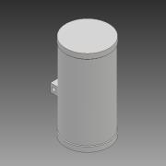 | Normal | 1 | 1 |  | Camera - MiniZoom
21 | 0000-700-021 | 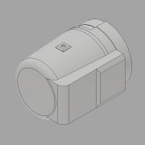 | Normal | 1 | 1 |  | Light - SGL FKEL | -
22 | 0000-701-001 | 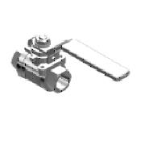 | Normal | 1 | 2 |  | Ball valve - DN15 ½" - manual - Valtor V-106
23 | 0000-701-001 | 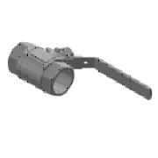 | Normal | 1 | 2 |  | Ball valve - DN40 - manual - Valtor V-106
24 | 0000-701-003 | 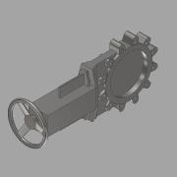 | Normal | 1 | 1 |  | Knife Gate valve - WB14-DN300 - Manual - Stafsjö
25 | 0000-701-051 | 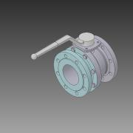 | Normal | 1 | 4 |  | Ball valve Manual - DN100 - Valtor - Pekos 02 TTT
26 | 0000-701-055 | 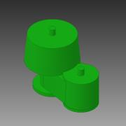 | Normal | 1 | 1 |  | P/V relief valve - DN150 - Typ V-511 | -
27 | 0000-702-003 | 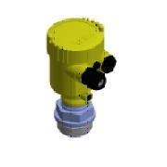 | Normal | 1 | 2 |  | Level Transmitter - 1½'' - VEGABAR 82
28 | 0000-702-003 | 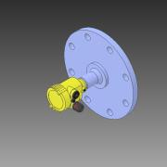 | Normal | 1 | 1 |  | Level Transmitter - DN150 PN16 - VEGAPULS 64 | -
29 | 0000-702-004 | 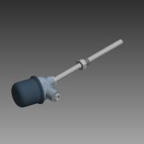 | Normal | 1 | 3 |  | Temperature Transmitter - 150 mm - WIKA - TR10-C
30 | 0000-702-006 | 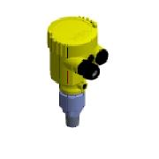 | Normal | 1 | 1 |  | VEGABAR 82 - ½"
31 | 0000-703-022 | 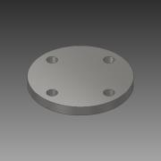 | Normal | 1 | 3 |  | Flange - DN50_PN10 - DIN 2527 - 1.4571 | -
35 | 0000-703-022 | 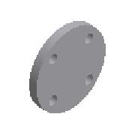 | Purchased | 1 | 4 |  | Flange - DN100_PN10 - DIN 2527
36 | 0000-703-022 |  | Purchased | 1 | 1 |  | Flange - DN300_PN10 - DIN 2527 - 1.4571
32 | 0000-703-062 | 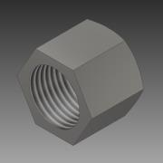 | Normal | 1 | 2 |  | Hexagon Cap - ½'' | -
33 | 2205-314-300 | 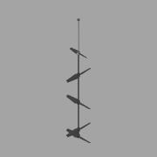 | Normal | 1 | 1 |  | Agitator L=17727
34 | 2205-615-903 | 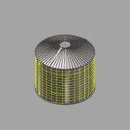 | Normal | 1 | 1 |  | Digester 10150m³ | -
34.5 | 2205-615-903-001 | 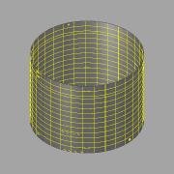 | Normal | 1 | 1 |  | Digester Tank | -
34.1 | 2205-615-903-002 | 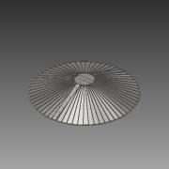 | Normal | 1 | 1 |  | Digester Roof | -
34.2 | 2205-615-903-003 | 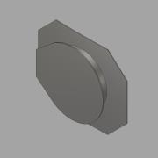 | Normal | 1 | 1 |  | Manhole | -
34.3 | 2205-615-903-004 |  | Normal | 1 | 1 |  | Insulation and Cladding | -
34.4 | 2205-615-903-006 | 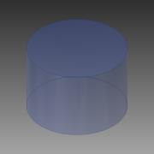 | Normal | 1 | 1 |  |  | -

