BOM (Raw)
Item | Part Number | REV | Stock Number | Thumbnail | BOM Structure | Description | Material | Title | QTY | Total QTY | D | t | L | Keywords | Type | Category
 | 4003-02.1-A01 | A |  |  | Inseparable | Arrangement Drawing |  |  | 1 |  | 1 | 1 | 1 |  | Area Arrangement Drawing | Area Drawings
1 | 4003-02.1-E01 | - |  | 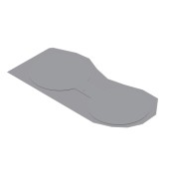 | Normal | Equipment Layout |  | Area 02 - Mixing Tank Area | 1 | 1 |  |  |  | Project | Area Equipment Drawing | Area Drawings
1.1 | 4003-613-A01 | D |  | 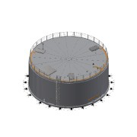 | Inseparable | Mixing Tank 1 |  | Mixing Area 02 | 1 | 1 |  |  |  | Equipment | Mixing tank | Tank Drawings
1.2 | 4003-613-A02 | - |  | 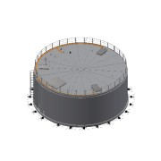 | Inseparable | Mixing Tank 2 |  | Mixing Area 02 | 1 | 1 |  |  |  | Equipment | Mixing tank | Tank Drawings
1.3 | 4003-613-F01 | - |  |  | Normal | Mixing Tank 1 Foundation | Concrete | Mixing Area 02 | 1 | 1 |  |  |  |  | Mixing tank | Tank Drawings
1.4 | 4003-613-F02 | - |  |  | Normal | Mixing Tank 2 Foundation | Concrete | Mixing Area 02 | 1 | 1 |  |  |  |  | Mixing tank | Tank Drawings
1.5 | 4003-02.1-B01 | - |  |  | Normal | Common Pump House | - | Mixing Area 02 | 1 | 1 |  |  |  | Building/Foundation | Area Building Drawing | Area Drawings
1.6 | 4003-02.1-F01 | - |  |  | Normal | Pump House Foundation | Concrete | Mixing Area 02 | 1 | 1 |  |  |  | Building/Foundation | Area Foundation Drawing | Area Drawings
2 | 4003-02.1-BM003-01 | - |  | 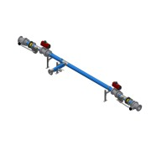 | Normal | Distribution Piping from Mixer tanks to Pump |  | Area | 1 | 1 |  |  |  | Project Piping | Biomass Piping | Piping
2.1 | 4003-02.1-BM003-01-01 | - | RO-139-026 |  | Normal | Pipe - DN-Ø139.7x2.6 L=6448 - EN10217-7 | SS 1.4301 - AISI 304 |  | 1 | 1 | 139,7 | 2,6 | 3734 | Project Piping | Biomass Piping | Piping
2.3 | 0000-703-040 |  | TR-139-026 | (NULL) | Purchased | Tee Equal - DN125 - Ø139,7x2,6 - EN10253-4 | SS 1.4571 - AISI 316Ti |  | 3 | 3 |  |  |  | Standard Fittings | Fittings | Suppliers Parts
2.4 | 0000-703-020 |  |  | 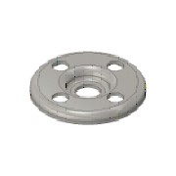 | Purchased | Pressed Flange - DN125-PN10/16 - EN 1092-1 Typ 02 | SS 1.4301 - AISI 304 |  | 12 | 12 |  |  |  | Standard Fittings | Fittings | Suppliers Parts
2.5 | 0000-703-010 |  | BÖ-139-020 | 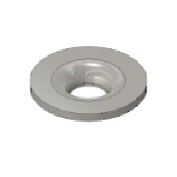 | Purchased | Collar - DN125/PN10-EN1092-1 Typ37 | SS 1.4571 - AISI 316Ti |  | 12 | 12 |  |  |  | Standard Fittings | Fittings | Suppliers Parts
2.6 | 0000-703-022 |  | BF-125-000 | (NULL) | Purchased | Blind Flange - DN125 - PN10/16 - EN 1092-1 Typ 05 | SS 1.4571 - AISI 316Ti |  | 2 | 2 |  |  |  | Standard Fittings | Fittings | Suppliers Parts
2.8 | 0000-703-020 |  |  |  | Purchased | Pressed Flange - DN100-PN10/16 - EN 1092-1 Typ 02 | SS 1.4301 - AISI 304 |  | 1 | 1 |  |  |  | Standard Fittings | Fittings | Suppliers Parts
2.9 | 0000-703-010 |  | BÖ-114-020 |  | Purchased | Collar - DN100/PN10-EN1092-1 Typ37 | SS 1.4571 - AISI 316Ti |  | 1 | 1 |  |  |  | Standard Fittings | Fittings | Suppliers Parts
2.10 | 0000-703-050 |  | RK-139-114 | 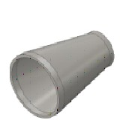 | Purchased | Reducer - DN125/DN100x127 - EN 10253-4 | SS 1.4571 - AISI 316Ti |  | 1 | 1 |  |  |  | Standard Fittings | Fittings | Suppliers Parts
2.12 | 0000-703-060 |  | AN-200-100 | 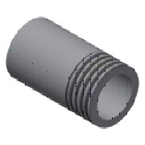 | Purchased | Welding Nipple - 2'' DN50xL100 - EN10241 | SS 1.4571 - AISI 316Ti |  | 1 | 1 |  |  |  | Standard Fittings | Fittings | Suppliers Parts
2.13 | 0000-750-016 |  |  | 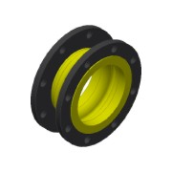 | Purchased | Compensator - DN125-PN10 - Type 50 NBR | - |  | 2 | 2 |  |  |  | Mechanical Components | Mechanical Components | Suppliers Parts
2.14 | 0000-754-010 |  |  | 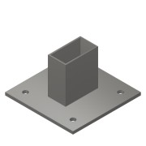 | Purchased | Cantilever Arm - MT-BR-40 OC - 450mm | Steel, Galv. |  | 3 | 3 |  |  |  | Modular support systems - Hilti | Hilti | Suppliers Parts
2.15 | 0000-754-010 |  |  |  | Purchased | Cantilever Arm - MT-BR-40 OC - 300mm | Steel, Galv. |  | 3 | 3 |  |  |  | Modular support systems - Hilti | Hilti | Suppliers Parts
2.16 | 0000-754-030 |  |  | 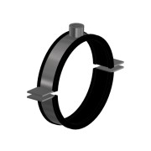 | Purchased | Pipe clamp Heavy-Duty - Ø137-142 - MP-MRI (Sound Insulated) | Steel, Galv. |  | 3 | 3 |  |  |  | Mechanical Components | Hilti | Suppliers Parts
3 | 4003-02.1-BM002-01 | - |  | 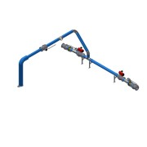 | Normal | Distribution Piping to Mixer tanks |  | Area | 1 | 1 |  |  |  | Project Piping | Biomass Piping | Piping
3.1 | 4003-02.1-BM002-01-01 | - | RO-168-026 | 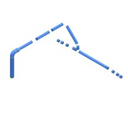 | Normal | Pipe - DN-Ø168,3x2,6 L=9169 - EN10217-7 | SS 1.4301 - AISI 304 |  | 1 | 1 | 168,3 | 2,6 | 9169 | Project Piping | Biomass Piping | Piping
3.2 | 0000-703-010 |  | BÖ-168-020 |  | Purchased | Collar - DN150/PN10-EN1092-1 Typ37 | SS 1.4571 - AISI 316Ti |  | 15 | 15 |  |  |  | Standard Fittings | Fittings | Suppliers Parts
3.3 | 0000-703-020 |  |  |  | Purchased | Pressed Flange - DN150-PN10/16 - EN 1092-1 Typ 02 | SS 1.4301 - AISI 304 |  | 15 | 15 |  |  |  | Standard Fittings | Fittings | Suppliers Parts
3.6 | 0000-703-022 |  | BF-150-000 | (NULL) | Purchased | Blind Flange - DN150 - PN10/16 - EN 1092-1 Typ 05 | SS 1.4571 - AISI 316Ti |  | 2 | 2 |  |  |  | Standard Fittings | Fittings | Suppliers Parts
3.7 | 0000-703-040 |  | TR-168-030 | (NULL) | Purchased | Tee Equal - DN150 - Ø168,3x2,6 - EN10253-4 | SS 1.4301 - AISI 304 |  | 4 | 4 |  |  |  | Standard Fittings | Fittings | Suppliers Parts
3.8 | 0000-703-030 |  | BO-168-026 | 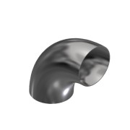 | Purchased | Elbow 90° - DN150 Ø168,3x2,6 - Type3-R229 - DIN2605 | SS 1.4301 - AISI 304 |  | 2 | 2 |  |  |  | Standard Fittings | Fittings | Suppliers Parts
3.10 | 0000-703-060 |  | AN-200-100 |  | Purchased | Welding Nipple - 2'' DN50xL100 - EN10241 | SS 1.4571 - AISI 316Ti |  | 1 | 1 |  |  |  | Standard Fittings | Fittings | Suppliers Parts
3.11 | 0000-750-016 |  |  | 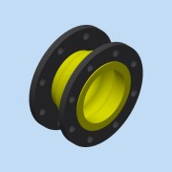 | Purchased | Compensator - DN150-PN10 - Type 50 NBR | - |  | 2 | 2 |  |  |  | Mechanical Components | Mechanical Components | Suppliers Parts
3.12 | 0000-754-010 |  |  |  | Purchased | Cantilever Arm - MT-BR-40 OC - 300mm | Steel, Galv. |  | 3 | 3 |  |  |  | Modular support systems - Hilti | Hilti | Suppliers Parts
3.13 | 0000-754-030 |  |  | 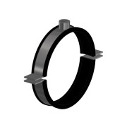 | Purchased | Pipe clamp Heavy-Duty - Ø162-168 - MP-MRI (Sound Insulated) | Steel, Galv. |  | 3 | 3 |  |  |  | Mechanical Components | Hilti | Suppliers Parts
3.14 | 0000-754-010 |  |  |  | Purchased | Cantilever Arm - MT-BR-40 OC - 450mm | Steel, Galv. |  | 3 | 3 |  |  |  | Modular support systems - Hilti | Hilti | Suppliers Parts
3.16 | 0000-703-030 |  | 45-168-026 | 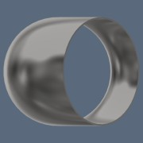 | Purchased | Elbow 45° - DN150 Ø168,3x2,6 - Type3-R229 - DIN2605 | SS 1.4301 - AISI 304 |  | 1 | 1 |  |  |  | Standard Fittings | Fittings | Suppliers Parts
4 | 4003-02.1-BM003-02 | - |  | 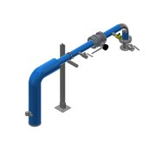 | Normal | Piping from Pump to ground |  | Area | 1 | 1 |  |  |  | Project Piping | Biomass Piping | Piping
4.1 | 4003-02.1-BM003-02-01 | - | RO-114-026 | 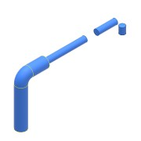 | Normal | Pipe - DN-Ø114,3x2,6 L=2518 - EN10217-7 | SS 1.4301 - AISI 304 |  | 1 | 1 | 114,3 | 2,6 | 2518 | Project Piping | Biomass Piping | Piping
4.2 | 0000-703-020 |  |  |  | Purchased | Pressed Flange - DN100-PN10/16 - EN 1092-1 Typ 02 | SS 1.4301 - AISI 304 |  | 4 | 4 |  |  |  | Standard Fittings | Fittings | Suppliers Parts
4.3 | 0000-703-010 |  | BÖ-114-026 |  | Purchased | Collar - DN100/PN10-EN1092-1 Typ37 | SS 1.4301 - AISI 304 |  | 4 | 4 |  |  |  | Standard Fittings | Fittings | Suppliers Parts
4.4 | 0000-703-030 |  | BO-114-026 | 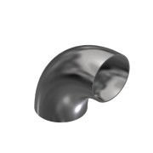 | Purchased | Elbow 90° - DN100 Ø114,3x2,6 - Type3-R152 - DIN2605 | SS 1.4301 - AISI 304 |  | 2 | 2 |  |  |  | Standard Fittings | Fittings | Suppliers Parts
4.7 | 0000-703-065 |  |  | 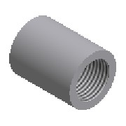 | Purchased | Socket - 1½'' - DIN EN 10241 | SS 1.4571 - AISI 316Ti |  | 1 | 1 |  |  |  | Standard Fittings | Fittings | Suppliers Parts
4.9 | 0000-703-060 |  | AN-200-100 |  | Purchased | Welding Nipple - 2'' DN50xL100 - EN10241 | SS 1.4571 - AISI 316Ti |  | 1 | 1 |  |  |  | Standard Fittings | Fittings | Suppliers Parts
4.10 | 0000-321-015 | - |  | 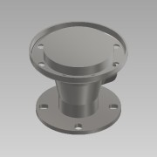 | Normal | SC-MPTK-80 - DN100_PN10 - BM | SS 1.4301 - AISI 304 |  | 1 | 1 |  |  |  | Basic Component | Straight Connection | Basic Components
4.11 | 0000-754-002 |  |  |  | Purchased | Double Strut channel MT-40 S OC | Steel, Galv. |  | 1 | 1 |  |  |  | Modular support systems - Hilti | Hilti | Suppliers Parts
4.12 | 0000-754-010 |  |  |  | Purchased | Cantilever Arm - MT-BR-40 OC - 300mm | Steel, Galv. |  | 1 | 1 |  |  |  | Modular support systems - Hilti | Hilti | Suppliers Parts
4.13 | 0000-754-012 |  |  |  | Purchased | Base Plate - MT-B-O4 OC | Steel, Galv. |  | 1 | 1 |  |  |  | Modular support systems - Hilti | Hilti | Suppliers Parts
4.14 | 0000-754-030 |  |  | 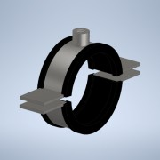 | Purchased | Pipe clamp Heavy-Duty - Ø108-114 - MP-MRI (Sound Insulated) | Steel, Galv. |  | 1 | 1 |  |  |  | Mechanical Components | Hilti | Suppliers Parts
4.16 | 0000-703-060 |  | AN-112-100 |  | Purchased | Welding Nipple - 1 ½'' DN40xL100 - EN10241 | SS 1.4571 - AISI 316Ti |  | 1 | 1 |  |  |  | Standard Fittings | Fittings | Suppliers Parts
5 | 4003-02.1-BM017-02 | - |  | 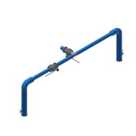 | Normal | Bypass Line |  | Area | 1 | 1 |  |  |  | Project Piping | Biomass Piping | Piping
5.1 | 0000-703-001 | - | RO-168-026 | 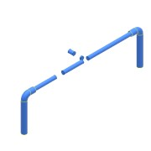 | Normal | Pipe - DN-Ø168,3x2,6 L=9872 - EN10217-7 | SS 1.4301 - AISI 304 |  | 1 | 1 | 168,3 | 2,6 | 8019 | Project Piping | Fittings | Suppliers Parts
5.2 | 0000-703-020 |  |  |  | Purchased | Pressed Flange - DN150-PN10/16 - EN 1092-1 Typ 02 | SS 1.4301 - AISI 304 |  | 6 | 6 |  |  |  | Standard Fittings | Fittings | Suppliers Parts
5.3 | 0000-703-010 |  | BÖ-168-020 |  | Purchased | Collar - DN150/PN10-EN1092-1 Typ37 | SS 1.4571 - AISI 316Ti |  | 6 | 6 |  |  |  | Standard Fittings | Fittings | Suppliers Parts
5.5 | 0000-703-040 |  | TR-168-030 | (NULL) | Purchased | Tee Equal - DN150 - Ø168,3x2,6 - EN10253-4 | SS 1.4301 - AISI 304 |  | 1 | 1 |  |  |  | Standard Fittings | Fittings | Suppliers Parts
5.6 | 0000-703-030 |  | BO-168-026 |  | Purchased | Elbow 90° - DN150 Ø168,3x2,6 - Type3-R229 - DIN2605 | SS 1.4301 - AISI 304 |  | 2 | 2 |  |  |  | Standard Fittings | Fittings | Suppliers Parts
5.8 | 0000-703-060 |  | AN-200-100 |  | Purchased | Welding Nipple - 2'' DN50xL100 - EN10241 | SS 1.4571 - AISI 316Ti |  | 2 | 2 |  |  |  | Standard Fittings | Fittings | Suppliers Parts
6 | 4003-03-PS28 | - |  | 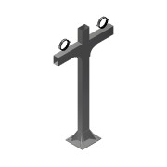 | Normal |  |  | Area | 2 | 2 |  |  |  | Project Specific Parts | Project Specific Parts | Area Drawings
6.1 | 0000-754-002 |  | 2268490 | 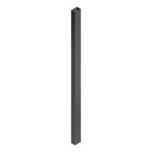 | Purchased | Heavy Duty Strut channel MT-100-S OC - 3000mm | Steel, Galv. |  | 3 | 6 |  |  |  | Modular support systems - Hilti | Hilti | Suppliers Parts
6.2 | 0000-754-010 |  |  | 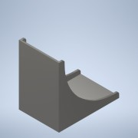 | Normal | Angle Bracket MT-C-GL A OC | Steel, Galv. | Area | 2 | 4 |  |  |  | Modular support systems - Hilti | Hilti | Suppliers Parts
6.3 | 0000-754-012 |  | 2272104 | 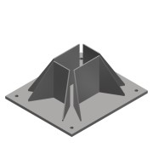 | Purchased | Heavy Duty Baseplate - MT-B-GXL 04 OC | Steel, Galv. |  | 1 | 2 |  |  |  | Modular support systems - Hilti | Hilti | Suppliers Parts
6.4 | 0000-754-030 |  |  |  | Purchased | Pipe clamp Heavy-Duty - Ø162-168 - MP-MRI (Sound Insulated) | Steel, Galv. |  | 2 | 4 |  |  |  | Mechanical Components | Hilti | Suppliers Parts
6.5 | 0000-301-153 | S |  |  | Normal | Slet under parter til 300 nummer |  |  | 1 | 2 |  |  |  |  | Tank Connection | Basic Components
6.6 | 4003-03-A01 | - |  |  | Inseparable | Slet underparter til Inseparable |  |  | 1 | 2 |  |  |  |  | Area Arrangement Drawing | Area Drawings
6.8 | søældkfgj |  |  |  | Normal | tekst |  |  | 1 | 2 |  |  |  |  | Unknown | Unknown
7 | 4003-08-A01 |  |  |  |  |  |  |  | 2 | 2 |  |  |  |  | Area Arrangement Drawing | Area Drawings
7.1 | 4003-08-A01-01 |  |  |  |  |  |  |  | 1 | 2 |  |  |  |  | Area Arrangement Drawing | Area Drawings

