Color by Reaction Type
+0.066 (1 occurence)
-0.893 (751 occurences)
+0.168 (1 occurence)
-0.5 (35 occurences)
+0.247 (309 occurences)
+0.067 (67 occurences)
-0.258 (363 occurences)
+0.312 (1 occurence)
-1.142 (208 occurences)
+0.061 (22 occurences)
-0.26 (1001 occurences)
+0.224 (78 occurences)
-1.79 (409 occurences)
+0.373 (447 occurences)
-0.356 (40 occurences)
+0.189 (6 occurences)
-0.162 (79 occurences)
+0.13 (659 occurences)
-0.293 (98 occurences)
+0.163 (66 occurences)
-0.516 (646 occurences)
+0.236 (2162 occurences)
-0.185 (30 occurences)
Structure | SMILES | Hydrolase | Isomerase | Ligase | Lyase | Oxidoreductase | Transferase | Translocase
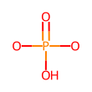 | O=P(O)(O)O |  |  |  |  |  |  | /
 | CO |  |  |  |  |  |  | /
+0.204 (29 occurences)
-0.865 (269 occurences)
+0.495 (99 occurences)
+0.284 (85 occurences)
-0.241 (30 occurences)
+0.067 (39 occurences)
-0.645 (90 occurences)
+0.084 (2 occurences)
-0.723 (336 occurences)
+0.413 (603 occurences)
-0.193 (702 occurences)
 | cN |  |  |  |  |  |  | /
+0.36 (69 occurences)
-1.016 (214 occurences)
+0.208 (2 occurences)
-0.56 (57 occurences)
+0.136 (51 occurences)
-0.232 (87 occurences)
-0.617 (216 occurences)
+0.226 (12 occurences)
-0.144 (134 occurences)
 | CC(=O)O |  |  | / |  |  |  | /
-0.428 (212 occurences)
-0.224 (1 occurence)
-0.564 (14 occurences)
+0.108 (2 occurences)
 | ncn |  | / | / |  |  |  | /
+0.202 (219 occurences)
-0.615 (94 occurences)
-0.724 (251 occurences)
-0.175 (4 occurences)
+0.034 (1 occurence)
-0.138 (187 occurences)
+0.095 (2 occurences)
-0.204 (394 occurences)
+0.104 (1 occurence)
-0.185 (60 occurences)
-0.339 (1 occurence)
 | CC(C)O
+0.151 (10 occurences)
-0.269 (48 occurences)
-0.84 (95 occurences)
-0.203 (7 occurences)
+0.255 (1 occurence)
-0.358 (129 occurences)
+0.081 (1 occurence)
-0.214 (630 occurences)
 | CC(O)O |  |  | / |  |  |  | /
-0.713 (46 occurences)
+0.487 (2 occurences)
-0.333 (72 occurences)
-0.098 (14 occurences)
+0.095 (15 occurences)
-0.197 (17 occurences)
+0.138 (57 occurences)
-0.111 (1 occurence)
+0.132 (2 occurences)
-0.214 (110 occurences)
 | C=C(C)C |  |  |  |  |  |  | /
+0.052 (17 occurences)
-0.548 (14 occurences)
+0.157 (3 occurences)
-0.485 (65 occurences)
+0.01 (1 occurence)
-0.158 (102 occurences)
+0.064 (15 occurences)
-0.219 (42 occurences)
+0.213 (22 occurences)
-0.095 (18 occurences)
 | CCC |  |  | / |  |  |  | /
-1.098 (45 occurences)
+0.111 (2 occurences)
-0.741 (60 occurences)
-0.196 (3 occurences)
+0.111 (6 occurences)
-0.251 (16 occurences)
+0.191 (15 occurences)
-0.541 (16 occurences)
+0.343 (2 occurences)
-0.201 (39 occurences)
+0.575 (1 occurence)
 | CC(C)=O
+0.093 (13 occurences)
-2.088 (2 occurences)
-0.167 (273 occurences)
+0.063 (11 occurences)
-0.153 (3 occurences)
-0.186 (742 occurences)
+0.17 (745 occurences)
-0.089 (3 occurences)
 | OP |  | / |  |  |  |  | /
+0.185 (3 occurences)
-0.338 (38 occurences)
-1.412 (2 occurences)
-0.21 (101 occurences)
+0.261 (14 occurences)
-2.241 (2 occurences)
+0.212 (120 occurences)
-0.276 (37 occurences)
 | CS |  |  |  |  |  |  | /
+0.441 (2 occurences)
-0.558 (64 occurences)
-0.74 (21 occurences)
+0.287 (5 occurences)
-0.242 (92 occurences)
-0.47 (3 occurences)
+0.176 (3 occurences)
-0.294 (49 occurences)
+0.219 (60 occurences)
-0.192 (407 occurences)
 | CSC |  |  |  |  |  |  | /
+0.437 (45 occurences)
-0.792 (146 occurences)
+0.531 (1 occurence)
-0.392 (8 occurences)
+0.2 (3 occurences)
-0.309 (39 occurences)
-0.797 (23 occurences)
+0.17 (3 occurences)
-0.696 (49 occurences)
+0.424 (80 occurences)
-0.308 (258 occurences)
 | *C |  |  |  |  |  |  | /
-0.464 (9 occurences)
+0.141 (12 occurences)
-0.346 (3 occurences)
+0.089 (117 occurences)
-0.162 (138 occurences)
-0.327 (2 occurences)
-0.191 (94 occurences)
 | POP |  |  | / |  |  |  | /
+0.344 (985 occurences)
-0.257 (47 occurences)
+0.415 (31 occurences)
-0.505 (43 occurences)
+0.232 (71 occurences)
+0.042 (1 occurence)
-0.289 (89 occurences)
+0.167 (19 occurences)
-0.261 (1949 occurences)
+0.208 (698 occurences)
-0.216 (466 occurences)
-0.345 (2 occurences)
 | COC
-0.256 (8 occurences)
-0.426 (1 occurence)
+0.185 (11 occurences)
+0.045 (1 occurence)
-0.272 (5 occurences)
-0.208 (978 occurences)
-0.189 (1223 occurences)
 | C[C@H](n)O |  |  |  |  |  |  | /
+0.992 (1271 occurences)
+0.324 (2 occurences)
-0.502 (24 occurences)
+0.555 (205 occurences)
+0.637 (126 occurences)
-0.821 (604 occurences)
+0.406 (40 occurences)
-4.853 (71 occurences)
+0.676 (1 occurence)
 | [H]O[H] |  | /
+0.194 (153 occurences)
-1.085 (39 occurences)
+0.211 (29 occurences)
-0.301 (7 occurences)
-0.353 (10 occurences)
+0.075 (80 occurences)
-0.309 (63 occurences)
+0.153 (31 occurences)
-0.57 (35 occurences)
+0.111 (1500 occurences)
-0.166 (57 occurences)
-2.922 (2 occurences)
 | C=O
-1.788 (19 occurences)
-0.648 (3 occurences)
+0.106 (90 occurences)
-0.618 (217 occurences)
-0.239 (75 occurences)
-7.799 (1 occurence)
 | O=C=O |  | /
+0.331 (206 occurences)
-0.393 (33 occurences)
+0.352 (2 occurences)
+0.203 (73 occurences)
-0.154 (6 occurences)
-0.462 (16 occurences)
+0.165 (2 occurences)
-0.478 (90 occurences)
+0.187 (40 occurences)
-0.133 (3 occurences)
 | CNC |  |  |  |  |  |  | /
+0.118 (9 occurences)
-0.945 (105 occurences)
+0.142 (166 occurences)
 | CC |  |  |  |  |  |  | /
 | C=CC |  |  |  |  |  |  | /
 | cn(c)C |  |  |  | / |  |  | /
 | CC(C)(C)C |  |  |  |  |  |  | /
 | COP |  |  | / |  |  |  | /
 | O=O | / | / | / | / |  | / | /
 | CN(C)C |  |  |  |  |  |  | /
 | [H+] |  | / |  |  |  |  | /
 | C=CN | / | / | / | / |  |  | /
 | OO |  |  | / | / |  | / | /
 | [Na+] | / | / | / | / | / | /
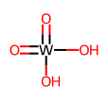 | O=[W](=O)(O)O | / | / | / | / | / | /

Color by Structure
+0.066 (1 occurence)
-0.893 (751 occurences)
+0.168 (1 occurence)
-0.5 (35 occurences)
+0.247 (309 occurences)
+0.067 (67 occurences)
-0.258 (363 occurences)
+0.312 (1 occurence)
-1.142 (208 occurences)
+0.061 (22 occurences)
-0.26 (1001 occurences)
+0.224 (78 occurences)
-1.79 (409 occurences)
+0.373 (447 occurences)
-0.356 (40 occurences)
+0.189 (6 occurences)
-0.162 (79 occurences)
+0.13 (659 occurences)
-0.293 (98 occurences)
+0.163 (66 occurences)
-0.516 (646 occurences)
+0.236 (2162 occurences)
-0.185 (30 occurences)
Structure | SMILES | Hydrolase | Isomerase | Ligase | Lyase | Oxidoreductase | Transferase | Translocase
 | O=P(O)(O)O |  |  |  |  |  |  | /
 | CO |  |  |  |  |  |  | /
+0.204 (29 occurences)
-0.865 (269 occurences)
+0.495 (99 occurences)
+0.284 (85 occurences)
-0.241 (30 occurences)
+0.067 (39 occurences)
-0.645 (90 occurences)
+0.084 (2 occurences)
-0.723 (336 occurences)
+0.413 (603 occurences)
-0.193 (702 occurences)
 | cN |  |  |  |  |  |  | /
+0.36 (69 occurences)
-1.016 (214 occurences)
+0.208 (2 occurences)
-0.56 (57 occurences)
+0.136 (51 occurences)
-0.232 (87 occurences)
-0.617 (216 occurences)
+0.226 (12 occurences)
-0.144 (134 occurences)
 | CC(=O)O |  |  | / |  |  |  | /
-0.428 (212 occurences)
-0.224 (1 occurence)
-0.564 (14 occurences)
+0.108 (2 occurences)
 | ncn |  | / | / |  |  |  | /
+0.202 (219 occurences)
-0.615 (94 occurences)
-0.724 (251 occurences)
-0.175 (4 occurences)
+0.034 (1 occurence)
-0.138 (187 occurences)
+0.095 (2 occurences)
-0.204 (394 occurences)
+0.104 (1 occurence)
-0.185 (60 occurences)
-0.339 (1 occurence)
 | CC(C)O
+0.151 (10 occurences)
-0.269 (48 occurences)
-0.84 (95 occurences)
-0.203 (7 occurences)
+0.255 (1 occurence)
-0.358 (129 occurences)
+0.081 (1 occurence)
-0.214 (630 occurences)
 | CC(O)O |  |  | / |  |  |  | /
-0.713 (46 occurences)
+0.487 (2 occurences)
-0.333 (72 occurences)
-0.098 (14 occurences)
+0.095 (15 occurences)
-0.197 (17 occurences)
+0.138 (57 occurences)
-0.111 (1 occurence)
+0.132 (2 occurences)
-0.214 (110 occurences)
 | C=C(C)C |  |  |  |  |  |  | /
+0.052 (17 occurences)
-0.548 (14 occurences)
+0.157 (3 occurences)
-0.485 (65 occurences)
+0.01 (1 occurence)
-0.158 (102 occurences)
+0.064 (15 occurences)
-0.219 (42 occurences)
+0.213 (22 occurences)
-0.095 (18 occurences)
 | CCC |  |  | / |  |  |  | /
-1.098 (45 occurences)
+0.111 (2 occurences)
-0.741 (60 occurences)
-0.196 (3 occurences)
+0.111 (6 occurences)
-0.251 (16 occurences)
+0.191 (15 occurences)
-0.541 (16 occurences)
+0.343 (2 occurences)
-0.201 (39 occurences)
+0.575 (1 occurence)
 | CC(C)=O
+0.093 (13 occurences)
-2.088 (2 occurences)
-0.167 (273 occurences)
+0.063 (11 occurences)
-0.153 (3 occurences)
-0.186 (742 occurences)
+0.17 (745 occurences)
-0.089 (3 occurences)
 | OP |  | / |  |  |  |  | /
+0.185 (3 occurences)
-0.338 (38 occurences)
-1.412 (2 occurences)
-0.21 (101 occurences)
+0.261 (14 occurences)
-2.241 (2 occurences)
+0.212 (120 occurences)
-0.276 (37 occurences)
 | CS |  |  |  |  |  |  | /
+0.441 (2 occurences)
-0.558 (64 occurences)
-0.74 (21 occurences)
+0.287 (5 occurences)
-0.242 (92 occurences)
-0.47 (3 occurences)
+0.176 (3 occurences)
-0.294 (49 occurences)
+0.219 (60 occurences)
-0.192 (407 occurences)
 | CSC |  |  |  |  |  |  | /
+0.437 (45 occurences)
-0.792 (146 occurences)
+0.531 (1 occurence)
-0.392 (8 occurences)
+0.2 (3 occurences)
-0.309 (39 occurences)
-0.797 (23 occurences)
+0.17 (3 occurences)
-0.696 (49 occurences)
+0.424 (80 occurences)
-0.308 (258 occurences)
 | *C |  |  |  |  |  |  | /
-0.464 (9 occurences)
+0.141 (12 occurences)
-0.346 (3 occurences)
+0.089 (117 occurences)
-0.162 (138 occurences)
-0.327 (2 occurences)
-0.191 (94 occurences)
 | POP |  |  | / |  |  |  | /
+0.344 (985 occurences)
-0.257 (47 occurences)
+0.415 (31 occurences)
-0.505 (43 occurences)
+0.232 (71 occurences)
+0.042 (1 occurence)
-0.289 (89 occurences)
+0.167 (19 occurences)
-0.261 (1949 occurences)
+0.208 (698 occurences)
-0.216 (466 occurences)
-0.345 (2 occurences)
 | COC
-0.256 (8 occurences)
-0.426 (1 occurence)
+0.185 (11 occurences)
+0.045 (1 occurence)
-0.272 (5 occurences)
-0.208 (978 occurences)
-0.189 (1223 occurences)
 | C[C@H](n)O |  |  |  |  |  |  | /
+0.992 (1271 occurences)
+0.324 (2 occurences)
-0.502 (24 occurences)
+0.555 (205 occurences)
+0.637 (126 occurences)
-0.821 (604 occurences)
+0.406 (40 occurences)
-4.853 (71 occurences)
+0.676 (1 occurence)
 | [H]O[H] |  | /
+0.194 (153 occurences)
-1.085 (39 occurences)
+0.211 (29 occurences)
-0.301 (7 occurences)
-0.353 (10 occurences)
+0.075 (80 occurences)
-0.309 (63 occurences)
+0.153 (31 occurences)
-0.57 (35 occurences)
+0.111 (1500 occurences)
-0.166 (57 occurences)
-2.922 (2 occurences)
 | C=O
-1.788 (19 occurences)
-0.648 (3 occurences)
+0.106 (90 occurences)
-0.618 (217 occurences)
-0.239 (75 occurences)
-7.799 (1 occurence)
 | O=C=O |  | /
+0.331 (206 occurences)
-0.393 (33 occurences)
+0.352 (2 occurences)
+0.203 (73 occurences)
-0.154 (6 occurences)
-0.462 (16 occurences)
+0.165 (2 occurences)
-0.478 (90 occurences)
+0.187 (40 occurences)
-0.133 (3 occurences)
 | CNC |  |  |  |  |  |  | /
+0.118 (9 occurences)
-0.945 (105 occurences)
+0.142 (166 occurences)
 | CC |  |  |  |  |  |  | /
 | C=CC |  |  |  |  |  |  | /
 | cn(c)C |  |  |  | / |  |  | /
 | CC(C)(C)C |  |  |  |  |  |  | /
 | COP |  |  | / |  |  |  | /
 | O=O | / | / | / | / |  | / | /
 | CN(C)C |  |  |  |  |  |  | /
 | [H+] |  | / |  |  |  |  | /
 | C=CN | / | / | / | / |  |  | /
 | OO |  |  | / | / |  | / | /
 | [Na+] | / | / | / | / | / | /
 | O=[W](=O)(O)O | / | / | / | / | / | /

Weighted Color by Structure
-0.273 - 752 occs (27.3%)
-0.0 - 36 occs (1.3%)
0.112 - 309 occs (11.2%)
-0.021 - 430 occs (15.6%)
-0.027 - 209 occs (7.6%)
-0.143 - 1023 occs (37.1%)
-0.103 - 487 occs (10.3%)
0.031 - 487 occs (10.3%)
-0.0 - 85 occs (1.8%)
0.018 - 757 occs (16.0%)
-0.068 - 712 occs (15.1%)
0.464 - 2192 occs (46.4%)
Structure | SMILES | Hydrolase | Isomerase | Ligase | Lyase | Oxidoreductase | Transferase | Translocase
 | O=P(O)(O)O |  |  |  |  |  |  | /
 | CO |  |  |  |  |  |  | /
-0.122 - 298 occs (13.0%)
0.019 - 99 occs (4.3%)
0.008 - 115 occs (5.0%)
-0.013 - 129 occs (5.6%)
-0.148 - 338 occs (14.8%)
0.571 - 1305 occs (57.1%)
 | cN |  |  |  |  |  |  | /
-0.336 - 283 occs (33.6%)
-0.011 - 59 occs (7.0%)
-0.011 - 138 occs (16.4%)
-0.177 - 216 occs (25.7%)
-0.015 - 146 occs (17.3%)
 | CC(=O)O |  |  | / |  |  |  | /
-0.926 - 212 occs (92.6%)
-0.0 - 1 occ (0.4%)
-0.005 - 14 occs (6.1%)
0.009 - 2 occs (0.9%)
 | ncn |  | / | / |  |  |  | /
-0.019 - 313 occs (25.8%)
-0.207 - 251 occs (20.7%)
-0.0 - 4 occs (0.3%)
-0.022 - 188 occs (15.5%)
-0.144 - 396 occs (32.6%)
-0.003 - 61 occs (5.0%)
-0.0 - 1 occ (0.1%)
 | CC(C)O
-0.005 - 58 occs (6.3%)
-0.061 - 95 occs (10.3%)
-0.0 - 7 occs (0.8%)
-0.048 - 130 occs (14.1%)
-0.685 - 631 occs (68.5%)
 | CC(O)O |  |  | / |  |  |  | /
-0.137 - 46 occs (13.7%)
-0.154 - 74 occs (22.0%)
-0.002 - 14 occs (4.2%)
-0.006 - 32 occs (9.5%)
0.173 - 58 occs (17.3%)
-0.237 - 112 occs (33.3%)
 | C=C(C)C |  |  |  |  |  |  | /
-0.023 - 31 occs (10.4%)
-0.227 - 68 occs (22.7%)
-0.179 - 103 occs (34.4%)
-0.051 - 57 occs (19.1%)
0.134 - 40 occs (13.4%)
 | CCC |  |  | / |  |  |  | /
-0.22 - 45 occs (22.0%)
-0.271 - 62 occs (30.2%)
-0.0 - 3 occs (1.5%)
-0.007 - 22 occs (10.7%)
-0.018 - 31 occs (15.1%)
-0.029 - 41 occs (20.0%)
0.005 - 1 occ (0.5%)
 | CC(C)=O
-0.0 - 15 occs (0.8%)
-0.05 - 273 occs (15.2%)
0.0 - 14 occs (0.8%)
-0.414 - 742 occs (41.4%)
0.417 - 748 occs (41.7%)
 | OP |  | / |  |  |  |  | /
-0.075 - 41 occs (12.9%)
-0.001 - 2 occs (0.6%)
-0.319 - 101 occs (31.9%)
0.011 - 14 occs (4.4%)
-0.001 - 2 occs (0.6%)
0.495 - 157 occs (49.5%)
 | CS |  |  |  |  |  |  | /
-0.05 - 66 occs (9.3%)
-0.007 - 21 occs (3.0%)
-0.044 - 97 occs (13.7%)
-0.0 - 3 occs (0.4%)
-0.016 - 52 occs (7.4%)
-0.661 - 467 occs (66.1%)
 | CSC |  |  |  |  |  |  | /
-0.292 - 191 occs (29.2%)
-0.0 - 9 occs (1.4%)
-0.008 - 42 occs (6.4%)
-0.007 - 23 occs (3.5%)
-0.028 - 52 occs (7.9%)
-0.245 - 338 occs (51.6%)
 | *C |  |  |  |  |  |  | /
-0.006 - 9 occs (2.4%)
0.04 - 15 occs (4.0%)
-0.453 - 255 occs (68.0%)
-0.0 - 2 occs (0.5%)
-0.251 - 94 occs (25.1%)
 | POP |  |  | / |  |  |  | /
0.234 - 1032 occs (23.4%)
-0.0 - 74 occs (1.7%)
0.001 - 71 occs (1.6%)
-0.001 - 90 occs (2.0%)
-0.447 - 1968 occs (44.7%)
0.036 - 1164 occs (26.4%)
-0.0 - 2 occs (0.0%)
 | COC
-0.0 - 8 occs (0.4%)
-0.0 - 1 occ (0.0%)
0.005 - 11 occs (0.5%)
-0.0 - 6 occs (0.3%)
-0.388 - 978 occs (43.9%)
-0.549 - 1223 occs (54.9%)
 | C[C@H](n)O |  |  |  |  |  |  | /
0.542 - 1271 occs (54.2%)
-0.0 - 26 occs (1.1%)
0.008 - 205 occs (8.7%)
-0.311 - 730 occs (31.1%)
-0.037 - 111 occs (4.7%)
0.0 - 1 occ (0.0%)
 | [H]O[H] |  | /
-0.08 - 192 occs (9.6%)
0.0 - 36 occs (1.8%)
-0.001 - 10 occs (0.5%)
-0.063 - 143 occs (7.1%)
-0.033 - 66 occs (3.3%)
0.776 - 1557 occs (77.6%)
-0.0 - 2 occs (0.1%)
 | C=O
-0.012 - 19 occs (4.7%)
-0.0 - 3 occs (0.7%)
0.222 - 90 occs (22.2%)
-0.536 - 217 occs (53.6%)
-0.025 - 75 occs (18.5%)
-0.0 - 1 occ (0.2%)
 | O=C=O |  | /
0.507 - 239 occs (50.7%)
0.0 - 2 occs (0.4%)
0.042 - 79 occs (16.8%)
-0.006 - 16 occs (3.4%)
-0.195 - 92 occs (19.5%)
0.012 - 43 occs (9.1%)
 | CNC |  |  |  |  |  |  | /
-0.105 - 114 occs (10.5%)
0.034 - 177 occs (16.2%)
-0.0 - 19 occs (1.7%)
-0.034 - 124 occs (11.4%)
-0.048 - 136 occs (12.5%)
0.477 - 520 occs (47.7%)
 | CC |  |  |  |  |  |  | /
-0.168 - 31 occs (16.8%)
0.522 - 96 occs (52.2%)
-0.0 - 1 occ (0.5%)
-0.009 - 20 occs (10.9%)
0.011 - 32 occs (17.4%)
0.0 - 4 occs (2.2%)
 | C=CC |  |  |  |  |  |  | /
-0.006 - 23 occs (3.8%)
0.0 - 1 occ (0.2%)
0.35 - 214 occs (35.0%)
0.0 - 4 occs (0.7%)
-0.605 - 370 occs (60.5%)
 | cn(c)C |  |  |  | / |  |  | /
-0.045 - 31 occs (8.9%)
-0.003 - 13 occs (3.7%)
-0.0 - 5 occs (1.4%)
0.575 - 200 occs (57.5%)
0.002 - 13 occs (3.7%)
-0.247 - 86 occs (24.7%)
 | CC(C)(C)C |  |  |  |  |  |  | /
-0.019 - 61 occs (15.9%)
0.016 - 6 occs (1.6%)
-0.057 - 137 occs (35.7%)
-0.045 - 36 occs (9.4%)
-0.375 - 144 occs (37.5%)
 | COP |  |  | / |  |  |  | /
1.0 - 2332 occs (100.0%)
 | O=O | / | / | / | / |  | / | /
0.0 - 30 occs (1.5%)
0.0 - 14 occs (0.7%)
-0.0 - 7 occs (0.3%)
-0.0 - 1 occ (0.0%)
0.92 - 1885 occs (92.0%)
-0.055 - 113 occs (5.5%)
 | CN(C)C |  |  |  |  |  |  | /
-0.001 - 7 occs (0.5%)
-0.0 - 6 occs (0.4%)
0.0 - 9 occs (0.6%)
0.944 - 1371 occs (94.4%)
-0.041 - 59 occs (4.1%)
 | [H+] |  | / |  |  |  |  | /
0.984 - 1260 occs (98.4%)
-0.016 - 21 occs (1.6%)
 | C=CN | / | / | / | / |  |  | /
-0.015 - 4 occs (1.5%)
0.0 - 4 occs (1.5%)
0.969 - 251 occs (96.9%)
 | OO |  |  | / | / |  | / | /
1.0 - 2 occs (100.0%)
 | [Na+] | / | / | / | / | / | /
1.0 - 2 occs (100.0%)
 | O=[W](=O)(O)O | / | / | / | / | / | /

Clustered Structures
0.92 - 1885 occs (92.0%)
-0.055 - 113 occs (5.5%)
0.0 - 30 occs (1.5%)
-0.0 - 1 occ (0.0%)
0.0 - 14 occs (0.7%)
-0.0 - 7 occs (0.3%)
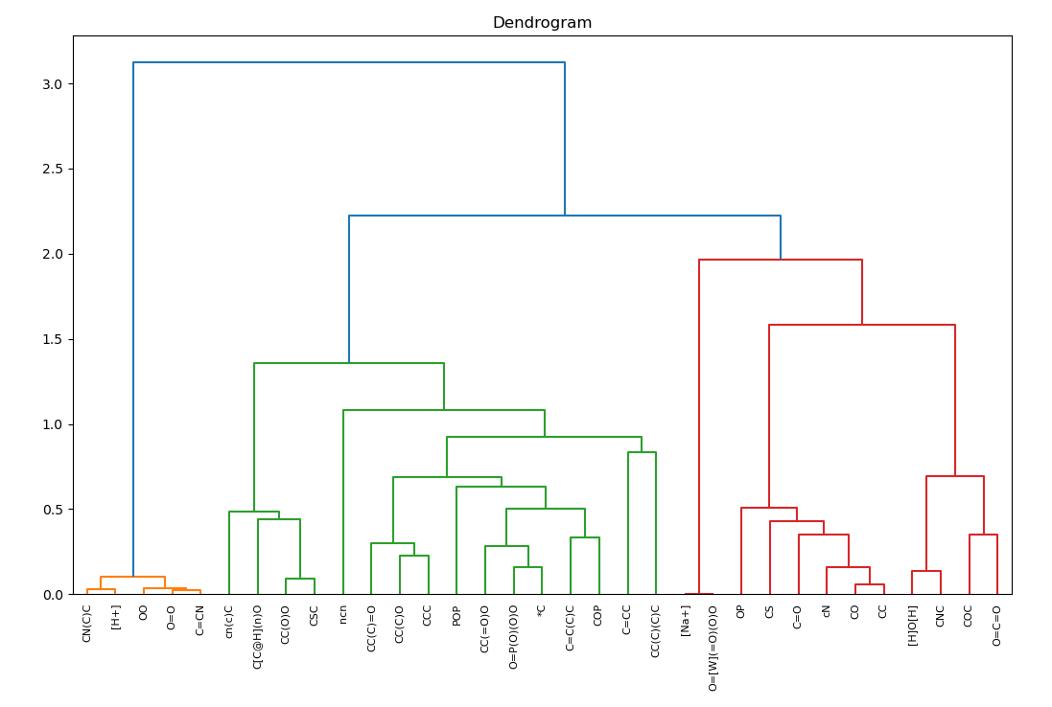
0.944 - 1371 occs (94.4%)
-0.041 - 59 occs (4.1%)
-0.001 - 7 occs (0.5%)
0.0 - 9 occs (0.6%)
-0.0 - 6 occs (0.4%)
Structure | SMILES | Oxidoreductase | Transferase | Translocase | Hydrolase | Lyase | Isomerase | Ligase
 | CN(C)C |  |  | /
 | [H+] |  |  | / |  |  | /
0.969 - 251 occs (96.9%)
-0.015 - 4 occs (1.5%)
0.0 - 4 occs (1.5%)
 | OO |  | / | / |  | / |  | /
1.0 - 2332 occs (100.0%)
 | O=O |  | / | / | / | / | / | /
0.984 - 1260 occs (98.4%)
-0.016 - 21 occs (1.6%)
 | C=CN |  |  | / | / | / | / | /
0.0 - 4 occs (0.7%)
-0.605 - 370 occs (60.5%)
-0.006 - 23 occs (3.8%)
0.0 - 1 occ (0.2%)
0.35 - 214 occs (35.0%)
 | cn(c)C |  |  | / |  | /
-0.388 - 978 occs (43.9%)
-0.549 - 1223 occs (54.9%)
-0.0 - 8 occs (0.4%)
-0.0 - 6 occs (0.3%)
-0.0 - 1 occ (0.0%)
0.005 - 11 occs (0.5%)
 | C[C@H](n)O |  |  | /
-0.048 - 130 occs (14.1%)
-0.685 - 631 occs (68.5%)
-0.005 - 58 occs (6.3%)
-0.0 - 7 occs (0.8%)
-0.061 - 95 occs (10.3%)
 | CC(O)O |  |  | / |  |  |  | /
-0.016 - 52 occs (7.4%)
-0.661 - 467 occs (66.1%)
-0.05 - 66 occs (9.3%)
-0.0 - 3 occs (0.4%)
-0.007 - 21 occs (3.0%)
-0.044 - 97 occs (13.7%)
 | CSC |  |  | /
-0.005 - 14 occs (6.1%)
0.009 - 2 occs (0.9%)
-0.926 - 212 occs (92.6%)
-0.0 - 1 occ (0.4%)
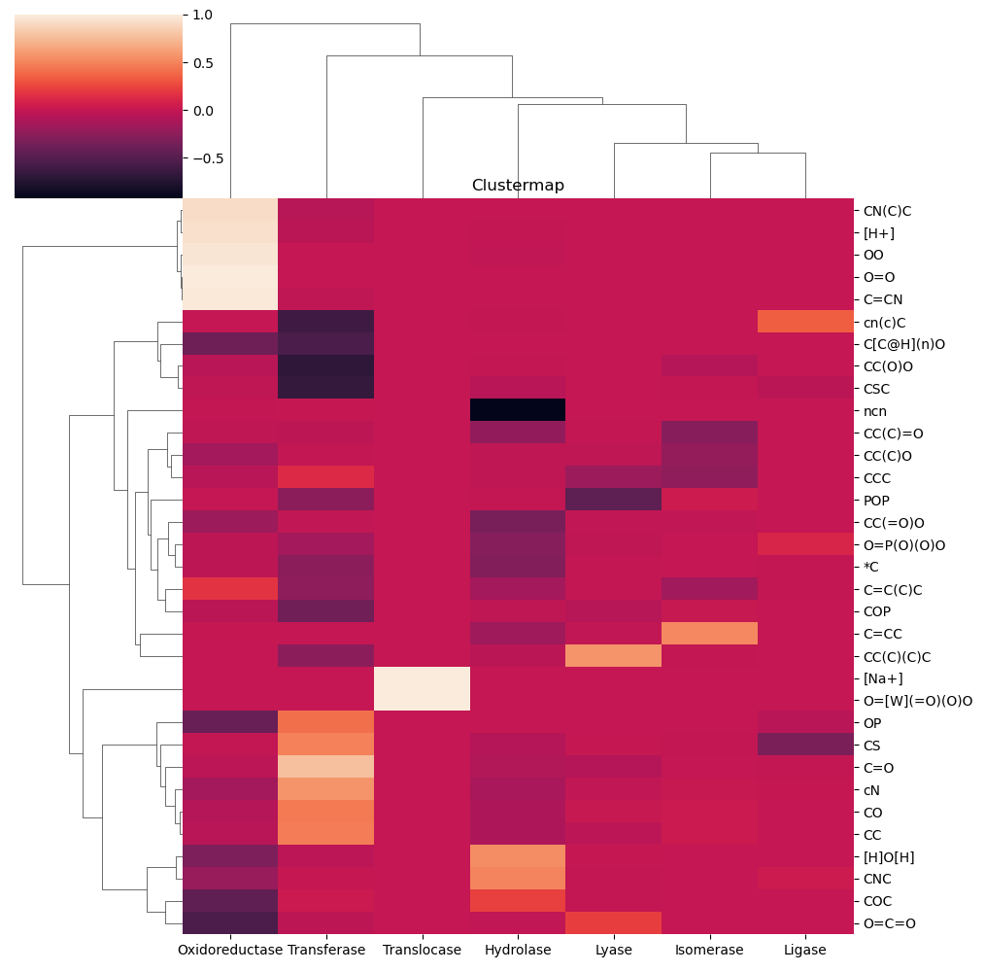
 | ncn |  |  | / |  |  | / | /
-0.018 - 31 occs (15.1%)
-0.029 - 41 occs (20.0%)
0.005 - 1 occ (0.5%)
-0.22 - 45 occs (22.0%)
-0.007 - 22 occs (10.7%)
-0.271 - 62 occs (30.2%)
-0.0 - 3 occs (1.5%)
 | CC(C)=O
-0.144 - 396 occs (32.6%)
-0.003 - 61 occs (5.0%)
-0.0 - 1 occ (0.1%)
-0.019 - 313 occs (25.8%)
-0.022 - 188 occs (15.5%)
-0.207 - 251 occs (20.7%)
-0.0 - 4 occs (0.3%)
 | CC(C)O
-0.051 - 57 occs (19.1%)
0.134 - 40 occs (13.4%)
-0.023 - 31 occs (10.4%)
-0.179 - 103 occs (34.4%)
-0.227 - 68 occs (22.7%)
 | CCC |  |  | / |  |  |  | /
-0.0 - 2 occs (0.5%)
-0.251 - 94 occs (25.1%)
-0.006 - 9 occs (2.4%)
-0.453 - 255 occs (68.0%)
0.04 - 15 occs (4.0%)
 | POP |  |  | / |  |  |  | /
-0.177 - 216 occs (25.7%)
-0.015 - 146 occs (17.3%)
-0.336 - 283 occs (33.6%)
-0.011 - 138 occs (16.4%)
-0.011 - 59 occs (7.0%)
 | CC(=O)O |  |  | / |  |  |  | /
-0.027 - 209 occs (7.6%)
-0.143 - 1023 occs (37.1%)
-0.273 - 752 occs (27.3%)
-0.021 - 430 occs (15.6%)
-0.0 - 36 occs (1.3%)
0.112 - 309 occs (11.2%)
 | O=P(O)(O)O |  |  | /
-0.028 - 52 occs (7.9%)
-0.245 - 338 occs (51.6%)
-0.292 - 191 occs (29.2%)
-0.007 - 23 occs (3.5%)
-0.0 - 9 occs (1.4%)
-0.008 - 42 occs (6.4%)
 | *C |  |  | /
0.173 - 58 occs (17.3%)
-0.237 - 112 occs (33.3%)
-0.137 - 46 occs (13.7%)
-0.006 - 32 occs (9.5%)
-0.154 - 74 occs (22.0%)
-0.002 - 14 occs (4.2%)
 | C=C(C)C |  |  | /
-0.045 - 36 occs (9.4%)
-0.375 - 144 occs (37.5%)
-0.019 - 61 occs (15.9%)
-0.057 - 137 occs (35.7%)
0.016 - 6 occs (1.6%)
 | COP |  |  | / |  |  |  | /
0.011 - 32 occs (17.4%)
0.0 - 4 occs (2.2%)
-0.168 - 31 occs (16.8%)
-0.009 - 20 occs (10.9%)
0.522 - 96 occs (52.2%)
-0.0 - 1 occ (0.5%)
 | C=CC |  |  | /
0.002 - 13 occs (3.7%)
-0.247 - 86 occs (24.7%)
-0.045 - 31 occs (8.9%)
0.575 - 200 occs (57.5%)
-0.003 - 13 occs (3.7%)
-0.0 - 5 occs (1.4%)
 | CC(C)(C)C |  |  | /
1.0 - 2 occs (100.0%)
 | [Na+] | / | / |  | / | / | / | /
1.0 - 2 occs (100.0%)
 | O=[W](=O)(O)O | / | / |  | / | / | / | /
-0.414 - 742 occs (41.4%)
0.417 - 748 occs (41.7%)
-0.0 - 15 occs (0.8%)
0.0 - 14 occs (0.8%)
-0.05 - 273 occs (15.2%)
 | OP |  |  | / |  |  | /
-0.001 - 2 occs (0.6%)
0.495 - 157 occs (49.5%)
-0.075 - 41 occs (12.9%)
0.011 - 14 occs (4.4%)
-0.001 - 2 occs (0.6%)
-0.319 - 101 occs (31.9%)
 | CS |  |  | /
-0.033 - 66 occs (3.3%)
0.776 - 1557 occs (77.6%)
-0.0 - 2 occs (0.1%)
-0.08 - 192 occs (9.6%)
-0.063 - 143 occs (7.1%)
0.0 - 36 occs (1.8%)
-0.001 - 10 occs (0.5%)
 | C=O
-0.148 - 338 occs (14.8%)
0.571 - 1305 occs (57.1%)
-0.122 - 298 occs (13.0%)
-0.013 - 129 occs (5.6%)
0.019 - 99 occs (4.3%)
0.008 - 115 occs (5.0%)
 | cN |  |  | /
-0.068 - 712 occs (15.1%)
0.464 - 2192 occs (46.4%)
-0.103 - 487 occs (10.3%)
0.018 - 757 occs (16.0%)
0.031 - 487 occs (10.3%)
-0.0 - 85 occs (1.8%)
 | CO |  |  | /
-0.048 - 136 occs (12.5%)
0.477 - 520 occs (47.7%)
-0.105 - 114 occs (10.5%)
-0.034 - 124 occs (11.4%)
0.034 - 177 occs (16.2%)
-0.0 - 19 occs (1.7%)
 | CC |  |  | /
-0.311 - 730 occs (31.1%)
-0.037 - 111 occs (4.7%)
0.0 - 1 occ (0.0%)
0.542 - 1271 occs (54.2%)
0.008 - 205 occs (8.7%)
-0.0 - 26 occs (1.1%)
 | [H]O[H] |  |  |  |  |  | /
-0.195 - 92 occs (19.5%)
0.012 - 43 occs (9.1%)
0.507 - 239 occs (50.7%)
-0.006 - 16 occs (3.4%)
0.0 - 2 occs (0.4%)
0.042 - 79 occs (16.8%)
 | CNC |  |  | /
-0.447 - 1968 occs (44.7%)
0.036 - 1164 occs (26.4%)
-0.0 - 2 occs (0.0%)
0.234 - 1032 occs (23.4%)
-0.001 - 90 occs (2.0%)
-0.0 - 74 occs (1.7%)
0.001 - 71 occs (1.6%)
 | COC
-0.536 - 217 occs (53.6%)
-0.025 - 75 occs (18.5%)
-0.0 - 1 occ (0.2%)
-0.012 - 19 occs (4.7%)
0.222 - 90 occs (22.2%)
-0.0 - 3 occs (0.7%)
 | O=C=O |  |  |  |  |  | /

