car data
Driver interaction - basic
Signal name | Short description | Unit | Special values | Ideas for automated ride sharing service

LWI_Lenkradwinkel | Steering wheel angle | Degree of arc
 |  |  |  | -
LWI_VZ_Lenkradwindel | Steering wheel angle positive or negative | boolean | 0: positive 1: negative | -

ESP_Fahrer_bremst | Brake pedal active |  | 0: non-active 1: active | traffic good or bad?

ESP_Bremsdruck | Brake pressure
 |  |  |  | -
 |  | Bar

MO_Fahrpedalrohwert_01 | Throttle pedal position |  |  | -

MO_Kuppl_schalter | Clutch active | boolean | 0: declutched 1: disengaged

Car status (engine & fuel)

Signal name | Short description | Unit | Special values

MO_Drehzahl_01 | Engine revolutions per minute (rpm) | rpm
 |  |  |  | traffic good or bad?
KBI_Tankfuellstand_Prozent | Gas level

 |  | %
 |  |  |  | -

KBI_Kilometerstand | Total kilometer count of car | km |  | -

MO_Gangposition | Actual gear of engine (backwards is as well in gear_1) | integer | 1: Gear 1 or backwards 2-6: Gear 2-6 | traffic good or bad?

Location information

Signal name | Short description | Unit | Special values

NP_LatDegree | Latitude (North- South position) | Degree of arc | Example value: 47439588 (for 47.44)
 |  |  |  | automated route detection
NP_LongDegree | Longitude (East- West position) | Degree of arc | Example value: 9382746 (for 9.38) | automated route detection

NP_altitude | Altitude (seems unreliable) | meters |  | automated route detection

NP_Fix | Connection to GPS satellites | integer | 1: no connection
 |  |  | 2: 2D positioning lat/lon 3: 3D positioning

ND_Heading | Driving direction |  | 0: North 90: East 180: South 270: West

 |  | Degree of arc

Car status (speed) |  |  |  | automated route detection, traffic

Signal name | Short description |  | Special values

 |  | Unit

ESP_VL_Radgeschw_02 | Front left wheel speed | km/h

ESP_VR_Radgeschw_02 | Front right wheel speed | km/h

ESP_HL_Radgeschw_02 | Back left wheel speed

 |  | km/h

ESP_HR_Radgeschw_02 | Back right wheel speed | km/h

ESP_v_Signal | Averaged vehicle speed of all wheels

 |  | km/h
 |  |  |  | automated route detection, traffic

ESP_HL_Fahrtrichtung | Back left wheel direction of movement (all speed values are always positive) | integer | 0: forward
 |  |  | 1: backwards 2: initialization 3: not valid

ESP_HR_Fahrtrichtung | Back right wheel direction of movement (all speed values are always positive)

 |  | integer

ESP_Laengsbeschl | vehicle acceleration (x- axis)

 |  | m/s2 |  | traffic

ESP_Querbeschleinigung | lateral force on vehicle (y-axis)

 |  | m/s2

ESP_Gierrate | yaw rate (z-axis) | Degree of arc per second

ESP_VZ_Gierrate | Yaw rate positive or negative | boolean | 0: positive 1: negative

Occupants

Signal name | Short description | Unit | Special values

AB_Gurtschloss_FA | Driver seat belt fastened | integer

 |  |  | 0: not built-in 1: initialization 2: not fastened 3: fastened
 |  |  |  | available seats

AB_Gurtschloss_BF | Front passenger seat belt fastened |  |  | available seats

AB_Gurtschloss__Reihe2_FA | Back driver position seat belt fastened |  |  | available seats

AB_Gurtschloss__Reihe2_MI | Back middle position seat belt fastened
 |  |  |  | available seats
AB_Gurtschloss__Reihe2_BF | Back non-driver side seat belt fastened |  |  | available seats

Car status (lightning system)

Signal name | Short description |  | Special values

 |  | Unit

Wischer_vorne_aktiv | Front wipers active |  | 0: not active 1: active

 |  | boolean

BH_Blinker_li | Indicator left active

 |  | boolean

BH_Blinker_re | Indicator right active | boolean

BH_Lichthupe | High beam used to flash someone | boolean | traffic, stress

BH_Fernlicht | High beam used for longer purpose | boolean

LV_Abblendlicht_Anzeige | Dipped beam active

 |  | boolean

LV_Fernlicht_Anzeige | High beam active

 |  | boolean

LV_Standlicht_Anzeige | Parking light active

 |  | boolean

ND_UTC | Time of last GPS signal | timestamp in seconds

Temperature sensors

Signal name | Short description |  | Special values

 |  | Unit

BCM1_Aussen_Temp_ungef | Outside temperature raw value | Degree per celsius

KBI_Aussen_T emp_gef | Outside temperature filtered value | Degree per celsius

FS_Temp_Sensor | In-car temperature value | Degree per celsius

FS_Luftfeuchte_rel | In-car humidity | %

Available biometric signals

E4
Please use the smartphone app to connect to the E4 (Android/iOS) and stream data to E4

connect.

Firstbeat
Available signals from Firstbeat Bodyguard. Available via the PC client.

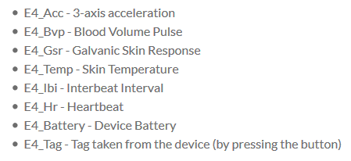
 |  | mood, stress

Firstbeat
Available signals from Firstbeat Bodyguard. Available via the PC client.
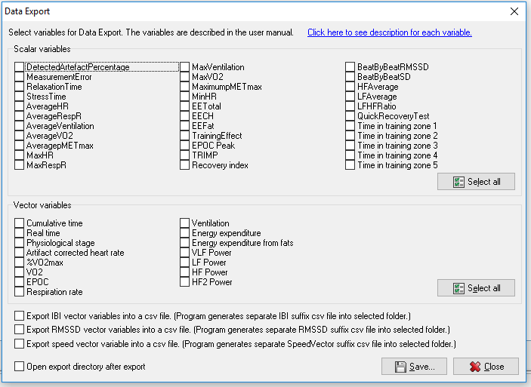

 |  |  | Stress Data if ride or not

