Sheet1
Kenia Airways fleet |  |  | Jomo Kenyatta International Airport |  |  | notes | entrance | Bay | distance to entrance | time to entrance | 777 | 737 | E190 | walk speed (m/S)
type | Wingspan | nr. Pass | AC movements per y |  | 92524 | source: monthly Air Traffic Analysis 2018 | 1 | I1 | 200 | 100 |  |  |  | 2
B 737-700 | 35.8 | 116 | AC movements per day |  | 253.49041096 |  | 1 | I2 | 240 | 120
B 737-800 | 35.8 | 145 | AC movements per h |  | 10.562100457 |  | 1 | I3 | 270 | 135 |  |  |  | airport bus speed (m/s)
B 777-300 | 64.8 | 368 | towing cost |  | 83.5 | heavy+driver - Frankfurt airport | 1 | I4 | 300 | 150 |  |  |  | 8.3
B 787-8 | 60 | 234 | turn around time B737 |  | 45 min | https://books.google.nl/books?id=1Zvd4TLWEasC&pg=PA19&lpg=PA19&dq=turn+AROUND+time+B737&source=bl&ots=daYN_OWpMh&sig=ACfU3U0t9FwwxmKDlRzBEzH8NvsFMFEtWw&hl=en&sa=X&ved=2ahUKEwiD6IShw-bpAhWMGewKHQDKD7oQ6AEwDXoECA0QAg#v=onepage&q=turn%20AROUND%20time%20B737&f=false | 2 | I5 | 210 | 105
Embraer 190AR | 28.72 | 96 | turn around time B777 |  | 90 min | https://eu.azcentral.com/story/travel/airlines/2019/05/14/how-long-it-takes-to-get-a-plane-ready-between-flights-airplane-turnaround-time/1123694001/ | 2 | I6 | 220 | 110 |  |  |  | dist entrance1- bus stop
 |  |  | turn around E190 |  | 35 min | https://magazin.lufthansa.com/xx/en/fleet/embraer-190-en/to-italy-and-back/ | 2 | I7 | 140 | 70 |  |  |  | 120
 |  |  |  |  |  |  | 2 | I8 | 90 | 45
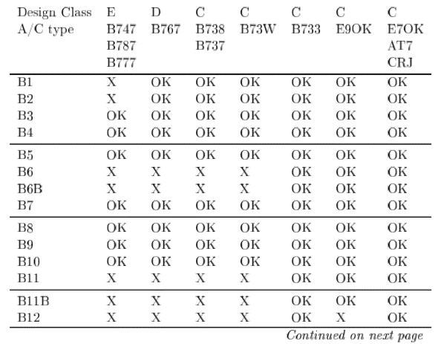
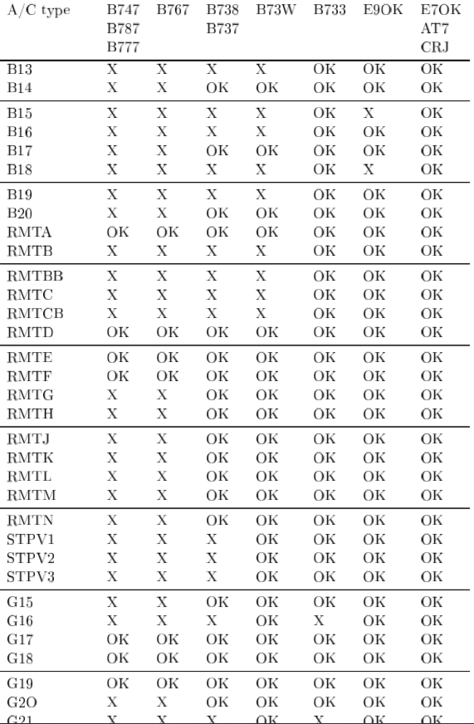
 |  |  |  |  |  |  | 2 | I9 | 110 | 55
 |  |  |  |  |  |  | 2 | I10 | 140 | 70
 |  |  |  |  |  |  | 2 | I11 | 180 | 90
 |  |  |  |  |  |  | 3 | D1 | 100 | 50
 |  |  |  |  |  |  | 3 | D2 | 135 | 67.5
 |  |  |  | _ |  |  | 3 | D3 | 170 | 85
 |  |  |  |  |  |  | 3 | D4 | 150 | 75
 |  |  |  |  |  |  | 3 | D5 | 185 | 92.5
 |  |  |  |  |  |  | 3 | D6 | 220 | 110
 |  |  |  |  |  |  | 3 | D7 | 210 | 105
 |  |  |  |  |  |  | 3 | D8 | 245 | 122.5
 |  |  |  |  |  |  | 1 | ST1 | 850 | 147.95180723
 |  |  |  |  |  |  | 1 | ST2 | 750 | 135.90361446
 |  |  |  |  |  |  | 1 | ST3 | 650 | 123.85542169
 |  |  |  |  |  |  | 1 | ST4 | 550 | 111.80722892
 |  |  |  |  |  |  | 1 | ST5 | 470 | 102.1686747
 |  |  |  |  |  |  | 1 | ST6 | 520 | 108.19277108
 |  |  |  |  |  |  | 1 | ST7 | 550 | 111.80722892
 |  |  |  |  |  |  | 1 | ST8 | 620 | 120.24096386
 |  |  |  |  |  |  | 1 | ST9 | 650 | 123.85542169
 |  |  |  |  |  |  | 1 | E1 | 100 | 50
 |  |  |  |  |  |  | 1 | E2 | 145 | 72.5
 |  |  |  |  |  |  | 1 | E3 | 150 | 75
 |  |  |  |  |  |  | 1 | E4 | 200 | 100
 |  |  |  |  |  |  | 1 | E5 | 210 | 105
 |  |  |  |  |  |  | 1 | E6 | 210 | 105
 |  |  |  |  |  |  | 1 | CARGO | 1000 | 166.02409639

