folder
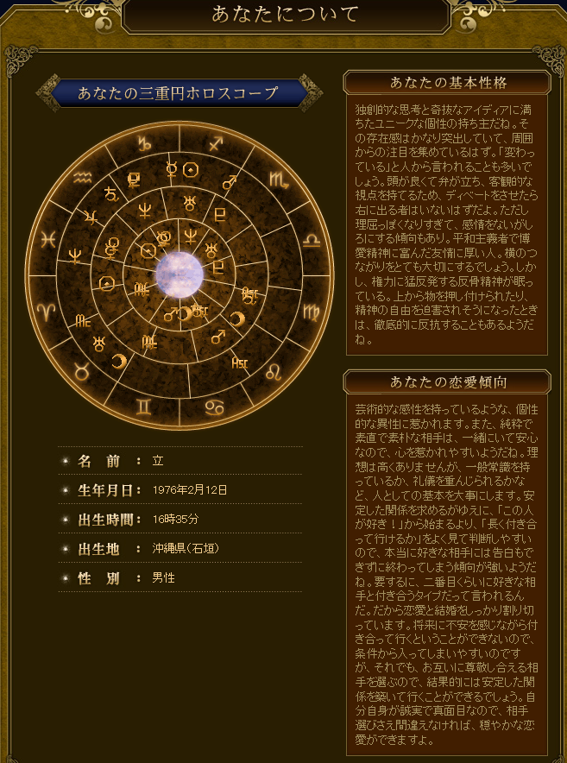
C:\Users\youth\Documents\gitdocs\tools\01 | \01

