Audi
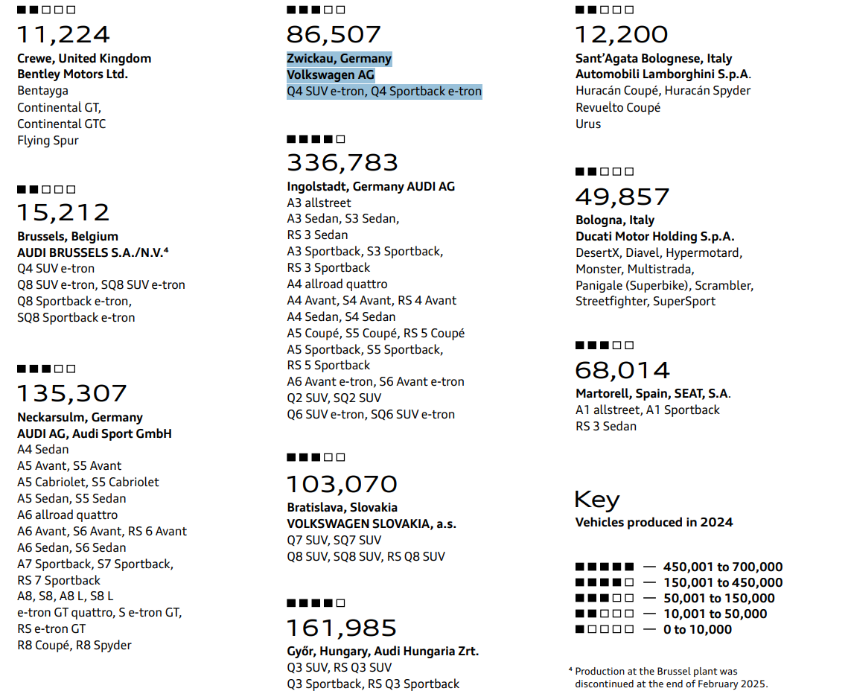
 |  |  |  |  |  |  | 2010 | 2011 | 2012 | 2013 | 2014 | 2015 | 2016 | 2017 | 2018 | 2019 | 2020 | 2021 | 2022 | 2023 | 2024
 |  |  |  |  | VW Group | Audi A3 PHEV |  |  |  |  | 705.00 | 12,163.00 | 11,307.00 | 11,879.00 | 7,810.00 | 753.00 | 12,185.00 | 23,094.00 | 19,588.00 | 15,004.00 | 20,877 | Audi A3 PHEV
 |  |  |  |  |  | Audi A5 PHEV |  |  |  |  |  |  |  |  |  |  |  |  |  |  | 21 | Audi A5 PHEV
 |  |  |  |  |  | Audi A6 e-tron BEV |  |  |  |  |  |  |  |  |  |  |  |  |  |  | 329 | Audi A6 e-tron BEV
 |  |  |  |  |  | Audi A6 PHEV |  |  |  |  |  |  |  |  |  | 31.00 | 8,252.00 | 10,232.00 | 7,125.00 | 10,047.00 | 8,770 | Audi A6 PHEV
 |  |  |  |  |  | Audi A7 PHEV |  |  |  |  |  |  |  |  | 66.00 | 116.00 | 2,142.00 | 1,818.00 | 401.00 | 960.00 | 847 | Audi A7 PHEV
 |  |  |  |  |  | Audi A8 PHEV |  |  |  |  |  |  |  |  | 47.00 | 126.00 | 868.00 | 1,056.00 | 740.00 | 915.00 | 869 | Audi A8 PHEV
 |  |  |  |  |  | Audi e-tron GT BEV |  |  |  |  |  |  |  |  |  |  |  | 6,594.00 | 9,723.00 | 11,166.00 | 7,848 | Audi e-tron GT BEV
 |  |  |  |  |  | Audi Q4 e-tron BEV |  |  |  |  |  |  |  |  |  |  |  | 21,051.00 | 49,373.00 | 87,044.00 | 91,951 | Audi Q4 e-tron BEV
 |  |  |  |  |  | Audi Q6 e-tron BEV |  |  |  |  |  |  |  |  |  |  |  |  |  |  | 15,082 | Audi Q6 e-tron BEV

Ingolstadt | A6 Avant e-tron, S6 Avant e-tron, Q6 SUV e-tron, SQ6 SUV e-tron
Neckarsulm | e-tron GT quattro, S e-tron GT, RS e-tron GT

Facility | Associated Models | Calculation | Production
Ingolstadt | Audi A6 e-tron BEV, Audi Q6 e-tron BEV | 329 + 15,082 | 15,411
Neckarsulm | Audi A6 PHEV, Audi A7 PHEV, Audi A8 PHEV, Audi e-tron GT BEV | 8,770 + 847 + 869 + 7,848 | 18,334
Zwickau | Audi Q4 e-tron BEV | 91,951 | 91,951
Other | Audi A3 PHEV, Audi A5 PHEV | 20,877 + 21 | 20,898 | ?
Total | – | – | 156,594

BMW
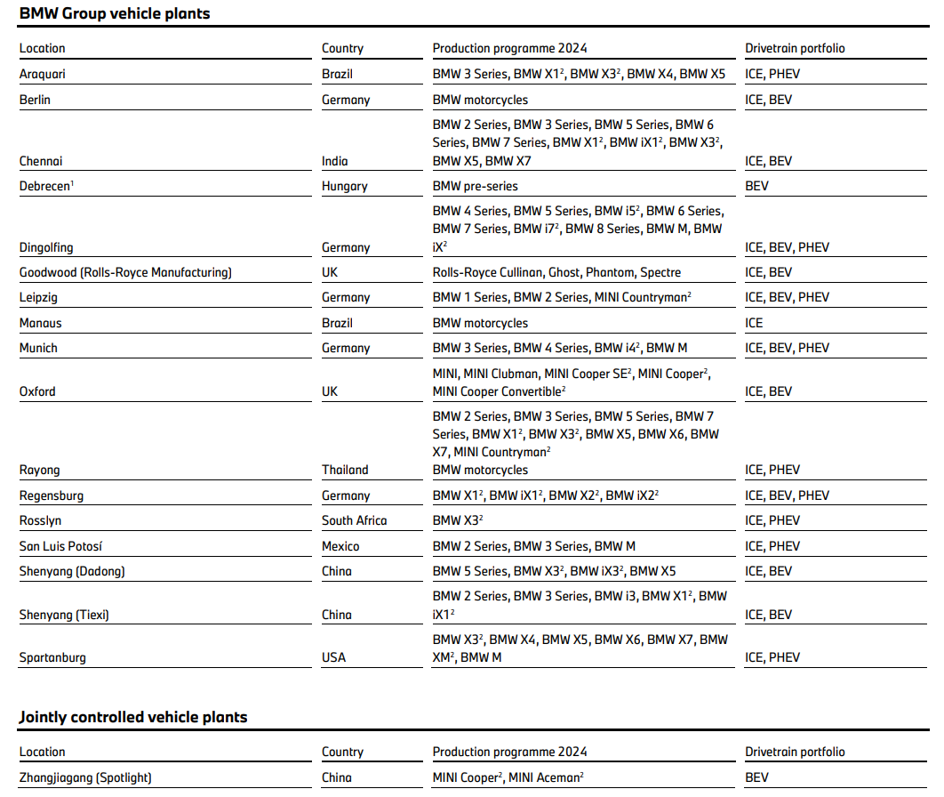
2024 |  |  |  | EV volumes
BMW report |  |  |  | Vehicles |  |  | Year
 |  |  |  | Vehicle Production Country | OEM Group | Make Model | 2010 | 2011 | 2012 | 2013 | 2014 | 2015 | 2016 | 2017 | 2018 | 2019 | 2020 | 2021 | 2022 | 2023 | 2024 | Notes 2024
 |  |  |  | Germany | BMW Group | BMW 2-Series PHEV |  |  |  |  |  | 428 | 5,916 | 12,547 | 14,125 | 14,874 | 6,309 | 2,652 | 4,955 | 13,097 | 7,270 | BMW 2-Series PHEV → Leipzig
 |  |  |  |  |  | BMW 3-Series PHEV |  |  |  |  |  | 87 | 9,627 | 20,016 | 15,662 | 11,374 | 28,864 | 45,486 | 46,191 | 35,158 | 30,209 | BMW 3-Series PHEV → Munich
 |  |  |  |  |  | BMW 5-Series PHEV |  |  |  |  |  |  | 14 | 10,002 | 26,108 | 23,514 | 15,834 | 24,620 | 30,891 | 18,433 | 18,414 | BMW 5-Series PHEV, i5 BEV → Dingolfing
 |  |  |  |  |  | BMW 7-Series PHEV |  |  |  |  |  |  | 908 | 2,787 | 2,117 | 2,499 | 2,318 | 1,978 | 1,276 | 2,284 | 3,049 | BMW 7-Series PHEV, i7 BEV → Dingolfing
 |  |  |  |  |  | BMW Active-E BEV |  |  | 843 | 35
 |  |  |  |  |  | BMW i3 BEV / EREV |  |  |  | 1,315 | 16,467 | 25,612 | 25,608 | 31,440 | 34,047 | 41,733 | 27,150 | 27,536 | 20,218 | 140
 |  |  |  |  |  | BMW i4 BEV |  |  |  |  |  |  |  |  |  |  |  | 496 | 40,850 | 83,417 | 81,681 | BMW i4 BEV → Munich
 |  |  |  |  |  | BMW i5 BEV |  |  |  |  |  |  |  |  |  |  |  |  |  | 7,227 | 38,902 | BMW 5-Series PHEV, i5 BEV → Dingolfing
 |  |  |  |  |  | BMW i7 BEV |  |  |  |  |  |  |  |  |  |  |  |  | 1,177 | 9,491 | 11,249 | BMW 7-Series PHEV, i7 BEV → Dingolfing
 |  |  |  |  |  | BMW i8 PHEV |  |  |  |  | 2,051 | 5,894 | 4,069 | 2,360 | 2,910 | 2,491 | 982 | 88 | 12 | 1 | 5
 |  |  |  |  |  | BMW iX BEV |  |  |  |  |  |  |  |  |  |  |  | 4,418 | 38,982 | 50,944 | 40,675 | not mentioned, I assigned → Dingolfing
 |  |  |  |  |  | BMW iX1 BEV |  |  |  |  |  |  |  |  |  |  |  |  | 1,802 | 51,497 | 68,327 | BMW iX1 BEV → Regensburg
 |  |  |  |  |  | BMW iX2 BEV |  |  |  |  |  |  |  |  |  |  |  |  |  | 80 | 21,840 | BMW iX2 BEV → Dingolfing & Regensburg
 |  |  |  |  |  | BMW X1 PHEV |  |  |  |  |  |  |  |  |  | 16 | 15,037 | 28,778 | 17,129 | 26,108 | 39,535 | BMW X1 PHEV, X2 PHEV → Regensburg
 |  |  |  |  |  | BMW X2 PHEV |  |  |  |  |  |  |  |  |  | 30 | 1,996 | 6,368 | 6,188 | 4,340 | 706 | BMW X1 PHEV, X2 PHEV → Regensburg
 |  |  |  |  |  | Mini Countryman BEV |  |  |  |  |  |  |  |  |  |  |  |  |  | 330 | 24,922 | Mini Countryman BEV → Leipzig

 |  |  |  | UK | BMW Group | Mini Cooper BEV |  |  |  |  |  |  |  |  |  | 524.00 | 17,931.00 | 33,589.00 | 44,345.00 | 46,387.00 | 8,327
 |  |  |  |  |  | Rolls Royce Spectre BEV |  |  |  |  |  |  |  |  |  |  |  |  | 42.00 | 73.00 | 1,076

 | 2024 |  |  |  |  |  |  |  | 2018
 |  | exclusive models | overlapping models
 | Dingolfing | BMW 5-Series PHEV, BMW 7-Series PHEV, BMW i5 BEV, BMW i7 BEV | BMW iX2 BEV
 | Leipzig | BMW 2-Series PHEV, Mini Countryman BEV
 | Munich | BMW 3-Series PHEV, BMW i4 BEV
 | Regensburg | BMW X1 PHEV, BMW X2 PHEV, BMW iX1 BEV | BMW iX2 BEV
 | 2024
 | Facility | Associated Models | Calculation | Production | After check
 | Dingolfing | BMW 5-Series PHEV, BMW 7-Series PHEV, BMW i5 BEV, BMW i7 BEV, BMW iX2 BEV | 18,414 + 3,049 + 38,902 + 11,249 + 21,840/2 | 82,534 | 123,209
 | Leipzig | BMW 2-Series PHEV, MINI Countryman BEV | 7,270 + 24,922 | 32,192 | 32,192
 | Munich | BMW 3-Series PHEV, BMW i4 BEV | 30,209 + 81,681 | 111,890 | 111,890
 | Regensburg | BMW X1 PHEV, BMW X2 PHEV, BMW iX1 BEV, BMW iX2 BEV | 39,535 + 706 + 68,327 + 21,840/2 | 119,488 | 119,488
 | Total |  |  | 346,104 | 386,779
 | Check |  |  | 386,784 | 386,784
 | Difference |  |  | 40,680 | 5

 | 2018
 | BMW report
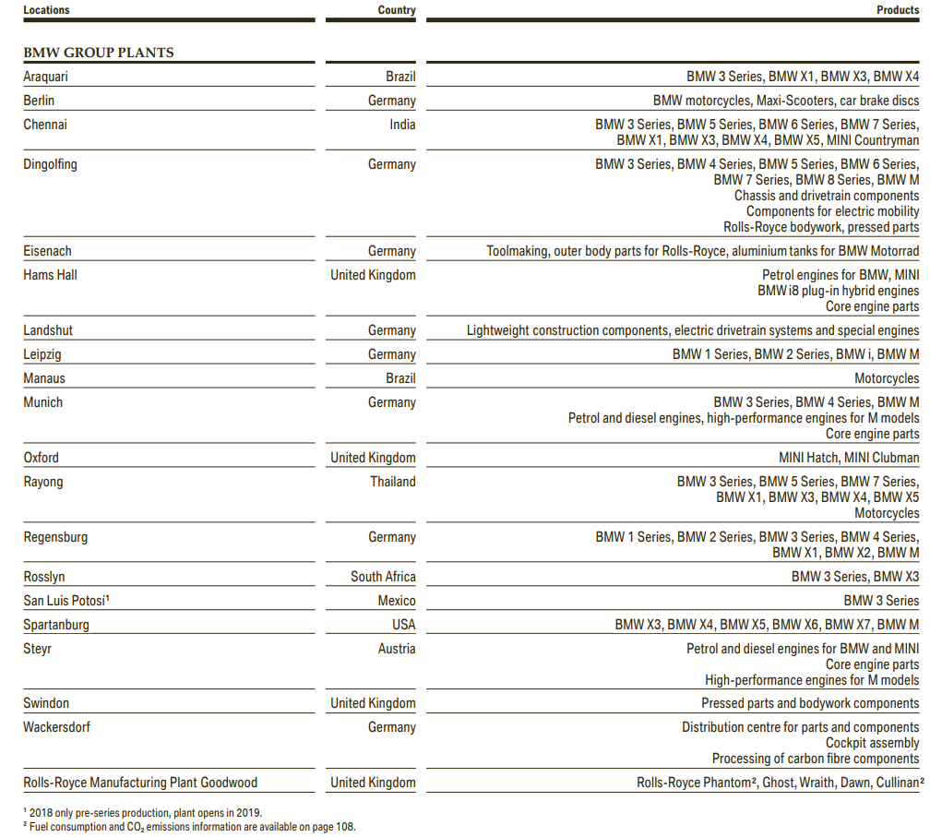

 | 2018
 | Facility | Associated Models | Calculation | Production
 | Dingolfing | BMW 5-Series PHEV, BMW 7-Series PHEV | 26,108 + 2,117 | 28,225
 | Leipzig | BMW 2-Series PHEV, BMW i3 BEV / EREV, BMW i8 PHEV | 14,125 + 34,047 + 2,910 | 51,082
 | Munich | BMW 3-Series PHEV | 15,662 | 15,662
 | Total |  |  | 94,969
 | Check |  |  | 94,969
 | Difference |  |  | 0

Stelantis France
Vehicles |  |  |  | Year
Vehicle Production Country | OEM Group |  | Make Model | 2010 | 2011 | 2012 | 2013 | 2014 | 2015 | 2016 | 2017 | 2018 | 2019 | 2020 | 2021 | 2022 | 2023 | 2024 |  | 2023 | 2024
France |  |  |  |  |  |  |  |  |  |  |  |  |  |  |  |  |  |  | Rennes | 15,433 | 7,592
 | Stellantis | Rennes | Citroen C5 Aircross PHEV |  | https://www.media.stellantis.com/em-en/citroen/press/ramping-up-of-production-of-new-c5-aircross-at-the-factory-of-rennes |  |  |  |  |  |  |  |  | 6,562.00 | 15,171.00 | 14,998.00 | 15,433.00 | 7,592.00 | Hordain | 23,534 | 18,899
 |  | Hordain | Citroen e-Jumpy BEV |  |  |  |  |  |  |  |  |  |  | 546.00 | 3,566.00 | 4,287.00 | 4,321.00 | 3,967.00 | Poissy | 33,335 | 18,323
 |  | Rennes | Citroen e-Mehari BEV |  | https://www.media.stellantis.com/em-en/psa-archive/press/in-2018-groupe-psa-contributed-nearly-5-billion-to-france-s-trade-balance |  |  |  |  | 544.00 | 337.00 | 324.00 | 156.00 | 69.00 |  |  |  |  | Mulhouse | 42,533 | 36,924
 |  | Hordain | Citroen e-SpaceTourer BEV |  | https://www.media.stellantis.com/fr-fr/corporate-communications/press/Stellantis%20:%20succ%C3%A8s%20des%20utilitaires%20avec%20le%20millioni%C3%A8me%20fourgon%20compact%20fabriqu%C3%A9%20ce%20jour%20%C3%A0%20Hordain |  |  |  |  |  |  |  |  | 163.00 | 1,325.00 | 1,103.00 | 2,010.00 | 1,058.00 | Sochaux | 22,403 | 24,008
 |  | Poissy | DS-3 Crossback BEV |  |  |  |  |  |  |  |  |  | 277.00 | 4,850.00 | 3,857.00 | 3,882.00 | 3,192.00 | 1,578.00
 |  | Mulhouse | DS-7 Crossback PHEV |  | https://www.media.stellantis.com/fr-fr/ds/press/ds-7-crossback-ligne-noire-artisanat-contemporain |  |  |  |  |  |  |  | 266.00 | 8,055.00 | 11,207.00 | 10,492.00 | 11,254.00 | 7,618.00 | Check | 137,238 | 105,746
 |  | Hordain | Fiat E-Scudo BEV |  |  |  |  |  |  |  |  |  |  |  |  | 1,499.00 | 1,761.00 | 1,263.00 |  | 130,564 | 99,760
 |  | Hordain | Fiat E-Ulysse BEV |  | https://www.electrive.com/2021/10/27/fiat-to-launch-two-new-electric-van-models/ |  |  |  |  |  |  |  |  |  |  | 667.00 | 316.00 | 96.00
 |  | Poissy | Opel / Vxh. Mokka-e BEV |  | https://www.media.stellantis.com/fr-fr/opel/press/opel-democratise-le-leasing-electrique-nouveau-frontera-et-nouveau-mokka-disponibles-des-139-mois |  |  |  |  |  |  |  |  | 18.00 | 15,185.00 | 28,629.00 | 30,143.00 | 16,745.00
 |  | Sochaux | Peugeot 3008 PHEV |  |  |  |  |  |  |  |  |  | 91.00 | 15,934.00 | 41,526.00 | 29,532.00 | 22,401.00 | 6,513.00
 |  | Mulhouse | Peugeot 308 PHEV |  |  |  |  |  |  |  |  |  |  |  | 1,256.00 | 14,370.00 | 17,805.00 | 13,167.00
 |  | Mulhouse | Peugeot 408 PHEV |  |  |  |  |  |  |  |  |  |  |  |  | 780.00 | 7,491.00 | 5,928.00
 |  | Sochaux | Peugeot 5008 PHEV |  |  |  |  |  |  |  |  |  |  |  |  |  |  | 16.00
 |  | Mulhouse | Peugeot 508 PHEV |  | https://www.media.stellantis.com/ch-fr/peugeot/press/ouverture-des-commandes-de-la-nouvelle-peugeot-508-en-suisse |  |  |  |  |  |  |  | 124.00 | 7,305.00 | 8,502.00 | 5,220.00 | 4,922.00 | 3,792.00
 |  | Sochaux | Peugeot e-3008 BEV |  |  |  |  |  |  |  |  |  |  |  |  |  | 1.00 | 14,781.00
 |  | Mulhouse | Peugeot e-308 BEV |  |  |  |  |  |  |  |  |  |  |  |  | 1.00 | 1,061.00 | 6,416.00
 |  | Mulhouse | Peugeot e-408 BEV |  |  |  |  |  |  |  |  |  |  |  |  |  |  | 3.00
 |  | Sochaux | Peugeot e-5008 BEV |  |  |  |  |  |  |  |  |  |  |  |  |  | 1.00 | 2,698.00
 |  | Hordain | Peugeot e-Expert BEV |  |  |  |  |  |  |  |  |  |  | 521.00 | 5,182.00 | 7,332.00 | 7,133.00 | 5,228.00
 |  | Hordain | Peugeot e-Traveller BEV |  | https://www.media.stellantis.com/fr-fr/corporate-communications/press/Stellantis%20:%20succ%C3%A8s%20des%20utilitaires%20avec%20le%20millioni%C3%A8me%20fourgon%20compact%20fabriqu%C3%A9%20ce%20jour%20%C3%A0%20Hordain |  |  |  |  |  |  |  |  | 137.00 | 1,228.00 | 863.00 | 1,319.00 | 1,301.00
 | Toyota Motor Corp. | Hordain | Toyota Proace Van BEV |  | https://www.stellantis.com/en/news/press-releases/2022/december/electric-motors-production-ramp-up-to-reach-more-than-1-million-in-france-by-2024 |  |  |  |  |  |  |  |  | 238.00 | 5,082.00 | 5,606.00 | 5,924.00 | 4,499.00
 |  | Hordain | Toyota Proace Verso BEV |  | https://www.stellantis.com/en/news/press-releases/2022/december/electric-motors-production-ramp-up-to-reach-more-than-1-million-in-france-by-2024 |  |  |  |  |  |  |  |  |  | 698.00 | 872.00 | 750.00 | 1,487.00

 | https://www.stellantis.com/en/news/press-releases/2022/december/electric-motors-production-ramp-up-to-reach-more-than-1-million-in-france-by-2024
 | Mulhouse: Peugeot e-308 sedan, e-308 SW and e-408
 | Sochaux: Peugeot e-3008, e-5008,
 | Rennes: Citroën's future electric SUV,
 | Poissy: New DS 3 E-TENSE and Opel Mokka electric,
 | Hordain: Peugeot e-Expert, Citroën e-Jumpy, Opel and Vauxhall Vivaro-e, Fiat e-Scudo (and Toyota Proace Electric).

 | Significant Vehicle Assembly Plants

 | The following table provides information about Stellantis’ significant vehicle assembly plants as of December 31, 2024, excluding joint ventures, of which the largest by region are Warren Truck (U.S.), Betim (Brazil) and Sochaux (France).

 | Each of the assembly plants listed below have a covered area of more than 100,000 square meters:
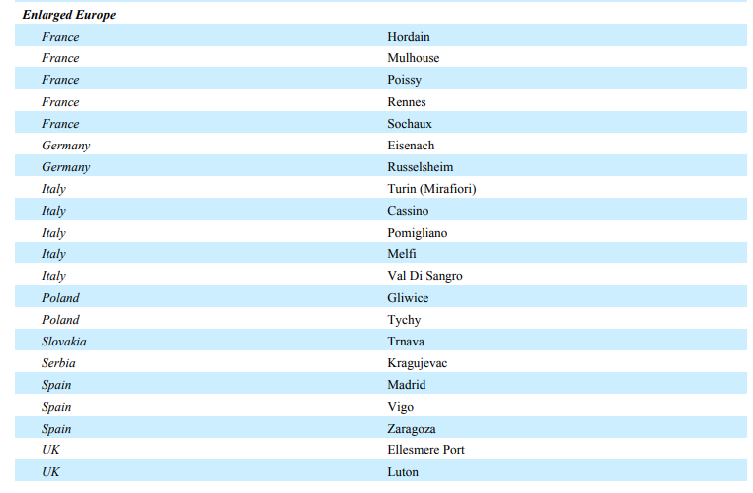
 |  |  |  |  |  |  |  | https://www.stellantis.com/content/dam/stellantis-corporate/investors/financial-reports/Stellantis-NV-20241231-Annual-Report.pdf

Renault France
Vehicles |  |  |  | Year
Vehicle Production Country | OEM Group |  | Make Model | 2010 | 2011 | 2012 | 2013 | 2014 | 2015 | 2016 | 2017 | 2018 | 2019 | 2020 | 2021 | 2022 | 2023 | 2024 |  | 2023 | 2024
France | R-N-M Alliance |  |  |  |  |  |  |  |  |  |  |  |  |  |  |  |  |  | Maubeuge | 16,445 | 16,874
 | Maubeuge | https://erticonetwork.com/renaults-electricity-frances-hub-for-ev-expertise/ | Nissan Townstar Combi BEV |  |  |  |  |  |  |  |  |  |  |  |  | 9.00 | 36.00 | 215.00 | Douai | 47,049 | 71,051
 | Maubeuge | https://erticonetwork.com/renaults-electricity-frances-hub-for-ev-expertise/ | Nissan Townstar Van BEV |  |  |  |  |  |  |  |  |  |  |  |  | 681.00 | 3,578.00 | 4,081.00 | Batilly | 1,770 | 2,117
 | Douai | https://erticonetwork.com/renaults-electricity-frances-hub-for-ev-expertise/ | Renault 5 / Alpine A290 BEV |  |  |  |  |  |  |  |  |  |  |  |  |  |  | 13,349.00 | Flins | 18,174 | 5,005
 | Maubeuge | https://www.renaultgroup.com/en/group/locations/maubeuge-mca-plant/ | Renault Kangoo BEV | 15.00 | 993.00 | 5,379.00 | 4,946.00 | 3,472.00 | 3,673.00 | 3,779.00 | 4,038.00 | 8,558.00 | 9,951.00 | 9,978.00 | 10,951.00 | 8,582.00 | 11,872.00 | 11,184.00 | Sandouville | 12 | 615
 | Maubeuge | https://www.renaultgroup.com/en/group/locations/maubeuge-mca-plant/ | Renault Kangoo Family BEV |  |  |  |  |  |  |  |  |  |  |  |  |  | 959.00 | 1,394.00
 | Batilly | https://www.automobile-propre.com/voitures/renault-master-electrique/#description | Renault Master BEV |  |  |  |  |  |  |  |  | 39.00 | 394.00 | 369.00 | 614.00 | 804.00 | 1,770.00 | 2,117.00 |  | 83,450 | 95,662
 | Douai | https://erticonetwork.com/renaults-electricity-frances-hub-for-ev-expertise/ | Renault Megane BEV |  |  |  |  |  |  |  |  |  |  |  | 45.00 | 33,151.00 | 47,018.00 | 34,732.00 |  | 83,450 | 95,662
 | Douai | https://media.renaultgroup.com/la-france-devient-un-pole-dexcellence-du-vehicule-electrique-de-renault-dans-lalliance/ | Renault Scenic BEV |  |  |  |  |  |  |  |  |  |  |  |  |  | 31.00 | 22,970.00
 | Sandouville | https://www.renaultgroup.com/groupe/implantations/usine-sandouville | Renault Trafic BEV |  |  |  |  |  |  |  |  |  |  |  |  |  | 12.00 | 615.00
 | Flins | https://media.renaultgroup.com/la-france-devient-un-pole-dexcellence-du-vehicule-electrique-de-renault-dans-lalliance/ | Renault Zoe BEV |  |  | 68.00 | 8,761.00 | 11,108.00 | 18,698.00 | 21,646.00 | 31,533.00 | 39,990.00 | 48,013.00 | 102,187.00 | 77,149.00 | 40,238.00 | 18,174.00 | 5,005.00

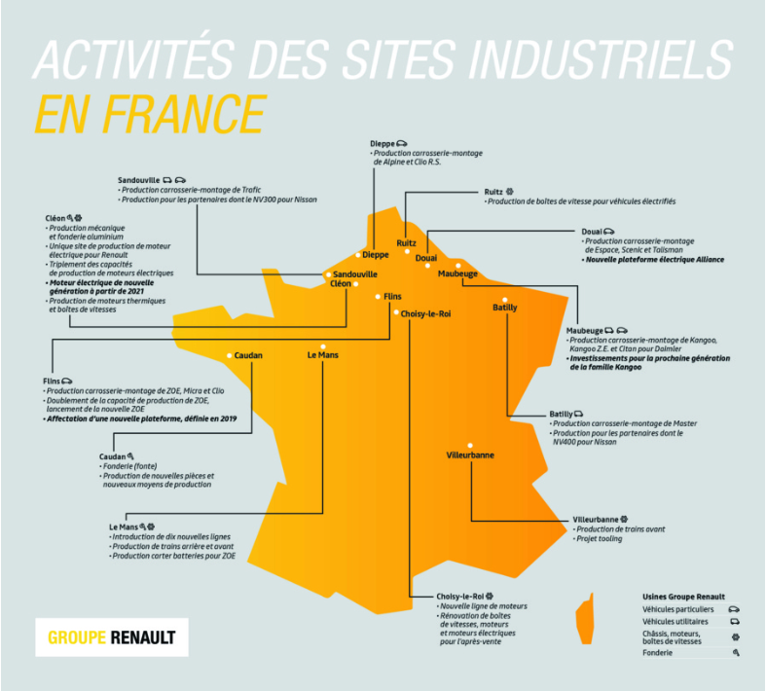

 |  |  |  |  |  | https://media.renaultgroup.com/la-france-devient-un-pole-dexcellence-du-vehicule-electrique-de-renault-dans-lalliance/

