BMW
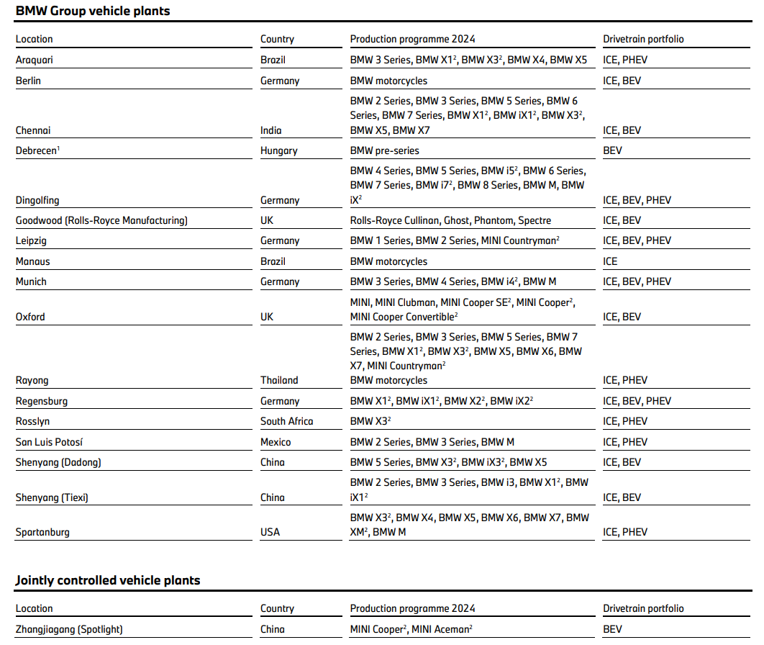
2024 |  |  |  | EV volumes
BMW report |  |  |  | Vehicles |  |  | Year
 |  |  |  | Vehicle Production Country | OEM Group | Make Model | 2010 | 2011 | 2012 | 2013 | 2014 | 2015 | 2016 | 2017 | 2018 | 2019 | 2020 | 2021 | 2022 | 2023 | 2024 | Notes 2024
 |  |  |  | Germany | BMW Group | BMW 2-Series PHEV |  |  |  |  |  | 428 | 5,916 | 12,547 | 14,125 | 14,874 | 6,309 | 2,652 | 4,955 | 13,097 | 7,270 | BMW 2-Series PHEV → Leipzig
 |  |  |  |  |  | BMW 3-Series PHEV |  |  |  |  |  | 87 | 9,627 | 20,016 | 15,662 | 11,374 | 28,864 | 45,486 | 46,191 | 35,158 | 30,209 | BMW 3-Series PHEV → Munich
 |  |  |  |  |  | BMW 5-Series PHEV |  |  |  |  |  |  | 14 | 10,002 | 26,108 | 23,514 | 15,834 | 24,620 | 30,891 | 18,433 | 18,414 | BMW 5-Series PHEV, i5 BEV → Dingolfing
 |  |  |  |  |  | BMW 7-Series PHEV |  |  |  |  |  |  | 908 | 2,787 | 2,117 | 2,499 | 2,318 | 1,978 | 1,276 | 2,284 | 3,049 | BMW 7-Series PHEV, i7 BEV → Dingolfing
 |  |  |  |  |  | BMW Active-E BEV |  |  | 843 | 35
 |  |  |  |  |  | BMW i3 BEV / EREV |  |  |  | 1,315 | 16,467 | 25,612 | 25,608 | 31,440 | 34,047 | 41,733 | 27,150 | 27,536 | 20,218 | 140
 |  |  |  |  |  | BMW i4 BEV |  |  |  |  |  |  |  |  |  |  |  | 496 | 40,850 | 83,417 | 81,681 | BMW i4 BEV → Munich
 |  |  |  |  |  | BMW i5 BEV |  |  |  |  |  |  |  |  |  |  |  |  |  | 7,227 | 38,902 | BMW 5-Series PHEV, i5 BEV → Dingolfing
 |  |  |  |  |  | BMW i7 BEV |  |  |  |  |  |  |  |  |  |  |  |  | 1,177 | 9,491 | 11,249 | BMW 7-Series PHEV, i7 BEV → Dingolfing
 |  |  |  |  |  | BMW i8 PHEV |  |  |  |  | 2,051 | 5,894 | 4,069 | 2,360 | 2,910 | 2,491 | 982 | 88 | 12 | 1 | 5
 |  |  |  |  |  | BMW iX BEV |  |  |  |  |  |  |  |  |  |  |  | 4,418 | 38,982 | 50,944 | 40,675 | not mentioned, I assigned → Dingolfing
 |  |  |  |  |  | BMW iX1 BEV |  |  |  |  |  |  |  |  |  |  |  |  | 1,802 | 51,497 | 68,327 | BMW iX1 BEV → Regensburg
 |  |  |  |  |  | BMW iX2 BEV |  |  |  |  |  |  |  |  |  |  |  |  |  | 80 | 21,840 | BMW iX2 BEV → Dingolfing & Regensburg
 |  |  |  |  |  | BMW X1 PHEV |  |  |  |  |  |  |  |  |  | 16 | 15,037 | 28,778 | 17,129 | 26,108 | 39,535 | BMW X1 PHEV, X2 PHEV → Regensburg
 |  |  |  |  |  | BMW X2 PHEV |  |  |  |  |  |  |  |  |  | 30 | 1,996 | 6,368 | 6,188 | 4,340 | 706 | BMW X1 PHEV, X2 PHEV → Regensburg
 |  |  |  |  |  | Mini Countryman BEV |  |  |  |  |  |  |  |  |  |  |  |  |  | 330 | 24,922 | Mini Countryman BEV → Leipzig

 |  |  |  | UK | BMW Group | Mini Cooper BEV |  |  |  |  |  |  |  |  |  | 524.00 | 17,931.00 | 33,589.00 | 44,345.00 | 46,387.00 | 8,327
 |  |  |  |  |  | Rolls Royce Spectre BEV |  |  |  |  |  |  |  |  |  |  |  |  | 42.00 | 73.00 | 1,076

 | 2024 |  |  |  |  |  |  |  | 2018
 |  | exclusive models | overlapping models
 | Dingolfing | BMW 5-Series PHEV, BMW 7-Series PHEV, BMW i5 BEV, BMW i7 BEV | BMW iX2 BEV
 | Leipzig | BMW 2-Series PHEV, Mini Countryman BEV
 | Munich | BMW 3-Series PHEV, BMW i4 BEV
 | Regensburg | BMW X1 PHEV, BMW X2 PHEV, BMW iX1 BEV | BMW iX2 BEV
 | 2024
 | Facility | Associated Models | Calculation | Production | After check
 | Dingolfing | BMW 5-Series PHEV, BMW 7-Series PHEV, BMW i5 BEV, BMW i7 BEV, BMW iX2 BEV | 18,414 + 3,049 + 38,902 + 11,249 + 21,840/2 | 82,534 | 123,209
 | Leipzig | BMW 2-Series PHEV, MINI Countryman BEV | 7,270 + 24,922 | 32,192 | 32,192
 | Munich | BMW 3-Series PHEV, BMW i4 BEV | 30,209 + 81,681 | 111,890 | 111,890
 | Regensburg | BMW X1 PHEV, BMW X2 PHEV, BMW iX1 BEV, BMW iX2 BEV | 39,535 + 706 + 68,327 + 21,840/2 | 119,488 | 119,488
 | Total |  |  | 346,104 | 386,779
 | Check |  |  | 386,784 | 386,784
 | Difference |  |  | 40,680 | 5

 | 2018
 | BMW report
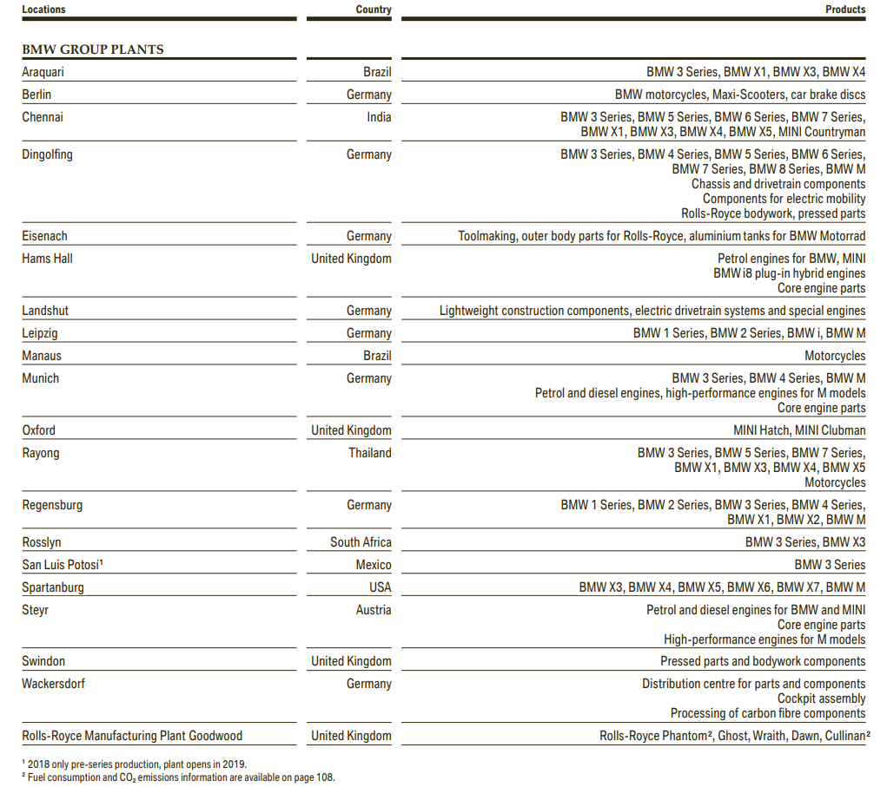

 | 2018
 | Facility | Associated Models | Calculation | Production
 | Dingolfing | BMW 5-Series PHEV, BMW 7-Series PHEV | 26,108 + 2,117 | 28,225
 | Leipzig | BMW 2-Series PHEV, BMW i3 BEV / EREV, BMW i8 PHEV | 14,125 + 34,047 + 2,910 | 51,082
 | Munich | BMW 3-Series PHEV | 15,662 | 15,662
 | Total |  |  | 94,969
 | Check |  |  | 94,969
 | Difference |  |  | 0

Audi
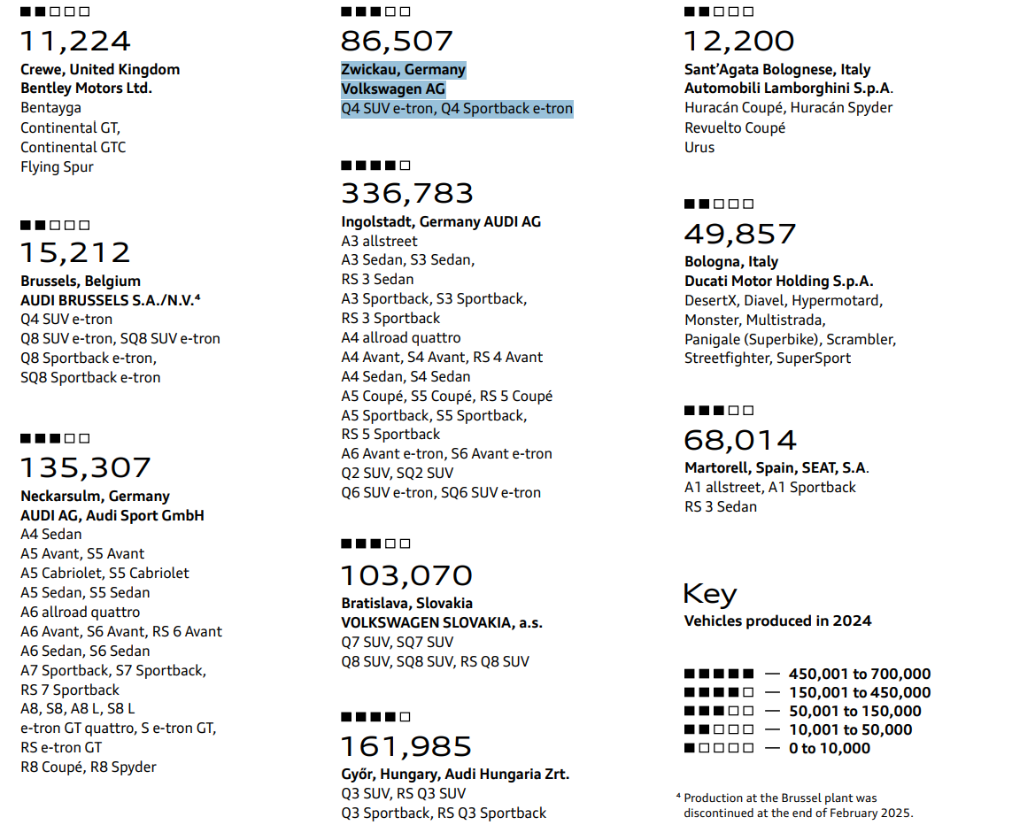
 |  |  |  |  |  |  | 2010 | 2011 | 2012 | 2013 | 2014 | 2015 | 2016 | 2017 | 2018 | 2019 | 2020 | 2021 | 2022 | 2023 | 2024
 |  |  |  |  | VW Group | Audi A3 PHEV |  |  |  |  | 705.00 | 12,163.00 | 11,307.00 | 11,879.00 | 7,810.00 | 753.00 | 12,185.00 | 23,094.00 | 19,588.00 | 15,004.00 | 20,877 | Audi A3 PHEV
 |  |  |  |  |  | Audi A5 PHEV |  |  |  |  |  |  |  |  |  |  |  |  |  |  | 21 | Audi A5 PHEV
 |  |  |  |  |  | Audi A6 e-tron BEV |  |  |  |  |  |  |  |  |  |  |  |  |  |  | 329 | Audi A6 e-tron BEV
 |  |  |  |  |  | Audi A6 PHEV |  |  |  |  |  |  |  |  |  | 31.00 | 8,252.00 | 10,232.00 | 7,125.00 | 10,047.00 | 8,770 | Audi A6 PHEV
 |  |  |  |  |  | Audi A7 PHEV |  |  |  |  |  |  |  |  | 66.00 | 116.00 | 2,142.00 | 1,818.00 | 401.00 | 960.00 | 847 | Audi A7 PHEV
 |  |  |  |  |  | Audi A8 PHEV |  |  |  |  |  |  |  |  | 47.00 | 126.00 | 868.00 | 1,056.00 | 740.00 | 915.00 | 869 | Audi A8 PHEV
 |  |  |  |  |  | Audi e-tron GT BEV |  |  |  |  |  |  |  |  |  |  |  | 6,594.00 | 9,723.00 | 11,166.00 | 7,848 | Audi e-tron GT BEV
 |  |  |  |  |  | Audi Q4 e-tron BEV |  |  |  |  |  |  |  |  |  |  |  | 21,051.00 | 49,373.00 | 87,044.00 | 91,951 | Audi Q4 e-tron BEV
 |  |  |  |  |  | Audi Q6 e-tron BEV |  |  |  |  |  |  |  |  |  |  |  |  |  |  | 15,082 | Audi Q6 e-tron BEV

Ingolstadt | A6 Avant e-tron, S6 Avant e-tron, Q6 SUV e-tron, SQ6 SUV e-tron
Neckarsulm | e-tron GT quattro, S e-tron GT, RS e-tron GT

Facility | Associated Models | Calculation | Production
Ingolstadt | Audi A6 e-tron BEV, Audi Q6 e-tron BEV | 329 + 15,082 | 15,411
Neckarsulm | Audi A6 PHEV, Audi A7 PHEV, Audi A8 PHEV, Audi e-tron GT BEV | 8,770 + 847 + 869 + 7,848 | 18,334
Zwickau | Audi Q4 e-tron BEV | 91,951 | 91,951
Other | Audi A3 PHEV, Audi A5 PHEV | 20,877 + 21 | 20,898 | ?
Total | – | – | 156,594

