Sheet1
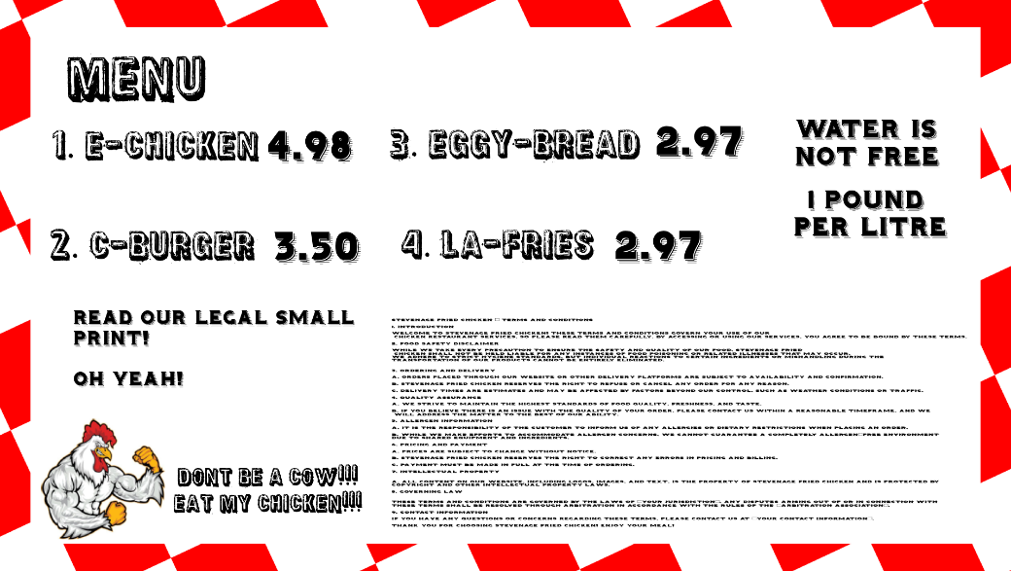
order no | items |  | total
1 | 1 |  | 4.98 |  | 4.98 | 2.97
2 | 5 |  | 17.5 |  | 3.5 | 2.97
3 | 5 |  | 14.85
4 | 3 |  | 8.91
 |  |  | 46.24

order no 1 | items | Time | order no 11 | items | Time |  | E-chicken | C-Burger | Eggy-bread | La-fries | 144 chicken pieces per hour
e chicken | 5 | 5 | e chicken | 8 | 10 | Profit Generated | 378.48 | 315 | 356.4 | 234.63 | 200 patties per hour
c - burger | 4 |  | c - burger | 8 |  | Units sold | 76 | 90 | 120 | 79 | 360 la fries per hour
eggy-bread | 3 | 3 | eggy-bread | 6 | 3 |  |  |  |  |  | 100 per hour
la-fries | 1 |  | la-fries | 3 |  | Least selling item | E-chicken
total | 50.78 |  | total | 94.57 |  | Average items sold per order | 18.15
total units | 13 |  | total units | 25 |  | Average sale per order | 63.9085
 |  |  |  |  |  | Most selling item | Eggy-bread
order no 2 | items |  | order no 12 | items |  | Most profit generating | E-chicken |  |  |  |  |  |  |  |  | ORDERS |  |  |  | PRIORITISATION
e chicken | 6 |  | e chicken | 6
c - burger | 4 |  | c - burger | 6 |  |  |  |  |  |  |  |  |  |  |  |  |  |  | Process | Priority | Average Time
eggy-bread | 2 | 3 | eggy-bread | 5 | 3 |  |  |  |  |  |  |  | Items | E-Chicken | C-Burger | Eggy Bread | Lafries | TOTAL
la-fries | 3 |  | la-fries | 7 |  |  |  |  |  |  |  |  |  |  |  |  |  |  | Making E -Burger
total | 58.73 |  | total | 86.52 |  |  |  |  |  |  |  |  | 1 | 5 | 4 | 3 | 1 | 50.78 | Frying Patties | Highest priority as The patty is the integral part of the meal and takes the longest to prepare. | 20 - 25 mins
total units | 15 |  | total units | 24 |  |  |  |  |  |  |  |  | 2 | 6 | 4 | 2 | 3 | 58.73 | Chopping up vegetables | This has Higher priority than adding sauce but less priority to the patty as this is fairly simple to do. | 10-15 minutes
 |  |  |  |  |  |  |  |  |  |  |  | Order NO | 3 | 4 | 2 | 12 | 2 | 68.5 | Adding sauce | This has Low priority as this is a task that’s optional as not everyone wants sauce. | 5 minutes
order no 3 | items |  | order no 13 | items |  |  |  |  |  |  |  |  | 4 | 2 | 2 | 4 | 3 | 37.35
e chicken | 4 |  | e chicken | 4 |  |  |  |  |  |  |  |  | 5 | 5 | 4 | 2 | 4 | 56.72 | Making E-Chicken
c - burger | 2 |  | c - burger | 4 |  |  |  |  |  |  |  |  | 6 | 1 | 1 | 3 | 1 | 20.36 | Cleaning the chicken | Very High Priority because making sure it is clean and hygenic is important. | 15 minutes
eggy-bread | 12 |  | eggy-bread | 13 |  |  |  |  |  |  |  |  | 7 | 4 | 2 | 3 | 3 | 44.74 | Seasoning and saucing up the chicken | Low priority as this can only be done when the chicken is cooked. | 5 minutes
la-fries | 2 |  | la-fries | 4 |  |  |  |  |  |  |  |  | 8 | 4 | 4 | 35 | 2 | 143.81 | Cooking the chicken | High Priority because the chicken pieces are the main part of th emeal | 20-25 minutes
total | 68.5 |  | total | 84.41 |  |  |  |  |  |  |  |  | 9 | 3 | 4 | 5 | 4 | 55.67 | Cutitng The chicken | Moderate priority as cutting is important | 5-10 minutes
total units | 20 |  | total units | 25 |  |  |  |  |  |  |  |  | 10 | 4 | 8 | 3 | 4 | 68.71
 |  |  |  |  |  |  |  |  |  |  |  |  | 11 | 8 | 8 | 6 | 3 | 94.57 | Making Eggy Bread
order no 4 | items |  | order no 14 | items |  |  |  |  |  |  |  |  | 12 | 6 | 6 | 5 | 7 | 86.52 | Preparing Eggs | Moderate priority because eggs need to be cracked and whisked. | 5-10 minutes
e chicken | 2 |  | e chicken | 6 |  |  |  |  |  |  |  |  | 13 | 4 | 4 | 13 | 4 | 84.41 | Preparing Bread | The Bread needed would have to be sorted out for th erecipe to work as intended. Moderate Priority | 5 minutes
c - burger | 2 |  | c - burger | 4 |  |  |  |  |  |  |  |  | 14 | 6 | 4 | 4 | 6 | 73.58 | Cooking the meal | High Priority, This is the most important part and lots of care is needed in this process. | 10-15 minutes
eggy-bread | 4 |  | eggy-bread | 4 |  |  |  |  |  |  |  |  | 15 | 1 | 4 | 1 | 6 | 39.77
la-fries | 3 |  | la-fries | 6 |  |  |  |  |  |  |  |  | 16 | 1 | 7 | 3 | 7 | 59.18 | Preparing La-Fries
total | 37.35 |  | total | 73.58 |  |  |  |  |  |  |  |  | 17 | 1 | 9 | 3 | 8 | 69.15 | Cutting up Potatoes | Moderate priority, as it involves preparation but not as critical as cooking. | 10-15 minutes
total units | 11 |  | total units | 20 |  |  |  |  |  |  |  |  | 18 | 5 | 5 | 4 | 3 | 63.19 | Cutting up Chicken leftovers | Low priority, as it's an additional step but not directly related to the main dish. | 5 minutes
 |  |  |  |  |  |  |  |  |  |  |  |  | 19 | 5 | 3 | 4 | 3 | 56.19 | Heating up Deep frier oil. | High priority, as it's crucial for frying and requires attention to safety. | 10-15 minutes
order no 5 | items |  | order no 15 | items |  |  |  |  |  |  |  |  | 20 | 1 | 5 | 5 | 3 | 46.24 | The frying | High priority, as it's the main cooking process and requires constant monitoring. | 15-20 minutes
e chicken | 5 |  | e chicken | 1 |  |  |  |  |  |  |  | TOTAL |  | 76 | 90 | 120 | 77 | 1278.17
c - burger | 4 |  | c - burger | 4
eggy-bread | 2 |  | eggy-bread | 1
la-fries | 4 |  | la-fries | 6
total | 56.72 |  | total | 39.77
total units | 15 |  | total units | 12

order no 6 | items |  | order no 16 | items
e chicken | 1 |  | e chicken | 1
c - burger | 1 |  | c - burger | 7
eggy-bread | 3 |  | eggy-bread | 3
la-fries | 1 |  | la-fries | 7
total | 20.36 |  | total | 59.18
total units | 6 |  | total units | 18

order no 7 | items |  | order no 17 | items
e chicken | 4 |  | e chicken | 1
c - burger | 2 |  | c - burger | 9
eggy-bread | 3 |  | eggy-bread | 3
la-fries | 3 |  | la-fries | 8
total | 44.74 |  | total | 69.15
total units | 12 |  | total units | 21

order no 8 | items |  | order no 18 | items
e chicken | 4 |  | e chicken | 5
c - burger | 4 |  | c - burger | 5
eggy-bread | 35 |  | eggy-bread | 4
la-fries | 2 |  | la-fries | 3
total | 143.81 |  | total | 63.19
total units | 45 |  | total units | 17

order no 9 | items |  | order no 19 | items
e chicken | 3 |  | e chicken | 5
c - burger | 4 |  | c - burger | 3
eggy-bread | 5 |  | eggy-bread | 4
la-fries | 4 |  | la-fries | 3
total | 55.67 |  | total | 56.19
total units | 16 |  | total units | 15

order no 10 | items |  | order no 20 | items
e chicken | 4 |  | e chicken | 1
c - burger | 8 |  | c - burger | 5
eggy-bread | 3 |  | eggy-bread | 5
la-fries | 4 |  | la-fries | 3
total | 68.71 |  | total | 46.24
total units | 19 |  | total units | 14

