OSD335-X Power Rails
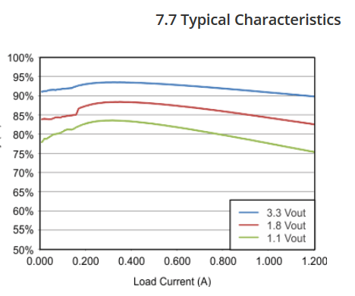
OSD335x-SM Family Power Budget

Input Power
Bus Name | Vin(min) | Vin(typ) | Vin(max) | I(typ) | I(max) | Notes
VIN_AC | 4.3 | 5 | 5.8 | See Power Estimation tool. | 2 | 5V*2A = 10W | Max rise time for input power rails is 50mS.
VIN_USB | 4.3 | 5 | 5.8 | See Power Estimation tool. | 1.3 | 5V*1.3A = 6.5W
VIN_BAT | 2.75 | 3.7 | 5.5 | See Power Estimation tool. | 2 | 3.7V*2A = 7.4W.

Output Power
Bus Name | Vout(min) | Vout(typ) | Vout(max) | I(typ) | I(max) | Notes
SYS_VDD1_3P3V | N/A | 3.4 | N/A | N/A | 0.5 | 1.7W
SYS_VDD2_3P3V | N/A | 3.3 | N/A | N/A | 0.5 | 1.65W
SYS_VDD3_3P3V | N/A | 3.3 | N/A | N/A | 0.1 | 0.33W
SYS_RTC_1P8V | N/A | 1.8 | N/A | N/A | 0.05 | 0.09W
SYS_VDD_1P8V | N/A | 1.8 | N/A | N/A | 0.1 | 0.18W
SYS_ADC_1P8V | N/A | 1.8 | N/A | N/A | 0.25 | 0.45W
VDDS_DDR | N/A | 1.5 | N/A | N/A | 0.025 | 0.038W
VDD_MPU | N/A | 1.1 | N/A | N/A | / | Reference only, not to be used to power any external circuitry.
VDD_CORE | N/A | 1.1 | N/A | N/A | / | Reference only, not to be used to power any external circuitry.
VDDS_PLL | N/A | 1.8 | N/A | N/A | / | Reference only, not to be used to power any external circuitry.

 |  |  |  |  |  | NOTE: Total power consumed should never surpass maximum input current, even if individual rail current maximum is respected.

Power Estimation Tool
WORST CASE TOTAL PWR | 1.03W | 0.206 A
WORST CASE EFFICIENCY LDO | 82% (approx.) at 0.206A |  |  | NOTE: If load current changes, use table from PMIC datasheet.
WORST CASE INPUT CURRENT | 0.206/0.82 | 0.251 A |  | NOTE: For worst-case scenario, I took the least efficient curve. Need better approximation.

