Muscle ATP & ATPase rate eqns
ATP mass in 1.0 kg wet muscle

[ATP] in mmol/L cell H2O | 8.2 | mM
muscle cell H2O per kg wet | 0.76 | L H2O/kg
[ATP] in mmol/kg wet muscle | 6.232 | mmol/kg wet

ATP Utilization Equations

1. Energy sensitive (inhibited by falling ATP)

% Computing ATP breakdown by energy sensitive ATPase
nH = 0.2;
ki = ((GA-5)/(8-5))^nH;

 |  | J_ATPase = Pa*GA*ATPase*ki;
 |  | Pa | 9806
 |  | ATPase | 2.50E-08
 |  | nH | 0.1
 |  | Baseline | 5
 |  | Range | 2

 |  | DGatp | GA | ki
 |  | 16.406 | 7.00 | 1.000
 |  | 16.171 | 6.90 | 0.995
 |  | 15.937 | 6.80 | 0.990
 |  | 15.703 | 6.70 | 0.984
 |  | 15.468 | 6.60 | 0.978
 |  | 15.234 | 6.50 | 0.972
 |  | 15.000 | 6.40 | 0.965
 |  | 14.765 | 6.30 | 0.958
 |  | 14.531 | 6.20 | 0.950
 |  | 14.297 | 6.10 | 0.942
 |  | 14.062 | 6.00 | 0.933
 |  | 13.828 | 5.90 | 0.923
 |  | 13.593 | 5.80 | 0.912
 |  | 13.359 | 5.70 | 0.900
 |  | 13.125 | 5.60 | 0.887
 |  | 12.890 | 5.50 | 0.871
 |  | 12.656 | 5.40 | 0.851
 |  | 12.422 | 5.30 | 0.827
 |  | 12.187 | 5.20 | 0.794
 |  | 11.953 | 5.10 | 0.741
 |  | 11.718 | 5.00 | 0.037

Rasmusssen-Saltin in vivo data
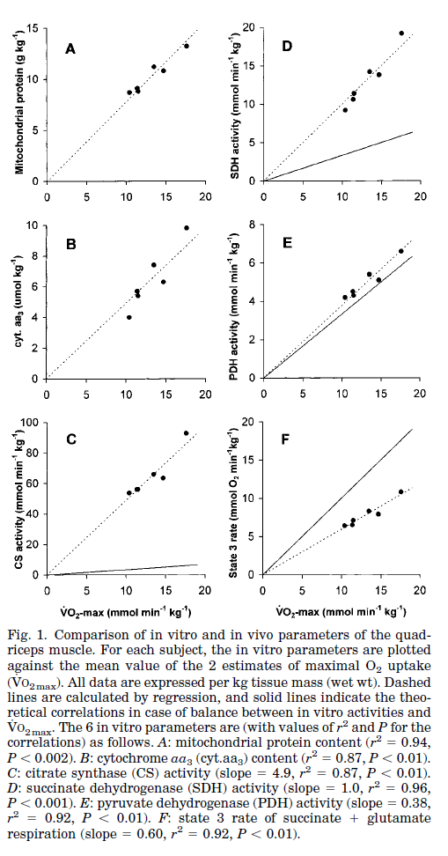
 | Rasmussen & Saltin Krogh ergometer data
 |  | VO2 per Kg wet |  | Quad mass | Max Po
 |  | mmol/min | ml/min | kg | W/kg
 | Exercise 1 | 12.6 | 282.2 | 2.4 | 28.0
 | Exercise 2 | 13.9 | 311.4

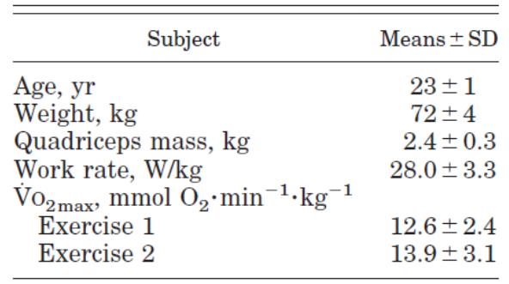
 | avg max VO2 | 13.3 | 297

 | maxJATP/kg & ATP pool turnover time at max
 | (5 mmol ATP/mmol O2) | 66.3 | mmol ATP/min/kg
 | [ATP] | 6.232 | mmol/kg | (see prev sht)
 | ATP turnover time | 0.094 | min
 | ATP turnover time | 5.6 | sec

 | Mito Content | 10.3 | g mito/kg wet muscle

 | App max mito JO2 | 1.29 | mmol O2/min/g mito
 | familiar units | 1286 | nmol O2/min/mg mito

 | Apparent Contractile Efficiency in Krogh Ergometer
if | DGATP at max = | -52 | J/mmol | (see Jeneson sheet)
then | max mito ATP Po | 57.4 | J/sec/kg | absolute value
since | leg actual Po | 28.0 | J/sec/kg
 | contractile efficiency | 0.49

Jeneson nmr in vivo data
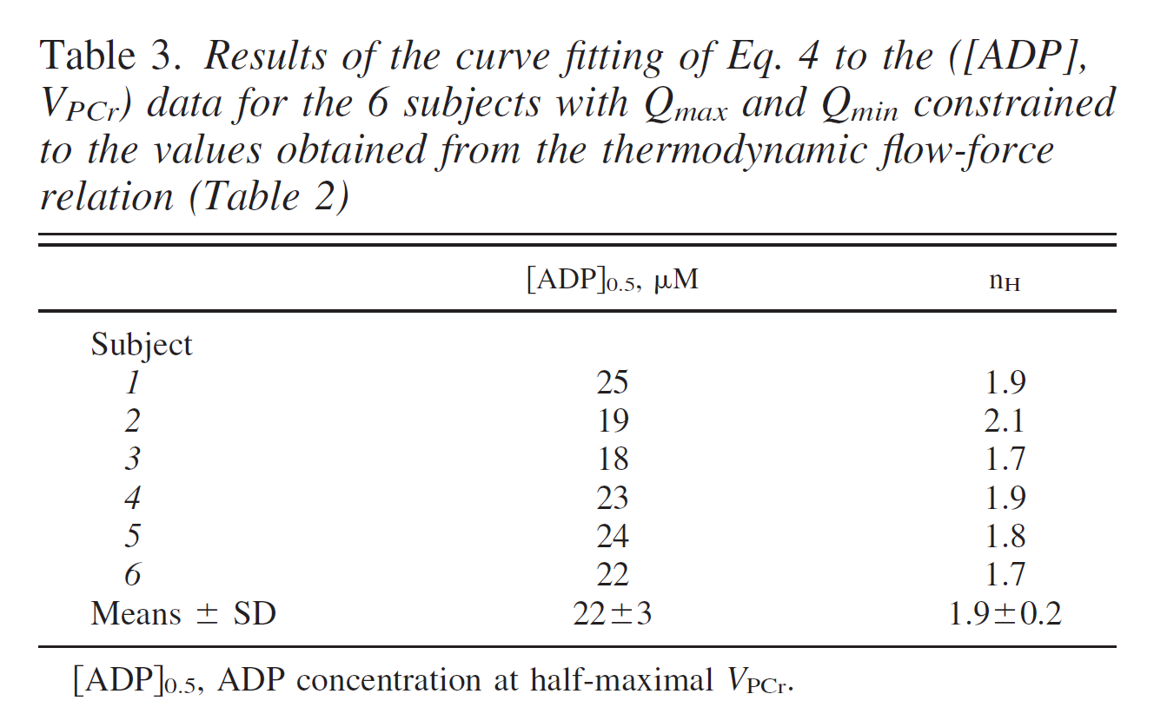
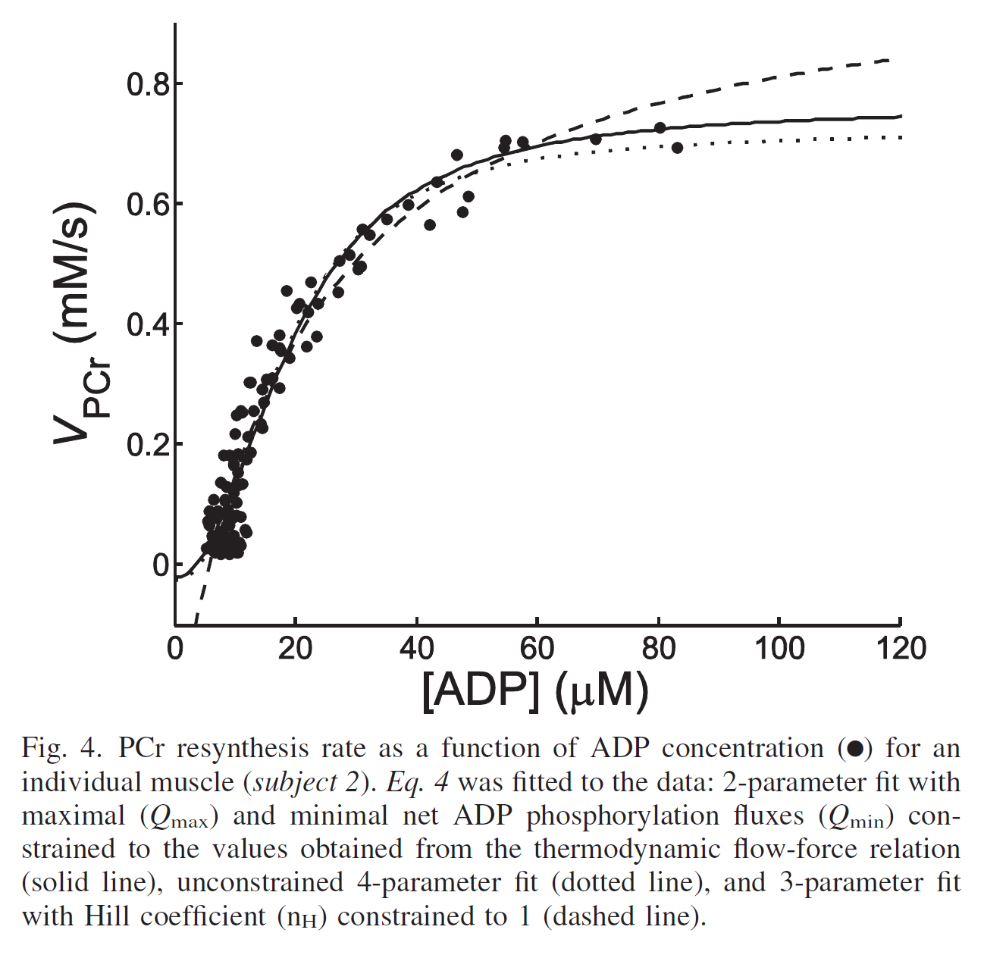
in vivo range of ATP free energy (31P-MRS)
kJ/mol | kcal/mol
-68 | -16.252
-52 | -12.428
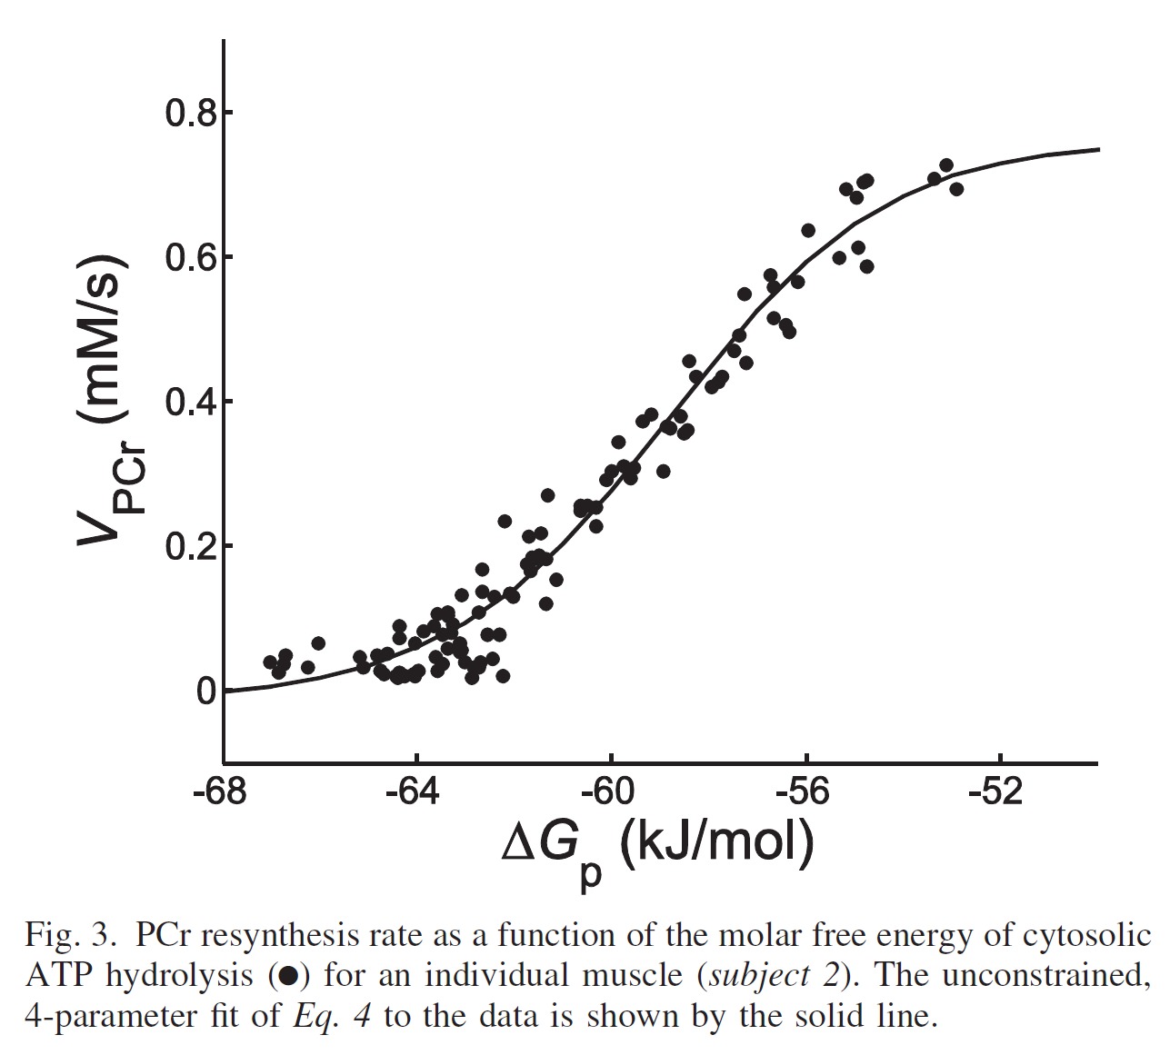
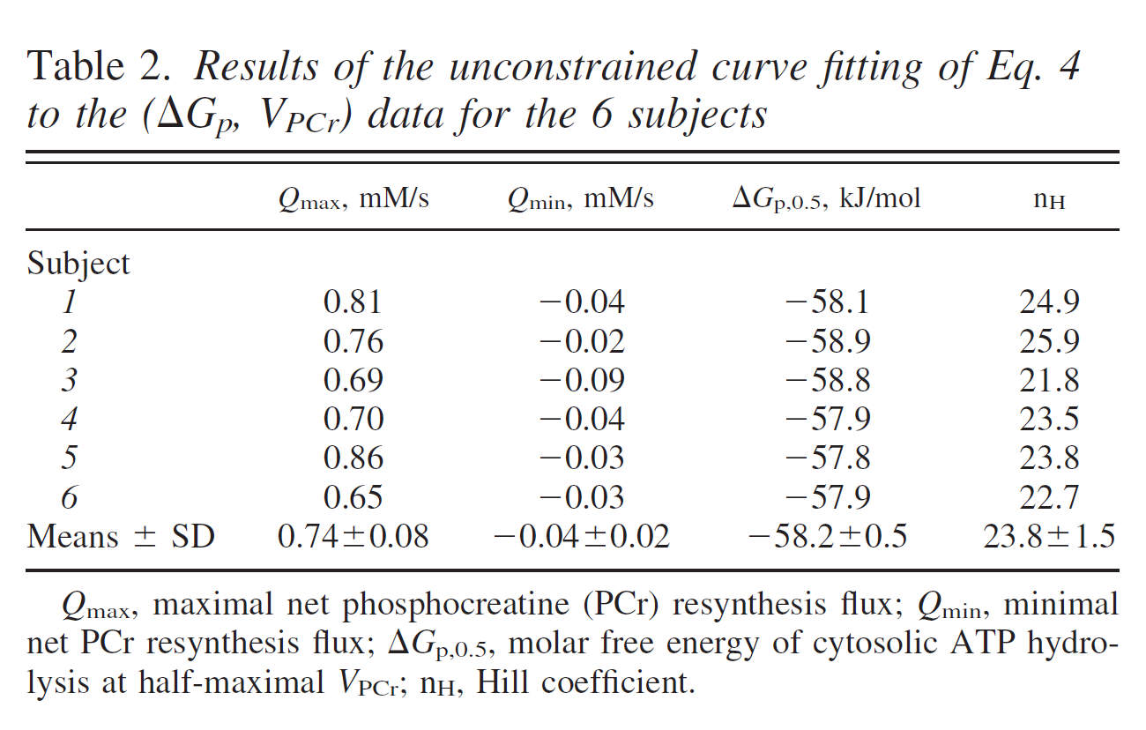
 |  |  | mmol ATP/L cell H2O |  | per kg wet muscle
 |  |  | mM/sec | mM/min | mmol/min/kg wet
Vmax | ATP production |  | 0.74 | 44.4 | 33.7

 |  | kJ/mol | kcal/mol | nH
Apparent "K0.5DGp" |  | -58.2 | -13.910133843 | 23.8

 |  | mM | nH
Apparent K0.5ADP |  | 22 | 1.9

Glancy isolated mito data
 |  |  |  | Glancy isolated mito
 | Stoichiometries |  |  | JO2 | Power Outputs (uW/mg)
 | 2e-/O | 1 |  | nmol/mg | ETC e- | H+ pumping | Jatp
 | H+/2e- | 10
 | H+/ATP | 3.67 |  | 123 | 889 | 796 | 652
 | ATP/O | 2.72 |  | 151 | 1089 | 969 | 790
 | ATP/O2 | 5.4 |  | 191 | 1374 | 1217 | 982
 |  |  |  | 225 | 1616 | 1423 | 1141
 |  |  |  | 261 | 1871 | 1634 | 1299 |  | Rasmussen & Saltin Krogh data
 |  |  |  |  |  |  |  |  |  | VO2 per Kg |  | Quad mass | Max Po
 |  |  |  | Glancy Scaled to 10 g mito/kg muscle |  |  |  |  |  | mmol/min | ml/min | kg | W/kg
 |  |  | JO2 (per min per kg) |  | Power Outputs (W/kg) |  |  |  | Exercise 1 | 12.6 | 282.2 | 2.4 | 28.0
 |  |  | mlO2 | mmol O2 | ETC e- | H+ pumping | Jatp |  | Exercise 2 | 13.9 | 311.4
 |  |  | 27.6 | 1.23 | 8.9 | 8.0 | 6.5
 |  |  | 33.8 | 1.51 | 10.9 | 9.7 | 7.9 |  | avg max VO2 | 13.3 | 297
 |  |  | 42.8 | 1.91 | 13.7 | 12.2 | 9.8
 |  |  | 50.4 | 2.25 | 16.2 | 14.2 | 11.4 |  | est max JATP | 66.3
 |  |  | 58.5 | 2.61 | 18.7 | 16.3 | 13.0 |  | (5 ATP/O2)
 | at state 3 (Jo = 460) |  | 103.0 | 4.60 | 33.0 | 28.8 | 22.9

assume contractile eff = 0.5 |  |  |  | max Po |  |  | 11.4 | W/kg

 |  | Rasmussen actual max Po |  |  |  |  | 28.0 | W/kg

 | Glancy JO2max |  | 103
 | in vivo JO2max |  | 297
 |  |  |  |  |  | in vivo/Glancy max values
 | therefore, in vivo mito/Glancy mito: |  |  |  |  | Power Output | 2.45
 |  |  |  |  |  | VO2max | 2.88
 | same energetic span of control for both
 | thus, Glancy conductance scaled up to 10 g mito/kg and then multiplied by 2.5

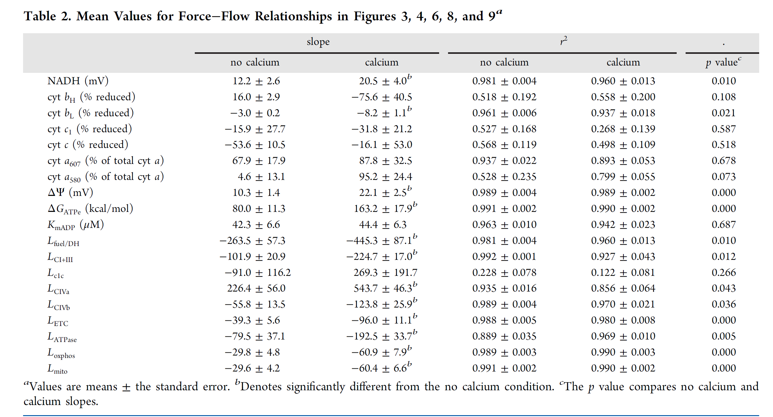
 | Glancy Lmito is the conductance from fuel to ATP in units of nmol O2/min/nmol cyt a per kcal driving force
 | That value = |  | 61 | nmol O2/min/nmol cyt a/kcal
 | nmol cyt a ~ mg mito protein
 | Assume 5 nmol ATP/nmol O2 and converting to nmol ATP/min/mg: |  |  |  |  |  | 305 | nmol ATP/min/mg/kcal
 | Scale up to 10 g mito/kg & mult by 2.5 |  |  |  |  | for 10 g mito/kg | 3.05 | mmol ATP/min/kg/kcal
 |  |  |  |  |  | then x 2.5 | 7.625 | mmol ATP/min/kg/kcal

Static Head Values
Glancy 2013 +Calcium Data
 | Redox |  | Dp |  | DGatp
18.966956044 | 123 | 17.005150067 | 123 | 13.943643032 | 123
18.927286593 | 151 | 16.869853 | 151 | 13.766407575 | 151
18.882658462 | 191 | 16.743012 | 191 | 13.516608229 | 191
18.859517949 | 225 | 16.616171 | 225 | 13.339372772 | 225
18.823154286 | 261 | 16.455505733 | 261 | 13.089573426 | 261
Hydraulic model simulating 1 kg mixed human muscle with 15 g mito/kg
 |  |  |  |  |  |  |  |  |  | Top & Bottom of Dp Tank |  |  |  |  |  |  |  | Comparison of Mito Max Jo In Vitro vs In Vivo
Tank Wall Heights |  |  |  | Viscosity of Water (h) |  |  |  |  |  | DY | DGH+ | x 11/3 |  |  |  |  |  | in vitro |  |  |  |  | Force | slope | y-intercpt
Fuel DH | 20 |  |  | 8.90E-03 | g cm-1 s-1 | Note: this is 1.0 Poise (1.0 P) |  |  |  | mV | cal/mol | cal |  |  |  |  |  | Mito Jo | in vivo |  |  |  | ETC | -975.42756286 | 18617.894281
Redox | 20 |  |  |  |  |  |  |  |  | 210 | 4843 | 17758 |  |  |  |  |  | nmol/mg | mg/g | nmol/mg | uL/g | umol/g | Dp | -258.18405498 | 4511.6687978
Dp | 18 |  |  |  |  |  |  |  |  | 170 | 3921 | 14375 |  |  |  |  |  | 480 | 15 | 744.0 | 250 | 11.16 | ATP | -163.70400915 | 2405.2987571
ATP-PCr | 15 |  |  |  |  |  |  |  |  | Top & Bottom of Redox tank
 |  |  |  |  |  |  | Eh |  | Eh | DEh | DGredox | x 2.7 |  |  |  |  |  | Glancy +Ca data expressed rel to ATP |  |  |  |  | Static Heads
 |  |  |  |  |  | NAD/NADH |  | O2/H2O |  | mV | cal/mol | cal |  |  |  |  |  | Flux | Affinities (kcal) |  |  |  | ETC | 19.087
 |  |  |  |  |  | 0.1 | -350.8 | 0.2 | 798.5 | 1149.3 | 53008 | 40.5 |  |  |  |  |  |  | Redox | Dp | DGatp |  | Dp | 17.475
 |  |  |  |  |  | 9 | -290.7 | 0.2 | 798.5 | 1089.2 | 50236 | 40.5 |  |  |  |  |  | 123 | 18.967 | 17.005 | 13.944 |  | ATP | 14.693
all forces, energy, power are in dyne-cm system until the end |  |  |  |  |  |  |  |  |  |  |  |  |  |  |  |  |  | 151 | 18.927 | 16.870 | 13.766
 |  |  |  | Pipe | Tank H2O Hts (cm) |  |  |  |  | Pressure | Power Out |  | Resistance | Conductance | Pipe Diameter |  |  | 191 | 18.883 | 16.743 | 13.517
 |  | Flow |  | Length |  |  | Delta h of tank hts cm H2O |  |  | head |  |  |  |  |  |  |  | 225 | 18.860 | 16.616 | 13.339
Segment |  | L/sec | ml/sec | cm | Tank Up | Tank Down |  |  |  | dyne cm-2 | erg/sec | Watt | ml cm-2 s-1 | cm^2 s ml-1 | cm | inch |  | 261 | 18.823 | 16.456 | 13.090
From | To |  |  |  |  |  | inch H2O | m H2O | cm H2O
Fuel | DGredox | 5.000 | 5000 | 10 | 1800 | 1600 | 78.7 | 2.00 | 200.0 | 1.96E+05 | 9.80E+08 | 98.0 | 39.20 | 0.026 | 0.55 | 0.217

DGredox | Dp | 5.000 | 5000 | 10 | 1600 | 1400 | 78.7 | 2.00 | 200.0 | 1.96E+05 | 9.80E+08 | 98.0 | 39.20 | 0.026 | 0.55 | 0.217

Dp | DGATP | 5.000 | 5000 | 10 | 1400 | 1200 | 78.7 | 2.00 | 200.0 | 1.96E+05 | 9.80E+08 | 98.0 | 39.20 | 0.026 | 0.55 | 0.217

Tank Dimensions
1 cm is 1 cal of driving force. So 1.0 meter = 1 kcal of driving force |  |  |  |  |  |  |  |  |  |  |  |  | Capacitance of 8 mM ATP at 13.5 cal/mmol |  |  |  | [ATP]
The bottom of the tanks is 12 m (because the bottom of DGATP in aerobic range ~ 12 kcal/mol. |  |  |  |  |  |  |  |  |  |  |  |  | 111 | cal |  |  | 8.2 | mM
 |  |  |  |  |  |  | at VO2max |  |  |  |  |  | 243 | L H2O in tank
 | Height | Bottom | Net | Width | Depth | Volume | turnover t | Capacitance Energy |  |  |  |  | 29.6 | L H2O/mmol ATP
 | cm | cm | cm | cm | cm | ml | sec | J | cal
Fuel |  |  |  |  |  |  |  |  |  |  |  |  | Capacitance of 32 mM ATP at 13.5 cal/mmol
Redox | 1900 |  |  |  |  |  |  |  |  |  |  |  | 432 | cal |  |  | 32 | mM
Dp | 1750 |  |  |  |  |  |  | 1.95 | 0.5 |  |  |  | 243 | L
ATP | 1500 | 1200 | 300 | 9 | 9 | 24300 | 4.86 | 465 | 111 | approx |  |  | 30.4 | L/mmol ATP
PCr | 1500 | 1200 | 300 | 51 | 51 | 780300 |  |  |  |  |  |  | Capacitance of Dp |  | (Wojtczak et al. BBA 851:313-321, 1986)
 |  |  |  |  |  | 777600 |  |  |  |  |  |  | 130 | uJ/mg mito
 |  |  |  | 3.54 |  |  |  |  |  |  |  |  | 130 | mJ/g
 |  |  |  | 20.08 |  |  |  |  |  |  |  |  | 1.95 | J/kg muscle | Assuming 15 g mito/Kg (see top of page)

 |  |  |  |  |  |  |  |  |  |  |  |  | Capacitance of Redox

 |  |  |  |  |  |  |  |  |  |  |  |  |  |  |  |  |  |  |  |  | 199.5

 |  |  |  |  |  |  |  |  |  |  |  |  |  |  |  |  |  |  | 32.3 | #REF!

 |  |  |  |  |  |  |  |  |  |  |  |  |  |  |  |  |  |  |  |  | 201.1

 |  |  |  |  |  |  |  |  |  |  |  |  |  |  |  |  |  |  | 28 | #REF!

