Sheet1
Event | Country
4 | Samarra Culture
6 | Old Kingdom Egypt
7 | Akkad
8 | Middle Kingdom Egypt
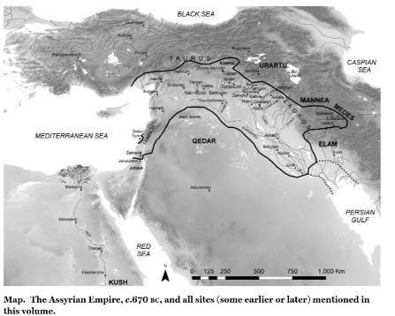
9 | Hyksos Invasion?
11 | Amarna Period - Egypt, Hittites, Mittani, Assyria, Babylon, Elam(?) | https://www.worldhistory.org/image/171/map-of-the-ancient-near-east-during-the-amarna-per/
10 | New Kingdom Egypt
12 | Battle of Qadesh - Egypt, Hittites
13 | ?
14
 | Samarran Culture 54
 | Add trade routes from middle east atlas page 112.
 | Page 126
 | Page 149 for amarna period
 | Page 151 New Kingdom Egypt
 | Sea peoples page 169
 | Fall of babylon to Elam page 171
 | Neo Assyrian Empire page 186
 | neo babylonian empire 237
 | Achaemenid Empire 228
 | Macedonian Empire 247
 | Death of Alexander page 261

 | old kingdom egypt 90
 | akkad 93
 | Middle kingdom egypt https://archive.org/details/historyofancient0000rome/page/324/mode/2up?view=theater | A history of ancient Egypt. Volume 2, From the Great Pyramid to the fall of the Middle Kingdom | page 324

