P-values explanation
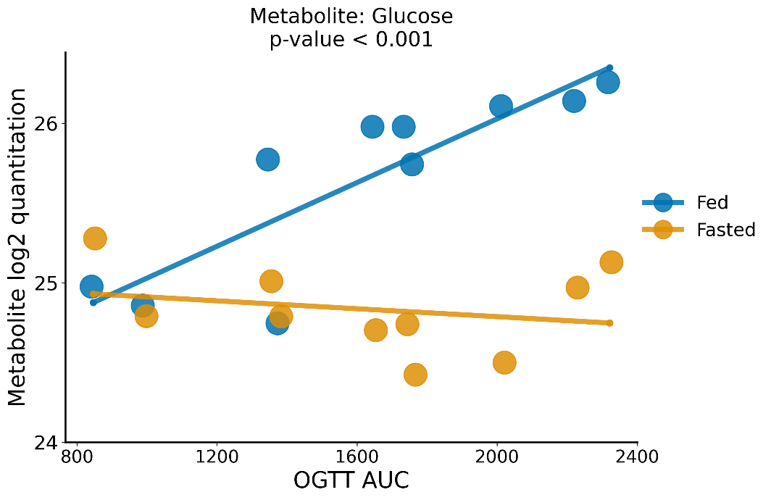
There are 3 q-value columns and 3 p-value columns
Please use the q-value columns. q-values are p-values that have been False Discovery Rate (FDR) corrected.

The 3 q-value columns are qval_sampling, qval_ogtt and qval_sampling:ogtt
If a metabolite or lipid is significant under sampling (q < 0.05) then it showed a significant difference in average quantitation between fasted and random-fed

If it is significant under ogtt then it showed an ability to predict a rat's OGTT AUC from the data.

If it is significant under ogtt:sampling, then this means the interaction term between OGTT and sampling is important.
To explain what this means: this could mean that the metabolite has strong predictive power with random-fed data and no predictive power with fasted data.
It could also mean that it has predictive power with only fasted data, and no predictive power with fed data (the opposite of above).
It could also mean that it has predictive power with both fasted and fed data, but that one sampling method has more power than another.

The easiest way to determine what the sampling:ogtt q-value means for one metabolite or lipid is to create a plot like the following glucose plot.
Each dot is the average of the 3 weeks of Fasted or Fed samples from one rat. The lines are best fit lines.
Glucose q-value for sampling = 9e-10, ogtt = 0.0017, sampling:ogtt = 0.00034
Here we see that Fed has predictive power (i.e. a non-zero slope) and Fasted has relatively little predictive power due to slope near zero.
Therefore we can say that Glucose becomes a metabolite with predictive power under random-feeding, whereas it has little under fasting.

