Sheet2
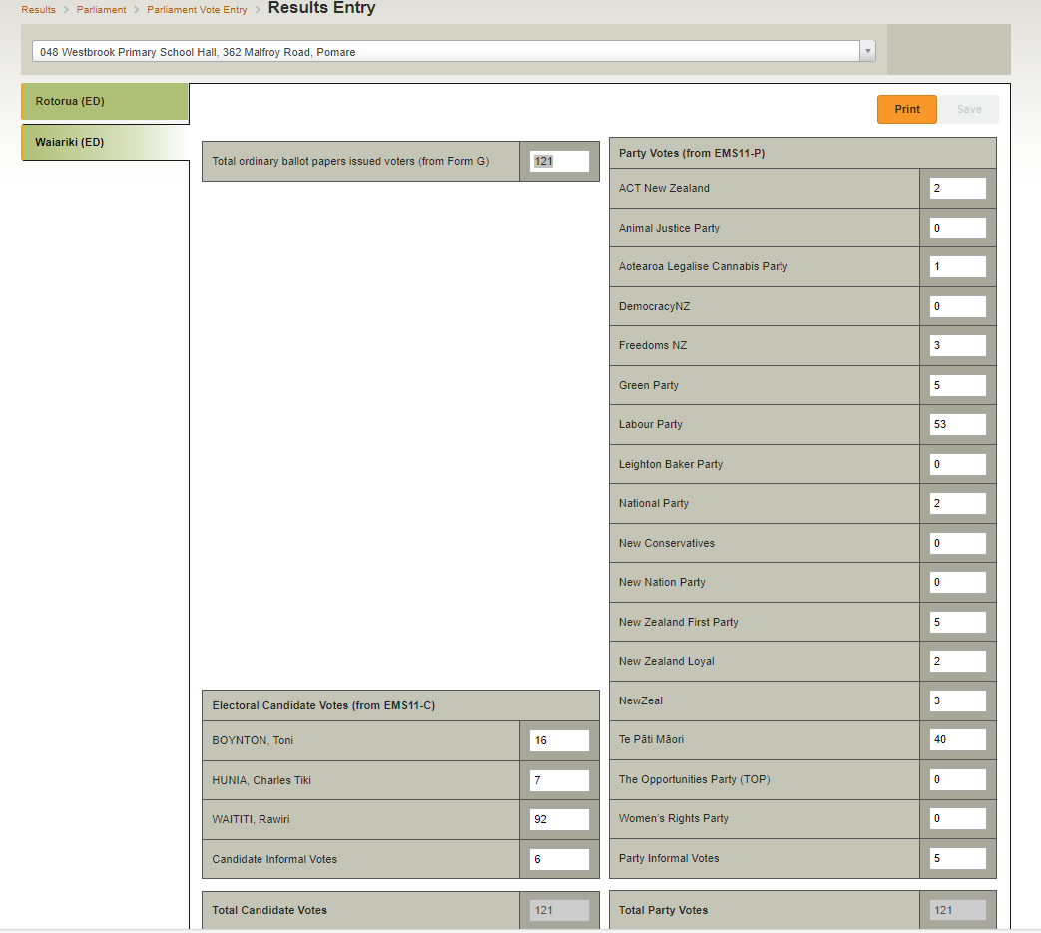
Edgecumbe Edgecumbe War Memorial Hall, 2 Kauri Street | 2 | 51 - E 014 | Kinloch Village Golf Club, 88 Kinloch Road, Kinloch | 10:47pm | 1 | 0 | 5 | 4 | 10 | 2
Katikati Pātuki Manawa Digital Hub, 21 Main Road | 2 | 07 - E 101 | Whakamarama Community Centre, 469 Whakamarama Road, Whakamārama | 9:12pm | 4 | 2 | 7 | 2 | 15 | 2
Matua Matua Community Hall, 124 Levers Road | 2 | 03 - A 015 | Oropi Memorial Hall and Community Centre, 1295 Oropi Road, Oropi (1) | 8:35pm | 7 | 1 | 10 | 0 | 18 | 2
Oropi Oropi Memorial Hall and Community Centre, 1295 Oropi Road | 2 | 52 - E 053 | St John's Anglican Church, 94 Bureta Road, Bureta | 9:31pm | 5 | 0 | 16 | 0 | 21 | 2
Taupō Taupō Town Centre, Retail Space, 40 Horomātangi Street | 2 | 52 - E 024 | Aquinas College, 183 Pyes Pa Road, Pyes Pa | 11:14pm | 10 | 3 | 25 | 1 | 39 | 2
Taupō Taupō Town Centre, Retail Space, 85 Tongariro Street | 2 | 52 - E 025 | Tauranga Crossing, first floor next to H&M, 2 Taurikura Drive, Tauriko | 11:23pm | 10 | 5 | 32 | 0 | 47 | 2
Tūrangi Tongariro Senior Citizens Hall, 83 The Town Centre | 2 | 52 - A 055 | Matua Community Hall, 124 Levers Road, Matua (1) | 7:38pm | 7 | 5 | 44 | 2 | 58 | 2
Bureta St John's Anglican Church, 94 Bureta Road | 2 | 44 - E 033 | Rotorua Primary School Hall, 1249 Arawa Street, Rotorua | 11:03pm | 9 | 1 | 53 | 5 | 68 | 2
Greerton Greerton Community Hall, 1247 Cameron Road | 2 | 44 - E 030 | Rotokawa School Hall, 6 Rotokawa Road, Ōwhata | 10:38pm | 12 | 2 | 58 | 2 | 74 | 2
Kinloch Kinloch Village Golf Club, 88 Kinloch Road | 2 | 51 - E 036 | Taupō Baptist Church Hall, (corner Rifle Range Road & Taupo View Road), Taupō | 9:52pm | 14 | 6 | 53 | 1 | 74 | 2
Ōwhata Rotokawa School Hall, 6 Rotokawa Road | 2 | 51 - E 020 | Mountview School, 31 Rangatira Street, Taupō | 10:22pm | 17 | 2 | 55 | 2 | 76 | 2
Pukehangi Aorangi Primary School Hall, 3 -13 Gem Street | 2 | 07 - A 109 | Pātuki Manawa Digital Hub, 21 Main Road, Katikati (1) | 7:54pm | 17 | 4 | 56 | 2 | 79 | 2
Pyes Pa Aquinas College, 183 Pyes Pa Road | 2 | 52 - E 022 | Greerton Community Hall, 1247 Cameron Road, Greerton | 11:19pm | 17 | 6 | 64 | 2 | 89 | 2
Rotorua Rotorua Primary School Hall, 1249 Arawa Street | 2 | 51 - A 008 | Taupō Town Centre, Retail Space, 85 Tongariro Street, Taupō (1) | 7:09pm | 24 | 2 | 72 | 3 | 101 | 2
Selwyn Heights Selwyn Primary School Hall, 17 Old Quarry Road | 2 | 44 - E 048 | Westbrook Primary School Hall, 362 Malfroy Road, Pomare | 1:32am | 16 | 7 | 92 | 6 | 121 | 2
Taupō Mountview School, 31 Rangatira Street | 2 | 09 - A 124 | Edgecumbe War Memorial Hall, 2 Kauri Street, Edgecumbe (1) | 7:33pm | 40 | 6 | 95 | 0 | 141 | 2
Taupō Taupō Baptist Church Hall, (corner Rifle Range Road & Taupo View Road) | 2 | 44 - E 034 | Selwyn Primary School Hall, 17 Old Quarry Road, Selwyn Heights | 10:51pm | 40 | 7 | 156 | 9 | 212 | 2
Tauriko Tauranga Crossing, first floor next to H&M, 2 Taurikura Drive | 2 | 51 - A 001 | Taupō Town Centre, Retail Space, 40 Horomātangi Street, Taupō (1) | 7:04pm | 42 | 11 | 166 | 7 | 226 | 2
Whakamārama Whakamarama Community Centre, 469 Whakamarama Road | 2 | 44 - E 001 | Aorangi Primary School Hall, 3 -13 Gem Street, Pukehangi | 12:12am | 54 | 10 | 172 | 4 | 240 | 2
 |  | 51 - A 047 | Tongariro Senior Citizens Hall, 83 The Town Centre, Tūrangi (1) | 7:19pm | 88 | 5 | 318 | 6 | 417 | 2

