PKH work- ignore
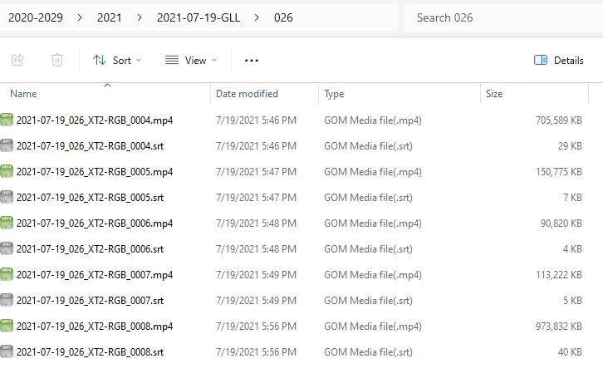
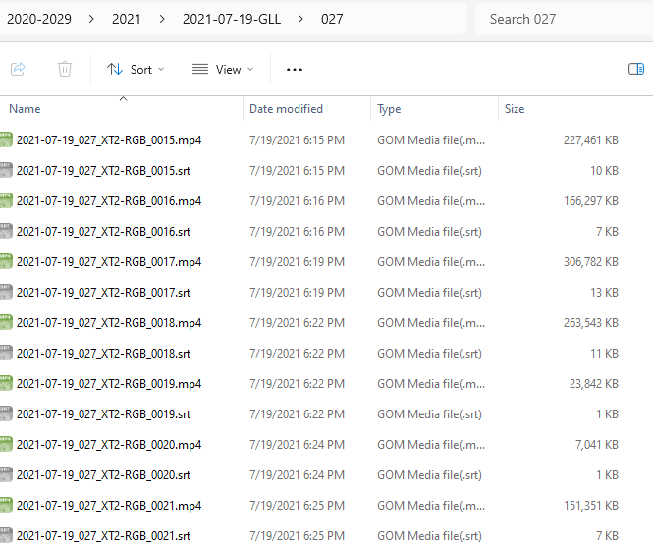
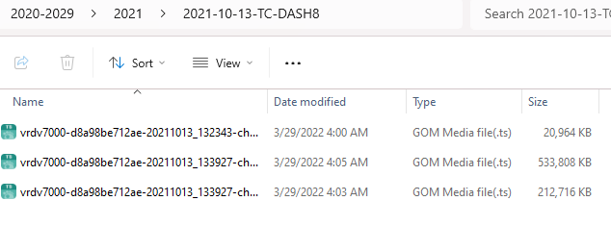
AssociationId | SightingYear | SightingMonth | SightingDay | ObserverCode | CountOfMediaCode
32062 | 2021 | 10 | 13 | TC/DASH8 | 8 | .ts files
31830 | 2021 | 7 | 19 | GLL-DR | 7 | big .mp4 files
32104 | 2021 | 7 | 17 | DFO/CP/G | 5
32045 | 2021 | 2 | 28 | WHOI/DR | 5
31969 | 2021 | 7 | 18 | CWR | 4 | 2 big mov files
31998 | 2021 | 7 | 28 | TC/DASH7 | 4 |  | 1
31970 | 2021 | 7 | 29 | TC/DASH7 | 3
32046 | 2021 | 2 | 28 | WHOI/DR | 3
31881 | 2021 | 6 | 8 | TC/DASH7 | 3
31908 | 2021 | 7 | 19 | DFO/CP/S | 3
32036 | 2021 | 8 | 9 | TC/DASH8 | 3

2 |  |  |  |  |  |  | 3

