notice
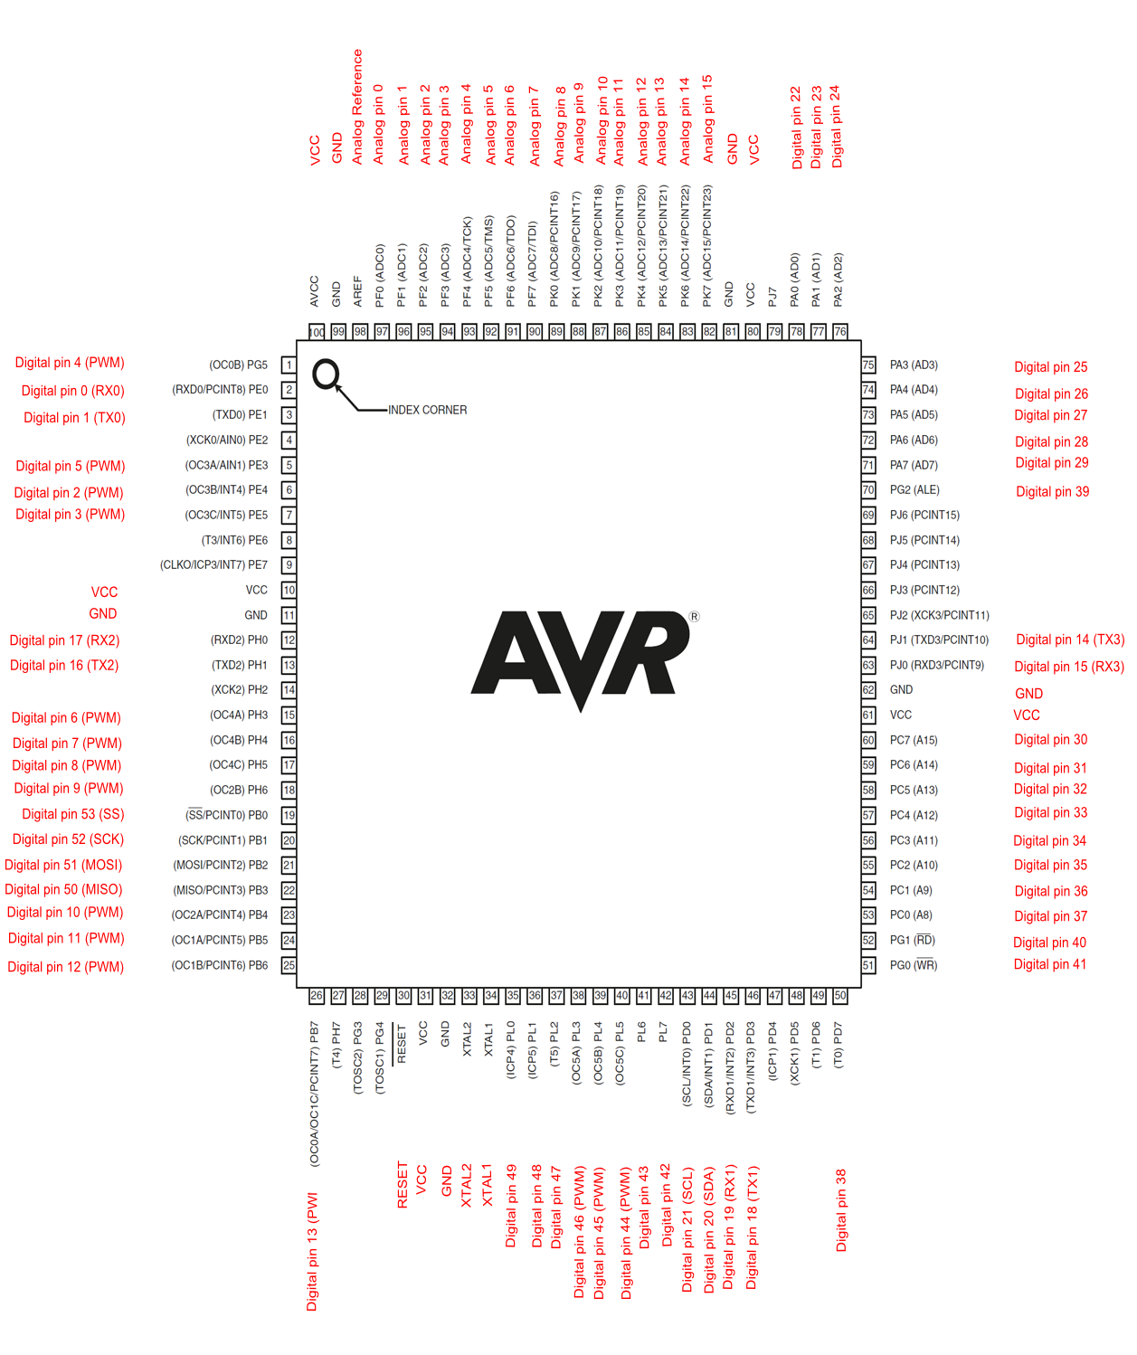

et voir pdf
ArduinoMega

