Tabelle1
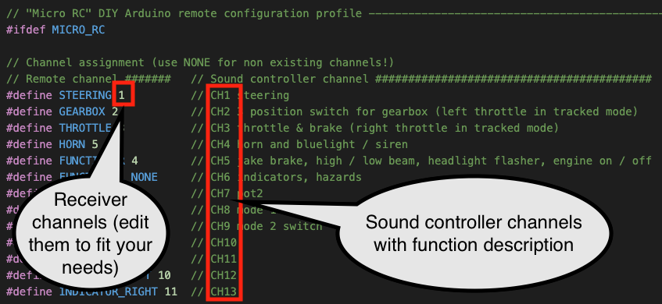
ESP32 sound controller |  |  |  |  |  |  | FLYSKY FS-i6X |  |  |  |  |  |  |  |  | Micro RC (WLTOYS pistol grip housing, connect it in SBUS communication mode)
Usable with, Header: |  |  |  | Type | Sound controller channel | Name | Joystick, button, potentiometer |  |  |  |  |  |  | Function |  | Joystick, button, potentiometer |  |  |  | Function
PWM | PPM | SBUS | IBUS |  |  |  | Remote channel | Réel | Name | Name | Direction | Direction | Duration | Switch A up (100% DR) | Switch A down (75% DR) | Remote channel | Name | Direction | Duration | Outer buttons (100% DR) | Inner button (75% DR)
Yes, CH1 - CH4, 35, PPM * | Yes, RX | Yes, RX | Yes, RX | analog or 3 position | 1 | STEERING | 1 | NONE | Stick horizontal right |  |  |  |  | Steering |  | 1 | Steering wheel |  |  | Steering
 |  |  |  |  | 2 | GEARBOX | 6 | NONE | Switch C (3 pos.) |  |  |  |  | Gearbox shifting |  | 2 | Switch (3 pos.) |  |  | Gearbox shifting
 |  |  |  |  | 3 | THROTTLE | 3 | 2 | Stick vertical left | Stick vertical right | "VrA" |  |  | Throttle & brake |  | 3 | Pistol grip |  |  | Throttle & brake
 |  |  |  |  | 4 | HORN | 5 | 5 | Pot B "VrB" | Pot A "VrA" |  |  |  | Horn, bluelight & siren / winch / trailer legs / trailer ramps |  | 5 | Pot |  |  | Horn, bluelight & siren
 |  |  |  |  | 5 | FUNCTION_R | 2 | 9 | Stick vertical right | Switch C | up | up | togggle long | High / low beam | light state up | 4 | 3 buttons with voltage divider resistors | left | togggle long | High / low beam | light state up
 |  |  |  |  |  |  |  |  |  |  |  |  | toggle |  |  |  |  |  | toggle
 |  |  |  |  |  |  |  |  |  |  |  |  | momentary | Headlights flasher |  |  |  |  | momentary | Headlights flasher
 |  |  |  |  |  |  |  |  |  |  | down | right | togggle long | volume (1 | Engine on / off |  |  | right | togggle long | volume (1 | not available
 |  |  |  |  |  |  |  |  |  |  |  |  | toggle |  |  |  |  |  | toggle
 |  |  |  |  |  |  |  |  |  |  |  |  | momentary | Jakebrake |  |  |  |  | momentary | Jakebrake
 |  |  |  |  | 6 | FUNCTION_L | 4 | NONE | Stick horizontal left |  | left | left | togggle long |  | hazards | 16 |  |  | togggle long
 |  |  |  |  |  |  |  |  |  |  |  |  | toggle | left indicator on / off |  |  |  |  | toggle
 |  |  |  |  |  |  |  |  |  |  |  |  | momentary |  |  |  |  |  | momentary
 |  |  |  |  |  |  |  |  |  |  | right | right | togggle long |  | 5th wheel unlocking (3 |  |  |  | togggle long
 |  |  |  |  |  |  |  |  |  |  |  |  | toggle | right indicator on / off |  |  |  |  | toggle
 |  |  |  |  |  |  |  |  |  |  |  |  | momentary |  |  |  |  |  | momentary
No |  |  |  |  | 7 | POT2 | 8 | NONE | Pot A "VrA" |  |  |  |  | not used |  | 16 |  |  |  | not available
 |  |  |  | latching 2 position | 8 | MODE1 | 7 | NONE | Switch D |  |  |  |  | Transmission neutral (2 |  | 6 | Mode 1 button |  |  | Transmission neutral (2
 | No |  |  |  | 9 | MODE2 | 9 | 8 | Switch B | Switch B |  |  |  | Sound 1 |  | 7 | Mode 2 button |  |  | Sound 1
 |  |  |  | momentary | 10 | MOMENTARY1 | 16 |  |  |  |  |  |  | not available (Switch A internally used for DR) |  | 8 | Lower "TH TRIM" button |  |  | Engine on / off
 |  |  |  | flags | 11 | HAZARDS | 16 |  |  |  |  |  |  | not available |  | 9 | Hazard |  |  | Internal signal, high, if transmitter off
 |  |  |  |  | 12 | INDICATOR_LEFT | 16 |  |  |  |  |  |  | not available |  | 10 | Left indicator |  |  | Internal signal, triggered by CH4, not used
 |  |  |  |  | 13 | INDICATOR_RIGHT | 16 |  |  |  |  |  |  | not available |  | 11 | Right indicator |  |  | Internal signal, triggered by CH4, not used

* Wire your PWM channel servo jumper wires: |  |  |  |  |  |  | DR = Dual Rate (signal range, 100% = 1000 - 2000ms, 75% = 1125 - 1875ms) |  |  |  |  |  |  |  |  | 3 buttons wired to analog channel (instead of a pot) according to:
from "Sound controller channel" |  |  |  |  |  |  | Switch A is transmitter internally used for DR switching: CH2 & 4 "Normal" = 100, "Sport" = 75: >Functions setup > Dual rate/exp. |  |  |  |  |  |  |  |  | 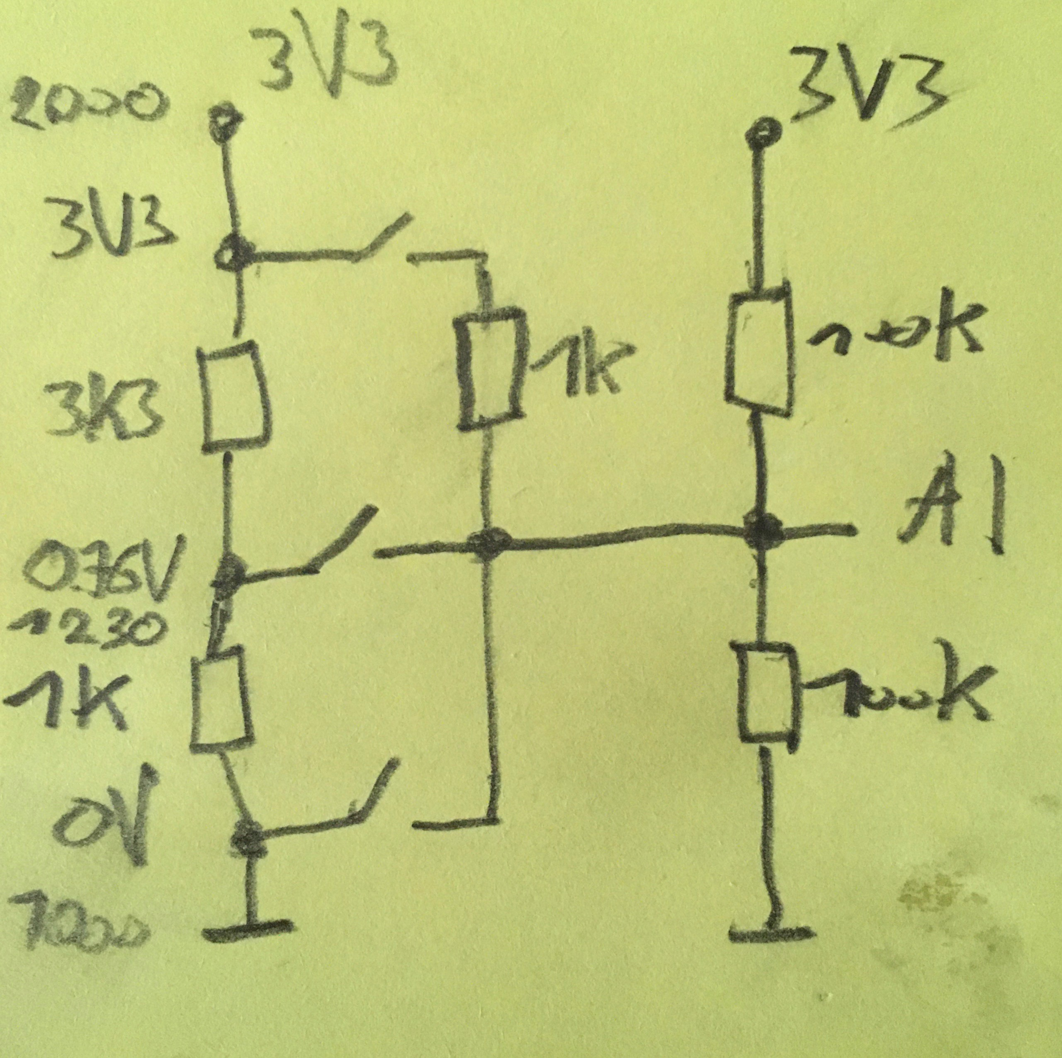
to "Remote channel" with same number
 |  |  |  |  |  |  | All transmitter switches and pots (called Aux. channels) need to be assigned according to the "Remote Channels" above: >Functions setup > Aux. Channels. If your assignment is different, change the "Remote channel" accordingly in "adjustmentsRemote.h"
General notes: Every remote like "FLYSKY FS-i6S", "Micro RC" has ist own configuration section in "adjustmentsRemote.h" just uncomment the configuration you want. If you have a different remote, you can also make your own preset and edit it accordingly. Changing the main code for channel assignment is not required anymore. Note, that the PPM input was moved to the "RX" header NEVER connect servos to the CH headers in PWM mode

 |  |  |  |  |  |  | Note, that your throttle joystick needs to have a spring loaded self centering. You can add it easily by using the "Flysky i6S FS-i6S Self Centering Throttle Change Part" kit

 |  |  |  |  |  |  | (1 = only active while standing still
 |  |  |  |  |  |  | (2 = only, if TRANSMISSION_NEUTRAL is defined (If Mode1 is not in use for other things like Micro RC 2 speed shifting)

 |  |  |  |  |  |  | (3 = not in PWM communication mode. Connect servo to CH4 header

