Bill of Quantities
Bill of Quantities |  |  | Specifications |  |  |  |  |  |  |  |  | Item costs |  |  | Project costs | Cost database |  |  |  |  |  |  | Orderlist |  |  |  | 14.34 | 15.11 |  | 0.77 | 5.10%
# | Unit | Item | Width (mm) | Height (mm) | Length (mm) | Volume (m3) | Weight (kg) | Carbon storage (kg CO2) | Labour (min) | Structure | Type | Item cost ($) | Labour cost ($) | Total cost ($) |  | Kampala, Uganda | West Nile, Uganda | Beira, Mozambique | Maputo, Mozambique | Accra, Ghana | Arusha, Tanzania | Nairobi, Kenya | Sawn from | Gross fraction | Sum | Loss | Net vol | Gross vol | Gross vol / item | Project loss | Loss percentage

Project name
Project Location |  | Greater Kampala (<100km from factory)
Client name |  | Example calculation

Country parameters |  | Description | Value
 |  | Selected location | Kampala, Uganda
 |  | Country | Uganda
 |  | Distance from sawmill | 100
 |  | Forestry partner | Green Resources, Jinja
 |  | Timber species | Pinus caribaea
 |  | Price per m3 (normal - ex vat, ex mill) | $252.00 |  | Offcut loss | 1.000 | Bulk price | $252.00
 |  | Price per m3 (profiled) | $260.00 |  | Offcut loss | 1.000 | Bulk price | $260.00
 |  | Timber density (wet) | 561
 |  | Moisture content | 12%
 |  | Timber density (dry) | 493
 |  | Carpenter cost (day) | $15.00
 |  | Carbon storage in CO2 per kg dry timber | 1.833

Screws and fasteners |  |  |  |  |  |  |  |  |  |  |  |  |  |  |  | Now calculating with mostly local prices
2600 | pcs | Screw 3.5x40 small head screw SHS3540 | 3.5 |  | 40 | 0.00000038 | 0.0 |  | 1 | Screw | Flooring | $0.05 | $0.03 | $0.08 | $201.62 | $0.046 | $0.05 | $0.05 | $0.05 | $0.05 | $0.05 | $0.05 | Screw specs from Rotho Blaas now assumed with 25% import tax, 15% withholding tax, and 25% freight costs (USD 500 on USD 2500 order) across markets. VAT is added separately per country.
0 | pcs | Screw 3.5x50 stainless small head screw SHS3550AS | 3.5 |  | 50 | 0.00000048 | 0.0 |  | 1 | Screw | Decking / Facade | $0.07 | $0.03 | $0.10 | $0.00 | $0.070 | $0.07 | $0.07 | $0.07 | $0.07 | $0.07 | $0.07 | Screw specs from Rotho Blaas now assumed with 25% import tax, 15% withholding tax, and 25% freight costs (USD 500 on USD 2500 order) across markets. VAT is added separately per country.
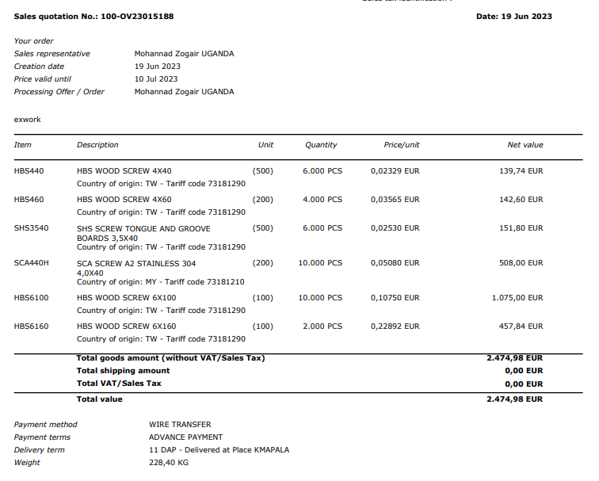
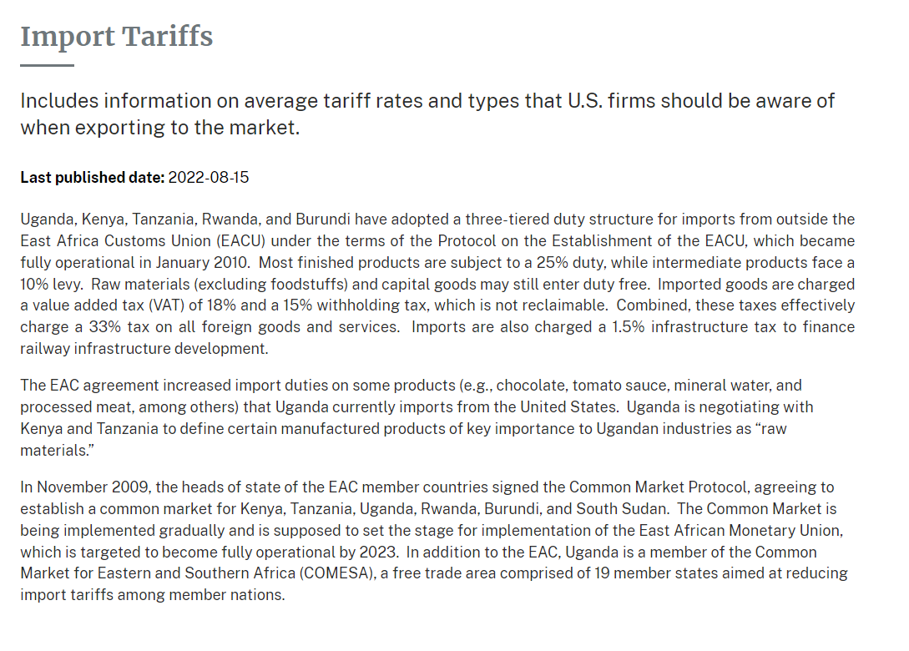
0 | pcs | Screw 4 x 50 Stainless A2 SCA450 | 4 |  | 50 | 0.00000063 | 0.0 |  | 1 | Screw | Outdoor | $0.10 | $0.03 | $0.13 | $0.00 | $0.102 | $0.10 | $0.10 | $0.10 | $0.10 | $0.10 | $0.10 | Import factor
6102 | pcs | Screw 4x40 semi threaded HBS440 | 4 |  | 40 | 0.00000050 | 0.0 |  | 1 | Screw | Boards | $0.01 | $0.03 | $0.04 | $263.91 | $0.012 | $0.01 | $0.01 | $0.01 | $0.01 | $0.01 | $0.01 | 1.829942943
3509 | pcs | Screw 4x60 semi threaded HBS460 | 4 |  | 60 | 0.00000075 | 0.0 |  | 1 | Screw | Back Battens | $0.02 | $0.03 | $0.05 | $172.83 | $0.018 | $0.02 | $0.02 | $0.02 | $0.02 | $0.02 | $0.02
0 | pcs | Screw 5x80 semi threaded HBS580 | 5 |  | 80 | 0.00000157 | 0.0 |  | 1 | Screw | Frames | $0.15 | $0.03 | $0.18 | $0.00 | $0.146 | $0.15 | $0.15 | $0.15 | $0.15 | $0.15 | $0.15
949 | pcs | Screw 6x100 semi threaded HBS6100 | 6 |  | 100 | 0.00000283 | 0.0 |  | 1 | Screw | Frames | $0.06 | $0.03 | $0.09 | $86.60 | $0.060 | $0.06 | $0.06 | $0.06 | $0.06 | $0.06 | $0.06
2574 | pcs | Screw 6x120 semi threaded HBS6120 | 6 |  | 120 | 0.00000339 | 0.0 |  | 1 | Screw | Frames | $0.06 | $0.03 | $0.09 | $234.92 | $0.060 | $0.06 | $0.06 | $0.06 | $0.06 | $0.06 | $0.06
104 | pcs | Screw 6x160 semi threaded HBS6160 | 6 |  | 160 | 0.00000452 | 0.0 |  | 1 | Screw | Frames | $0.42 | $0.03 | $0.45 | $46.82 | $0.419 | $0.42 | $0.42 | $0.42 | $0.42 | $0.42 | $0.42
523 | pcs | Corrugated roof screw 67 mm | 6 |  | 67 | 0.00000189 | 0.0 |  | 1 | Screw | Roofing | $0.12 | $0.03 | $0.15 | $77.76 | $0.118 | $0.12 | $0.12 | $0.12 | $0.12 | $0.12 | $0.12

Foundation materials
25 | pcs | Foundation block | 300 | 400 | 300 | 0.036 | 86.4 | 0.0 | 180 | Foundation | Point | $0.00 | $5.63 | $5.63 | $140.63 | $0.00 | $0.00 | $0.00 | $0.00 | $0.00 | $0.00 | $0.00
8 | pcs | Cement Bag 50 kg |  |  |  |  |  | -0.6 |  | Foundation | Cement | $8.59 | $0.00 | $8.59 | $64.42
1 | tonnes | Sand per tonne |  |  |  |  |  |  |  | Foundation | Anchor | $12.16 | $0.00 | $12.16 | $9.12
1 | tonnes | Aggregates per tonne |  |  |  |  |  |  |  | Foundation | Anchor | $62.16 | $0.00 | $62.16 | $62.16
100 | pcs | M12 rod 200 mm (stainless steel) | 16 |  | 250 | 0.00005027 |  |  |  | Foundation | Rod | $3.00 | $0.00 | $3.00 | $300.00
200 | pcs | M12 nut (stainless steel) | 24 | 24 | 13 |  |  |  |  | Foundation | Nut | $0.40 | $0.00 | $0.40 | $80.00
200 | pcs | M12 washer (stainless steel) | 30 |  | 3 |  |  |  |  | Foundation | Washer | $0.20 | $0.00 | $0.20 | $40.00
100 | pcs | M12 drop anchor | 20 |  | 65 |  |  |  |  | Foundation | Anchor | $1.00 | $0.00 | $1.00 | $100.00
3 | pcs | Y12 bar 12 metres | 12 |  | 12000 | 0.00135717 |  |  |  | Foundation | Rebar | $10.31 | $0.00 | $10.31 | $25.77
3 | pcs | 8 mm rebar 12 metres | 8 |  | 12000 | 0.00060319 |  |  |  | Foundation | Rebar | $2.75 | $0.00 | $2.75 | $6.87
5 | pcs | Binding wire per kg | 12 |  | 12000 | 0.00135717 |  |  |  | Foundation | Wire | $1.62 | $0.00 | $1.62 | $8.11
5 | liter | Used engine oil per liter |  |  |  |  |  |  |  | Foundation | Oil | $0.69 | $0.00 | $0.69 | $3.44
50 | pcs | Foundation plate 5 x 100 x 250 mm (redoxide coated) | 100 | 5 | 250 | 0.0001250 |  |  | 15 | Foundation | Plate | $4.10 | $0.47 | $4.57 | $228.31

Timber and boards
0 | pcs | Gypsum board 10 x 1220 x 2440 | 10 | 1220 | 2440 | 0.030 | 23.8 |  | 10 | Board | Gypsum | $8.00 |  |  |  | $10.00 | $10.00
11 | pcs | Cement fibre board 10 x 1220 x 2440 | 10 | 1220 | 2440 | 0.030 | 40.2 |  | 20 | Board | Cement Fibre | $16.00 |  |  | $176.00
0 | pcs | Plywood 6 x 1220 x 2440 | 6 | 1220 | 2440 | 0.018 | 9.1 | 14.7 | 10 | Board | Plywood | $8.00 | $0.31 | $8.31 | $0.00 | $8.00 | $8.00 | $10.00 | $10.00 | $14.73 | $8.30
36 | pcs | Plywood 9 x 1220 x 2440 | 9 | 1220 | 2440 | 0.027 | 13.7 | 22.0 | 10 | Board | Plywood | $7.79 | $0.31 | $8.10 | $291.60 | $7.79 | $7.80 | $15.00 | $15.00 | $14.73 | $12.45 | $9.34
104 | pcs | Plywood 12 x 1220 x 2440 | 12 | 1220 | 2440 | 0.036 | 18.2 | 29.4 | 10 | Board | Plywood | $12.14 | $0.31 | $12.45 | $1,292.39 | $12.14 | $12.15 | $18.33 | $18.33 | $17.18 | $15.22 | $14.57
0 | pcs | Plywood 18 x 1220 x 2440 | 18 | 1220 | 2440 | 0.054 | 27.3 | 44.1 | 10 | Board | Plywood | $20.00 | $0.31 | $20.31 | $0.00 | $20.00 | $20.00 | $25.00 | $25.00 | $23.43 | $20.75

15.1 | cbm | Timber - dried, treated and planed | 1000 | 1000 | 1000 | 1.000 | 561.0
98 | pcs | Wall Beam 46 x 71 x 2450 | 46 | 71 | 2450 | 0.0080017 | 4.5 | 7.2 |  | Wall | Beam
130 | pcs | Wall Beam 46 x 71 x 3650 | 46 | 71 | 3650 | 0.0119209 | 6.7 | 10.8 |  | Wall | Beam
55 | pcs | Roof Beam 46 x 96 x 2450 | 46 | 96 | 2450 | 0.0108192 | 6.1 | 9.8 |  | Roof | Beam
3 | pcs | Roof Beam 46 x 96 x 4250 | 46 | 96 | 4250 | 0.018768 | 10.5 | 17.0 |  | Roof | Beam
61 | pcs | Roof Beam 46 x 96 x 5750 | 46 | 96 | 5750 | 0.025392 | 14.2 | 22.9 |  | Roof | Beam
96 | pcs | Floor Beam 46 x 146 x 2450 | 46 | 146 | 2450 | 0.0164542 | 9.2 | 14.9 |  | Floor | Beam
40 | pcs | Floor Beam 46 x 146 x 3050 | 46 | 146 | 3050 | 0.0204838 | 11.5 | 18.5 |  | Floor | Beam
0 | pcs | Floor Beam 46 x 146 x 5450 | 46 | 146 | 5450 | 0.0366022 | 20.5 | 33.1 |  | Floor | Beam
0 | pcs | Timber Column 100 x 100 x 3050 | 100 | 100 | 3050 | 0.0305 | 17.1 | 27.6 |  | Timber | Column
309 | pcs | Timber Back Batten 22 x 46 x 2450 | 22 | 46 | 2450 | 0.0024794 | 1.4 | 2.2 |  | Timber | Back Batten
16 | pcs | Timber Back Batten 22 x 46 x 3050 | 22 | 46 | 3050 | 0.0030866 | 1.7 | 2.8 |  | Timber | Back Batten
550 | pcs | Timber Floor Plank 22 x 96 x 2450 | 22 | 96 | 2450 | 0.0051744 | 2.9 | 4.7 |  | Timber | Floor Plank
0 | pcs | Timber Decking Plank 22 x 96 x 2450 | 22 | 96 | 2450 | 0.0051744 | 2.9 | 4.7 |  | Timber | Decking Plank
513 | pcs | Timber Facade Plank 22 x 96 x 3050 | 22 | 96 | 3050 | 0.0064416 | 3.6 | 5.8 |  | Timber | Facade Plank
0 | pcs | Timber Facade Plank 22 x 96 x 3650 | 22 | 96 | 3650 | 0.0077088 | 4.3 | 7.0 |  | Timber | Facade Plank
14 | pcs | Timber Fascia Board 22 x 146 x 5450 | 22 | 146 | 5450 | 0.0175054 | 9.8 | 15.8 |  | Timber | Fascia Board
19 | pcs | Timber Fascia Board 22 x 196 x 5450 | 22 | 196 | 5450 | 0.0235004 | 13.2 | 21.2 |  | Timber | Fascia Board
30 | pcs | Interior Door Beams 50 x 150 x 2450 | 50 | 150 | 2450 | 0.018375 | 10.3 | 16.6 |  | Interior Door | Beams

Others
130.6 | sqm | Roof sheets per sqm | 1000 | 50 | 1000 | 0.050 |  |  | 30 |  |  | $10.70 | $0.94 | $11.64 | $1,520.20 | $10.70 | $10.70 | $11.00 | $11.00 | $12.00 | $12.00 | $12.84
23.7 | sqm | Aluminium window frames per sqm | 1000 | 70 | 1000 | 0.070 | 25.0 |  | 0 | Windows | Aluminium | $160.00 | $0.00 | $160.00 | $3,792.00 | $160.00 | $160.00 | $170.00 | $170.00 | $170.00 | $100.00 | $192.00
108 | sqm | Aluminium roof insulation membrane per sqm | 1000 | 4 | 1000 | 0.004 | 0.2 |  | 6 | Insulation | Membrane | $1.60 | $0.19 | $1.79 | $193.05 | $1.60 | $2.75 | $2.75 | $2.75 | $2.75 | $2.75 | $1.92
83 | sqm | Glass wool insulation (per sqm) | 1000 | 50 | 1000 | 0.050 | 2.0 | 3.7 | 10 | Insulation | Glass wool | $3.60 | $0.31 | $3.91 | $324.50 | $3.60 | $3.60 | $4.50 | $4.50 | $4.50 | $4.50 | $4.32

Beams and planks
32 | pcs | Floor Main Beam 46 x 146 x 2442 | 46 | 146 | 2442 | 0.016 | 9.2 | 14.8 | 5 | Floor | Main Beam | $4.15 | $0.16 | $4.30 | $137.69 |  |  |  |  |  |  |  | Floor Beam 46 x 146 x 2450 | 1 | 32 | 0.33% | 0.525 | 0.527 | 0.016 | 0.002
40 | pcs | Floor Sub Beam 46 x 146 x 2342 | 46 | 146 | 2342 | 0.016 | 8.8 | 14.2 | 5 | Floor | Sub Beam | $4.15 | $0.16 | $4.30 | $172.11 |  |  |  |  |  |  |  | Floor Beam 46 x 146 x 2450 | 1 | 40 | 4.41% | 0.629 | 0.658 | 0.016 | 0.029
40 | pcs | Floor Sub Beam 46 x 146 x 2952 | 46 | 146 | 2952 | 0.020 | 11.1 | 17.9 | 5 | Floor | Sub Beam | $5.16 | $0.16 | $5.32 | $212.73 |  |  |  |  |  |  |  | Floor Beam 46 x 146 x 3050 | 1 | 40 | 3.21% | 0.793 | 0.819 | 0.020 | 0.026
0 | pcs | Floor Sub Beam 46 x 146 x 1121 | 46 | 146 | 1121 | 0.008 | 4.2 | 6.8 | 5 | Floor | Sub Beam | $2.07 | $0.16 | $2.23 | $0.00 |  |  |  |  |  |  |  | Floor Beam 46 x 146 x 2450 | 0.5 | 0 | 8.49% | 0.000 | 0.000 | 0.008 | 0.000
96 | pcs | Floor Support Block 46 x 146 x 548 | 46 | 146 | 548 | 0.004 | 2.1 | 3.3 | 5 | Floor | Support Block | $1.04 | $0.16 | $1.19 | $114.52 |  |  |  |  |  |  |  | Floor Beam 46 x 146 x 2450 | 0.25 | 24 | 10.53% | 0.353 | 0.395 | 0.004 | 0.042
520 | pcs | Floor Plank Tongue Groove 22 x 96 x 2440 | 22 | 96 | 2440 | 0.005 | 2.9 | 4.7 | 5 | Floor | Plank Tongue Groove | $1.35 | $0.16 | $1.50 | $780.83 |  |  |  |  |  |  |  | Timber Floor Plank 22 x 96 x 2450 | 1 | 520 | 0.41% | 2.680 | 2.691 | 0.005 | 0.011
0 | pcs | Floor Decking Profile 22 x 96 x 2440 | 22 | 96 | 2440 | 0.005 | 2.9 | 4.7 | 5 | Floor | Decking Profile | $1.35 | $0.16 | $1.50 | $0.00 |  |  |  |  |  |  |  | Timber Decking Plank 22 x 96 x 2450 | 1 | 0 | 0.41% | 0.000 | 0.000 | 0.005 | 0.000
 |  |  |  |  |  |  |  |  |  |  |  | $0.00 |  |  | $0.00
51 | pcs | Wall Batten 46 x 71 x 2442 | 46 | 71 | 2442 | 0.008 | 4.5 | 7.2 | 5 | Wall | Batten | $2.02 | $0.16 | $2.17 | $110.87 |  |  |  |  |  |  |  | Wall Beam 46 x 71 x 2450 | 1 | 51.02702703 | 0.33% | 0.407 | 0.408 | 0.008 | 0.001
8 | pcs | Wall Batten 46 x 71 x 3053 | 46 | 71 | 3053 | 0.010 | 5.6 | 9.0 | 5 | Wall | Batten | $2.55 | $0.16 | $2.71 | $21.68 |  |  |  |  |  |  |  | Wall Beam 46 x 71 x 3650 | 0.85 | 6.8 | 1.60% | 0.080 | 0.081 | 0.010 | 0.001
30 | pcs | Interior Door Beam 46 x 146 x 2415 | 46 | 146 | 2415 | 0.016 | 9.1 | 14.7 |  | Interior Door | Beam | $4.63 | $0.00 | $4.63 | $138.92 |  |  |  |  |  |  |  | Interior Door Beams 50 x 150 x 2450 | 1 | 30 | 11.73% | 0.487 | 0.551 | 0.018 | 0.065
120 | pcs | Interior Door T&G Plank 22 x 96 x 550 | 22 | 96 | 550 | 0.001 | 0.7 | 1.0 |  | Interior Door | T&G Plank | $0.34 | $0.00 | $0.34 | $40.36 |  |  |  |  |  |  |  | Timber Floor Plank 22 x 96 x 2450 | 0.25 | 30 | 10.20% | 0.139 | 0.155 | 0.001 | 0.016

44 | pcs | Wall Stud 46 x 71 x 2554 | 46 | 71 | 2554 | 0.008 | 4.7 | 7.5 | 5 | Wall | Stud | $2.10 | $0.16 | $2.26 | $99.40 |  |  |  |  |  |  |  | Wall Beam 46 x 71 x 3650 | 0.7 | 30.8 | 0.04% | 0.367 | 0.367 | 0.008 | 0.000
40 | pcs | Wall Stud 46 x 71 x 2899 | 46 | 71 | 2899 | 0.009 | 5.3 | 8.6 | 5 | Wall | Stud | $2.55 | $0.16 | $2.71 | $108.39 |  |  |  |  |  |  |  | Wall Beam 46 x 71 x 3650 | 0.85 | 34 | 6.56% | 0.379 | 0.405 | 0.010 | 0.027
68 | pcs | Wall Stud 46 x 71 x 2960 | 46 | 71 | 2960 | 0.010 | 5.4 | 8.7 | 5 | Wall | Stud | $2.55 | $0.16 | $2.71 | $183.09 |  |  |  |  |  |  |  | Wall Beam 46 x 71 x 3650 | 0.85 | 57.43243243 | 4.59% | 0.653 | 0.685 | 0.010 | 0.031
 |  |  |  |  |  |  |  |  |  |  |  | $0.00 |  |  | $0.00
16 | pcs | Wall Bracing 46 x 71 x 2416 | 46 | 71 | 2416 | 0.008 | 4.4 | 7.1 | 5 | Wall | Bracing | $2.02 | $0.16 | $2.17 | $34.76 |  |  |  |  |  |  |  | Wall Beam 46 x 71 x 2450 | 1 | 16 | 1.39% | 0.126 | 0.128 | 0.008 | 0.002
122 | pcs | Wall Support Block 46 x 71 x 548 | 46 | 71 | 548 | 0.002 | 1.0 | 1.6 | 5 | Wall | Support Block | $0.50 | $0.16 | $0.66 | $80.60 |  |  |  |  |  |  |  | Wall Beam 46 x 71 x 2450 | 0.25 | 30.51351351 | 10.53% | 0.218 | 0.244 | 0.002 | 0.026
 |  |  |  |  |  |  |  |  |  |  |  | $0.00 |  |  | $0.00
182 | pcs | Back Batten 22 x 46 x 1220 | 22 | 46 | 1220 | 0.001 | 0.7 | 1.1 | 5 | Back | Batten | $0.32 | $0.16 | $0.48 | $87.10 |  |  |  |  |  |  |  | Timber Back Batten 22 x 46 x 2450 | 0.5 | 91 | 0.41% | 0.225 | 0.226 | 0.001 | 0.001
0 | pcs | Back Batten 22 x 46 x 1598 | 22 | 46 | 1598 | 0.002 | 0.9 | 1.5 | 5 | Back | Batten | $0.43 | $0.16 | $0.58 | $0.00 |  |  |  |  |  |  |  | Timber Back Batten 22 x 46 x 2450 | 0.66 | 0 | 1.18% | 0.000 | 0.000 | 0.002 | 0.000
52 | pcs | Back Batten 22 x 46 x 1689 | 22 | 46 | 1689 | 0.002 | 1.0 | 1.5 | 5 | Back | Batten | $0.43 | $0.16 | $0.58 | $30.25 |  |  |  |  |  |  |  | Timber Back Batten 22 x 46 x 2450 | 0.66 | 34.32 | -4.45% | 0.089 | 0.085 | 0.002 | -0.004
0 | pcs | Back Batten 22 x 46 x 1880 | 22 | 46 | 1880 | 0.002 | 1.1 | 1.7 | 5 | Back | Batten | $0.64 | $0.16 | $0.80 | $0.00 |  |  |  |  |  |  |  | Timber Back Batten 22 x 46 x 2450 | 1 | 0 | 23.27% | 0.000 | 0.000 | 0.002 | 0.000
183 | pcs | Back Batten 22 x 46 x 2440 | 22 | 46 | 2440 | 0.002 | 1.4 | 2.2 | 5 | Back | Batten | $0.64 | $0.16 | $0.80 | $146.91 |  |  |  |  |  |  |  | Timber Back Batten 22 x 46 x 2450 | 1 | 183.4272092 | 0.41% | 0.453 | 0.455 | 0.002 | 0.002
16 | pcs | Back Batten 22 x 46 x 3053 | 22 | 46 | 3053 | 0.003 | 1.7 | 2.8 | 5 | Back | Batten | $0.80 | $0.16 | $0.96 | $15.34 |  |  |  |  |  |  |  | Timber Back Batten 22 x 46 x 3050 | 1 | 16 | -0.10% | 0.049 | 0.049 | 0.003 | 0.000
188 | pcs | Facade Vertical Shiplap 22 x 96 x 1221 | 22 | 96 | 1221 | 0.003 | 1.4 | 2.3 | 10 | Facade | Vertical Shiplap | $0.84 | $0.31 | $1.15 | $216.18 |  |  |  |  |  |  |  | Timber Facade Plank 22 x 96 x 3050 | 0.5 | 94 | 19.93% | 0.485 | 0.606 | 0.003 | 0.121
418 | pcs | Facade Vertical Shiplap 22 x 96 x 2826 | 22 | 96 | 2826 | 0.006 | 3.3 | 5.4 | 10 | Facade | Vertical Shiplap | $1.67 | $0.31 | $1.99 | $830.93 |  |  |  |  |  |  |  | Timber Facade Plank 22 x 96 x 3050 | 1 | 418.1149885 | 7.34% | 2.496 | 2.693 | 0.006 | 0.198
 |  |  |  |  |  |  |  |  |  |  |  | $0.00 |  |  | $0.00
0 | pcs | Clerestory Beam 46 x 96 x 2442 | 46 | 96 | 2442 | 0.011 | 6.0 | 9.7 | 5 | Clerestory | Beam | $2.73 | $0.16 | $2.88 | $0.00 |  |  |  |  |  |  |  | Roof Beam 46 x 96 x 2450 | 1 | 0 | 0.33% | 0.000 | 0.000 | 0.011 | 0.000
0 | pcs | Clerestory Beam 46 x 96 x 3053 | 46 | 96 | 3053 | 0.013 | 7.6 | 12.2 | 5 | Clerestory | Beam | $3.55 | $0.16 | $3.70 | $0.00 |  |  |  |  |  |  |  | Roof Beam 46 x 96 x 4250 | 0.75 | 0 | 4.22% | 0.000 | 0.000 | 0.014 | 0.000
0 | pcs | Clerestory Studs 46 x 96 x 320 | 46 | 96 | 320 | 0.001 | 0.8 | 1.3 | 5 | Clerestory | Studs | $0.39 | $0.16 | $0.55 | $0.00 |  |  |  |  |  |  |  | Roof Beam 46 x 96 x 2450 | 0.144 | 0 | 9.30% | 0.000 | 0.000 | 0.002 | 0.000
 |  |  |  |  |  |  |  |  |  |  |  | $0.00 |  |  | $0.00
28 | pcs | Roof Main Beam 46 x 96 x 1221 | 46 | 96 | 1221 | 0.005 | 3.0 | 4.9 | 5 | Roof | Main Beam | $1.36 | $0.16 | $1.52 | $42.55 |  |  |  |  |  |  |  | Roof Beam 46 x 96 x 2450 | 0.5 | 14 | 0.33% | 0.151 | 0.151 | 0.005 | 0.000
12 | pcs | Roof Main Beam 46 x 96 x 2442 | 46 | 96 | 2442 | 0.011 | 6.0 | 9.7 | 5 | Roof | Main Beam | $2.73 | $0.16 | $2.88 | $34.59 |  |  |  |  |  |  |  | Roof Beam 46 x 96 x 2450 | 1 | 12 | 0.33% | 0.129 | 0.130 | 0.011 | 0.000
0 | pcs | Roof Main Beam 46 x 96 x 1598 | 46 | 96 | 1598 | 0.007 | 4.0 | 6.4 | 5 | Roof | Main Beam | $2.11 | $0.16 | $2.27 | $0.00 |  |  |  |  |  |  |  | Roof Beam 46 x 96 x 5750 | 0.33 | 0 | 15.78% | 0.000 | 0.000 | 0.008 | 0.000
8 | pcs | Roof Main Beam 46 x 96 x 1689 | 46 | 96 | 1689 | 0.007 | 4.2 | 6.7 | 5 | Roof | Main Beam | $2.11 | $0.16 | $2.27 | $18.14 |  |  |  |  |  |  |  | Roof Beam 46 x 96 x 5750 | 0.33 | 2.64 | 10.99% | 0.060 | 0.067 | 0.008 | 0.007
4 | pcs | Roof Main Beam 46 x 96 x 3053 | 46 | 96 | 3053 | 0.013 | 7.6 | 12.2 | 5 | Roof | Main Beam | $3.55 | $0.16 | $3.70 | $14.81 |  |  |  |  |  |  |  | Roof Beam 46 x 96 x 4250 | 0.75 | 3 | 4.22% | 0.054 | 0.056 | 0.014 | 0.002
0 | pcs | Roof Sub Beam 46 x 96 x 3574 | 46 | 96 | 3574 | 0.016 | 8.9 | 14.3 | 5 | Roof | Sub Beam | $4.73 | $0.16 | $4.89 | $0.00 |  |  |  |  |  |  |  | Roof Beam 46 x 96 x 4250 | 1 | 0 | 15.91% | 0.000 | 0.000 | 0.019 | 0.000
0 | pcs | Roof Sub Beam 46 x 96 x 4094 | 46 | 96 | 4094 | 0.018 | 10.1 | 16.3 | 5 | Roof | Sub Beam | $4.73 | $0.16 | $4.89 | $0.00 |  |  |  |  |  |  |  | Roof Beam 46 x 96 x 4250 | 1 | 0 | 3.67% | 0.000 | 0.000 | 0.019 | 0.000
58 | pcs | Roof Sub Beam 46 x 96 x 5335 | 46 | 96 | 5335 | 0.024 | 13.2 | 21.3 | 5 | Roof | Sub Beam | $6.40 | $0.16 | $6.56 | $380.19 |  |  |  |  |  |  |  | Roof Beam 46 x 96 x 5750 | 1 | 58 | 7.22% | 1.366 | 1.473 | 0.025 | 0.106
0 | pcs | Roof Sub Beam 46 x 96 x 5585 | 46 | 96 | 5585 | 0.025 | 13.8 | 22.3 | 5 | Roof | Sub Beam | $6.40 | $0.16 | $6.56 | $0.00 |  |  |  |  |  |  |  | Roof Beam 46 x 96 x 5750 | 1 | 0 | 2.87% | 0.000 | 0.000 | 0.025 | 0.000
0 | pcs | Roof Sub Beam 46 x 96 x 5680 | 46 | 96 | 5680 | 0.025 | 14.1 | 22.7 | 5 | Roof | Sub Beam | $6.40 | $0.16 | $6.56 | $0.00 |  |  |  |  |  |  |  | Roof Beam 46 x 96 x 5750 | 1 | 0 | 1.22% | 0.000 | 0.000 | 0.025 | 0.000
12 | pcs | Roof Support Block 46 x 96 x 325 | 46 | 96 | 325 | 0.001 | 0.8 | 1.3 | 5 | Roof | Support Block | $0.38 | $0.16 | $0.54 | $6.46 |  |  |  |  |  |  |  | Roof Beam 46 x 96 x 2450 | 0.14 | 1.68 | 5.25% | 0.017 | 0.018 | 0.002 | 0.001
108 | pcs | Roof Support Block 46 x 96 x 548 | 46 | 96 | 548 | 0.002 | 1.4 | 2.2 | 5 | Roof | Support Block | $0.68 | $0.16 | $0.84 | $90.49 |  |  |  |  |  |  |  | Roof Beam 46 x 96 x 2450 | 0.25 | 27 | 10.53% | 0.261 | 0.292 | 0.003 | 0.031
 |  |  |  |  |  |  |  |  |  |  |  | $0.00 |  |  | $0.00
28 | pcs | Roof Fascia Board 22 x 146 x 2442 | 22 | 146 | 2442 | 0.008 | 4.4 | 7.1 | 5 | Roof | Fascia Board | $2.28 | $0.16 | $2.43 | $68.09 |  |  |  |  |  |  |  | Timber Fascia Board 22 x 146 x 5450 | 0.5 | 14 | 10.39% | 0.220 | 0.245 | 0.009 | 0.025
19 | pcs | Window Sill Plank 22 x 196 x 5450 | 22 | 196 | 5450 | 0.024 | 13.2 | 21.2 | 5 | Window | Sill Plank | $6.11 | $0.16 | $6.27 | $118.81 |  |  |  |  |  |  |  | Timber Fascia Board 22 x 196 x 5450 | 1 | 18.96 | 0.00% | 0.446 | 0.446 | 0.024 | 0.000

