MMJ
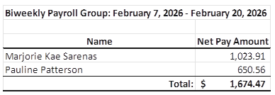
Pay Period February 7 - 20, 2026 | HOURS | TYPE | RATE | GROSS | NET
 |  |  |  |  |  |  |  |  | Carry Over (June 15-28) | Carry Over (June 29 - July 12) | Carry Over (July 13 - 26) | Carry Over (July 27 - Aug 9) | Carry Over (July 27 - Aug 9) | Carry Over (Aug 10 - 23) SKYWARD | Carry Over (Aug 10 - 23) SKYWARD
Skyward Building |  |  |  |  |  |  | Hours
Marjorie Kae Sarenas | 60 | PAYROLL | 17.6 | $1,056.00 | $938.48 | #REF! | #REF! | 104.60 | 20.29 | 20.59 | 20.47 | 18.94 | 18.94 | 23.00 | 23.25

CAE
Pauline Patterson | 32 | PAYROLL | 18 | $576.00 | $650.56

 |  |  | TOTAL | $1,632.00 | $1,589.04

