Feature Cost Build
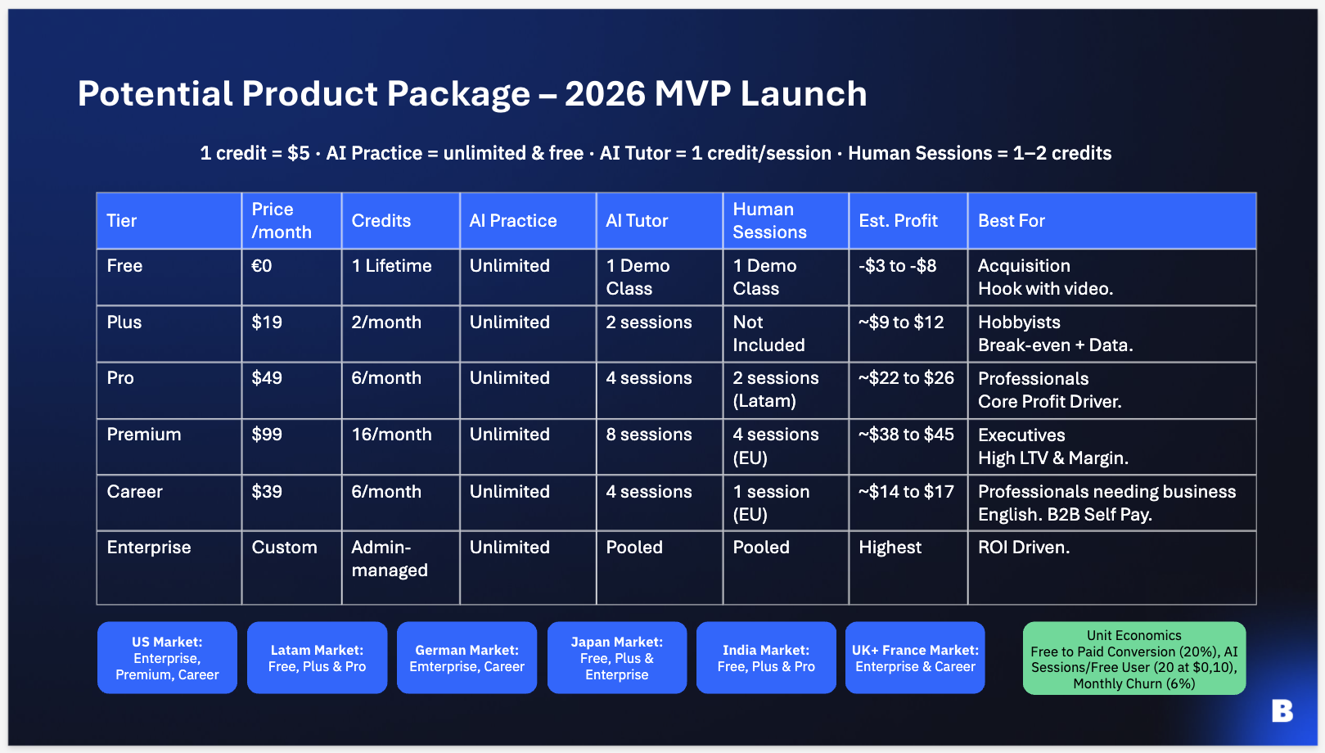
FEATURE COST BUILD — per-tier AI-session cost. Uniform 30-min session; tiers differ by feature time-mix. Human teacher costed separately.
Each row = a feature. Intensity = minutes/tokens/utterances per session. Per-tier unit cost reflects each tier’s selected vendor. Cost = unit × intensity.

AI Powered Practice
Feature | Unit driver | Unit € (Plus ref) | Free intensity | Plus intensity | Pro intensity | Career intensity | Premium intensity | Enterprise intensity |  | Cost / Free (€) | Cost / Plus (€) | Cost / Pro (€) | Cost / Career (€) | Cost / Premium (€) | Cost / Enterprise (€) | Free unit € | Plus unit € | Pro unit € | Career unit € | Premium unit € | Enterprise unit €
Basic curriculum (2026 baseline) | Allocated via fixed costs | - | 1.0 | 1.0 | 1.0 | 1.0 | 1.0 | 1.0 |  | - | - | - | - | - | - | - | - | - | - | - | -
LLM inference / dialogue | tokens (1k blended) | €0.0055 | 5.0 | 10.0 | 10.0 | 10.0 | 10.0 | 10.0 |  | €0.01 | €0.06 | €0.06 | €0.06 | €0.06 | €0.06 | €0.0018 | €0.0055 | €0.0055 | €0.0055 | €0.0055 | €0.0055
Voice — ASR (speech-to-text) | voice-minutes | €0.0039 | 4.5 | 4.5 | 4.5 | 4.5 | 4.5 | 4.5 |  | €0.02 | €0.02 | €0.02 | €0.02 | €0.02 | €0.02 | €0.0039 | €0.0039 | €0.0039 | €0.0039 | €0.0039 | €0.0039
Pronunciation assessment (user speech) | minutes (user speech) | €0.0046 | 4.5 | 4.5 | 4.5 | 4.5 | 4.5 | 4.5 |  | €0.02 | €0.02 | €0.02 | €0.02 | €0.02 | €0.02 | €0.0046 | €0.0046 | €0.0046 | €0.0046 | €0.0046 | €0.0046
Voice — TTS (text-to-speech) | voice-minutes | €0.0062 | 1.5 | 4.5 | 4.5 | 4.5 | 4.5 | 4.5 |  | €0.01 | €0.03 | €0.03 | €0.03 | €0.03 | €0.03 | €0.0062 | €0.0062 | €0.0062 | €0.0062 | €0.0062 | €0.0062
Payment processing — excluded (see P&L) | — | - | 0.0 | 0.0 | 0.0 | 0.0 | 0.0 | 0.0 |  | - | - | - | - | - | - | - | - | - | - | - | -
Variable Cost Session |  |  |  |  |  |  |  |  |  | €0.06 | €0.12 | €0.12 | €0.12 | €0.12 | €0.12
Content/curriculum generation (amortised €/session) |  |  |  |  |  |  |  |  |  | €0.02 | €0.02 | €0.02 | €0.02 | €0.02 | €0.02
TOTAL COST / SESSION incl. content (€) |  |  |  |  |  |  |  |  |  | €0.08 | €0.14 | €0.14 | €0.14 | €0.14 | €0.14

Human Teacher
Feature | Unit driver
Human teacher (live + prep) — costed per booking | 1 session | €8.60 | €16.68

AI tutor
Feature | Unit driver | Unit € (Plus ref) | Free intensity | Plus intensity | Pro intensity | Career intensity | Premium intensity | Enterprise intensity |  | Cost / Free (€) | Cost / Plus (€) | Cost / Pro (€) | Cost / Career (€) | Cost / Premium (€) | Cost / Enterprise (€) | Free unit € | Plus unit € | Pro unit € | Career unit € | Premium unit € | Enterprise unit €
AI tutor (interactive avatar) | avatar-minutes | €0.0092 | 30.0 | 30.0 | 30.0 | 30.0 | 30.0 | 30.0 |  | €0.28 | €0.28 | €0.28 | €0.28 | €2.76 | €2.76 | €0.0092 | €0.0092 | €0.0092 | €0.0092 | €0.0920 | €0.0920
Voice — ASR (speech-to-text) | voice-minutes | €0.0039 | 30.0 | 30.0 | 30.0 | 30.0 | 30.0 | 30.0 |  | €0.12 | €0.12 | €0.12 | €0.12 | €0.12 | €0.12 | €0.0039 | €0.0039 | €0.0039 | €0.0039 | €0.0039 | €0.0039
Voice — TTS (text-to-speech) | voice-minutes | €0.0062 | 15.0 | 15.0 | 15.0 | 15.0 | 15.0 | 15.0 |  | €0.09 | €0.09 | €0.09 | €0.09 | €0.09 | €0.09 | €0.0062 | €0.0062 | €0.0062 | €0.0062 | €0.0062 | €0.0062
Variable Cost AI Tutor |  |  |  |  |  |  |  |  |  | €0.49 | €0.49 | €0.49 | €0.49 | €2.97 | €2.97
Content/curriculum generation (amortised €/session) |  |  |  |  |  |  |  |  |  | €0.02 | €0.02 | €0.02 | €0.02 | €0.02 | €0.02
TOTAL COST / SESSION incl. content (€) |  |  |  |  |  |  |  |  |  | €0.51 | €0.51 | €0.51 | €0.51 | €2.99 | €2.99

SRIKANT'S SIMPLIFIED MODEL — per 1,000 users / month (5 tiers)
Reverse-engineered from Srikant’s table: flat $2 AI/user/mo · teacher light · ~16% app-store fee · LTV ≈ 16.5 × monthly price. Sessions/mo = added assumption (not in his model).
App-store / payment fee % of revenue | 16.0%
Tier | Users /1k | Price $/mo | AI $/user/mo | Teacher $/user/mo | Sessions/user/mo | Price / session $ | Cost / session $ | Revenue $/mo | AI+Teacher $/mo | App-fee $/mo | Gross profit $/mo | LTV $
Free | 800 | $0 | $2.00 | $0.00 | 8 | $0.00 | $0.25 | $0 | $1,600 | $0 | ($1,600) | $0
Plus | 60 | $19 | $2.00 | $0.00 | 10 | $1.90 | $0.20 | $1,140 | $120 | $182 | $838 | $314
Pro | 60 | $49 | $2.00 | $3.75 | 12 | $4.08 | $0.48 | $2,940 | $345 | $470 | $2,125 | $809
Career | 40 | $40 | $2.00 | $5.00 | 10 | $4.00 | $0.70 | $1,600 | $280 | $256 | $1,064 | $660
Premium | 40 | $100 | $2.00 | $15.00 | 15 | $6.67 | $1.13 | $4,000 | $680 | $640 | $2,680 | $1,650
TOTAL | 1,000 |  |  |  |  |  |  | $9,680 | $3,025 | $1,549 | $5,106

