Cover sheet
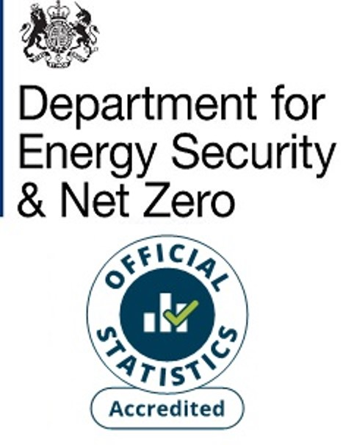
Energy consumption: England and Wales Additional Tables
National Energy Efficiency Data-Framework (NEED)
This workbook presents Accredited Official Statistics on domestic gas and electricity consumption in England and Wales, by property and household characteristics, for the years 2005 to 2022. Both means and medians are provided as well as the standard deviations and various percentiles.
The gas years used cover the period mid-May to mid-May. For example, the gas year 2022 refers to the period mid-May 2022 to mid-May 2023.
The electricity years used cover the period February to January. For example, the electricity year 2022 refers to the period February 2022 to January 2023.
Contents
This cover sheet is followed by a table of contents and notes page providing additional information/ clarification for the subsequent data tables.
Publication dates
Publication date: 27 June 2024
Next update: June 2025
Methodology
The Valuation Office Agency (VOA) Council Tax Database is used as the population of all domestic properties in England and Wales. Meter level gas/ electricity consumption as well as other data on property/ household characteristics is matched to these properties. Only properties to which gas/ electricity meters were successfully matched are included in this analysis.
For gas, only properties with an annual gas consumption in the range of 100 kWh to 50,000 kWh are included for the given year. For electricity the permitted range is 100 kWh to 25,000 kWh. Additionally, households with consumption values imputed from previous years have been excluded. The lower number of dwellings for gas in 2021 is due to a higher number of meters with imputed consumption. Properties with missing information for certain key attributes are also excluded.
More information on how these statistics are calculated can be found in:
NEED methodology note
Units
Consumption values are provided in kWh rounded to the nearest 100 kWh.
Sample sizes have been rounded to the nearest 10.
Percentages are rounded to the nearest percentage point.
[no data] indicates that there was no data or that the result was suppressed to prevent disclosure.
Domestic NEED publication data and documents
Statistical releases (including data sources and methodology)
Consumption data tables
Impact of measures data tables
Property level domestic consumption data
Contact details
Responsible statistician: Paulina Baig
energyefficiency.stats@energysecurity.gov.uk
newsdesk@energysecurity.gov.uk

