DC-20k-1
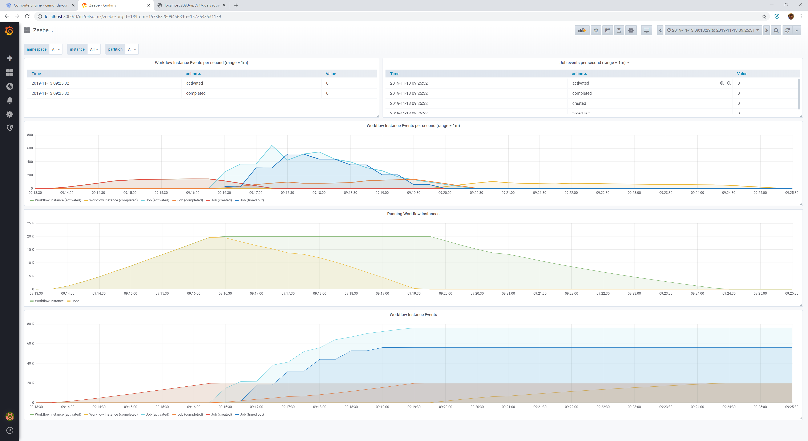
$ python run-test.py 20000 1
####### Starting with number of instances: 20000, payload: 1
####### Keep in mind that Prometheus scraping interval is 1 second, so precision of measurements is rounded up to seconds.
## Deleted Kafka Connect Source with response: <Response [404]>
## Deleted Kafka Connect Sink with response: <Response [404]>
## Start Workflow Instances
Started workflows instances: 0:02:33.460616
## Started Kafka Connect Source with response: <Response [201]>
## Wait for all jobs in Zeebe to be processed
Jobs Finished: 0:03:14.996885
## Start Kafka Consumer to Check for Messages
Received 23304 records on Kafka: 0:00:06.719793
## Deleted Kafka Connect Source with response: <Response [204]>
## Started Kafka Connect Sink with response: <Response [201]>
## Wait for workflows to be finished
Workflows finished: 0:04:46.346803
## Deleted Kafka Connect Sink with response: <Response [204]>

DC-2k-3
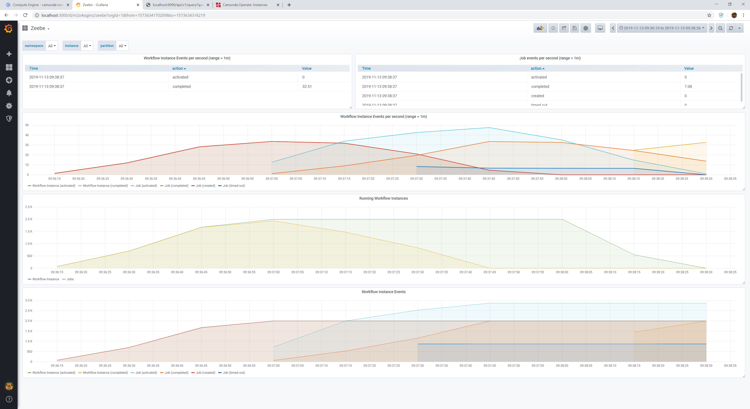

$ python run-test.py 2000 3
####### Starting with number of instances: 2000, payload: 3
####### Keep in mind that Prometheus scraping interval is 1 second, so precision of measurements is rounded up to seconds.
## Deleted Kafka Connect Source with response: <Response [404]>
## Deleted Kafka Connect Sink with response: <Response [404]>
## Start Workflow Instances
Started workflows instances: 0:00:36.948673
## Started Kafka Connect Source with response: <Response [201]>
## Wait for all jobs in Zeebe to be processed
Jobs Finished: 0:00:54.774987
## Start Kafka Consumer to Check for Messages
Received 2872 records on Kafka: 0:00:09.655197
## Deleted Kafka Connect Source with response: <Response [204]>
## Started Kafka Connect Sink with response: <Response [201]>
## Wait for workflows to be finished
Workflows finished: 0:00:25.901359
## Deleted Kafka Connect Sink with response: <Response [204]>

python run-test.py 2000 3
####### Starting with number of instances: 2000, payload: 3
####### Keep in mind that Prometheus scraping interval is 1 second, so precision of measurements is rounded up to seconds.
## Deleted Kafka Connect Source with response: <Response [404]>
## Deleted Kafka Connect Sink with response: <Response [404]>
## Start Workflow Instances
Started workflows instances: 0:00:20.798542
## Started Kafka Connect Source with response: <Response [201]>
## Wait for all jobs in Zeebe to be processed
Jobs Finished: 0:00:33.128226
## Start Kafka Consumer to Check for Messages
Received 2000 records on Kafka: 0:00:06.397471
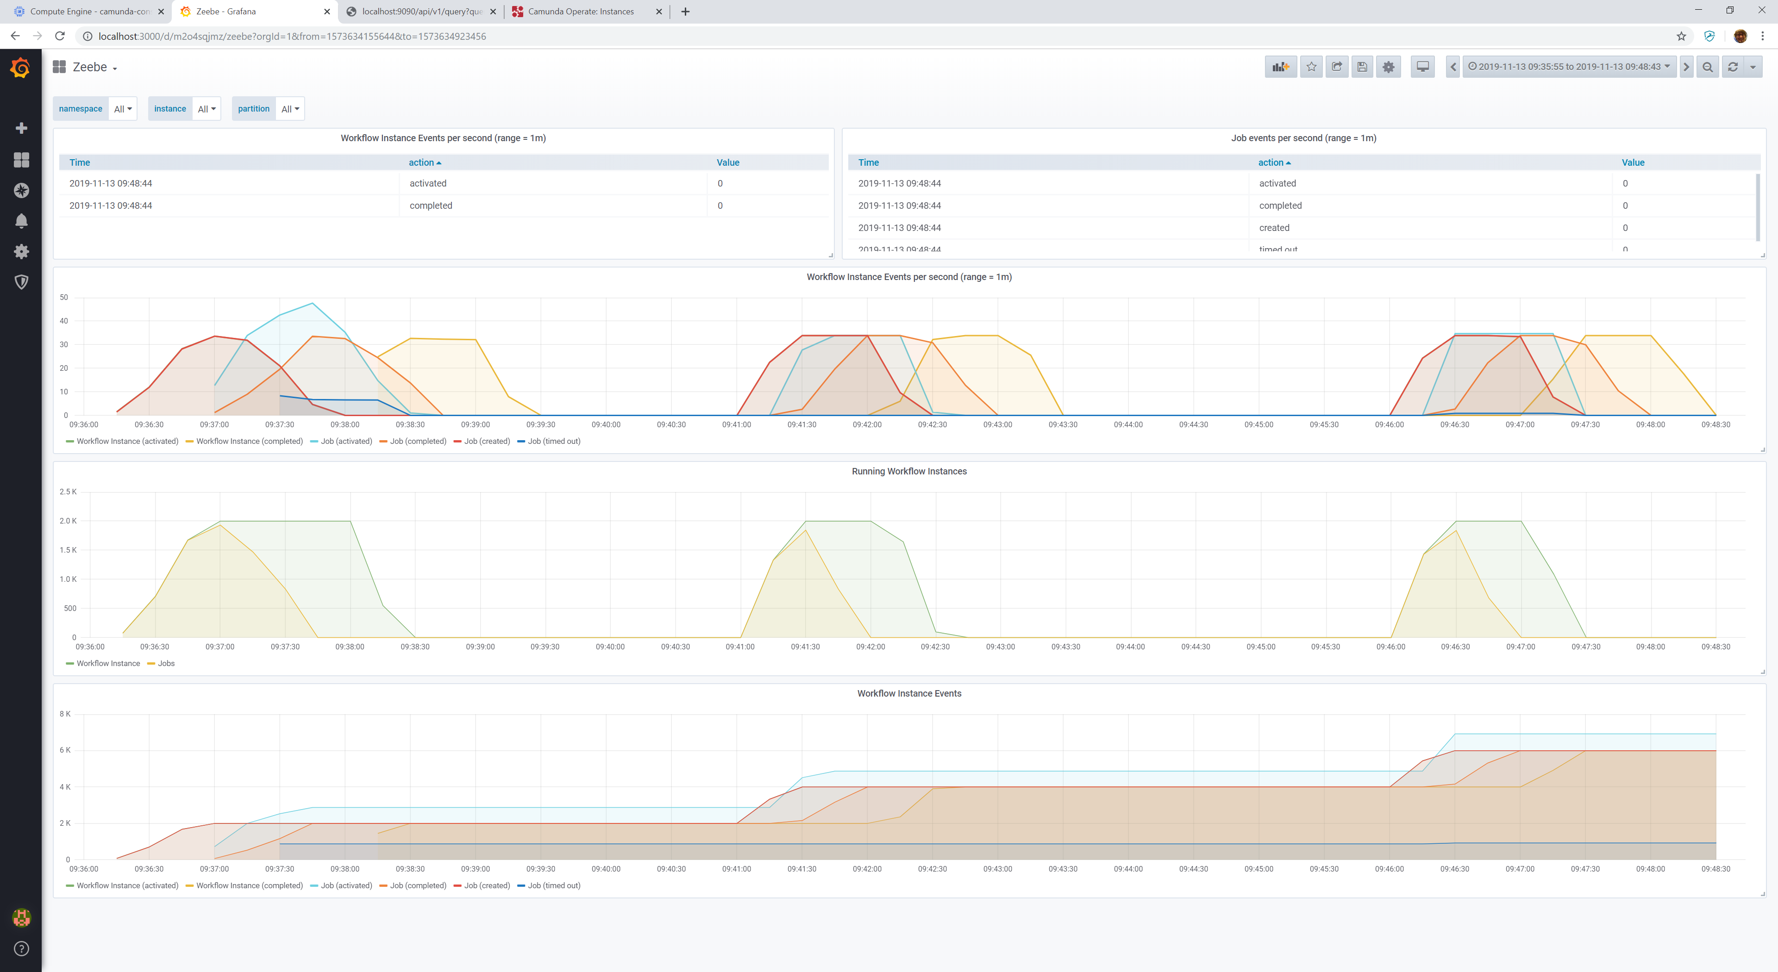
## Deleted Kafka Connect Source with response: <Response [204]>
## Started Kafka Connect Sink with response: <Response [201]>
## Wait for workflows to be finished
Workflows finished: 0:00:25.018990
## Deleted Kafka Connect Sink with response: <Response [204]>

$ python run-test.py 2000 3
####### Starting with number of instances: 2000, payload: 3
####### Keep in mind that Prometheus scraping interval is 1 second, so precision of measurements is rounded up to seconds.
## Deleted Kafka Connect Source with response: <Response [404]>
## Deleted Kafka Connect Sink with response: <Response [404]>
## Start Workflow Instances
Started workflows instances: 0:00:20.543234
## Started Kafka Connect Source with response: <Response [201]>
## Wait for all jobs in Zeebe to be processed
Jobs Finished: 0:00:32.226028
## Start Kafka Consumer to Check for Messages
Received 2048 records on Kafka: 0:00:06.396264
## Deleted Kafka Connect Source with response: <Response [204]>
## Started Kafka Connect Sink with response: <Response [201]>
## Wait for workflows to be finished
Workflows finished: 0:00:21.430354
## Deleted Kafka Connect Sink with response: <Response [204]>

