Twist Instructions
TWIST CUSTOM PANEL - DNA DESIGN INTAKE FORM
___________________________________________________________________________________________________
At Twist Bioscience, we combine precise oligonucleotide synthesis with a scalable silicon-based manufacturing platform to generate high-performing probe panels for NGS target enrichment. We complement this powerful technology with proprietary design algorithms and a rapid iteration pipeline to enable the quick custom design, synthesis, and optimization of panels. Twist Custom Panels can be designed and built to cover a wide range of species, panel sizes, target regions, and complex design requirements — all with exceptional and consistent performance. This intake form is to be filled with the targets you would like to capture in your Twist Custom Panel. We offer highly specialized design strategies depending on the targets and application type. This form is to be used for DNA applications.
These custom panel design requests are handled by an expert team of bioinformatic scientists with strong genomics backgrounds. Through our whiteglove service, each design is thoughtfully made and highly customized to fit your exact needs. Therefore, we require design request submissions be fully finalized before the requests are submitted. Please let your sales representative know if you would like to schedule a pre-design consultation with a bioinformatic FAS to discuss your design before submission.
Twist Instructions Tab (required) = Contact details: Use this section to fill in the name and shipping address of the customer. This is the information used to generate a quote and shipping documents. General panel information: Use this section to fill out your preferred panel name, species, and genome build of your panel design.
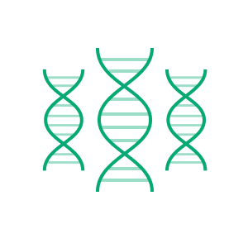 | 

For more detailed information on our white glove custom panel design, visit our website.

Contact details
Name
Company / Department
Phone
Email Address
General Panel Information
Panel Name
Species
Genome Build
TWIST Bioinformatics Team

FRM-001373v2.3

Design Instructions
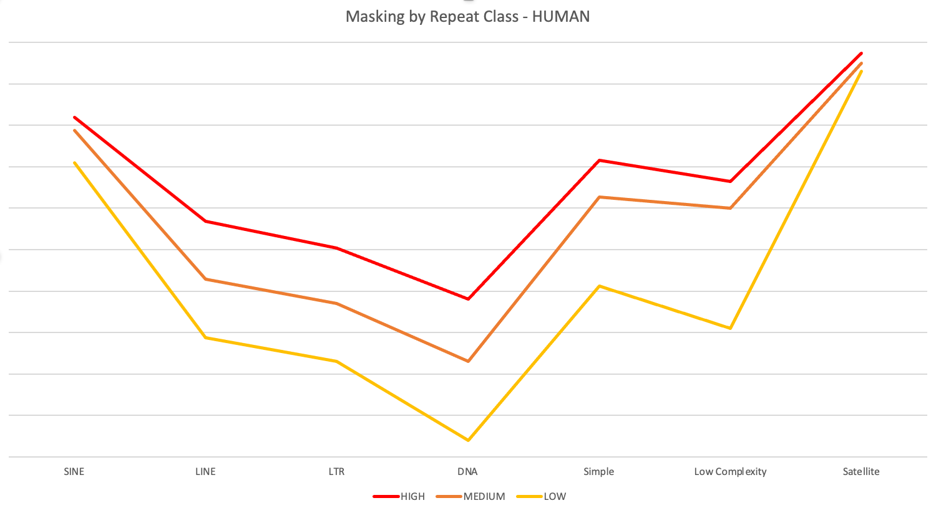
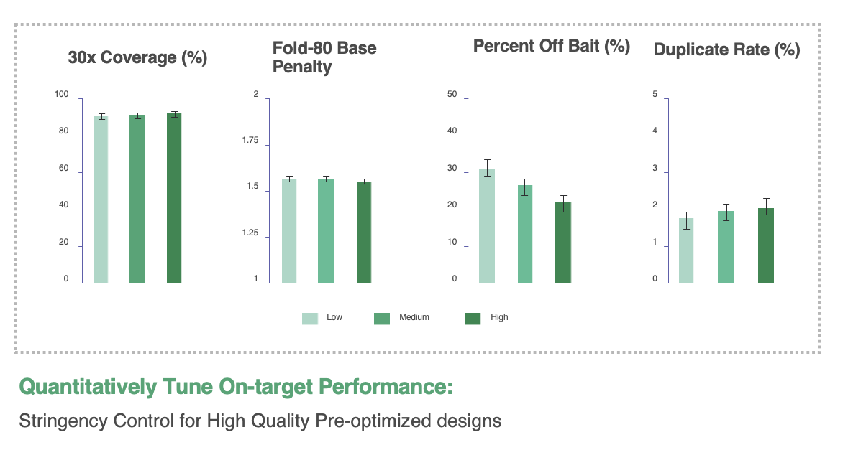
Design Instructions Tab (Required):
Experiment Type:
Select DNA. If your experiment is for RNA or Methylation, please download the corresponding form.
Application Type:
Specify the application or goal of your experiment. If not listed please fill it in in the adjacent cell.
For Redesigns, What is the Prior Design ID?:
If redesigning a previous panel, enter the prior design ID (e.g., TE-91234567). This ID can be found in the report of each design or on the tube.
For Redesigns, Add Previous Targets of Prior Design ID?:
If this is a redesign, and you’ve provided the prior design ID, choose:
YES to add new targets to all original targets from the previous design.
NO to provide a new set of targets or delete some from the previous design. Provide the full target list in this intake form.
Sequencing Technology:
Select whether you will be performing short read or long read sequencing.
Include Non-Coding Pathogenic Variants from Twist Exome 2.0:
Twist Exome 2.0 targets coding exons and clinically relevant non-coding variants annotated in ClinVar as pathogenic or likely-pathogenic.
Select YES to add these variants to your panel and fill out the gene tab.
If only for a subset of genes, note this in the notes section of the gene tab. Learn more
Include SNPs for Sample Tracking Using Twist Human Sample ID Kit:
Our Twist Human Sample ID Kit offers a simple multiplex PCR approach to ensure sample identification and tracking from an early step in the workflow. If you are using this kit and would like to target the Sample ID SNPs in your enrichment panel so that samples can be matched with the Human Sample ID genotypes, please select YES.
Learn more
Panel Spike-in:
Design a custom panel to be used as a "spike-in" to a main fixed or custom panel. Overlapping targets with the main panel will be subtracted to avoid double targeting.
Base Panel Name or TE Number:
If you selected "Panel spike-in", provide the main custom panel design ID or choose from fixed panel content options. Mention if you want to keep overlapping content in the additional information box below.
Additional Information:
Use this text box for any additional information you want the design team to consider.
Apply Filters for Repetitive Sequences:
To optimize panel performance and minimize off-target binding, choose a repeat filtering level:
High Stringency: Reduces overall target coverage but offers the best on-target metrics.
Medium Stringency (Default): Balances target coverage and minimizes off-target effects.
Low Stringency: Maximizes target coverage but may increase off-target effects.
No (not reccomended) : Over ride the reapeat filter completely for all target regions submitted. This is not advised due to the potential impacts to off-target rate.
Remove Filters in Specific Regions:
If you need 100% coverage in specific regions, Twist designers can override the repeat filter. Provide chromosome, start, and stop positions for this option. This is not advised due to the potential impacts to off-target rate.
The graph below illustrates the relative masking across repeat classes in humans for the three stringencies, including the Twist legacy filter.
Design Instructions |  |  | Tab Instructions
Experiment Type | DNA Capture
Application Type | Please select one of the options from the drop-down menu
For redesigns, what is the prior design ID?
For redesigns, add previous targets of prior design ID?
Sequencing Technology | Short-Read Sequencing (default option)
Include non-coding pathogenic variants from Twist Exome 2.0 | No (default option)
Include SNPs for sample tracking using Twist Human Sample ID Kit | No (default option)
Panel Spike-in | No (default option)
Base Panel Name or TE number: | Exome2.0+Comprehensive (default option)
Distance from Base Panel considered already covered (bp): | 0
Please provide any additional information regarding your panel design:

 |  |  | Exon Aware (default option) | Non Exon Aware
 |  |  | rRNA only (default option) | Low complexity
 |  |  | Non-targeted transcripts | No Filter
 |  |  | Low complexity
 |  |  | No Filter

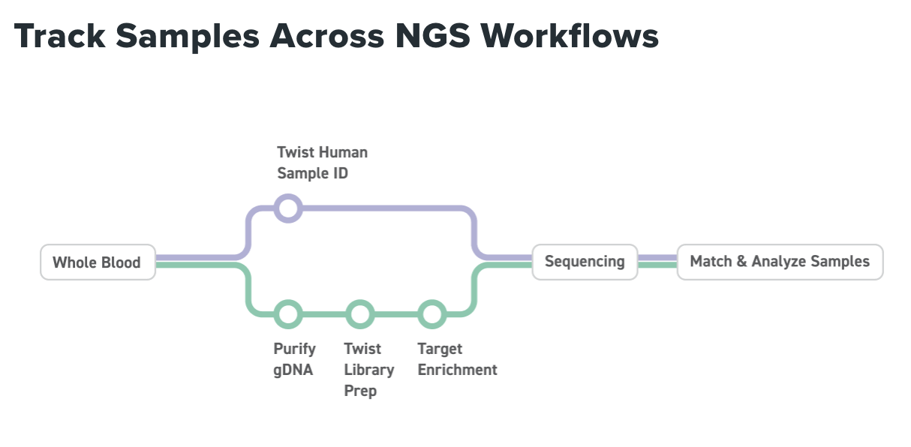

Apply filters for repetitive sequences | Yes - Medium stringency (default option) | Warning - this may increase off-target rate
Chr | Start | Stop

Gene
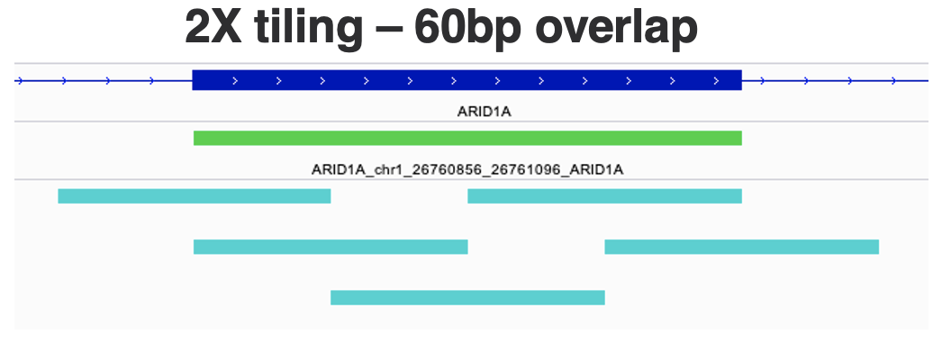
Gene Tab (Optional)
Purpose: Use this tab to target specific Genes or transcripts.
Database:
Please choose the transcript database for your design. If only gene symbols are provided, we will pull all relevant transcripts from the default databases (RefSeq, Gencode, and CCDS).
RefSeq, Gencode, CCDS (Default): This option pulls transcripts from all three databases. This provides the most comprehensive coverage.
RefSeq Only: Targets transcripts exclusively from RefSeq.
Gencode Only: Targets transcripts exclusively from Gencode.
CCDS Only: Targets transcripts exclusively from CCDS.
Other: Upon approval, please explain or provide gff/gtf file.
Extra Padding to Add to Exon Boundaries:
Twist probes are highly efficient and do not require additional padding of regions of interest. However, you can specify the amount of padding (in base pairs) if desired.
Regions to Cover Within Each Gene:
Coding Exons (Short Read Default): Targets coding exons within the transcripts in your gene list.
All Exons: Targets coding exons and both 5' and 3' UTRs within the transcripts in your gene list.
Whole Gene (Long-Read Default): Targets coding exons, introns, and UTRs within the transcripts in your gene list.
Gene Name:
Provide a list of aprroved gene names to be targeted in your design. Use HGNC-approved gene symbols for human genome panels - you can verify symbols using the HGNC Multi-Symbol Checker.
Accession ID:
Provide transcript IDs if you want to target specific ones instead of using all from the major databases (one transcript per line).
Exons:
By default, all coding exons (or specified regions) will be extracted for your gene or transcript list. You can specify particular exons for each gene if a transcript ID is provided. Use a comma-delimited format to list multiple exons from the same transcript (e.g., 2,5,7).
Extras:
Use this column to add any extra comments or requirements on a per-line basis. For example:
Indicate if you want to include UTRs for certain genes.
Specify if you want to include non-coding variants from Exome 2.0 for certain genes.
Tiling:
Tiling indicates the number of unquie probes per base pair targed, we do this by forcing a standardized overlap between probes.
Short Read (1X Tiling Default): No forced overlap between probes.
Higher Levels of Tiling: Specify the number of probes per base pair (e.g., 2X tiling means 2 probes per base pair with 60bps of overlap).
Long Read: Twist enables a specialized design strategy with spaced-apart probes to maintain fragment size and minimize off-target effects. Consult with a Twist designer before changing this setting for long-read panels.
Default settings, applied to all the genes (overridden by gene specific settings) |  |  |  |  | Tab Instructions
Database: | RefSeq + GENCODE + CCDS (default option)
Extra padding to add to exon boundaries: | 0
Regions to cover within each gene: | Coding Exons - default option
Gene specific settings (optional fields are marked with an asterisk *)
Gene Symbol (approved symbols only) | Accession ID* (if provided, only these transcripts will be used) | Exons* (if no Accession ID is provided, all RefSeq transcripts will be used) | Extras* (UTR, Introns, variants etc.) | Tiling* (default = 1X for short reads)

Genomic Coordinates
Genomic Coordinates Tab (Optional)
Purpose: Use this tab if you want to target specific regions in the genome that are not already included in other tabs. Ensure the coordinates match the genome build specified on the Twist Instructions tab. Coordinates should be in 0-based format, similar to BED files.
Fields:
chr: Chromosome of the target location. Pkease use the format "chr1", "chr2", etc.
start: 0-based start position of the target location.
stop: 0-based stop position of the target location.
Annotation: Enter any custom annotation for your targets.
Tiling: Tiling indicates the forced overlap between probes.
Short Read Sequencing: Uses 1X tiling of targets without forcing overlap between probes.
Different Levels of Tiling: We place the corresponding number of probes per base pair to your target. This requires starting the probe past your target start and stop, inflating the capture/design space.
Long Read Sequencing: Twist employs a specialized design strategy where probes are spaced apart initially to maintain fragment sizes and minimize off-target effects. Consult with a Twist designer before changing this tiling setting for long read panels.
Coordinates are expected to be 0-based, like in BED files. Optional fields are marked with an asterisk* |  |  |  |  | Tab Instructions
chr | start | stop | Annotation* | Tiling* (default = 1X for short reads)

SNPs
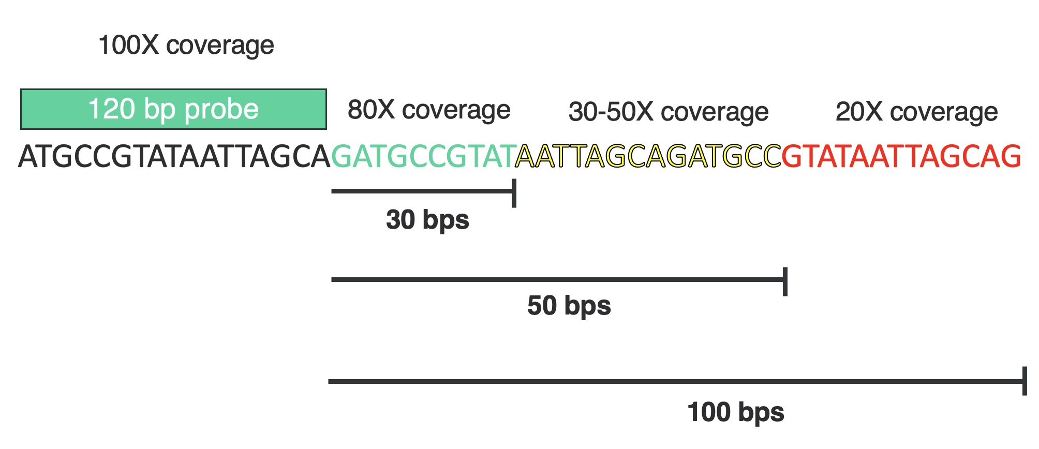
SNPs Tab (Optional)
Purpose: Use this tab if you want to target specific SNPs in the genome that are not already included in other tabs. Ensure the coordinates match the genome build specified on the Twist Instructions tab. Coordinates should be in 0-based format, similar to BED files. All SNP targets should be 1bp in length.
Fields:
chr: Chromosome of the target location. Please use the format "chr1", "chr2", etc.
start: 0-based start position of the target location. Example: 100002.
stop: 0-based stop position of the target location. Example: 100003.
rsID/Annotation: rsIDs are common annotations for SNPs from the dbSNP database. You can input just rsIDs and we will extract the genomic location to include in your panel. Alternatively, use this column to annotate your SNP coordinates.
Max Distance of Flank Probes (bp):
1bp SNP targets allow us to shift probes around the genomic space to choose the best probe for each SNP target. By default, we place probes to have direct coverage over a SNP. If no probe can be placed directly over the SNP, this setting allows flanking probes to still capture and provide shadow coverage of your SNP of interest. This value can range from 0 to 100 bp, with 30 bp max recommended to maintain adequate shadow coverage.
Tiling:
Tiling indicates the forced overlap between probes.
Short Read Sequencing: Uses 1X tiling of targets without forcing overlap between probes.
Different Levels of Tiling: We place the corresponding number of probes per base pair to your target. This requires starting the probe past your target start and stop, inflating the capture/design space.
- Long Read Sequencing: Twist employs a specialized design strategy where probes are spaced apart initially to maintain fragment sizes and minimize off-target effects. Consult with a Twist designer before changing this tiling setting for long read panels.
Max distance of flanking probes for SNP that cannot be directly covered due to repeated elements. If 0, no flanking probes will be placed. |  |  |  |  | Tab Instructions
Max distance of flank probes (bp): | 0
Coordinates are expected to be 0-based, like in BED files. Optional fields are marked with an asterisk*
chr | start | stop | rsID/Annotation* | Tiling* (default = 1X for short reads)

CNVs
Please specify the desired resolution of CNV detection, as this will inform the probe tiling approach. |  |  |  |  | Tab Instructions
CNVs Tab (Optional)
Purpose: Use this tab if you want to include regions of the genome for detecting large CNVs. For gene-level CNVs, the probes targeting those genes (in the gene tab) will provide 2-3 exon level CNV resolution. Therefore, use this tab only for large regions to supplement your main targets. Ensure the coordinates match the genome build specified on the Twist Instructions tab. Coordinates should be in 0-based format, similar to BED files.
Note: If you desire a genome-wide CNV backbone, add this request to the additional information on the design instructions page. A Twist designer will provide you with pre-designed and optimized options.
Fields:
chr: Chromosome of the target location. Please use the format "chr1", "chr2", etc.
start: 0-based start position of the target location.
stop: 0-based stop position of the target location.
Annotation: Enter any custom annotation for your targets.
Resolution: For CNV detection, the resolution or size of the CNV detected can be controlled by the number of probes placed in a given region. For instance, a large CNV with a 1Mb resolution could be targeted with a probe every 100kb.
Type your instructions below:

chr | start | stop | Annotation* | Resolution (1kb, 100kb, 1Mb, etc.)

InDel | MSI
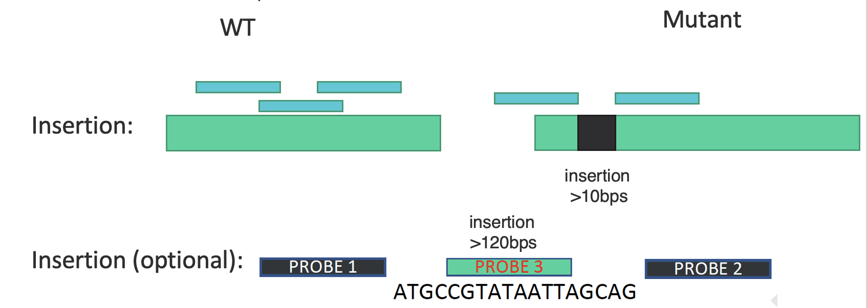
InDel | MSI Tab (Optional)
Purpose: Use this tab to target specific InDels or MSI sites in the genome. These genomic variations can be challenging to enrich using targeted capture. Twist has developed a special design strategy to maintain high capture efficiency and facilitate bioinformatic calling of these variations. Ensure the coordinates match the genome build specified on the Twist Instructions tab. Coordinates should be in 0-based format, similar to BED files.
InDels:
For small InDels (<10bp), our standard probe design used for SNP probe design will be employed.
For large InDels (≥10bp), we will place a center probe and two flanking probes to detect both the wild-type sequence and the mutant sequence. For example, a large deletion will be covered by a combination of these probes.
MSIs:
A similar strategy is used for MSIs, with both a center probe and two flanking probes ensuring adequate capture and coverage.
Fields:
chr: Chromosome of the target location. Use the format "chr1", "chr2", etc.
start: 0-based start position of the target location.
stop: 0-based stop position of the target location.
name: Any annotation for your variant or MSI site.
Insertion Sequence: (Optional) Add the sequence inserted at your InDel site. If the inserted sequence is >120bp, we can create an additional hybrid probe to enhance coverage depth at the site.
Insertion Length: The insertion length of an InDel is needed to determine if flanking probes are appropriate. If the exact size is unknown, you can denote "<10bp" or "≥10bp" in this column.
Design Central Probes: |  |  | Yes - default option |  |  | Tab Instructions
Design Flanking Probes: |  |  | Yes - default option
Coordinates are expected to be 0-based, like in BED files. Flanking probes will be designed only for InDels > 10bp. Optional fields are marked with an asterisk*
chr | start | stop | Name/VCV/SPDI/VCF * | Insertion Sequence* | Insertion Length

DNA Fusions
DNA Fusions Tab (Optional)
Purpose: This tab should be used to design probes targeting fusions in DNA space. Detecting known and novel fusions in DNA space requires a much larger target space compared to targeting in RNA space. It is highly recommended to target only known fusions in DNA space using the known breakpoint of each gene partner.
Instructions:
Assay type: DNA (if your experiment is for RNA or Methylation, please download the corresponding form)
Breakpoint Gene 1:
chr: Chromosome of the target location. Please use the "chr1" format.
start: 0-based start position of the target location.
stop: 0-based stop position of the target location.
Annotation/Gene Partner 1: Enter a custom annotation or the gene fusion partner
Breakpoint Gene 2:
chr: Chromosome of the target location. Please use the "chr1" format.
start: 0-based start position of the target location.
stop: 0-based stop position of the target location.
Annotation/Gene Partner 2: Enter a custom annotation or the gene fusion partner
Please provide coordinates of the breakpoints for Gene Fusion Partners |  |  |  |  |  |  |  | Tab Instructions
Assay Type: | DNA

Breakpoint Gene 1 |  |  |  | Breakpoint Gene 2
chr | start | stop | Annotation/Gene Partner 1 | chr | start | stop | Annotation/Gene Partner 2

FASTA
FASTA Tab (Optional)
Purpose: This tab is for targeting exact sequences, such as control sequences or sequences outside the main genome being targeted.
Instructions:
Apply Low Complexity Filter: Screen your probes against low complexity regions of the genome. Low complexity regions are often defined as regions of biased composition containing simple sequence repeats that can cause hairpins or errors in sequencing/QC.
FASTA: Please input sequences into each line for the sheet. Sequences must be at least 120bps and must contain only A, G, C, or T.
Accession ID: Please use this column if you would like to input accession IDs from common databases instead of sequences.
Tiling: Tiling is an indication of forced overlap between probes. By default, we use 1X tiling of sequences and do not force any overlap between probes. In contrast, with different levels of tiling, we will place the corresponding number of probes per basepair to your sequence. Because there is no sequence to extend into on the flanks, the first and last Xbps will not have a corresponding number of probes.
FASTA files can be sent directly as an attachment, or can be pasted below. Optional fields are marked with an asterisk* Please note that the sequences should be a minimum of 120bp. |  |  | Tab Instructions
Apply Low Complexity Filter: | No (default)
FASTA | Accession ID* | Tiling*

