oracle 解 lock 程式
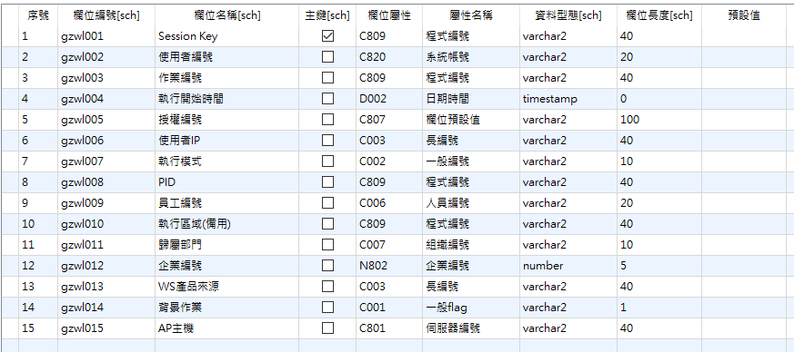
解 lock |  | 環境
 | 程式 | genero | adzp146
 | 查詢語法 | Oracle | SELECT 'N' ,SUBSTR(dba_objects.owner,1,16) ,SUBSTR(dba_objects.object_name,1,16) ,SUBSTR(os_user_name,1,10) ,DS.GZWL_T.GZWL002 ,gv$locked_object.process ,DS.GZWL_T.GZWL003 ,DS.GZWL_T.GZWL007 ,gv$session.program ,gv$session.machine ,gv$session.terminal ,to_char(gv$session.inst_id) ,to_char(gv$session.sid) ,to_char(gv$session.serial#) ,gv$process.spid ,gv$session.status FROM gv$locked_object ,dba_objects ,gv$session ,gv$process ,DS.GZWL_T WHERE gv$locked_object.object_id=dba_objects.object_id AND gv$locked_object.SESSION_ID=gv$session.SID AND gv$process.addr = gv$session.paddr AND gv$process.inst_id = gv$session.inst_id AND DS.GZWL_T.GZWL008(+) = gv$locked_object.process AND gv$session.type != 'BACKGROUND' AND gv$locked_object.inst_id = gv$session.inst_id AND gv$locked_object.process = gv$session.process AND (1=1) | 1. owner 2. table name 3. process 4. program 5. machine 6. terminal 7. inst_id 8. session id :sid 9. session serial 10. spid 11. status
 | 執行語法 | Oracle | PREPARE stmt FROM "begin system.top_sp_kill_session(?,?,?); end;" EXECUTE stmt USING ls_sid IN, ls_serial IN, ls_inst_id IN | system.top_sp_kill_session 由 sys 建立的程序
 | 執行 (sys) | Oracle | ALTER SYSTEM KILL SESSION 'SID,SERIAL ID,INST ID'

Sql server
SQL SERVER
 | 查詢出 SPID
 | 刪除 SPID ( kill spid )
 | 建立 預存程序
測試 | 情境 | 影響 | 是否解 lock | 還原
 | 單一表 lock | 執行 lock 程序會 離線 | ok | ok
 | 單一表 lock，其他表在查詢 | 執行 lock 程序會 離線 | ok | ok
!
 | 多表 lock ，其他表在查詢 | 執行 lock 程序會 離線 | ok | ok
 | 單一表在 alter table | 執行 lock 程序會 離線 | ok | ok
 | 單一表在 alter table ， 用ssms 開啟資料表 | 執行 ssms 程序會 離線 | ok

查詢 lock session
1 | sp_who2
 | Login :登入使用者名稱 (例如: sa )
 | DBName :資料庫名稱 (例如: imp_test )
 | SPID :SESSION ID

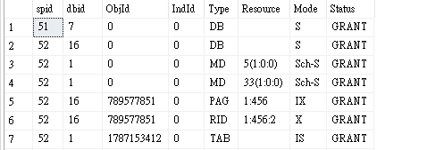
2 | sp_lock
 | SPID :SESSION ID
 | Mode :狀態 ( 是否 LOCK )

3 | SELECT request_session_id,id,name,request_type FROM sys.dm_tran_locks,sysobjects WHERE resource_database_id = DB_ID() AND resource_associated_entity_id = id AND request_type = 'LOCK'
 | request_session_id :SESSION ID
 | request_type :狀態 (不能完全確認是 LOCK)

4 | SELECT * FROM sys.dm_tran_locks WHERE resource_database_id = DB_ID() AND resource_associated_entity_id = OBJECT_ID(N'dbo.tablename');

5 | SELECT conn.session_id, host_name, program_name, nt_domain, login_name, connect_time, last_request_end_time FROM sys.dm_exec_sessions AS sess JOIN sys.dm_exec_connections AS conn ON sess.session_id = conn.session_id;
 | session_id :SESSION ID

6 | SELECT r.scheduler_id as 排程器識別碼, status as 要求的狀態, r.session_id as SPID, r.blocking_session_id as BlkBy, substring( ltrim(q.text), r.statement_start_offset/2+1, (CASE WHEN r.statement_end_offset = -1 THEN LEN(CONVERT(nvarchar(MAX), q.text)) * 2 ELSE r.statement_end_offset END - r.statement_start_offset)/2) AS [正在執行的 T-SQL 命令], r.cpu_time as [CPU Time(ms)], r.start_time as [開始時間], r.total_elapsed_time as [執行總時間], r.reads as [讀取數], r.writes as [寫入數], r.logical_reads as [邏輯讀取數], -- q.text, /* 完整的 T-SQL 指令碼 */ d.name as [資料庫名稱] FROM sys.dm_exec_requests r CROSS APPLY sys.dm_exec_sql_text(sql_handle) AS q LEFT JOIN sys.databases d ON (r.database_id=d.database_id) WHERE r.session_id > 50 AND r.session_id <> @@SPID ORDER BY r.total_elapsed_time desc

7 | SELECT @@SPID AS 'ID', SYSTEM_USER AS 'Login Name', USER AS 'User Name';
 | ID :SESSION ID
 | Login Name :登入使用者名稱 (例如: topprd)

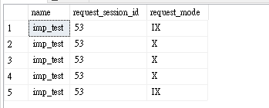
8 | select sys.databases.name,request_session_id,request_mode from sys.dm_tran_locks,sys.databases where resource_database_id=database_id and request_mode in ('IX', 'X' )
 | name :資料庫名稱
 | request_session_id :SESSION ID
 | request_mode :狀態 (是否 LOCK)

