Planner
Genie API QPM Planner

User Input - Please Modify as Needed
Calculations - Please Do NOT Change
Resulting QPM / Utilisation Metrics - Please Do NOT Change

Daily QPM Load Profile
 | Weekday QPM | Weekend QPM | Reservation
Usage assumptions (per hour) Define how your users behave during an average and peak hour. These inputs shape the base demand before modelling the full day. |  |  | Derived metrics Calculated values that describe your expected demand profile.
Average users per active hour The typical number of users active in a non-peak hour. Used to estimate baseline API/Genie load. | 10 |  | Average concurrent users The estimated number of users simultaneously active at any given moment during a typical hour. Calculated from: (Average users per hour × Average session duration) / 60 | 0.83
Peak users in busiest hour The maximum number of users active in the busiest hour of the day (your highest concurrency). Determines peak QPM. | 50 |  | Peak concurrent users The maximum number of users simultaneously active during the busiest hour of the day. This determines your theoretical peak demand before scaling by interaction behaviour. | 4.17
Average visit duration (minutes) How long a typical user session lasts. Longer sessions → more concurrent usage. | 10
Adoption rate (%) The percentage of your total population that actually uses the system each hour. Helps scale down large user counts realistically. | 50.00% |  | Avg QPM (selected scenario) The average number of queries per minute generated during normal load based on your selected interaction style. | 0.56
Number of peaks per weekday (1, 2, or 3 supported) How many traffic spikes your application has per day (e.g., 1 = midday; 2 = morning + afternoon; 3 = morning + noon + evening). Shapes the daily demand curve. | 2 |  | Peak QPM (selected scenario) The expected number of queries per minute during the busiest period of the day, reflecting both peak concurrency and interaction speed. | 2.78
Peak width (hours) Controls how sharp or wide each peak is. Smaller values = sharper spikes. Larger values = broader, flatter peaks. | 3
Queueing vs QPM Reservation
 | % of Queries Queued | % of Time above Cap
Interaction behaviour Control how quickly your users issue queries. Scenarios affect overall QPM load. |  |  | For chosen QPM reservation Shows how your selected reservation performs under your traffic model.
Chosen scenario Selects a predefined interaction style (Fast, Standard, Slow). | Standard |  | % queries queued The percentage of total daily queries that exceed your reserved QPM capacity and must wait (i.e., should be put in a queue). | 0.00%
Selected time per query (seconds) Automatically filled based on the chosen scenario. Represents how long an average interaction takes → affects QPM. | 90 |  | % time above cap The percentage of the day during which demand exceeds your reserved QPM. | 0.00%
 |  |  | Average utilisation How much of your reserved QPM is actually used on average across the entire day (weekday + weekend). | 7.73%

Scenario A scenario represents how quickly your users interact with Genie/API. Specifically, how many seconds it takes a user to submit a query, read the answer, and submit the next one. | Time per query (s) | Avg QPM | Peak QPM
Fast | 45 | 1.11 | 5.56
Standard | 90 | 0.56 | 2.78
Slow | 150 | 0.33 | 1.67

Weekend behaviour
Weekend usage (% of weekday) |  | 20.00%

SLA / business preference
Target % of queries WITHOUT queuing Your desired SLA. Used only for guidance — not part of core calculations. |  | 99.99%

QPM reservation The QPM limit you plan to reserve/purchase. All queueing, utilisation, and “time above cap” metrics are calculated using this value. |  | 10

QPM Estimator
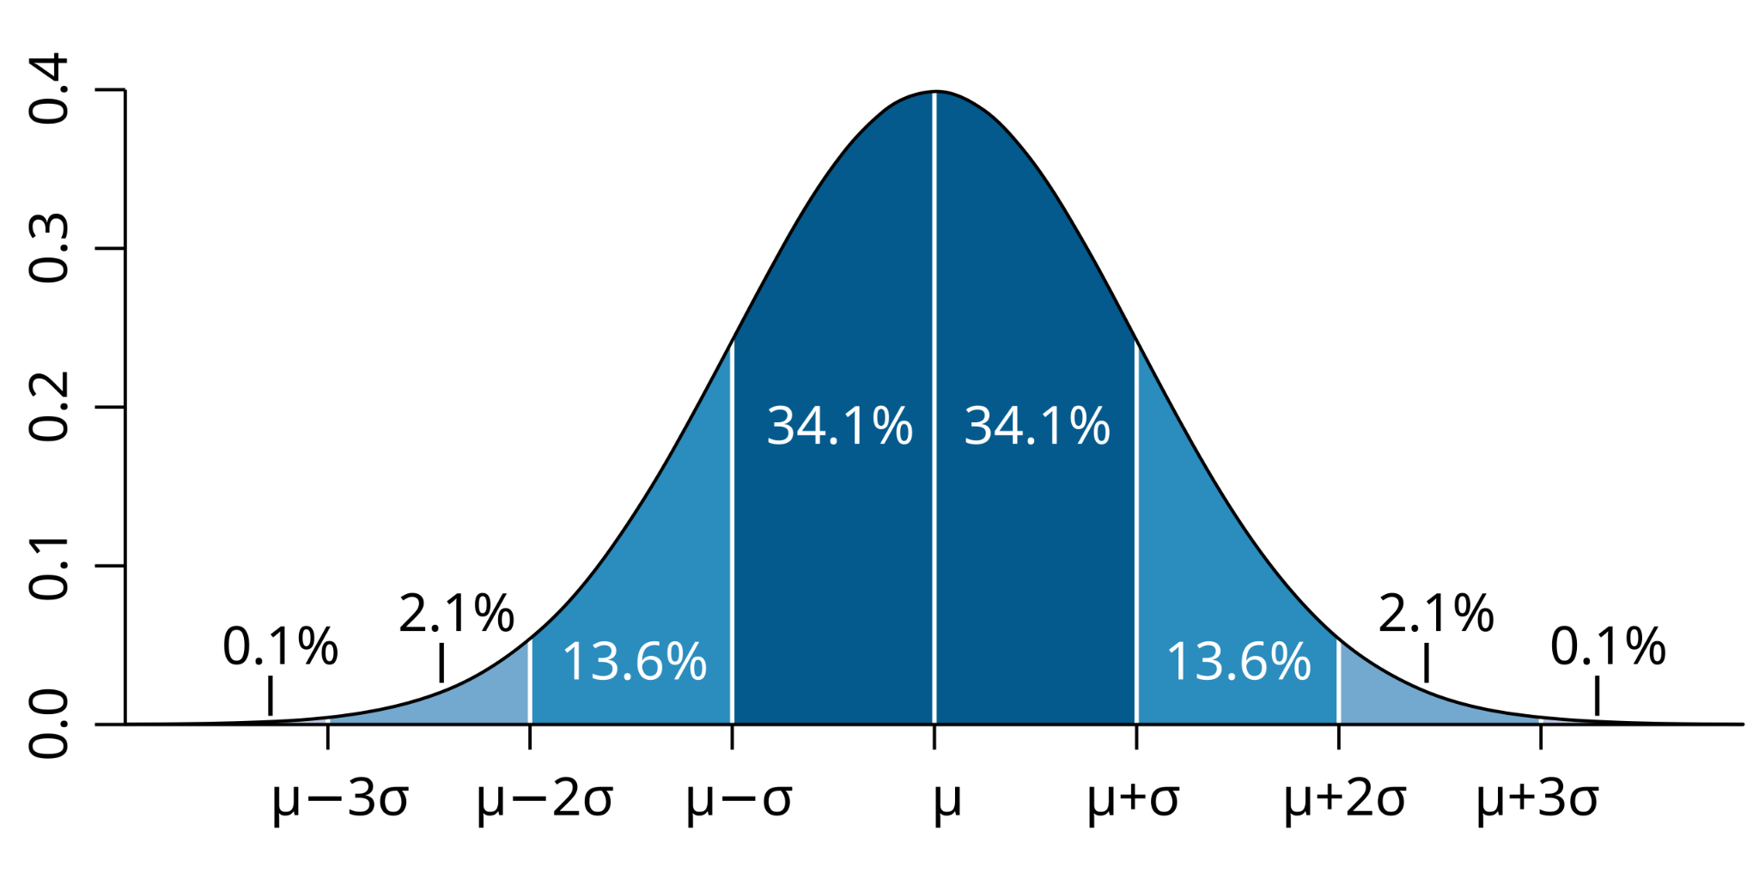
Input Data (per Hour)
Peak Hour Usage Stats
Average Number of Users | 100
Max Number of Users | 600
Average Number of Interactions (page Views in BI) | 10
Max Number of Interactions (Page views in BI) | 10
Average visit time duration (in minutes) | 10
Adoption Rate (%) | 100.00%
SLA Guarantees (%) | 99.00%

Per Minute Concurrent Users Stats
Average number of concurrent users | 16.66666667
Standard Deviation of Users per Hour | 214.9291624
Standard Deviation of Users per minute | 27.74723555
Per minute max concurrent users at given SLA | 81.2163891 |  | User Input to change
 |  |  | Calculated field, do not change
QPM Estimation Scenarios |  |  | QPM Estimation, do not change
Interaction speed with Genie is impacted by 3 factors: * Input latency: nb of seconds it takes to formalise a question * Genie Latency: nb of seconds it takes to answer a user question * Analysis latency: nb of seconds it takes to analyse Genie's resulta before eventually asking a follow-up question
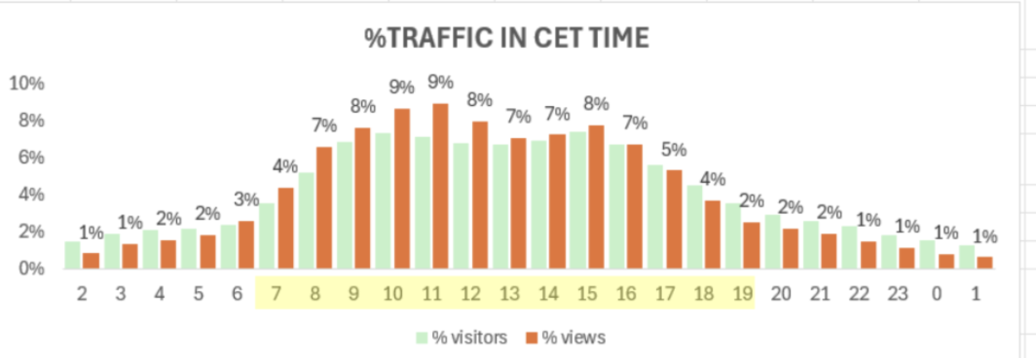
Scenari | Interaction time in seconds | QPM Estimation | Example of BI traffic with global presence and 3 main hubs: Europe, East US and India
Fast - small questions, easy to interpret the results | 35 | 139.2280956
Standard | 60 | 81.2163891
Slow - Complex question, need time to interpret results | 65 | 74.96897456

