git
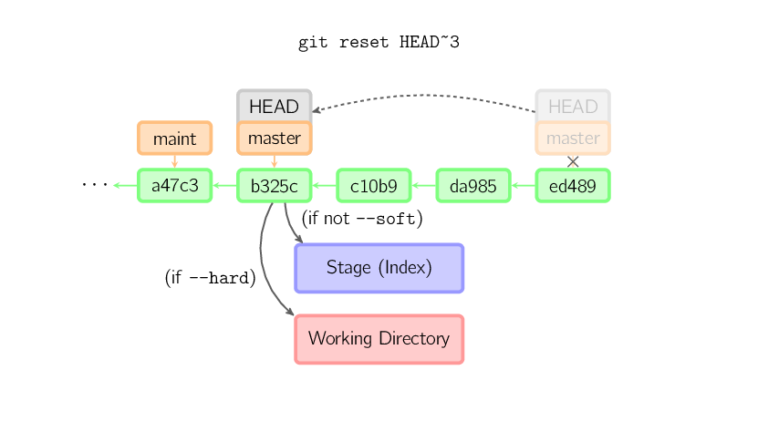
git log --pretty=oneline
git log --pretty --stat
git log --oneline -5 | display 5 entries
git log --pretty="%s %h" --graph
git log --graph --oneline --decorate
git log --date=relative --abbrev-commit
git log --pretty=format:"%h/H -- %cd %cn : %s" | %h abbreviated hash
 | %H long hash
 | %s subject
 | %cn commit name
 | %cd commit date
 | %an author name
git log -p -2 | option -p show diff introduced in each commit
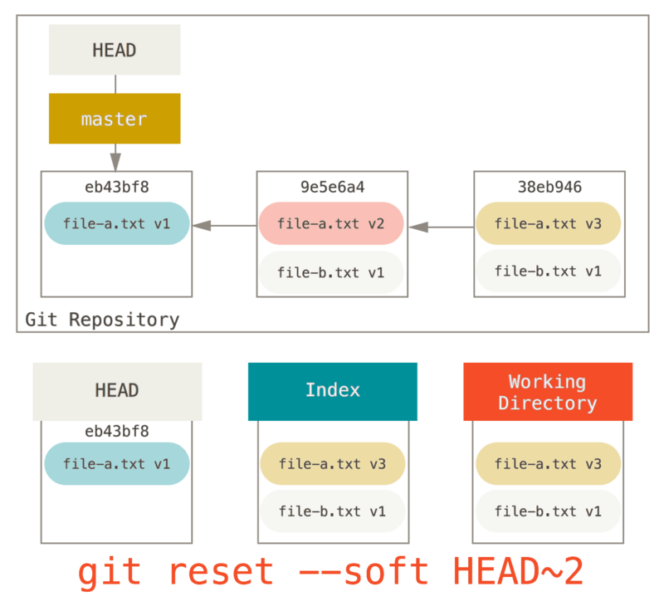
git log --stat --all
git tag -d tagname | delete tag
git tag -a/--anatate bckong-1.0 ref
git tag -a v1.2 0fcf34
git cat-file tag tag_name

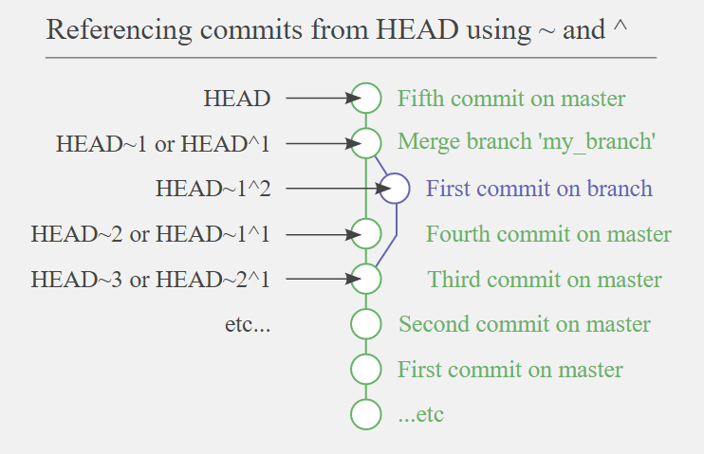
git checkout v1.2 | checkout local tag
git show-ref --tags
git ls-tree HEAD | git ls-tree = ls
 | option -r recursive
 | option -d only show trees

git reset HEAD -- path/filename | rm/delete the staged/index file
git reset HEAD -- linear_alg/test.jpg

git ls-tree -r HEAD | files in local repo
git ls-files -s | files staged in local repo
 | find unmerged files -u
git diff --name-only --diff-filter=U | find unmerged files

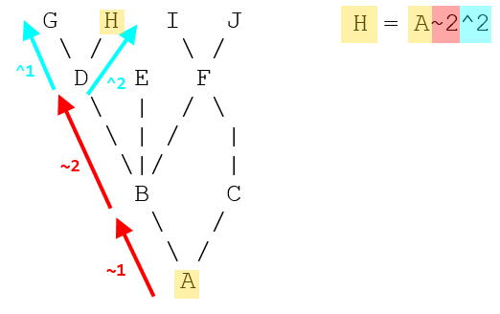
git fetch remote master
git merge FETCH_HEAD

git cat-file -p HEAD
git cat-file -p HEAD: | show files wit blob/hash (unique ID for the content)

git show HASH | display file content | 11520 | 2 | 23040
git show hash:filename > file

git config merge.tool gvmdiff
git config merge.conflictstyle diff3
git mergetool --tool-help | what merge tool supported

git mergetool | invoke merge tool

git reste HEAD~ | undo the last commit

git --cached --name-only | show new added files

git rev-parse HEAD | current revision
git describe --tag | current revision

git clone -b branch_nm https://xxx/project.git | clone a specific branch
git clone -b branch --single-branch https://xxx/xx.git | git 1.7+ revision
git clone -b rel/msm-4.4 git://xxx.xx.git
git clone -b dev/msm-4.4 git://
git branch -d name | delete branch
 | show merged/not branches into the current branch you are on

git branch -a | all local branches + remote branches
git branch -r | only remote branches
git branch -v/vv | verbose

git checkout -b LNX.LE.6.0 origin/LNX.LE.6.0 | remote/origin/LNX.LE.6.0 (git branch -r)

git archive HEAD(HASH) --format=zip > file.zip

git rev-parse HEAD/ --verify HEAD | show current commit
git show || git log -1 | git status || | view current commit

git config --global diff.tool=vimdiff | config tool
git difftool | show tools
git difftool master debug-01 gst/gstallocator.c
git diff --name-only SHA1 SHA2
--mirror=<fetch|push>]

cat file | git hash-object --stdin | cal sha and print out to stdin
cat file | shasum
printf "blob 0\0" | shasum | "blob size\0"

git cat-file -t SHA | option -t only show type
git cat-file -p SHA | pretty-print the contents of obj based on type
git cat-file -s SHA | object/file size

git config --global core.editor "vim"

git push origin master

git format-patch -2 HEAD --stdout > some.patch | generate 2 patches/commits, outs some.patch
git format-patch HEAD~2 --stdout > some.patch
git format-patch HASH --stdout > some.patch | the current commint against HASH
git apply --check some.patch | only check for errors
git am some.patch
git apply --stat some.patch | show status/meta

git config user.email c_akong@quicinc.com | change the email in git repo
git commit --amend --reset-author

repo init | sync with upstream
repe sync meta_qti-bsp

gpull cp 1897953 1922599 1911772 1934736 1935222 1935243

git ls-remote --heads ssh://git.quicinc.com:29418/meta-qti-internal

git push --no-thin ssh://review-android.quicinc.com:29418/platform/vendor/qcom-proprietary/gst-plugins-internal HEAD:refs/for/gst-framework.lnx.1.0-dev

git push --no-thin ssh://review-android.quicinc.com:29418/platform/vendor/qcom-proprietary/gst-plugins-internal HEAD:refs/for/yocto.lnx.1.0-dev

gstreamer
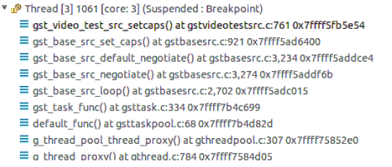
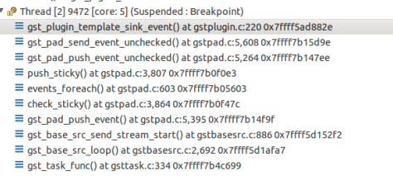
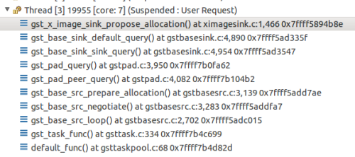
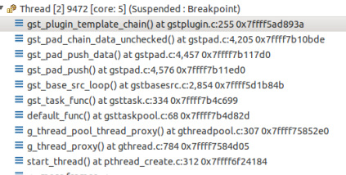
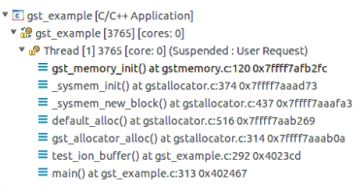
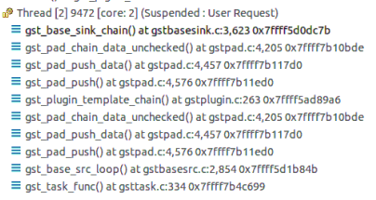
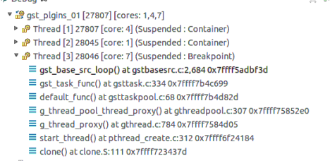
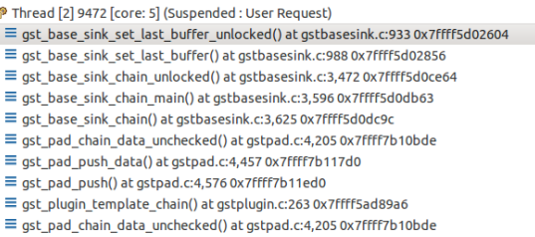
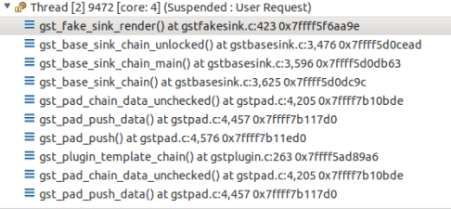
 |  | gst debug message
 | src call stack | export GST_DEBUG_FILE=test.log
GST_PLUGIN_PATH=/local/mnt/workspace/local/lib/gstreamer1.0 | defaut_func - gsttaskloop.c | export GST_DEBUG="2,v4l2dec:7"
 | gst_task_func - gsttask.c | export GST_DEBUG="2,v4l2dec:7,baseparse:7,h264parse:7"
 | gst_base_src_loop - gstbasesrc.c
 | gst_base_src_get_range
 | gst_push_src_create - gstpushsrc.c
-lgstreamer-1 -lgobject-2.0 -lglib-2.0
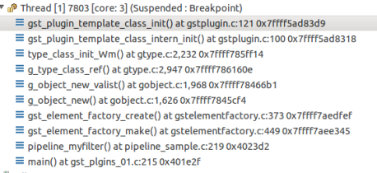
 |  | videotestsrc plugin:gst_video_test_src_setcaps()

how git works
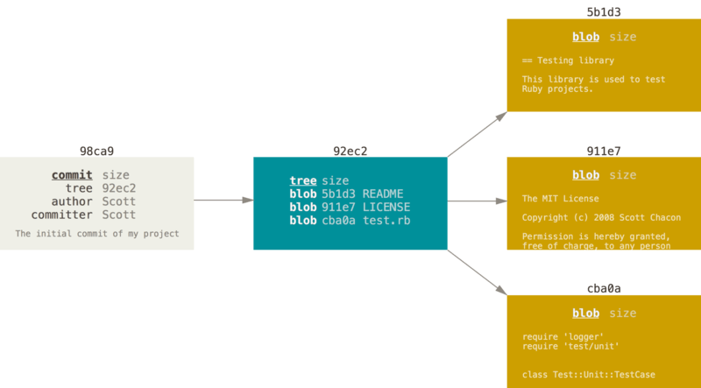
dict A | README
 | test.rb
 | LICENSE

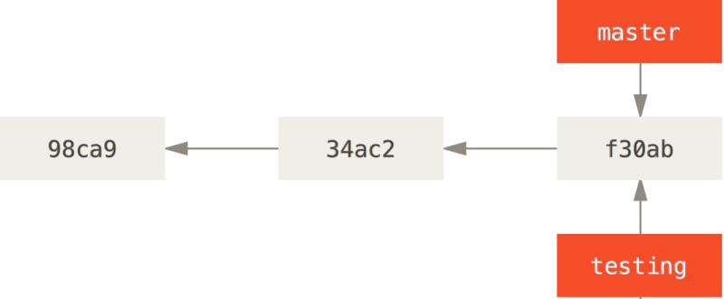

commit content (initial)

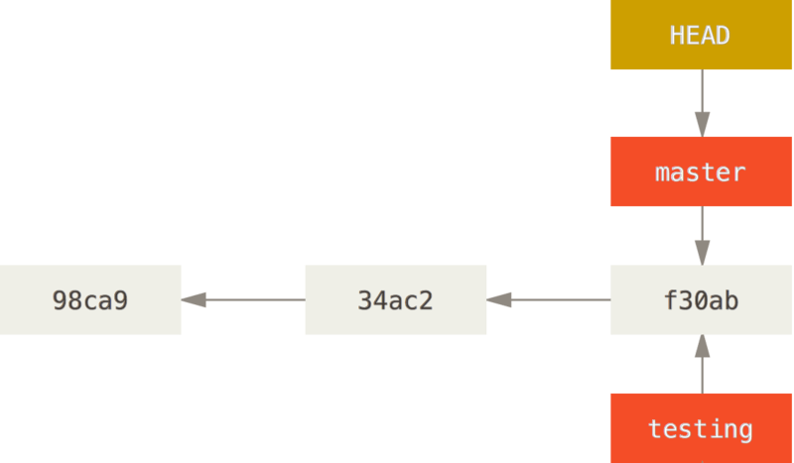

tree content

new commit (B)

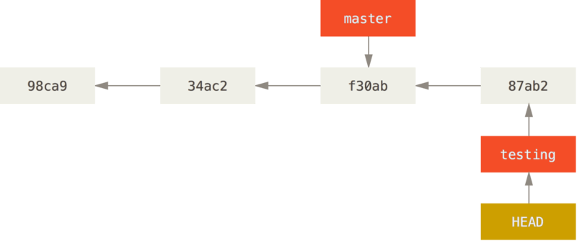

commit B content

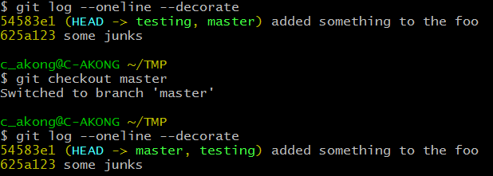

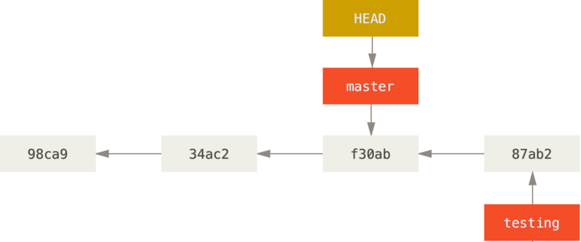

made change on testing and commit

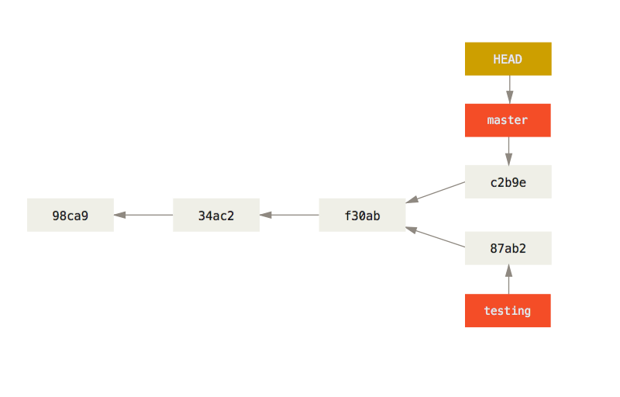

the contents of the testing commit (HEAd)

the parent of the master branch

the content of the master commit (HEAD)

driver and kernel
make savedefconfig | convert .config to defconfig
make config | plain text interface
make menuconfig | text-based with colored menus
make nconfig | text-based colored menus
make xconfig | QT/X based
make gconfig | Gtk-X based
make defconfig | creates a config uses default settings
ARCH=arm64 make defconfig | make default config (arch/arm64/configs/default_file
ARCH=arm64 make mediabox-perf_defconfig | example
make ARCH=x86_64 defconfig
make ARCH=arm CROSS_COMPILE=/usr/local/bin/arm-linux-
example:
expor ARCH=arm64 | 1)
make some_defconfig/make ARCH=arm64 some_defconfig | 2) arch/arm64/configs/some_defconfg
make menuconfig | 3)

goldfish cross compile
export PATH=/prebuilt/linux-x86/toolchain/arm-eabi-4.4.3/bin/:$PATH
make ARCH=arm goldfish_armv7_defconfig
CROSS_COMPILE=/prebuilt/linux-x86/toolchain/arm-eabi-4.4.3/bin/arm-eabi- ARCH=arm make
export ANDROID_PRODUCT_OUT=/out/target/product/generic/

sudo apt-get install gcc-aarch64-linux-gnu | install arm64 gcc
make ARCH=arm64 CROSS_COMPILE=aarch64-linux-gnu-

Makefile.am --> Makefile.in --> Makefile
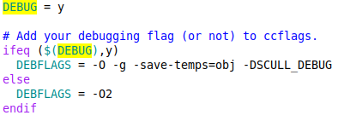
 | ldd4 Makefile Output preprocessed xxx.i file

VBox
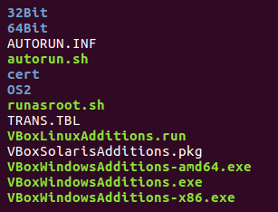
install VirutalBox's Guest Additions in the Guest OS/Ubuntu(manually do I, in case of the guest OS doesn't show Vbox Gas popup window. | After boot Guest OS, the system shows Vbox_GAs_5.2.6 and ask to run it. After running, it should have the same results below. Mounted to /media/bert/Vbox_Gas_5.2.6/
cp VBoxGuestAddition.iso (C:/Program File/Oracle/VirtualBox/) to Guest OS, Ubuntu | scp c_akong@server_name/TMP/VBoxGuestAddion.iso /home/bert/TMP/
create mounting directory for iso file | sudo /media/VBoxGuestAdditionsISO (any directory)
mounting VBoxGuestAddition.iso | sudo mount -o loop /home/bert/TMP/VBoxGuestAdditions.iso /media/VBoxGuestAdditionsISO
ls -l | /media/VBoxGuestAdditionsISO

machine folders | permenent folders
transient folders | temporary folders, automatically removed when the system is shut down
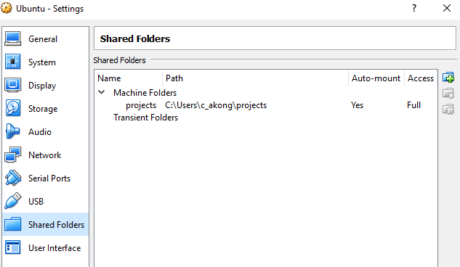
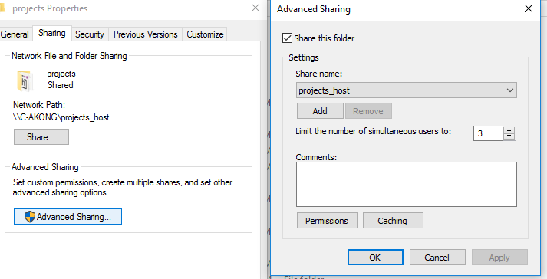
Shared Folder

install Guest Additions (above)
WinOS shared directory | right click projects (shared folder) to the Windows folder shared. see the attached image
make mount point in Guest OS | mkdir projects_host
mount on Guest OS | sudo mount -t vboxsf projects projects_host (projects is WinOS shared folder name

Install VirtualBox
1) | select settings->storage set IDE CD/DVD point the downloaded ubuntu ISO image. | mapping VBoxGuestAdditions.iso
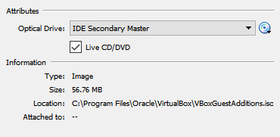
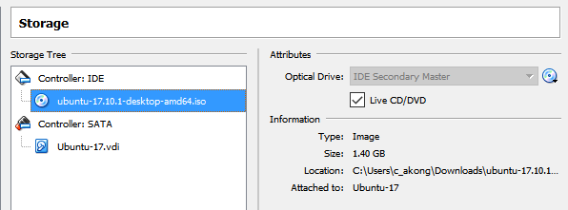

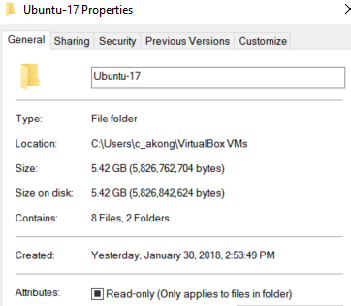
 |  | apt-get
2) start button to install the guest OS

