git
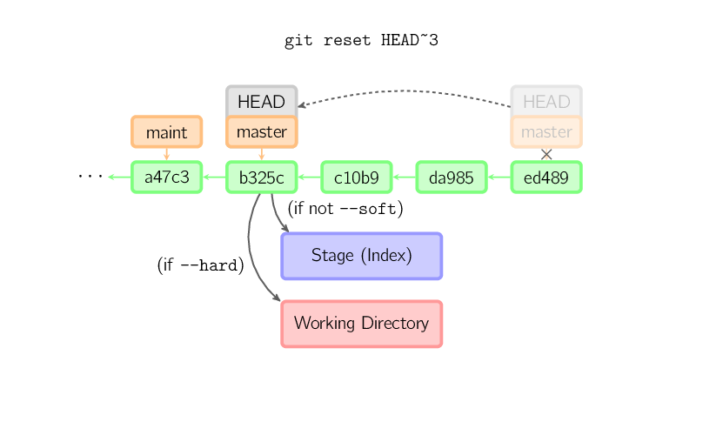
git log --pretty=oneline
git log --pretty --stat
git log --oneline -5 | display 5 entries
git log --pretty="%s %h" --graph
git log --graph --oneline --decorate
git log --date=relative --abbrev-commit
git log --pretty=format:"%h/H -- %cd %cn : %s" | %h abbreviated hash
 | %H long hash
 | %s subject
 | %cn commit name
 | %cd commit date
 | %an author name
git log -p -2 | option -p show diff introduced in each commit
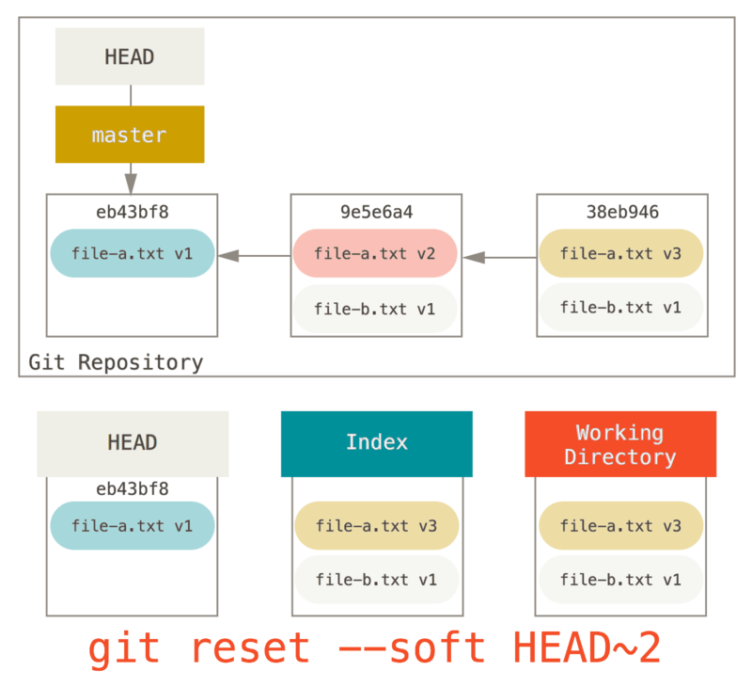
git log --stat --all
git tag -d tagname | delete tag
git tag -a/--anatate bckong-1.0 ref
git tag -a v1.2 0fcf34
git cat-file tag tag_name

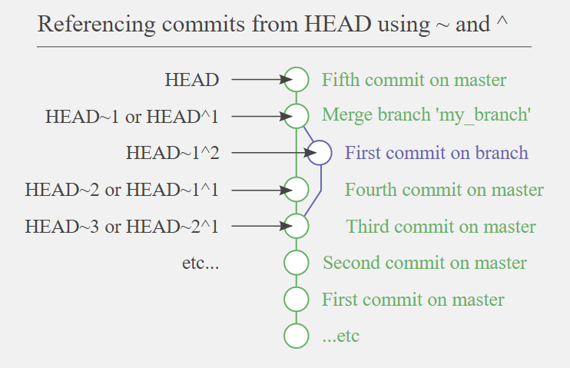
git checkout v1.2 | checkout local tag
git show-ref --tags
git ls-tree HEAD | git ls-tree = ls
 | option -r recursive
 | option -d only show trees

git reset HEAD -- path/filename | rm/delete the staged/index file
git reset HEAD -- linear_alg/test.jpg

git ls-tree -r HEAD | files in local repo
git ls-files -s | files staged in local repo
 | find unmerged files -u
git diff --name-only --diff-filter=U | find unmerged files

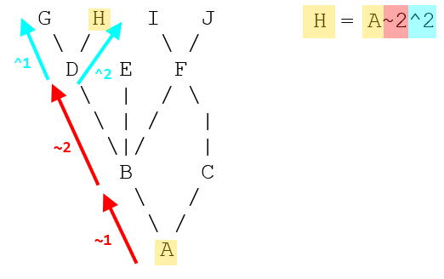
git fetch remote master
git merge FETCH_HEAD

git cat-file -p HEAD
git cat-file -p HEAD: | show files wit blob/hash (unique ID for the content)

git show HASH | display file content | 11520 | 2 | 23040
git show hash:filename > file

git config merge.tool gvmdiff
git config merge.conflictstyle diff3
git mergetool --tool-help | what merge tool supported

git mergetool | invoke merge tool

git reste HEAD~ | undo the last commit

git --cached --name-only | show new added files

git rev-parse HEAD | current revision
git describe --tag | current revision

git clone -b branch_nm https://xxx/project.git | clone a specific branch
git clone -b branch --single-branch https://xxx/xx.git | git 1.7+ revision
git clone -b rel/msm-4.4 git://xxx.xx.git
git clone -b dev/msm-4.4 git://
git branch -d name | delete branch
 | show merged/not branches into the current branch you are on

git branch -a | all local branches + remote branches
git branch -r | only remote branches
git branch -v/vv | verbose

git checkout -b LNX.LE.6.0 origin/LNX.LE.6.0 | remote/origin/LNX.LE.6.0 (git branch -r)

git archive HEAD(HASH) --format=zip > file.zip

git rev-parse HEAD/ --verify HEAD | show current commit
git show || git log -1 | git status || | view current commit

git config --global diff.tool=vimdiff | config tool
git difftool | show tools
git difftool master debug-01 gst/gstallocator.c
git diff --name-only SHA1 SHA2
--mirror=<fetch|push>]

cat file | git hash-object --stdin | cal sha and print out to stdin
cat file | shasum
printf "blob 0\0" | shasum | "blob size\0"

git cat-file -t SHA | option -t only show type
git cat-file -p SHA | pretty-print the contents of obj based on type
git cat-file -s SHA | object/file size

git config --global core.editor "vim"

git push origin master

git format-patch -2 HEAD --stdout > some.patch | generate 2 patches/commits, outs some.patch
git format-patch HEAD~2 --stdout > some.patch
git format-patch HASH --stdout > some.patch | the current commint against HASH
git apply --check some.patch | only check for errors
git am some.patch
git apply --stat some.patch | show status/meta

git config user.email c_akong@quicinc.com | change the email in git repo
git commit --amend --reset-author

repo init | sync with upstream
repe sync meta_qti-bsp

gpull cp 1897953 1922599 1911772 1934736 1935222 1935243

git ls-remote --heads ssh://git.quicinc.com:29418/meta-qti-internal

git push --no-thin ssh://review-android.quicinc.com:29418/platform/vendor/qcom-proprietary/gst-plugins-internal HEAD:refs/for/gst-framework.lnx.1.0-dev

git push --no-thin ssh://review-android.quicinc.com:29418/platform/vendor/qcom-proprietary/gst-plugins-internal HEAD:refs/for/yocto.lnx.1.0-dev

gstreamer
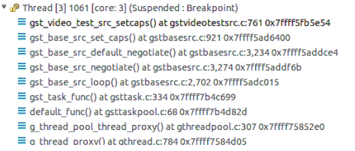
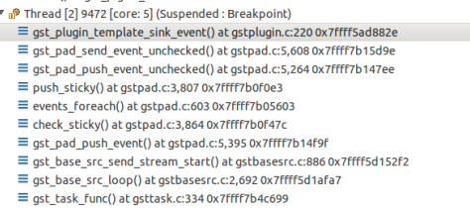
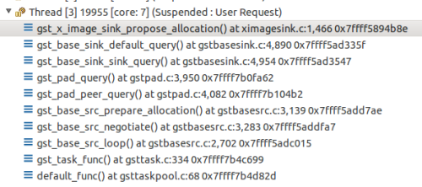
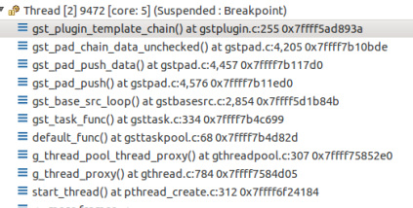
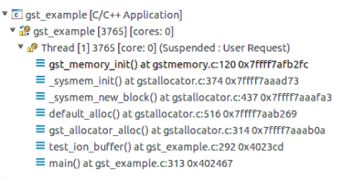
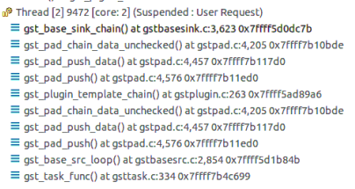
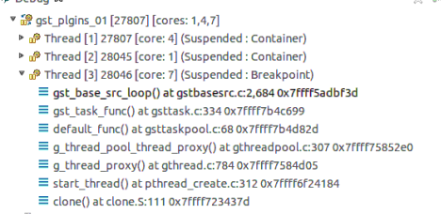
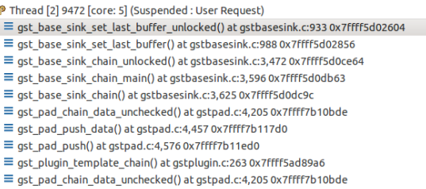
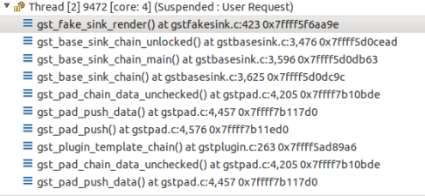
 |  | gst debug message
 | src call stack | export GST_DEBUG_FILE=test.log
GST_PLUGIN_PATH=/local/mnt/workspace/local/lib/gstreamer1.0 | defaut_func - gsttaskloop.c | export GST_DEBUG="2,v4l2dec:7"
 | gst_task_func - gsttask.c | export GST_DEBUG="2,v4l2dec:7,baseparse:7,h264parse:7"
 | gst_base_src_loop - gstbasesrc.c
 | gst_base_src_get_range
 | gst_push_src_create - gstpushsrc.c
-lgstreamer-1 -lgobject-2.0 -lglib-2.0
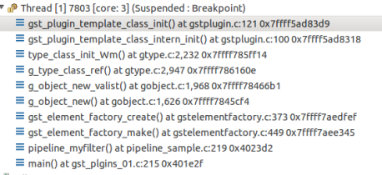
 |  | videotestsrc plugin:gst_video_test_src_setcaps()

how git works
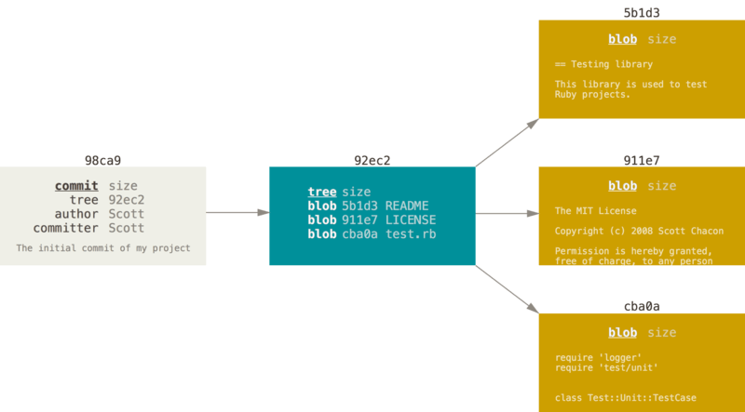
dict A | README
 | test.rb
 | LICENSE

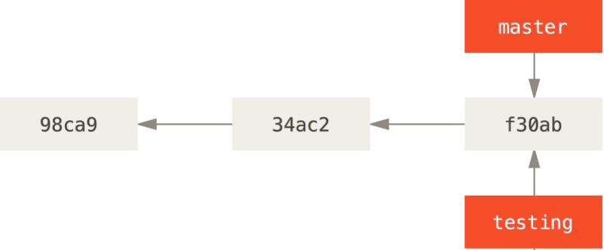

commit content (initial)

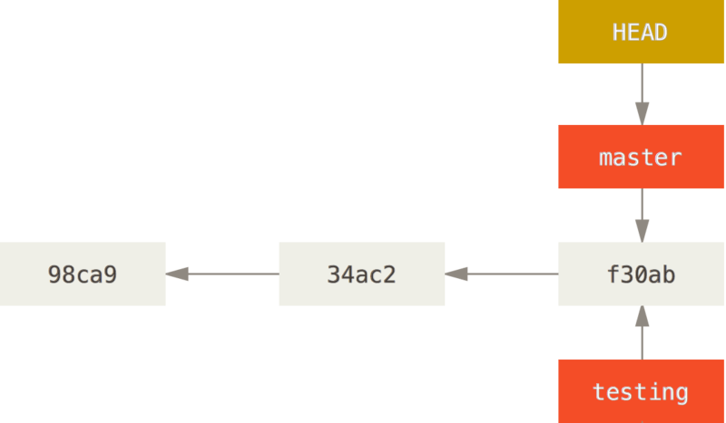

tree content

new commit (B)

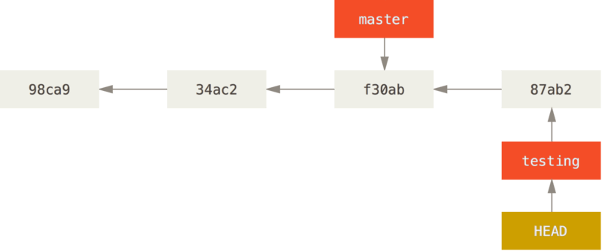

commit B content

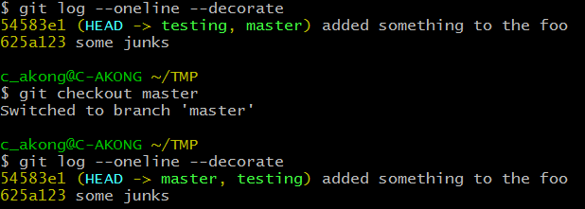

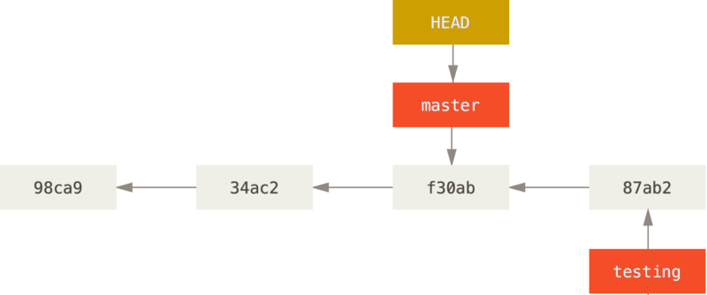

made change on testing and commit

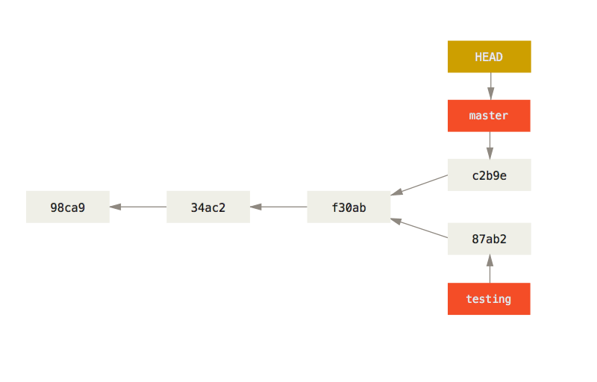

the contents of the testing commit (HEAd)

the parent of the master branch

the content of the master commit (HEAD)

