Sheet1
sml | mol | int | float | datetime
CO | 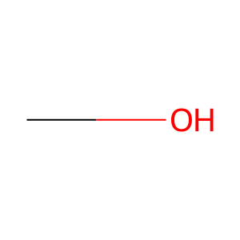 <rdkit.Chem.rdchem.Mol object at 0x13f016ab0> | 1 | 1.010 | 2024-07-10
CO | <rdkit.Chem.rdchem.Mol object at 0x13f016ab0> | 1 | 1.010 | 2024-07-10
CO | <rdkit.Chem.rdchem.Mol object at 0x13f016ab0> | 1 | 1.010 | 2024-07-10
CO | <rdkit.Chem.rdchem.Mol object at 0x13f016ab0> | 1 | 1.010 | 2024-07-10
CO | <rdkit.Chem.rdchem.Mol object at 0x13f016ab0> | 1 | 1.010 | 2024-07-10

