Sheet2
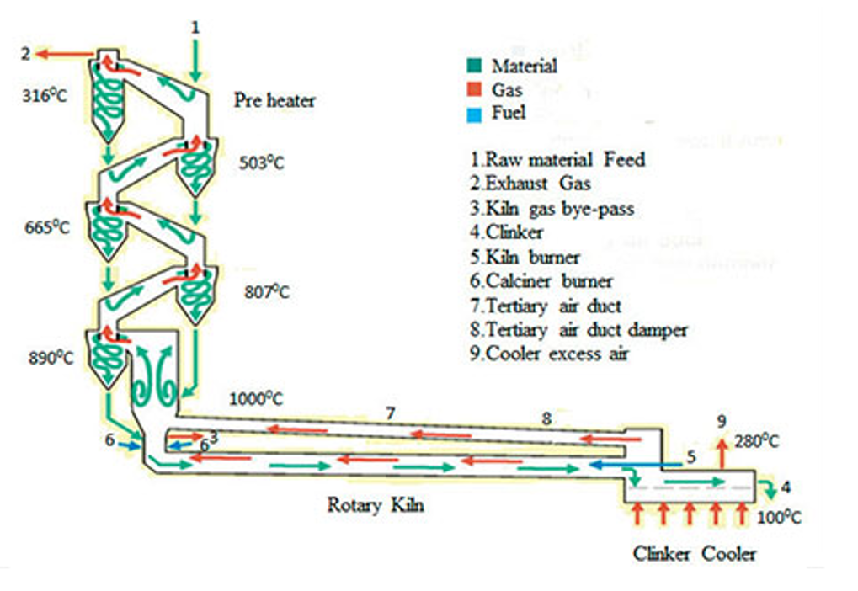
A | date | search key words: Cement Manufacturing Process
B | hour
C | feeding scale
D | Free calcium
E | Eligibility test
F | kiln speed
G | kiln head scale
H | kiln tailor scale
I | Body temperature
J | the top tempreture of the primary pre-heator
K | the top pressure of the primary pre-heator
L | the bottom tempreture of the primary pre-heator
M | the bottom pressure of the primary pre-heator
N | the top tempreture of the secondary pre-heator
O | the top pressure of the secondary pre-heator
P | the bottom tempreture of the secondary pre-heator
Q | the bottom pressure of the secondary pre-heator
R | the top tempreture of the tertiary pre-heator
S | the top pressure of the tertiary pre-heator
T | the bottom tempreture of the tertiary pre-heator
U | the bottom pressure of the tertiary pre-heator
V | the top tempreture of the four pre-heator
W | the top pressure of the four pre-heator
X | the bottom tempreture of the four pre-heator
Y | the bottom pressure of the four pre-heator
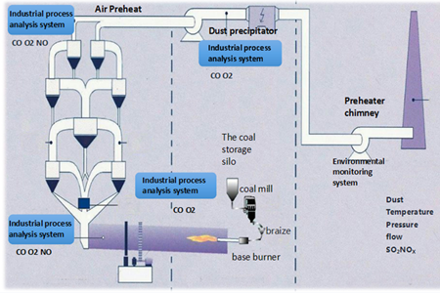
Z | the top tempreture of the five pre-heator
AA | the top pressure of the five pre-heator
AB | the bottom tempreture of the five pre-heator
AC | the bottom pressure of the five pre-heator
AD | the tail tempreture of the kiln
AE | the tempretrue of the precalciner
AF | the pressure of the precalciner
AG | first primary fan
AH | the pressure of the head of kiln
AI | the pressure of the primary part in clinker cooler
AJ | the S1 of the primary part in clinker cooler
AK | the I1 of the primary part inclinker cooler
AL | the S1 of the secondary part inclinker cooler
AM | the I1 of the secondary part inclinker cooler
AN | the S1 of the third part inclinker cooler
AO | the I1 of the third part in clinker cooler
AP | the pressure of the third fan
AQ | the rotation speed of the high tempreture van
AR | the current of the high tempreture van

 | (D J K L M Z AA AB AC AH AP)
 | (D AJ AI AK AA AB AC AP)
 | (AR AQ AP AO

