Results
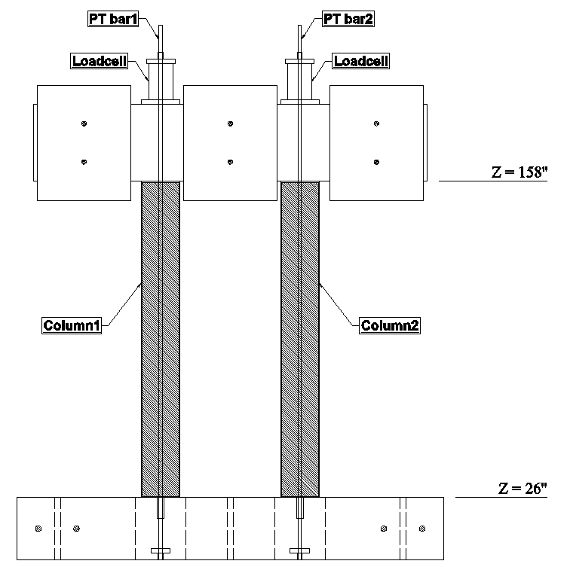
 |  | Experimental Results
1 | Relative horizontal displacement (mm) at z=158": | GM1 | GM2 | GM3 | GM4 | GM5 | GM6 | GM7 | GM8 | GM9
 | P | 6 | 17.7 | 53.1 | 34.8 | 126.6 | 57.8 | 150.2 | 164.1 | 262.3
 | N | -11.5 | -24.9 | -57.2 | -34.9 | -121.3 | -53.9 | -113.8 | -230.7 | -170.1

2 | Lateral Inertia force above the top of columns (at z =158") | GM1 | GM2 | GM3 | GM4 | GM5 | GM6 | GM7 | GM8 | GM9
 | P | 137.1 | 192.7 | 242.9 | 171.0 | 295.4 | 190.5 | 256.7 | 322.8 | 259.1
 | N | -93.6 | -152.1 | -228.4 | -177.2 | -293.5 | -197.7 | -307.4 | -290.5 | -309.1

x=0"
x=0"
x=0"
x=0"
3 | Overturning moment at the base of the columns (at z=26") | GM1 | GM2 | GM3 | GM4 | GM5 | GM6 | GM7 | GM8 | GM9
 | P | 539.1 | 826.9 | 966.7 | 664.7 | 1166.5 | 730.4 | 1062.8 | 1236.1 | 972.6
 | N | -435.6 | -654.6 | -922.3 | -689.8 | -1132.9 | -759.1 | -1243.1 | -1093.1 | -1172.9

4 | Vertical Inertia force above the top of columns (at z =158") | GM1 | GM2 | GM3 | GM4 | GM5 | GM6 | GM7 | GM8 | GM9
 | P | 294.2 | 284.6 | 212.9 | 86.8 | 277.4 | 123.5 | 285.4 | 133.2 | 123.5

5 | Largest Post-tension bar force in Column 1 (kN) | GM1 | GM2 | GM3 | GM4 | GM5 | GM6 | GM7 | GM8 | GM9
 | P | 436.8 | 456.7 | 538.9 | 493.8 | 727.5 | 533.4 | 798.4 | 793.6 | 923.3

6 | Largest Post-tension bar force in Column 2 (kN) | GM1 | GM2 | GM3 | GM4 | GM5 | GM6 | GM7 | GM8 | GM9
 | P | 453.2 | 483.5 | 572.1 | 509.5 | 733.5 | 542.7 | 740.5 | 954.9 | 814.9

7 | Relative residual displacement (mm) at z=158": | GM1 | GM2 | GM3 | GM4 | GM5 | GM6 | GM7 | GM8 | GM9
 | P | 0.6 | 0.7 | 2.2 | 2.2 | 5.8 | 5.3 | 5.5 | 10.3 | 5.4

8 | Peak Vertical Uplift at x=0", z=158" with respect to the base of the columns | GM1 | GM2 | GM3 | GM4 | GM5 | GM6 | GM7 | GM8 | GM9
 | P | 0.7 | 0.8 | 2.0 | 0.9 | 5.3 | 2.3 | 6.4 | 6.9 | 7.3
z
z
z
z
9 | Residual Post-tension bar force in Column 1 (kN) | GM1 | GM2 | GM3 | GM4 | GM5 | GM6 | GM7 | GM8 | GM9
 | P | 425.8 | 423 | 421.3 | 420.3 | 403.4 | 401.3 | 387.8 | 355.7 | 271.3

10 | Residual Post-tension bar force in Column 2 (kN) | GM1 | GM2 | GM3 | GM4 | GM5 | GM6 | GM7 | GM8 | GM9
 | P | 435.5 | 433.6 | 433.1 | 432.5 | 422.5 | 420.9 | 428.4 | 355.8 | 329.7
x
x
x
x

