RMSE
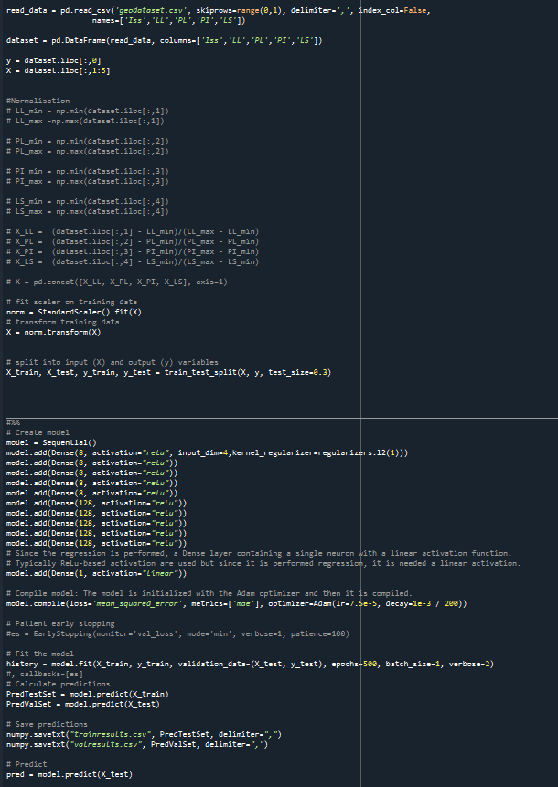
1.2642468217

y_test
 | Iss
148 | 6.1 | 5.31619
166 | 5.6 | 5.01569
24 | 3.7 | 3.42159
22 | 1 | 1.80871
3 | 1 | 2.26193
42 | 5.1 | 3.21178
131 | 2.3 | 2.92027
86 | 5.05 | 1.8793
130 | 2.1 | 1.95549
158 | 6.46 | 5.54298
140 | 3.6 | 3.09379
78 | 1.69 | 2.31187
96 | 2.42 | 3.68111
9 | 0.4 | 1.43036
14 | 4.5 | 4.32214
32 | 5.6 | 5.57923
65 | 2.7 | 4.76881
150 | 2 | 2.03499
12 | 0.6 | 1.39952
89 | 6.88 | 5.35
82 | 4.3 | 4.43126
91 | 6.77 | 4.97111
159 | 6.12 | 5.54298
110 | 4.4 | 4.62866
116 | 1.2 | 1.60301
106 | 3.76 | 2.59044
127 | 0.6 | 1.87752
33 | 1 | 1.89233
46 | 2.7 | 1.43539
1 | 5 | 4.08804
39 | 4.7 | 3.85316
17 | 2.7 | 3.32679
132 | 1.1 | 3.22492
112 | 0.1 | 0.586553
153 | 8.9 | 4.81798
154 | 8.87 | 7.05531
25 | 4.5 | 3.91228
66 | 4.9 | 5.71989
67 | 4.8 | 5.26647
38 | 5.8 | 4.48003
64 | 9 | 6.09204
119 | 0.5 | 2.00268
134 | 1 | 2.11534
35 | 1.4 | 1.84187
168 | 5.17 | 5.01569
100 | 1.75 | 2.12087
133 | 3.5 | 2.47897
162 | 5.82 | 5.52306
47 | 1.7 | 1.38738
152 | 0.1 | 0.638712
146 | 1.9 | 2.25198

y_train
2.3 | 1.7573
1.6 | 1.82248
2.4 | 2.43928
5.96 | 4.73379
5.65 | 5.52306
5.88 | 5.01569
6.72 | 5.52306
4.9 | 5.71989
0.8 | 0.672207
3.28 | 2.71202
2.5 | 2.66041
6.32 | 5.47415
2.22 | 2.48006
0.6 | 0.602295
2.56 | 2.24968
2.87 | 2.97711
3.46 | 3.51332
1 | 1.24859
4.2 | 3.83841
6.12 | 5.52306
0.2 | 1.88001
3 | 2.92285
3 | 2.26193
4.8 | 4.31772
0.7 | 0.647572
1.59 | 3.27533
1.1 | 1.7573
2.9 | 2.75804
3 | 2.26998
7.02 | 7.0192
0.1 | 1.70776
2.6 | 2.30183
1.8 | 1.68249
3.06 | 3.01628
5.1 | 4.35598
1.9 | 1.45561
2.51 | 2.55558
5.3 | 5.52306
3.5 | 3.87677
1.7 | 1.38738
1.7 | 1.64059
1.57 | 2.06264
1.4 | 4.33714
0.4 | 0.669555
3 | 2.24036
4.7 | 4.288
1.4 | 1.84992
2.83 | 4.76616
0.8 | 1.49516
1.87 | 2.48885
...
 | Iss
121 | 2.3 | 1.7573
128 | 1.6 | 1.82248
60 | 2.4 | 2.43928
84 | 5.96 | 4.73379
160 | 5.65 | 5.52306
167 | 5.88 | 5.01569
163 | 6.72 | 5.52306
55 | 4.9 | 5.71989
151 | 0.8 | 0.672207
93 | 3.28 | 2.71202
138 | 2.5 | 2.66041
85 | 6.32 | 5.47415
109 | 2.22 | 2.48006
113 | 0.6 | 0.602295
76 | 2.56 | 2.24968
74 | 2.87 | 2.97711
73 | 3.46 | 3.51332
57 | 1 | 1.24859
142 | 4.2 | 3.83841
164 | 6.12 | 5.52306
4 | 0.2 | 1.88001
137 | 3 | 2.92285
2 | 3 | 2.26193
61 | 4.8 | 4.31772
114 | 0.7 | 0.647572
87 | 1.59 | 3.27533
120 | 1.1 | 1.7573
15 | 2.9 | 2.75804
6 | 3 | 2.26998
111 | 7.02 | 7.0192
27 | 0.1 | 1.70776
37 | 2.6 | 2.30183
115 | 1.8 | 1.68249
104 | 3.06 | 3.01628
50 | 5.1 | 4.35598
29 | 1.9 | 1.45561
101 | 2.51 | 2.55558
161 | 5.3 | 5.52306
53 | 3.5 | 3.87677
30 | 1.7 | 1.38738
118 | 1.7 | 1.64059
98 | 1.57 | 2.06264
143 | 1.4 | 4.33714
117 | 0.4 | 0.669555
122 | 3 | 2.24036
26 | 4.7 | 4.288
48 | 1.4 | 1.84992
71 | 2.83 | 4.76616
123 | 0.8 | 1.49516
94 | 1.87 | 2.48885
108 | 7.15 | 6.94094
92 | 1.08 | 2.07156
5 | 0.3 | 1.35341
44 | 1.4 | 1.36474
80 | 3.04 | 3.03225
21 | 5.8 | 4.2549
52 | 4.5 | 5.35764
36 | 3.9 | 3.89916
40 | 3.9 | 3.73968
155 | 5.51 | 5.54298
79 | 2.32 | 2.65413
81 | 2.95 | 2.28447
97 | 1.91 | 2.09832
107 | 3.55 | 3.15616
62 | 6 | 6.09204
7 | 1.7 | 2.64374
58 | 1.4 | 1.24859
59 | 1.7 | 2.43928
45 | 2 | 1.92847
0 | 4.2 | 3.29434
31 | 1.4 | 1.84992
70 | 2.7 | 2.5742
139 | 4 | 4.17245
10 | 0.9 | 1.12696
49 | 3.7 | 5.60584
68 | 1.47 | 2.01945
103 | 2.11 | 1.43731
125 | 1.4 | 1.95343
147 | 5.2 | 5.06258
16 | 3.7 | 1.7971
23 | 1 | 1.70597
156 | 4.19 | 5.54298
54 | 2.6 | 4.39185
51 | 7.4 | 5.9644
28 | 3.8 | 4.02479
144 | 1.6 | 1.81904
72 | 5.73 | 4.91688
105 | 3.23 | 2.36276
157 | 5.56 | 5.54298
43 | 2.1 | 1.67141
11 | 0.1 | 1.02016
13 | 0.7 | 1.17608
63 | 5.5 | 5.27801
20 | 6.1 | 4.30643
149 | 0.9 | 0.676072
18 | 1.6 | 2.85626
88 | 6.96 | 5.03321
102 | 2.55 | 2.57233
165 | 5.33 | 5.01569
75 | 2.88 | 1.93654
69 | 6.16 | 5.04009
135 | 2.3 | 2.3764
136 | 1.6 | 2.92291
95 | 4.21 | 3.59765
90 | 6.16 | 4.56204
99 | 4.02 | 3.81202
126 | 1.6 | 1.94887
19 | 1.9 | 2.84203
56 | 4.8 | 5.26647
83 | 4.53 | 4.91479
34 | 2.2 | 2.84385
129 | 0.8 | 1.63501
41 | 2.6 | 2.30183
141 | 3.9 | 3.83841
77 | 2.57 | 2.86685
145 | 1.2 | 1.34155
8 | 0.8 | 1.25264
124 | 0.5 | 2.05674

