ApplicationsPerOffice
Applications Per Office |  |  |  |  | 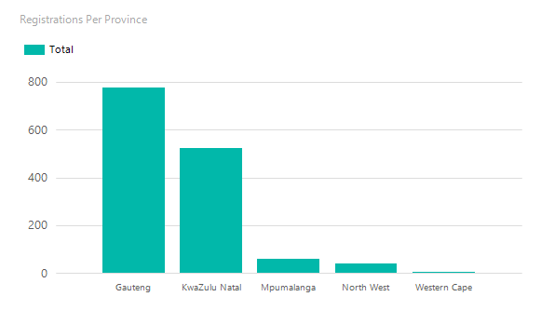

province Name | Office Name | Renewal | Registration | Total
Gauteng
 | Satellite Office Pretoria | 138 | 105 | 243
 | Sunninghill | 293 | 238 | 531
 | Total Per Office |  |  | 774
KwaZulu Natal
 | Durban | 253 | 175 | 428
 | Satellite Office Newcastle | 24 | 24 | 48
 | Satellite Office Richards Bay | 27 | 21 | 48
 | Total Per Office |  |  | 524
Mpumalanga
 | Nelspruit | 25 | 15 | 40
 | Satellite Office Witbank | 8 | 11 | 19
 | Total Per Office |  |  | 59

North West
 | Rustenburg | 9 | 6 | 15
 | Satellite Office Klerksdorp | 15 | 5 | 20
 | Satellite Office Mafikeng | 3 | 1 | 4
 | Total Per Office |  |  | 39
Western Cape
 | Milnerton | 0 | 1 | 1
 | Total Per Office |  |  | 1
Grand Total |  |  |  | 1397

