React Mission
# 001 - Login Page
Login Logo |  |  |  |  |  | # Common - Width : 1200px - Height : 100% - Page Move use react-router-dom npm lib #Login Buton Click => Todo List Page Move ※ You can't do it exactly the same.

 | ID | Input

 | PW | Input

 | Login Button

# 002 - Todo List Page
Todo List |  |  | News |  |  | This Page is Todo List. Create the functions below. #Function 1) Add a task here -> write text -> + Button Click -> Add Item #Function 2) CheckBox Click -> Item Down #Function 3) X Button Click -> item Remove ※ You can't do it exactly the same.

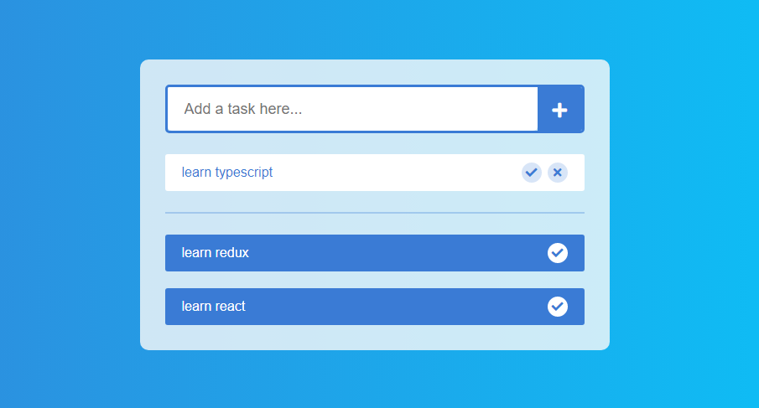

# 003 - News Page
Todo List |  |  | News |  |  | # Add Button Click After Show Modal |  | This Page is Simple News Pasg. You Make News Viewer, Edit, Remove Function. #Function 1) News Viewer #Function 2) News Edit #Function 3) News Delete ※ You can't do it exactly the same.
 |  |  |  |  |  | Add News(Modal)
 |  |  |  |  |  | Title | input
 |  |  |  | Add Button
 |  |  |  |  |  | Article | input
 | News Title1 |  |  | Modify | Delete
 | News article |  |  |  |  | Save Button
 |  |  |  |  |  | Close Button

 | News Title2 |  |  | Modify | Delete
 | News article

 | News Title3 |  |  | Modify | Delete | # Modify Click After Show Modal
 | News article |  |  |  |  | Modify News(Modal)
 |  |  |  |  |  | Title | input

 | News Title4 |  |  | Modify | Delete | Article | input
 | News article
 |  |  |  |  |  | Save Button
 |  |  |  |  |  | Close Button

