XG766_A0_Qual_plan
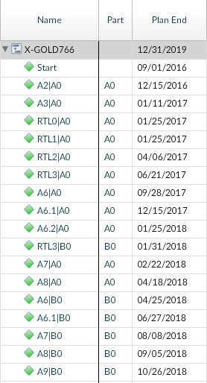
 |  | Qualification schedule for XG766 A0 | Qualification description | voltage bias | Pattern required | JEDEC standard | Comments
 | Milestones | A0 Tape-in
 |  | A0 samples availability (A6.1)
 |  | B0 Tape-in
 |  | Required A0 samples for Qualification
 | TP prep | Sort test program for Q1
 |  | TestB TP (ESD/LU)
 |  | Test-Q2: (HTOL/THC/…)
Si Qual | ESD/LU | ESD HBM 1kV, test to fail | ESD human body model | no | no | JESD22
 |  | ESD CDM 250V IO, 500V Supply test to fail | ESD charged device model | no | no | JESD22
 |  | Latch Up 1.5*Vdd nom, 100mA@Tmax (>70C) | latch up | yes | yes | JESD78 | latchup tester has limited power rails and tester channels. At design phase need check whether available latchup tester resource ok: - power rail enough if Soc has many power domains - latchup pre-condition pattern is simple and vector less than 512K
 |  | HTOL (500h) | High temperature operating life (HTOL) test is to determine the reliability of products by accelerating thermally activated failure mechanisms. Customer parts are subjected to elevated temperatures under biased operating conditions. Typically, dynamic signals are applied to the devices under stress. The typical Vcc is the maximum operating voltage. The test is used to predict long term failure rates. All test samples must pass final electrical test prior to HTOL testing. Applicable Specs: JESD22-A108, MIL-STD-883 Method 1005.8, EIAJ-ED4701-D323 | yes | yes | JESD22 | HTOL pattern need cover following: - scan to cover digital part - mbist to cover array - HSIO covered by loopback - GPIO covered by bscan toggling - if embeded DRAM, also need write/read DRAM During design phase, also need check HTOL tester resources. For complex Soc design limited HTOL tester resource will be bottleneck: - DFT better to design special htol mode for scan reducing required tester channel;
 |  | HTOL (1000h)
 |  | HTOL corner 1000h 1.2xVopmax @Tj 125C
 |  | ELFR(TA > 125°C or TJ > 125°C VCC > 1.2 x Vcc Max) | screen out potential early life failures | yes | yes | JESD22 | same board and pattern as HTOL but different stress condition and readout??
 |  | HTS (150C/1000h) | The high-temperature storage life test measures device resistance to a high-temperature environment that simulates a storage environment. The stress temperature is typically set to 125°C or 150°C to accelerate the effect of temperature on the test samples. In the test, no voltage bias is applied to the devices. Applicable Specs: JESD22-A103, MIL-STD-883 Method 1008 | no | no | JESD22
PKG Level | Package related tests | Pre-Conditioning | Preconditioning is to measure the resistance of non-hermetic surface mount devices to worst-case moisture absorption followed by one cycle of the soldering process and two cycles of rework. A statistical sample of parts is inspected with an acoustic microscope before and after preconditioning. Before they undergo the temperature humidity bias test, the temperature cycle test, the thermal shock test, the pressure cooker test or the highly-accelerated temperature and humidity stress test, surface mount devices are subjected to preconditioning and must later pass a final electrical test. Applicable Spec: JESD22-A113 | no | no | JESD22
 |  | TC -55 to +125C 700cyc, every 250cyc upto 2000 or fail | Temperature cycle testing accelerates fatigue failures within a specific die and packaging system. Typical failure mechanisms include die cracking; package cracking, wire bond failure, and first or second level interconnect solder fatigue. The temperature cycling is done in one, two, or three chamber systems that control the air temperature and ramp rate. Ten different temperature conditions and four different soak modes are specified, and the combination of temperature condition and soak mode depends on customer requirements. Applicable Specs: JESD22-A104, MIL-STD-883 Method 1010.7 | no | no | JESD22
 |  | THB on live die (1000h) 85% ,85℃ | The temperature-humidity-bias test is an environmental test designed to accelerate corrosion and dendritic growth. This is an alternative to the High Temperature and Humidity Stress Test (HAST). Although bias is applied, the part is typically put in a low power state to accelerate the failure mechanisms of interest while minimizing self-heating. The duration of the test is 1008 hours, with readouts (final electrical tests) at 168 hours and 504 hours during the test. The stress temperature is 85°C, and the relative humidity is 85%. Testing should be performed no later than 48 hours after the end of ramp-down. The bias voltage is typically the maximum operating voltage. Two kinds of bias may be applied depending on which one is more severe: continuous bias or cycled bias. Samples of surface mount devices must undergo preconditioning and pass a final electrical test prior the THB test. We have temperature-humidity test chambers that meet the requirements called out in the JESD22-A100D standard including the temperature, relative humidity, and ramp conditions. Please contact us to learn more or submit your product for testing. Applicable Specifications and Standards: JESD22-A100D, EIAJ-IC-121-17 | yes | no | JESD22 | normally use same HTOL board to power-up device. But it is un-clear whether pattern is required to put device in low power mode; ??????
 |  | uHAST | unbiased HAST | no | no
 |  | Bond Shear/Pull Strength
 |  | Ball Shear
 |  | Solderability
 |  | Physical dimension
 | BLRT | TCoB ICE | 2nd level reliability: temperature cycling on board |  |  |  | ATE readout not necessary???
 |  | MS ICE
 |  | RV
 |  | THD 85C/85% RH, 1000 hrs

 | https://wenku.baidu.com/view/6e405998fc0a79563c1ec5da50e2524de518d0f6.html?from=search

2nd_level_reliability
Qualification tests related to 2nd level reliability
The qualifications tests related to 2nd level reliability mainly focus on the solder ball connection between package and printed circuit board (pcb). The tests listed below are not adequate for addressing failure modes in the package itself.
Reliability testing for 2nd level is performed according to international standards. Not all key customers purely rely on these standards, so they request other test methods and test conditions. The qualification teams have to consider these.

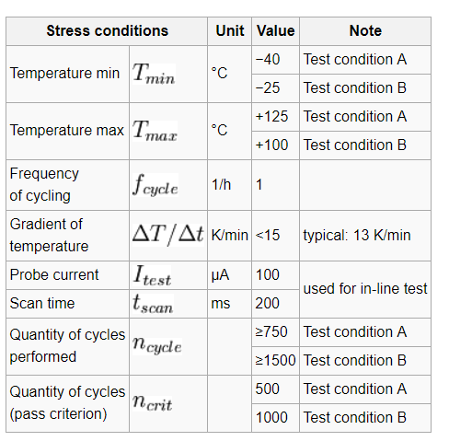
Test 9.2 Temperature Cycling On Board (TCOB)
Purpose
Verification that the used materials and their interfaces are stable against the mechanical stress caused by large temperature changes.
This includes the interaction with the printed circuit board and the solder connections.
Method
IPC-9701A
Specifications for Reliability Tests on Board [1]
Quantities
1 lot with 45 daisy chain devices on 3 stress boards
Flow
Solder process on PCB 8 layer test board
Temperature cycling on board with application specific PCB

Notes
This test is destructive.
Mainly daisy chain structures are used for connecting the terminations (solder balls, leads, …).
This stress test is designed and operated for observing wear out mechanisms.
For new technologies and studies of new failure modes:
The quantity of performed cycles shall be extended that a cumulated failure rate of 50% is reached.
The failure rate data shall be fitted to a Weibull distribution and the failure mode, which is relevant for the first fails shall be determined.
Nokia test conditions (different quantities, stress boards and cycling conditions) are not used for customer Microsoft[2].
Read out
continuous monitoring during stress
Pass criteria
Inline test of daisy chains:
<20%
no fail for the first
cycles

ESD_concept
