dashboard
Profit by year
Total metrics

Profit by category, all years
Revenue&cost by categories, all years

 | Profit by countries and regions, all years:

Europe sales by month
Asia sales by month

Top 10 countries 2010
Top 10 countries 2011
Top 10 countries 2012

Top 10 countries 2013
Top 10 countries 2014
Top 10 countries 2015

Top 10 countries 2016
Top 10 countries 2017

Profit all years
Profit 2017

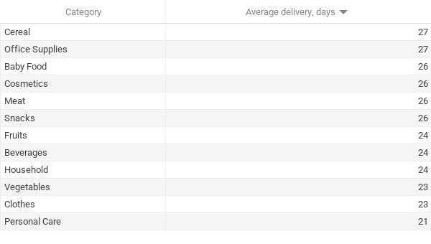
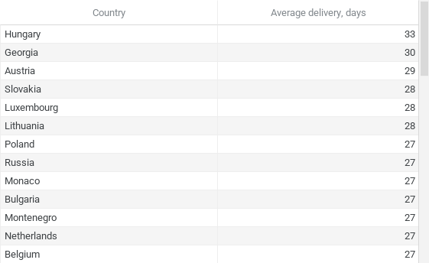

Cereal sales by months
Household sales by months
Clothes sales by months

Beverages sales by months
Office supplies sales by months
Fruits sales by months

Vegetables sales by months
Baby food sales by months
Meat sales by months

Cosmetics sales by months
Snacks sales by months
Personal care sales by months

Orders during week
Orders by months

