Browser Compatibility
Browser Compatibility

Browser | 
Result
Bugs Found
Comments

Reference: http://www.w3schools.com/browsers/browsers_stats.asp

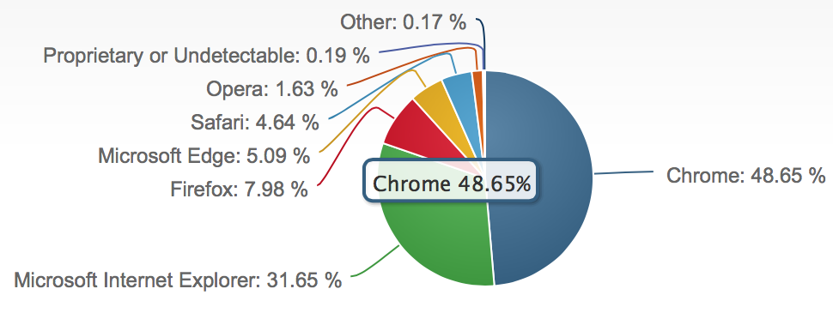

 | June, 2016

OS Compatibility
OS Compatibility

OS |  |  | 
Result
Bugs Found
Comments

Reference: https://www.netmarketshare.com/operating-system-market-share.aspx?qprid=10&qpcustomd=0
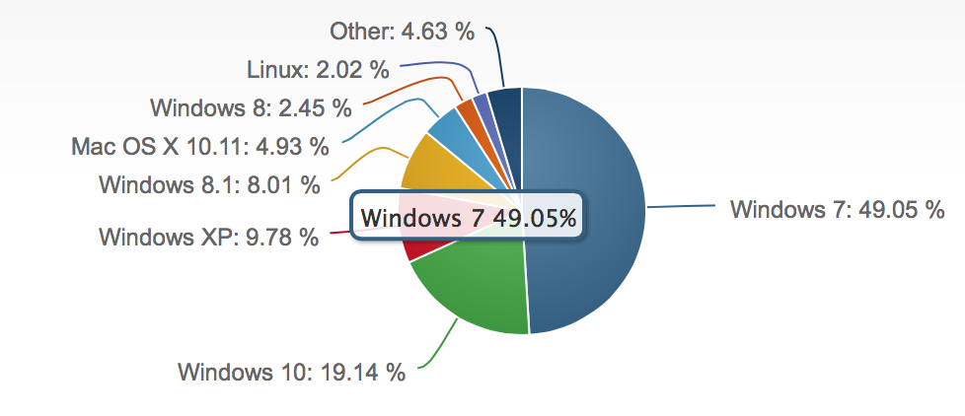

 |  | June, 2016

Perfomance Chart
Time taken to extract proteomics informaton from different file sizes by mzIdentMLExtractor
 | Execution Time(seconds) | Execution Time(seconds)
4.60 | 7 | 7
5.20 | 16 | 16
11.10 | 18 | 18
12.01 | 17 | 17
15.80 | 23 | 23
32.90 | 29 | 29
35.90 | 40 | 40
47.80 | 15 | 15
51.90 | 40 | 40
60.50 | 58 | 58
76.90 | 32 | 32
90.99 | 41 | 41
144.30 | 66 | 66
171.00 | 60 | 60
199.24 | 83 | 83
208.06 | 82 | 82
219.80 | 79 | 79
126.00 | 48 | 48
247.10 | 73 | 73
263.00 | 75 | 75
287.20 | 90 | 90
301.69 | 119 | 119
309.60 | 88 | 88
317.24 | 107 | 107
352.20 | 80 | 80
359.48 | 128 | 128
368.66 | 123 | 123
432.17 | 161 | 161
File Size(MB) | Execution Time(seconds)
4.60 | 7
5.20 | 16
11.10 | 18
12.01 | 17
15.80 | 23
32.90 | 29
35.90 | 40
47.80 | 15
51.90 | 40
60.50 | 58
76.90 | 32

90.99 | 41
144.30 | 66
171.00 | 60
199.24 | 83
208.06 | 82
219.80 | 79
126.00 | 48
247.10 | 73
263.00 | 75
287.20 | 90
301.69 | 119
Execution time comparison between MzidToHTML and MzIdentMLExtractor libraries
309.60 | 88
317.24 | 107
352.20 | 80
359.48 | 128
368.66 | 123
432.17 | 161
467.20 | 238
604.20 | 354
710.00 | 825
725.90 | 172
924.80 | 860
1566.72 | 706

 | Time(Minutes)
MzidToHTML | 9.6
MzIdentMLExtractor | 1.6
Visualisation time comparison between PRIDE-Inspactor and ProViewer
 | PRIDE-Inspector | ProViewer
4.6 | 2 | 4
11.1 | 2 | 13
12.0 | 2 | 10
15.8 | 9 | 10
32.9 | 12 | 9
35.9 | 16 | 20
47.8 | 23 | 18
51.9 | 67 | 30
60.5 | 9 | 43
76.9 | 15 | 25
90.2 | 97 | 42
91.0 | 13 | 73
144.3 | 120 | 50
171.0 | 280 | 76
199.2 | 400 | 82
208.1 | 459 | 71
219.8 | 708 | 61
126.0 | 330 | 43
247.1 | 594 | 71
263.0 | 610 | 80
287.2 | 412 | 85
301.7 | 90 | 118
309.6 | 344 | 75
317.2 | 560 | 119
359.5 | 330 | 108
368.7 | 370 | 120
432.2 | 744 | 145
Visualisation time comparison between PRIDE-Inspactor and ProViewer
File Size(MB) | PRIDE-Inspector | ProViewer
4.6 | 2 | 4
11.1 | 2 | 13
12.0 | 2 | 10
15.8 | 9 | 10
32.9 | 12 | 9
35.9 | 16 | 20
47.8 | 23 | 18
51.9 | 67 | 30
60.5 | 9 | 43
76.9 | 15 | 25
90.2 | 97 | 42
91.0 | 13 | 73
144.3 | 120 | 50
171.0 | 280 | 76
199.2 | 400 | 82
208.1 | 459 | 71
219.8 | 708 | 61
126.0 | 330 | 43
247.1 | 594 | 71
263.0 | 610 | 80
287.2 | 412 | 85
301.7 | 90 | 118
309.6 | 344 | 75
317.2 | 560 | 119
359.5 | 330 | 108
368.7 | 370 | 120
432.2 | 744 | 145

Visualisation time comparison between PRIDE-Inspector and ProViewer
Visualisation time comparison between PRIDE-Inspactor and ProViewer
File Size(MB) | No cache available | Cache available
4.6 | 4 | 1
5.2 | 6 | 1
11.1 | 13 | 1
12.0 | 10 | 1
15.8 | 10 | 1
32.9 | 9 | 1
35.9 | 20 | 1
47.8 | 18 | 1
51.9 | 30 | 1
60.5 | 43 | 2
76.9 | 25 | 1
90.2 | 42 | 4
91.0 | 73 | 6
144.3 | 50 | 3
171.0 | 76 | 9
199.2 | 82 | 12
208.1 | 71 | 10
219.8 | 61 | 5
126.0 | 43 | 3
247.1 | 71 | 5
263.0 | 80 | 5
287.2 | 85 | 6
301.7 | 118 | 14
309.6 | 75 | 8
317.2 | 119 | 37
352.2 | 77 | 4
359.5 | 108 | 27
368.7 | 120 | 17
432.2 | 145 | 36
2012 | 68.175948
2013 | 720.076864
2014 | 1299.16595
2015 | 2581.186811
2016 | 31339.61425
467.2 | 184 | 26

Year | AverageSize(MB)
2012 | 68.175948
2013 | 720.076864
2014 | 1299.16595
2015 | 2581.186811
2016 | 31339.61425

File Size(MB) | 4G | Wi-Fi | QM Wi-Fi
4.6 | 4 | 4 | 4
5.2 | 6 | 6 | 6
Visualisation time comparison between different network bandwidths
11.1 | 9 | 13 | 13
12.0 | 9 | 10 | 10
15.8 | 10 | 10 | 10
32.9 | 13 | 9 | 9
35.9 | 20 | 20 | 20
47.8 | 14 | 18 | 18
51.9 | 20 | 30 | 30
60.5 | 37 | 43 | 43
76.9 | 25 | 25 | 25
90.2 | 36 | 42 | 42
91.0 | 36 | 73 | 73
144.3 | 117 | 50 | 50
171.0 | 45 | 76 | 76
199.2 | 69 | 82 | 82
208.1 | 78 | 71 | 71
219.8 | 73 | 61 | 61
126.0 | 84 | 43 | 43
247.1 | 101 | 71 | 71
263.0 | 110 | 80 | 80
287.2 | 100 | 85 | 85
301.7 | 110 | 118 | 118
309.6 | 118 | 75 | 75
317.2 | 119 | 119 | 119
352.2 | 90 | 77 | 77
Visualisation time comparison between different netwrok bandwidths
359.5 | 142 | 108 | 108
368.7 | 148 | 120 | 120
432.2 | 139 | 145 | 145
467.2 | 203 | 184 | 184

File Size(MB) | 4G | Wi-Fi | QM Wi-Fi
4.6 | 4 | 4 | 4
5.2 | 6 | 6 | 6
11.1 | 9 | 8 | 13
12.0 | 9 | 9 | 10
15.8 | 10 | 9 | 10
32.9 | 13 | 12 | 9
35.9 | 20 | 19 | 20
47.8 | 14 | 12 | 18
51.9 | 20 | 21 | 30
60.5 | 37 | 36 | 43
76.9 | 25 | 22 | 25
90.2 | 36 | 36 | 42
91.0 | 36 | 35 | 73
144.3 | 117 | 108 | 50
171.0 | 45 | 45 | 76
199.2 | 69 | 66 | 82
208.1 | 78 | 85 | 71
219.8 | 73 | 79 | 61
126.0 | 84 | 68 | 43
247.1 | 101 | 90 | 71
263.0 | 110 | 98 | 80
287.2 | 100 | 91 | 85
301.7 | 110 | 118 | 118
309.6 | 118 | 85 | 75
317.2 | 119 | 122 | 119
352.2 | 90 | 80 | 77
359.5 | 142 | 124 | 108
368.7 | 148 | 152 | 120
432.2 | 139 | 125 | 145
467.2 | 203 | 195 | 184

Sheet1
File Size | Protein | Peptide | PSM
4.60 | 0.005 | 0.015 | 0.018
5.20 | 0.006 | 0.249 | 0.208
11.10 | 0 | 0.344 | 0.289
12.01 | 0.087 | 0.726 | 0.454
15.80 | 0 | 0.334 | 0.434
32.90 | 0 | 0.485 | 0.502
35.90 | 0.193 | 0.561 | 0.332
47.80 | 0.032 | 1.3 | 0.819
51.90 | 0 | 1.3 | 1.4
60.50 | 0.219 | 8.8 | 0.468
76.90 | 0.067 | 3.9 | 5
90.99 | 0.581 | 7.1 | 14.1
126 | 0 | 4.7 | 3.4
144.30 | 0.291 | 8.6 | 6.2
171.00 | 1.1 | 10.6 | 7.8
199.24 | 1.2 | 12.5 | 9.1
208.06 | 1.3 | 12.9 | 9.7
219.8 | 0 | 7.3 | 7.6
247.1 | 0 | 7.8 | 6.9
263 | 0 | 9.4 | 7.2
287.2 | 0 | 7.2 | 5.7
301.69 | 2.1 | 30.2 | 0.0032
309.60 | 0.475 | 17 | 18.1
317.24 | 1.2 | 23.4 | 13.8
352.20 | 1.2 | 8.4 | 11.1
359.48 | 2.6 | 30.2 | 5.3
368.66 | 2.6 | 30.2 | 5.7
432.17 | 2.3 | 30.2 | 9.1
467.20 | 0 | 94.1 | 49.7

