Sheet1
protein | peptide | psm | metadata | File Size(MB) | Execution Time(seconds)
0 | 1781 | 3696 | 293 | 4.6 | 7
0 | 2042 | 4592 | 164 | 47.8 | 15
0 | 3553 | 3746 | 109 | 15.3 | 15
0 | 5911 | 12302 | 276 | 76.9 | 32
0 | 32386 | 131891 | 224 | 725.9 | 188
2 | 16348 | 34103 | 154 | 309.6 | 88
0 | 5633 | 7874 | 159 | 11.1 | 18
0 | 5200 | 11598 | 157 | 15.8 | 23
0 | 10009 | 17858 | 350 | 51.9 | 40
0 | 6776 | 13868 | 137 | 32.9 | 29
1 | 4632 | 11135 | 183 | 35.9 | 40
0 | 3485 | 5185 | 124 | 5.2 | 16
1 | 5859 | 23339 | 99 | 60.5 | 63
 |  |  |  | 144.3 | 71
 |  |  |  | 12.009 | 17
 |  |  |  | 301.687 | 157
 |  |  |  | 432.174 | 161
 |  |  |  | 307.751 | 116
 |  |  |  | 261.585 | 96
 |  |  |  | 289.631 | 98
 |  |  |  | 317.24 | 107
 |  |  |  | 90.992 | 41

Browser Compatibility
Browser Compatibility

Browser | 
Result
Bugs Found
Comments

Reference: http://www.w3schools.com/browsers/browsers_stats.asp

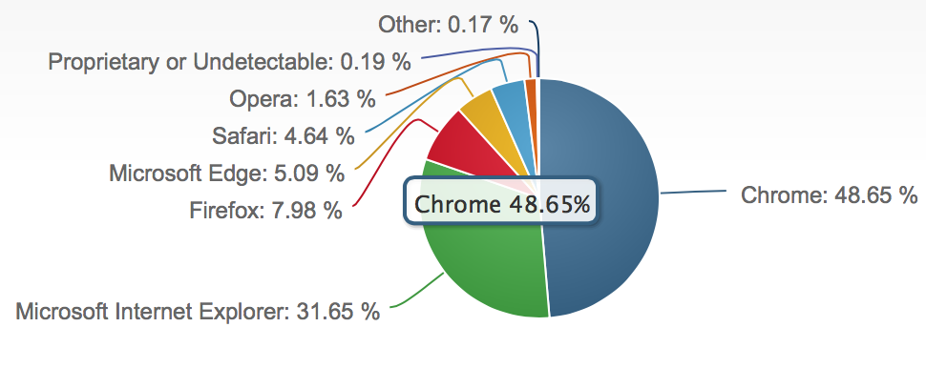

 | June, 2016

OS Compatibility
OS Compatibility

OS |  |  | 
Result
Bugs Found
Comments

Reference: https://www.netmarketshare.com/operating-system-market-share.aspx?qprid=10&qpcustomd=0
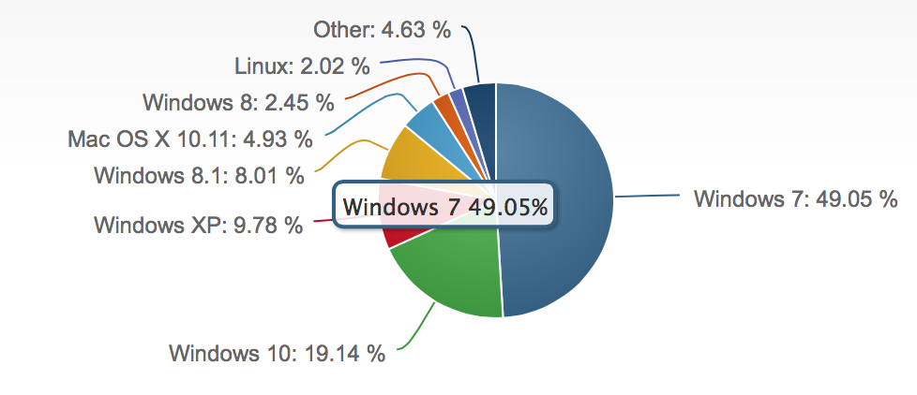

 |  | June, 2016

