Kinetics 1
Kinetics 1

Data grouping | Serial

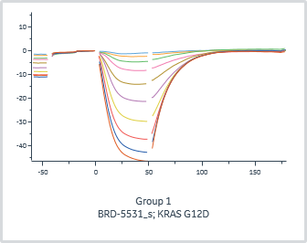
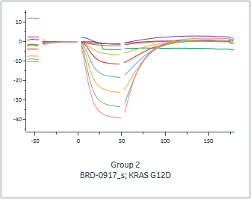
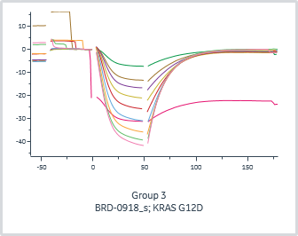
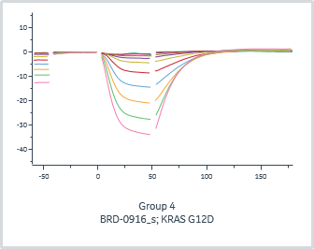
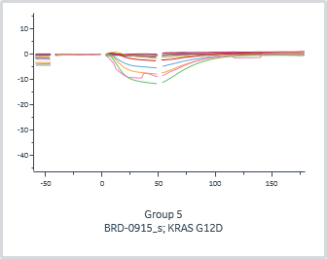
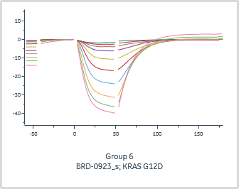
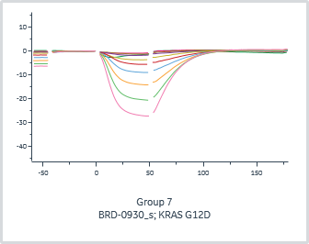
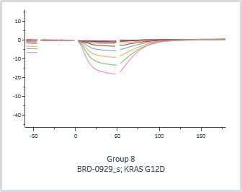

 | General |  |  |  |  | Quality | 1:1 binding |  |  |  |  | Injection variables
Group | Kinetics model | Curve markers | Channel | Immobilized ligand | Accepted | Kinetics Chi² (RU²) | ka (1/Ms) | kd (1/s) | KD (M) | Rmax (RU) | U-value | A-B-A 1 Solution
1 | 1:1 binding |  | 1 | KRAS G12D |  |  |  |  |  |  |  | BRD-5531_s
2 | 1:1 binding |  | 2 | KRAS G12D |  |  |  |  |  |  |  | BRD-0917_s
3 | 1:1 binding |  | 3 | KRAS G12D |  |  |  |  |  |  |  | BRD-0918_s
4 | 1:1 binding |  | 4 | KRAS G12D |  |  |  |  |  |  |  | BRD-0916_s
5 | 1:1 binding |  | 5 | KRAS G12D |  |  |  |  |  |  |  | BRD-0915_s
6 | 1:1 binding |  | 6 | KRAS G12D |  |  |  |  |  |  |  | BRD-0923_s
7 | 1:1 binding |  | 7 | KRAS G12D |  |  |  |  |  |  |  | BRD-0930_s
8 | 1:1 binding |  | 8 | KRAS G12D |  |  |  |  |  |  |  | BRD-0929_s

