Affinity 1
Affinity 1

Data grouping | Serial

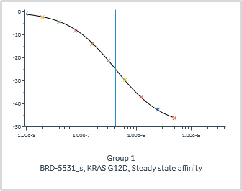
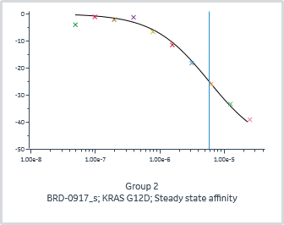
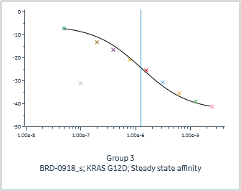
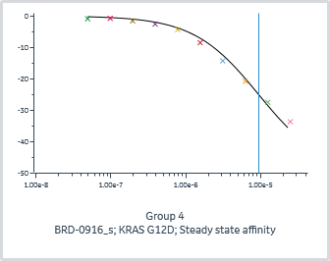
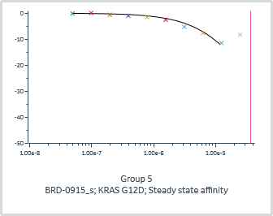
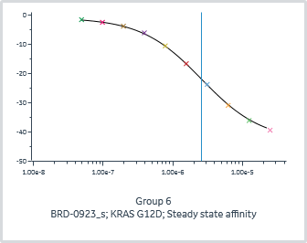
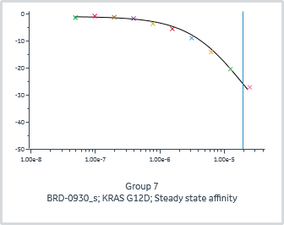
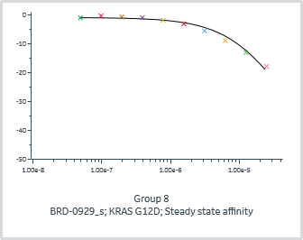

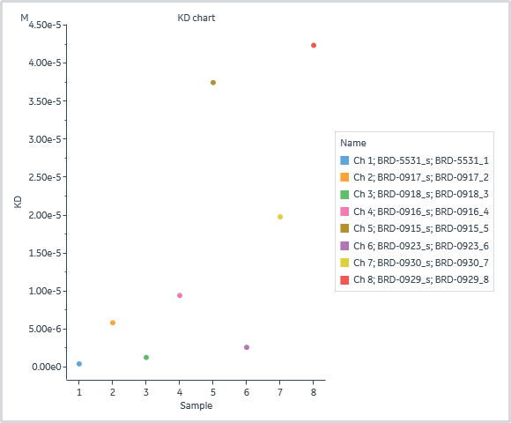

 | General |  |  |  | Quality | Injection variables |  | Steady state affinity
Group | Channel | Immobilized ligand | Affinity model | Accepted | Affinity Chi² (RU²) | A-B-A 1 Solution | A-B-A 1 Flanking solution | KD (M) | Rmax (RU) | offset (RU)
1 | 1 | KRAS G12D | Steady state affinity |  | 8.92E-02 | BRD-5531_s | BRD-5531_1 | 4.20E-07 | -50.0 | 0.0
2 | 2 | KRAS G12D | Steady state affinity |  | 2.43E+00 | BRD-0917_s | BRD-0917_2 | 5.83E-06 | -50.0 | 0.0
3 | 3 | KRAS G12D | Steady state affinity |  | 1.88E+00 | BRD-0918_s | BRD-0918_3 | 1.27E-06 | -37.0 | -6.0
4 | 4 | KRAS G12D | Steady state affinity |  | 1.73E+00 | BRD-0916_s | BRD-0916_4 | 9.43E-06 | -50.0 | 0.0
5 | 5 | KRAS G12D | Steady state affinity |  | 5.22E-01 | BRD-0915_s | BRD-0915_5 | 3.75E-05 | -50.0 | 0.0
6 | 6 | KRAS G12D | Steady state affinity |  | 5.57E-02 | BRD-0923_s | BRD-0923_6 | 2.60E-06 | -42.0 | -1.0
7 | 7 | KRAS G12D | Steady state affinity |  | 8.22E-01 | BRD-0930_s | BRD-0930_7 | 1.98E-05 | -50.0 | -1.0
8 | 8 | KRAS G12D | Steady state affinity |  | 9.04E-01 | BRD-0929_s | BRD-0929_8 | 4.24E-05 | -50.0 | -1.0

