Sheet1
BROAD_ID | PROJECT_CODE | CURVE_VALID | STEADY_STATE_IMG | 1to1_IMG | TOP_COMPOUND_UM | RMAX_THEORETICAL | RU_TOP_CMPD | %_BINDING_TOP | KD_SS_UM | CHI2_SS_AFFINITY | FITTED_RMAX_SS_AFFINITY | KA_1_1_BINDING | KD_LITTLE_1_1_BINDING | KD_1_1_BINDING_UM | chi2_1_1_binding | U_VALUE_1_1_BINDING | FITTED_RMAX_1_1_BINDING | COMMENTS | FC | PROTEIN_RU | PROTEIN_MW | PROTEIN_ID | MW | INSTRUMENT | EXP_DATE | NUCLEOTIDE | CHIP_LOT | OPERATOR | PROTOCOL_ID | RAW_DATA_FILE | DIR_FOLDER | UNIQUE_ID | SS_IMG_ID | SENSO_IMG_ID
BRD-A88176011-001-02-3 | 7260 |  | 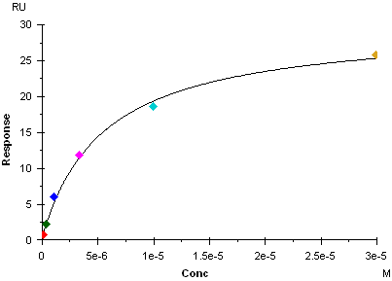 | 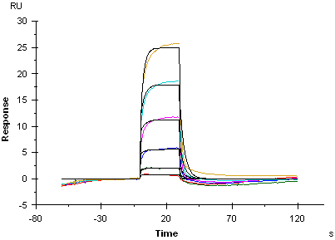 | 30 | 18.34 | 27.86 | 151.91 | 5.53 | 0.473 | 29.6 | 5050 | 0.281 | 55.7 | 0.365 |  | 42 |  | FC2-1Corr | 3305 | 52332 | BIP-0474-01 | 290.384 | Biacore3 | 2018_11_29 |  | 10269645 | wjiang | PPM1D_SPR_Assay_v1 | 181129_PPM1D_results | Biacore3/wjiang | BRD-6011_1_FC2-1Corr_7260_2018_11_29_19.png | //flynn/tdts_users/Informatics and computational research/SPR_Image_import/2018_11/181129_PPM1D_results_19-36_PWF/BRD-6011_1_181129_PPM1D_results_19.png | //flynn/tdts_users/Informatics and computational research/SPR_Image_import/2018_11/181129_PPM1D_results_19-36_SWF/BRD-6011_1_181129_PPM1D_results_19.png
BRD-A91625778-001-01-9 | 7260 |  | 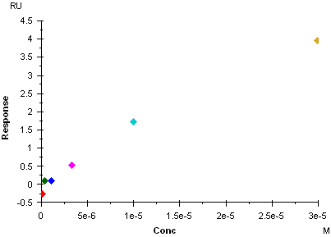 | 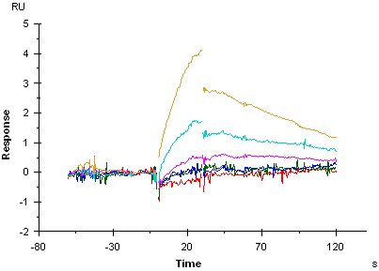 | 30 | 23.58 | -0.13 | -0.55 |  |  |  |  |  |  |  |  |  |  | FC2-1Corr | 3305 | 52332 | BIP-0474-01 | 373.405 | Biacore3 | 2018_11_29 |  | 10269645 | wjiang | PPM1D_SPR_Assay_v1 | 181129_PPM1D_results | Biacore3/wjiang | BRD-5778_2_FC2-1Corr_7260_2018_11_29_20.png | //flynn/tdts_users/Informatics and computational research/SPR_Image_import/2018_11/181129_PPM1D_results_19-36_PWF/BRD-5778_2_181129_PPM1D_results_20.png | //flynn/tdts_users/Informatics and computational research/SPR_Image_import/2018_11/181129_PPM1D_results_19-36_SWF/BRD-5778_2_181129_PPM1D_results_20.png
BRD-K75102152-001-01-3 | 7260 |  | 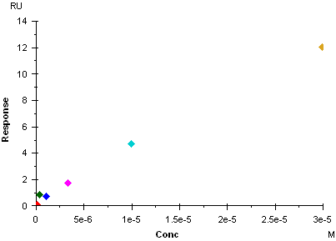 | 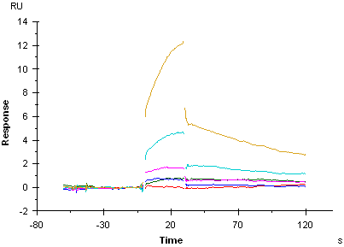 | 30 | 22 | 6.68 | 30.36 |  |  |  |  |  |  |  |  |  |  | FC2-1Corr | 3305 | 52332 | BIP-0474-01 | 348.422 | Biacore3 | 2018_11_29 |  | 10269645 | wjiang | PPM1D_SPR_Assay_v1 | 181129_PPM1D_results | Biacore3/wjiang | BRD-2152_3_FC2-1Corr_7260_2018_11_29_21.png | //flynn/tdts_users/Informatics and computational research/SPR_Image_import/2018_11/181129_PPM1D_results_19-36_PWF/BRD-2152_3_181129_PPM1D_results_21.png | //flynn/tdts_users/Informatics and computational research/SPR_Image_import/2018_11/181129_PPM1D_results_19-36_SWF/BRD-2152_3_181129_PPM1D_results_21.png
BRD-K02667399-001-01-6 | 7260 |  | 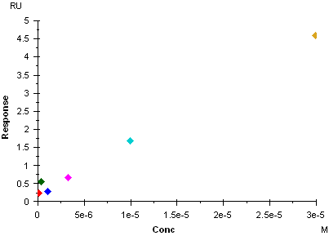 | 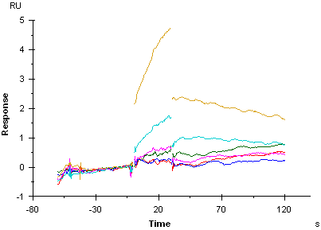 | 30 | 25.1 | -0.13 | -0.52 |  |  |  |  |  |  |  |  |  |  | FC2-1Corr | 3305 | 52332 | BIP-0474-01 | 397.494 | Biacore3 | 2018_11_29 |  | 10269645 | wjiang | PPM1D_SPR_Assay_v1 | 181129_PPM1D_results | Biacore3/wjiang | BRD-7399_4_FC2-1Corr_7260_2018_11_29_22.png | //flynn/tdts_users/Informatics and computational research/SPR_Image_import/2018_11/181129_PPM1D_results_19-36_PWF/BRD-7399_4_181129_PPM1D_results_22.png | //flynn/tdts_users/Informatics and computational research/SPR_Image_import/2018_11/181129_PPM1D_results_19-36_SWF/BRD-7399_4_181129_PPM1D_results_22.png
BRD-K79802193-001-01-5 | 7260 |  | 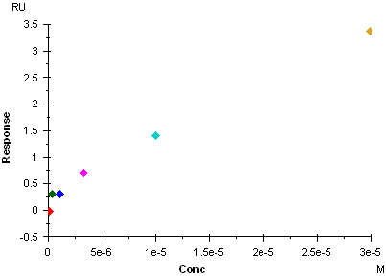 | 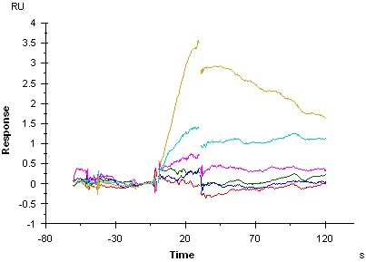 | 30 | 20.3 | 14.45 | 71.18 |  |  |  |  |  |  |  |  |  |  | FC2-1Corr | 3305 | 52332 | BIP-0474-01 | 321.398 | Biacore3 | 2018_11_29 |  | 10269645 | wjiang | PPM1D_SPR_Assay_v1 | 181129_PPM1D_results | Biacore3/wjiang | BRD-2193_5_FC2-1Corr_7260_2018_11_29_23.png | //flynn/tdts_users/Informatics and computational research/SPR_Image_import/2018_11/181129_PPM1D_results_19-36_PWF/BRD-2193_5_181129_PPM1D_results_23.png | //flynn/tdts_users/Informatics and computational research/SPR_Image_import/2018_11/181129_PPM1D_results_19-36_SWF/BRD-2193_5_181129_PPM1D_results_23.png
BRD-K26223693-001-01-3 | 7260 |  | 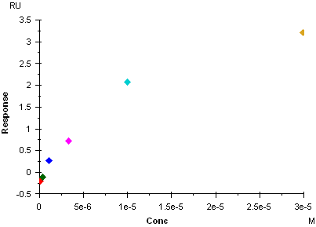 | 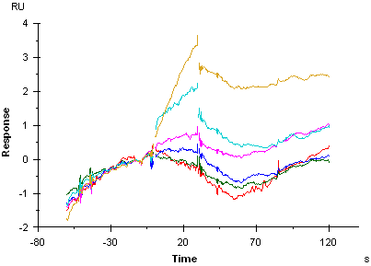 | 30 | 21.18 | -0.32 | -1.51 |  |  |  |  |  |  |  |  |  |  | FC2-1Corr | 3305 | 52332 | BIP-0474-01 | 335.425 | Biacore3 | 2018_11_29 |  | 10269645 | wjiang | PPM1D_SPR_Assay_v1 | 181129_PPM1D_results | Biacore3/wjiang | BRD-3693_6_FC2-1Corr_7260_2018_11_29_24.png | //flynn/tdts_users/Informatics and computational research/SPR_Image_import/2018_11/181129_PPM1D_results_19-36_PWF/BRD-3693_6_181129_PPM1D_results_24.png | //flynn/tdts_users/Informatics and computational research/SPR_Image_import/2018_11/181129_PPM1D_results_19-36_SWF/BRD-3693_6_181129_PPM1D_results_24.png
BRD-K25595606-001-01-1 | 7260 |  | 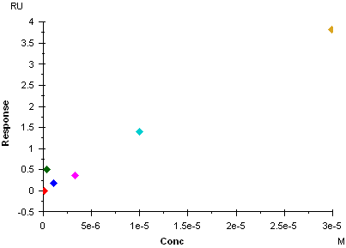 | 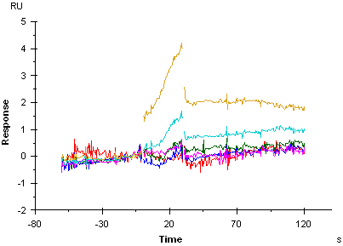 | 30 | 17.45 | 7.19 | 41.2 |  |  |  |  |  |  |  |  |  |  | FC2-1Corr | 3305 | 52332 | BIP-0474-01 | 276.271 | Biacore3 | 2018_11_29 |  | 10269645 | wjiang | PPM1D_SPR_Assay_v1 | 181129_PPM1D_results | Biacore3/wjiang | BRD-5606_7_FC2-1Corr_7260_2018_11_29_25.png | //flynn/tdts_users/Informatics and computational research/SPR_Image_import/2018_11/181129_PPM1D_results_19-36_PWF/BRD-5606_7_181129_PPM1D_results_25.png | //flynn/tdts_users/Informatics and computational research/SPR_Image_import/2018_11/181129_PPM1D_results_19-36_SWF/BRD-5606_7_181129_PPM1D_results_25.png
BRD-A25676204-001-01-7 | 7260 |  | 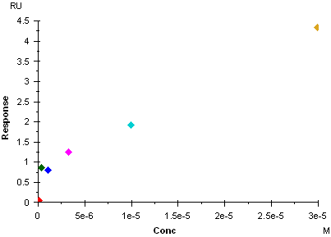 | 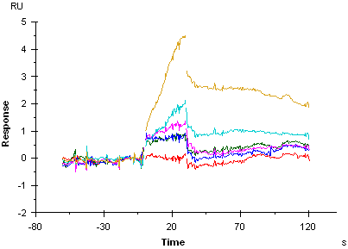 | 30 | 25.23 | -0.04 | -0.16 |  |  |  |  |  |  |  |  |  |  | FC2-1Corr | 3305 | 52332 | BIP-0474-01 | 399.467 | Biacore3 | 2018_11_29 |  | 10269645 | wjiang | PPM1D_SPR_Assay_v1 | 181129_PPM1D_results | Biacore3/wjiang | BRD-6204_8_FC2-1Corr_7260_2018_11_29_26.png | //flynn/tdts_users/Informatics and computational research/SPR_Image_import/2018_11/181129_PPM1D_results_19-36_PWF/BRD-6204_8_181129_PPM1D_results_26.png | //flynn/tdts_users/Informatics and computational research/SPR_Image_import/2018_11/181129_PPM1D_results_19-36_SWF/BRD-6204_8_181129_PPM1D_results_26.png
BRD-K88323596-001-01-4 | 7260 |  | 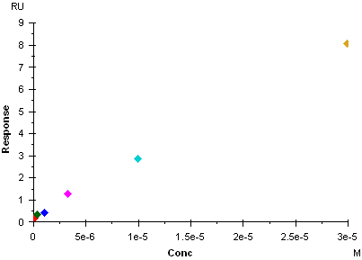 | 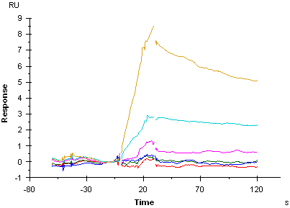 | 30 | 25.92 | 5.62 | 21.68 |  |  |  |  |  |  |  |  |  |  | FC2-1Corr | 3305 | 52332 | BIP-0474-01 | 410.403 | Biacore3 | 2018_11_29 |  | 10269645 | wjiang | PPM1D_SPR_Assay_v1 | 181129_PPM1D_results | Biacore3/wjiang | BRD-3596_9_FC2-1Corr_7260_2018_11_29_27.png | //flynn/tdts_users/Informatics and computational research/SPR_Image_import/2018_11/181129_PPM1D_results_19-36_PWF/BRD-3596_9_181129_PPM1D_results_27.png | //flynn/tdts_users/Informatics and computational research/SPR_Image_import/2018_11/181129_PPM1D_results_19-36_SWF/BRD-3596_9_181129_PPM1D_results_27.png
BRD-K27446587-001-01-8 | 7260 |  | 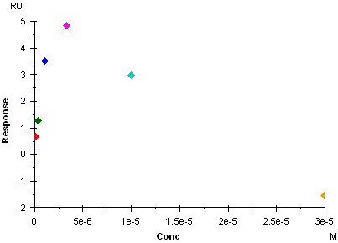 | 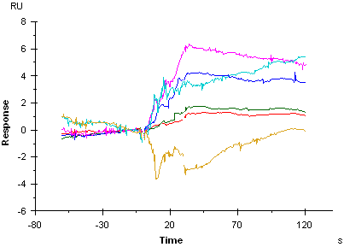 | 30 | 20.48 | -0.47 | -2.29 |  |  |  |  |  |  |  |  |  |  | FC2-1Corr | 3305 | 52332 | BIP-0474-01 | 324.357 | Biacore3 | 2018_11_29 |  | 10269645 | wjiang | PPM1D_SPR_Assay_v1 | 181129_PPM1D_results | Biacore3/wjiang | BRD-6587_10_FC2-1Corr_7260_2018_11_29_28.png | //flynn/tdts_users/Informatics and computational research/SPR_Image_import/2018_11/181129_PPM1D_results_19-36_PWF/BRD-6587_10_181129_PPM1D_results_28.png | //flynn/tdts_users/Informatics and computational research/SPR_Image_import/2018_11/181129_PPM1D_results_19-36_SWF/BRD-6587_10_181129_PPM1D_results_28.png
BRD-K69912039-001-01-2 | 7260 |  | 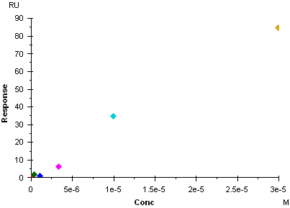 | 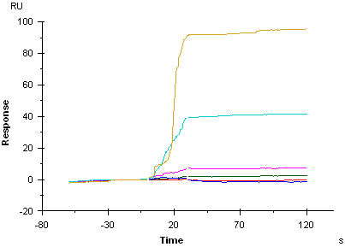 | 30 | 30.06 | 5.42 | 18.03 |  |  |  |  |  |  |  |  |  |  | FC2-1Corr | 3305 | 52332 | BIP-0474-01 | 475.95 | Biacore3 | 2018_11_29 |  | 10269645 | wjiang | PPM1D_SPR_Assay_v1 | 181129_PPM1D_results | Biacore3/wjiang | BRD-2039_11_FC2-1Corr_7260_2018_11_29_29.png | //flynn/tdts_users/Informatics and computational research/SPR_Image_import/2018_11/181129_PPM1D_results_19-36_PWF/BRD-2039_11_181129_PPM1D_results_29.png | //flynn/tdts_users/Informatics and computational research/SPR_Image_import/2018_11/181129_PPM1D_results_19-36_SWF/BRD-2039_11_181129_PPM1D_results_29.png
BRD-K53386419-001-02-5 | 7260 |  | 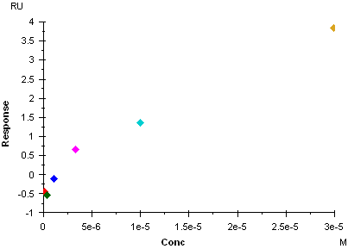 | 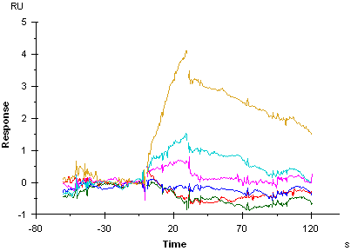 | 30 | 20.76 | -0.18 | -0.87 |  |  |  |  |  |  |  |  |  |  | FC2-1Corr | 3305 | 52332 | BIP-0474-01 | 328.776 | Biacore3 | 2018_11_29 |  | 10269645 | wjiang | PPM1D_SPR_Assay_v1 | 181129_PPM1D_results | Biacore3/wjiang | BRD-6419_12_FC2-1Corr_7260_2018_11_29_30.png | //flynn/tdts_users/Informatics and computational research/SPR_Image_import/2018_11/181129_PPM1D_results_19-36_PWF/BRD-6419_12_181129_PPM1D_results_30.png | //flynn/tdts_users/Informatics and computational research/SPR_Image_import/2018_11/181129_PPM1D_results_19-36_SWF/BRD-6419_12_181129_PPM1D_results_30.png
BRD-K90103152-001-01-2 | 7260 |  | 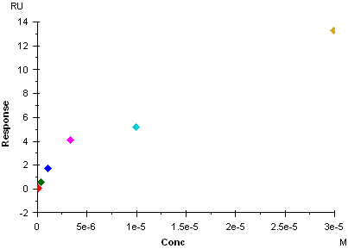 | 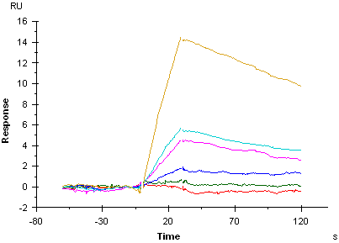 | 30 | 29.02 | 5.75 | 19.81 |  |  |  |  |  |  |  |  |  |  | FC2-1Corr | 3305 | 52332 | BIP-0474-01 | 459.563 | Biacore3 | 2018_11_29 |  | 10269645 | wjiang | PPM1D_SPR_Assay_v1 | 181129_PPM1D_results | Biacore3/wjiang | BRD-3152_13_FC2-1Corr_7260_2018_11_29_31.png | //flynn/tdts_users/Informatics and computational research/SPR_Image_import/2018_11/181129_PPM1D_results_19-36_PWF/BRD-3152_13_181129_PPM1D_results_31.png | //flynn/tdts_users/Informatics and computational research/SPR_Image_import/2018_11/181129_PPM1D_results_19-36_SWF/BRD-3152_13_181129_PPM1D_results_31.png
BRD-A64189544-001-01-2 | 7260 |  | 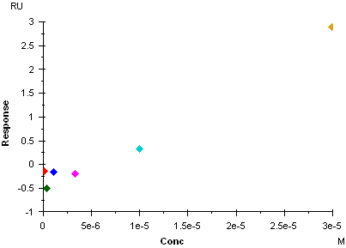 | 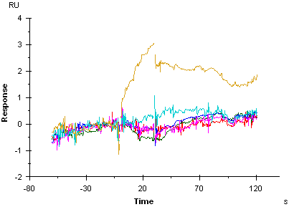 | 30 | 19.41 | -0.43 | -2.22 |  |  |  |  |  |  |  |  |  |  | FC2-1Corr | 3305 | 52332 | BIP-0474-01 | 307.371 | Biacore3 | 2018_11_29 |  | 10269645 | wjiang | PPM1D_SPR_Assay_v1 | 181129_PPM1D_results | Biacore3/wjiang | BRD-9544_14_FC2-1Corr_7260_2018_11_29_32.png | //flynn/tdts_users/Informatics and computational research/SPR_Image_import/2018_11/181129_PPM1D_results_19-36_PWF/BRD-9544_14_181129_PPM1D_results_32.png | //flynn/tdts_users/Informatics and computational research/SPR_Image_import/2018_11/181129_PPM1D_results_19-36_SWF/BRD-9544_14_181129_PPM1D_results_32.png
BRD-K83901947-001-01-8 | 7260 |  | 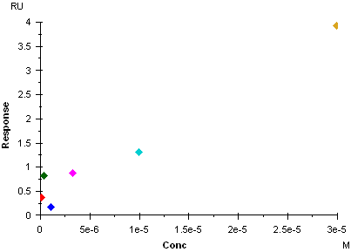 | 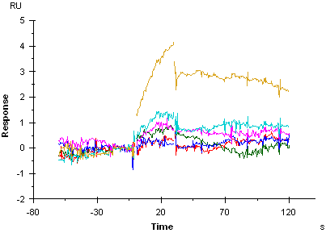 | 30 | 21.69 | 6.75 | 31.12 |  |  |  |  |  |  |  |  |  |  | FC2-1Corr | 3305 | 52332 | BIP-0474-01 | 343.403 | Biacore3 | 2018_11_29 |  | 10269645 | wjiang | PPM1D_SPR_Assay_v1 | 181129_PPM1D_results | Biacore3/wjiang | BRD-1947_15_FC2-1Corr_7260_2018_11_29_33.png | //flynn/tdts_users/Informatics and computational research/SPR_Image_import/2018_11/181129_PPM1D_results_19-36_PWF/BRD-1947_15_181129_PPM1D_results_33.png | //flynn/tdts_users/Informatics and computational research/SPR_Image_import/2018_11/181129_PPM1D_results_19-36_SWF/BRD-1947_15_181129_PPM1D_results_33.png
BRD-A88823204-001-01-9 | 7260 |  | 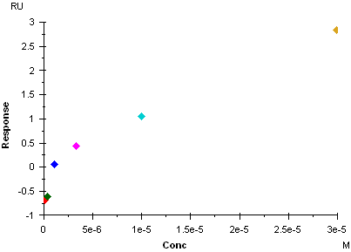 | 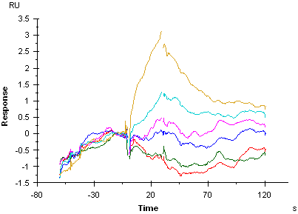 | 30 | 23.46 | -0.48 | -2.05 |  |  |  |  |  |  |  |  |  |  | FC2-1Corr | 3305 | 52332 | BIP-0474-01 | 371.457 | Biacore3 | 2018_11_29 |  | 10269645 | wjiang | PPM1D_SPR_Assay_v1 | 181129_PPM1D_results | Biacore3/wjiang | BRD-3204_16_FC2-1Corr_7260_2018_11_29_34.png | //flynn/tdts_users/Informatics and computational research/SPR_Image_import/2018_11/181129_PPM1D_results_19-36_PWF/BRD-3204_16_181129_PPM1D_results_34.png | //flynn/tdts_users/Informatics and computational research/SPR_Image_import/2018_11/181129_PPM1D_results_19-36_SWF/BRD-3204_16_181129_PPM1D_results_34.png
BRD-A14941111-001-01-0 | 7260 |  | 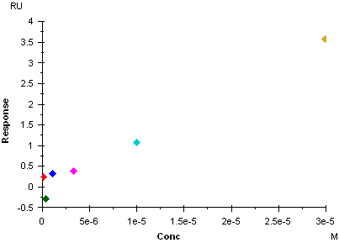 | 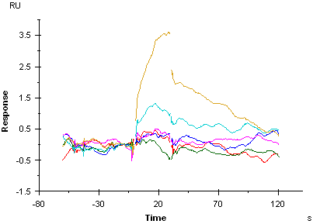 | 30 | 27.7 | 10.9 | 39.35 |  |  |  |  |  |  |  |  |  |  | FC2-1Corr | 3305 | 52332 | BIP-0474-01 | 438.546 | Biacore3 | 2018_11_29 |  | 10269645 | wjiang | PPM1D_SPR_Assay_v1 | 181129_PPM1D_results | Biacore3/wjiang | BRD-1111_17_FC2-1Corr_7260_2018_11_29_35.png | //flynn/tdts_users/Informatics and computational research/SPR_Image_import/2018_11/181129_PPM1D_results_19-36_PWF/BRD-1111_17_181129_PPM1D_results_35.png | //flynn/tdts_users/Informatics and computational research/SPR_Image_import/2018_11/181129_PPM1D_results_19-36_SWF/BRD-1111_17_181129_PPM1D_results_35.png
BRD-A88176011-001-02-3 | 7260 |  | 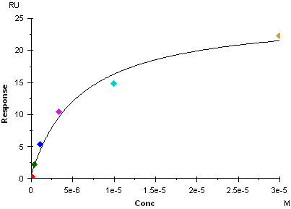 | 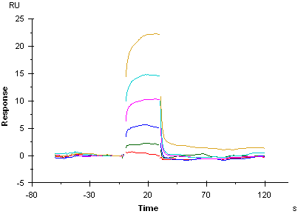 | 30 | 18.34 | -0.24 | -1.31 | 5.91 | 1.65 | 25.2 |  |  |  |  |  |  |  | FC2-1Corr | 3305 | 52332 | BIP-0474-01 | 290.384 | Biacore3 | 2018_11_29 |  | 10269645 | wjiang | PPM1D_SPR_Assay_v1 | 181129_PPM1D_results | Biacore3/wjiang | BRD-6011_18_FC2-1Corr_7260_2018_11_29_36.png | //flynn/tdts_users/Informatics and computational research/SPR_Image_import/2018_11/181129_PPM1D_results_19-36_PWF/BRD-6011_18_181129_PPM1D_results_36.png | //flynn/tdts_users/Informatics and computational research/SPR_Image_import/2018_11/181129_PPM1D_results_19-36_SWF/BRD-6011_18_181129_PPM1D_results_36.png

