Kinetics 1
Kinetics 1

Data grouping | Serial

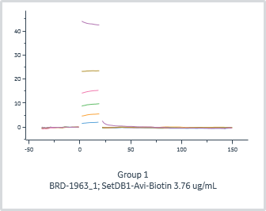
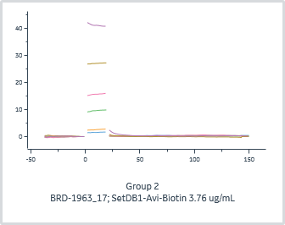
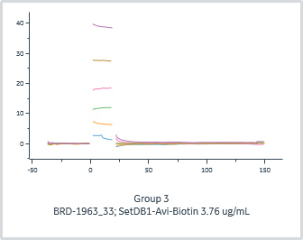
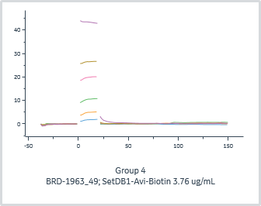
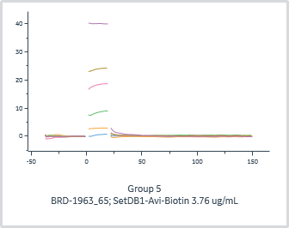
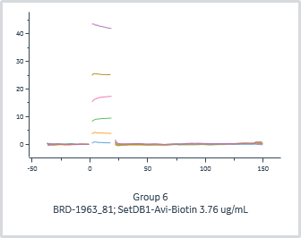
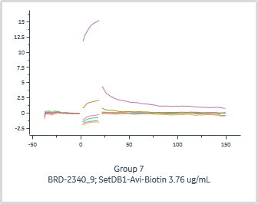
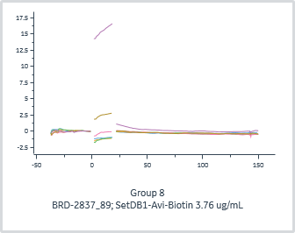
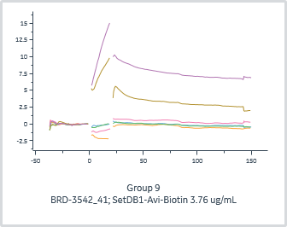
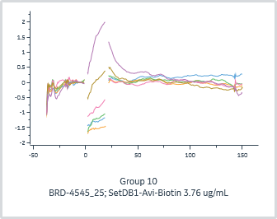
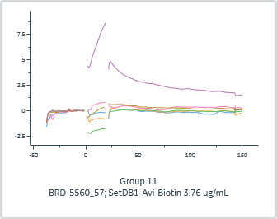
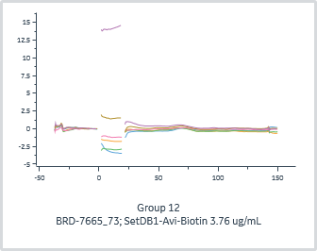
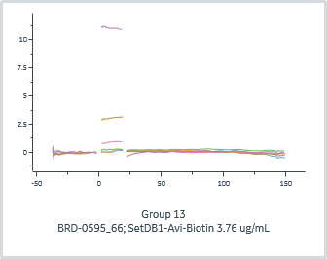
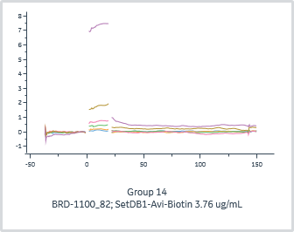
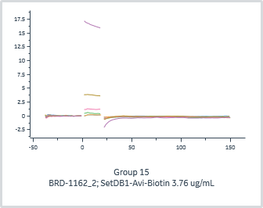
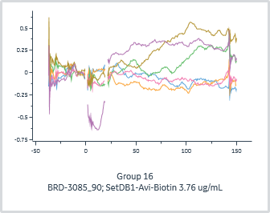
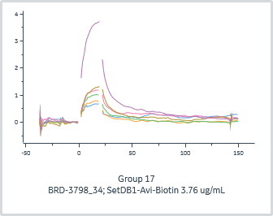
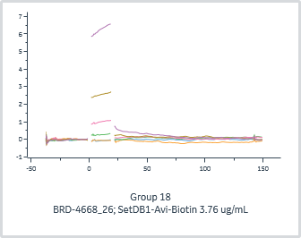
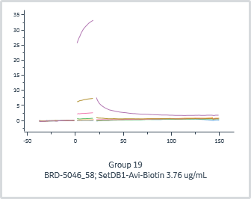
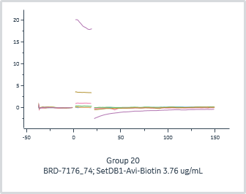
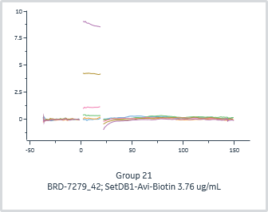
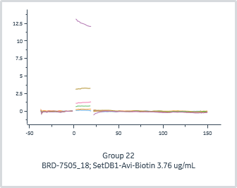
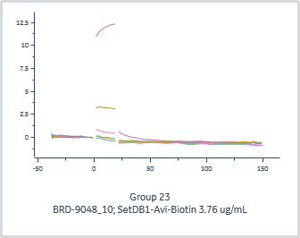
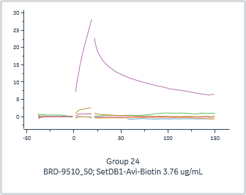
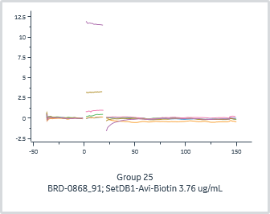
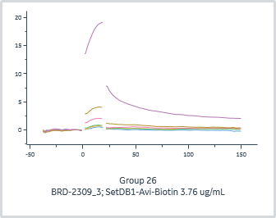
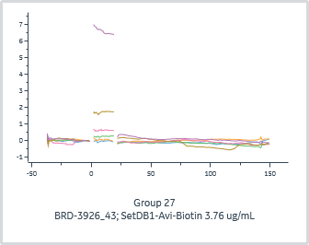
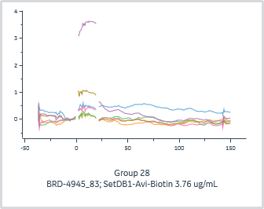
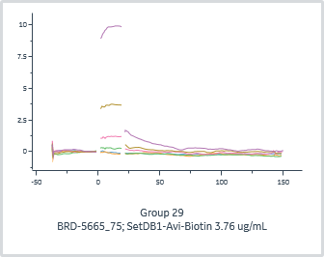
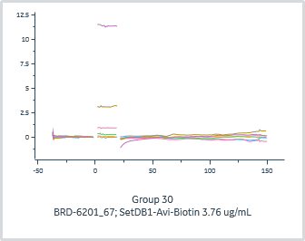
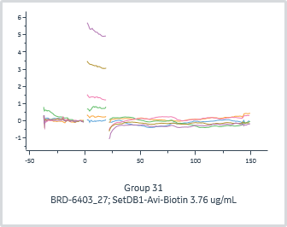
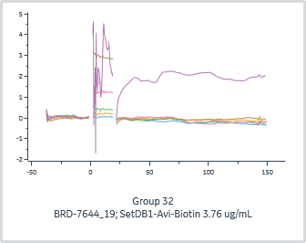
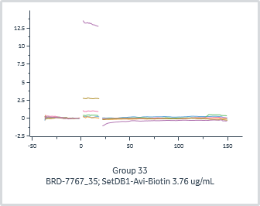
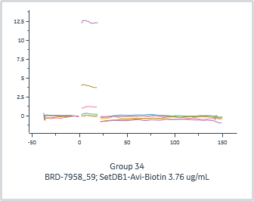
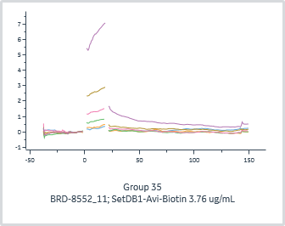
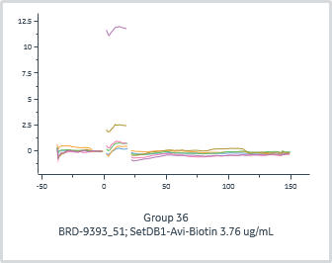
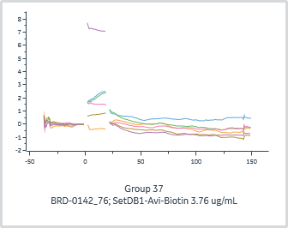
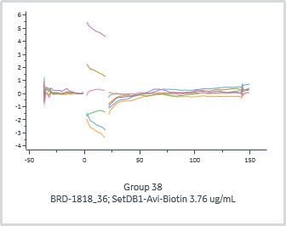
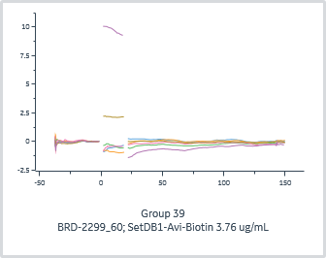
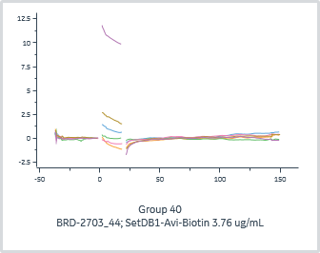
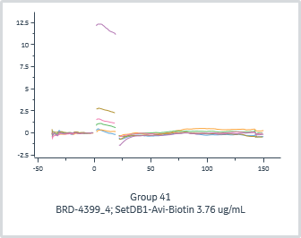
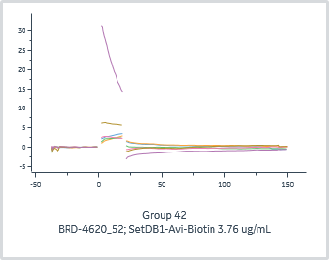
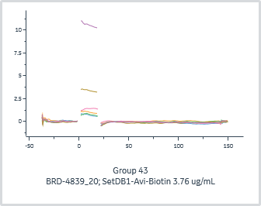
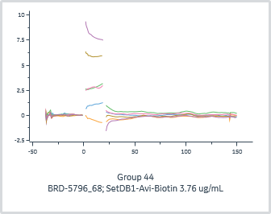
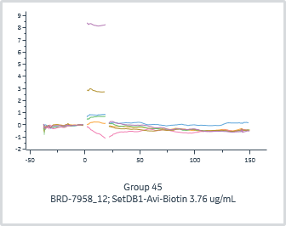
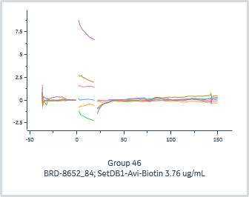
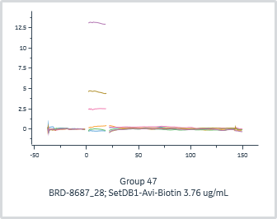
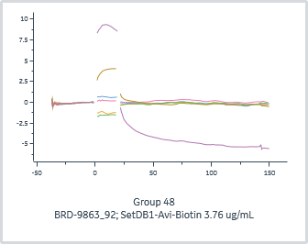
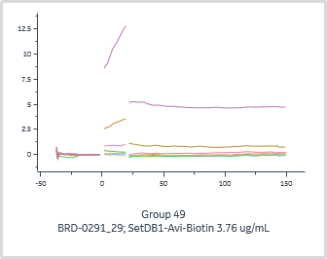
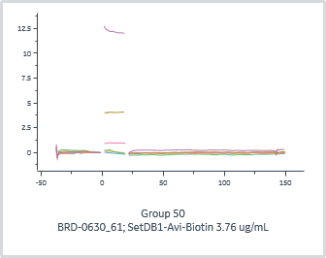















































 | General |  |  | Quality | Injection variables | 1:1 binding
Group | Channel | Immobilized ligand | Accepted | Kinetics Chi² (RU²) | Analyte 1 Solution | ka | kd | Rmax | KD (M)
1 | 1 | SetDB1-Avi-Biotin 3.76 ug/mL |  |  | BRD-1963_1
2 | 1 | SetDB1-Avi-Biotin 3.76 ug/mL |  |  | BRD-1963_17
3 | 1 | SetDB1-Avi-Biotin 3.76 ug/mL |  |  | BRD-1963_33
4 | 1 | SetDB1-Avi-Biotin 3.76 ug/mL |  |  | BRD-1963_49
5 | 1 | SetDB1-Avi-Biotin 3.76 ug/mL |  |  | BRD-1963_65
6 | 1 | SetDB1-Avi-Biotin 3.76 ug/mL |  |  | BRD-1963_81
7 | 1 | SetDB1-Avi-Biotin 3.76 ug/mL |  |  | BRD-2340_9
8 | 1 | SetDB1-Avi-Biotin 3.76 ug/mL |  |  | BRD-2837_89
9 | 1 | SetDB1-Avi-Biotin 3.76 ug/mL |  |  | BRD-3542_41
10 | 1 | SetDB1-Avi-Biotin 3.76 ug/mL |  |  | BRD-4545_25
11 | 1 | SetDB1-Avi-Biotin 3.76 ug/mL |  |  | BRD-5560_57
12 | 1 | SetDB1-Avi-Biotin 3.76 ug/mL |  |  | BRD-7665_73
13 | 2 | SetDB1-Avi-Biotin 3.76 ug/mL |  |  | BRD-0595_66
14 | 2 | SetDB1-Avi-Biotin 3.76 ug/mL |  |  | BRD-1100_82
15 | 2 | SetDB1-Avi-Biotin 3.76 ug/mL |  |  | BRD-1162_2
16 | 2 | SetDB1-Avi-Biotin 3.76 ug/mL |  |  | BRD-3085_90
17 | 2 | SetDB1-Avi-Biotin 3.76 ug/mL |  |  | BRD-3798_34
18 | 2 | SetDB1-Avi-Biotin 3.76 ug/mL |  |  | BRD-4668_26
19 | 2 | SetDB1-Avi-Biotin 3.76 ug/mL |  |  | BRD-5046_58
20 | 2 | SetDB1-Avi-Biotin 3.76 ug/mL |  |  | BRD-7176_74
21 | 2 | SetDB1-Avi-Biotin 3.76 ug/mL |  |  | BRD-7279_42
22 | 2 | SetDB1-Avi-Biotin 3.76 ug/mL |  |  | BRD-7505_18
23 | 2 | SetDB1-Avi-Biotin 3.76 ug/mL |  |  | BRD-9048_10
24 | 2 | SetDB1-Avi-Biotin 3.76 ug/mL |  |  | BRD-9510_50
25 | 3 | SetDB1-Avi-Biotin 3.76 ug/mL |  |  | BRD-0868_91
26 | 3 | SetDB1-Avi-Biotin 3.76 ug/mL |  |  | BRD-2309_3
27 | 3 | SetDB1-Avi-Biotin 3.76 ug/mL |  |  | BRD-3926_43
28 | 3 | SetDB1-Avi-Biotin 3.76 ug/mL |  |  | BRD-4945_83
29 | 3 | SetDB1-Avi-Biotin 3.76 ug/mL |  |  | BRD-5665_75
30 | 3 | SetDB1-Avi-Biotin 3.76 ug/mL |  |  | BRD-6201_67
31 | 3 | SetDB1-Avi-Biotin 3.76 ug/mL |  |  | BRD-6403_27
32 | 3 | SetDB1-Avi-Biotin 3.76 ug/mL |  |  | BRD-7644_19
33 | 3 | SetDB1-Avi-Biotin 3.76 ug/mL |  |  | BRD-7767_35
34 | 3 | SetDB1-Avi-Biotin 3.76 ug/mL |  |  | BRD-7958_59
35 | 3 | SetDB1-Avi-Biotin 3.76 ug/mL |  |  | BRD-8552_11
36 | 3 | SetDB1-Avi-Biotin 3.76 ug/mL |  |  | BRD-9393_51
37 | 4 | SetDB1-Avi-Biotin 3.76 ug/mL |  |  | BRD-0142_76
38 | 4 | SetDB1-Avi-Biotin 3.76 ug/mL |  |  | BRD-1818_36
39 | 4 | SetDB1-Avi-Biotin 3.76 ug/mL |  |  | BRD-2299_60
40 | 4 | SetDB1-Avi-Biotin 3.76 ug/mL |  |  | BRD-2703_44
41 | 4 | SetDB1-Avi-Biotin 3.76 ug/mL |  |  | BRD-4399_4
42 | 4 | SetDB1-Avi-Biotin 3.76 ug/mL |  |  | BRD-4620_52
43 | 4 | SetDB1-Avi-Biotin 3.76 ug/mL |  |  | BRD-4839_20
44 | 4 | SetDB1-Avi-Biotin 3.76 ug/mL |  |  | BRD-5796_68
45 | 4 | SetDB1-Avi-Biotin 3.76 ug/mL |  |  | BRD-7958_12
46 | 4 | SetDB1-Avi-Biotin 3.76 ug/mL |  |  | BRD-8652_84
47 | 4 | SetDB1-Avi-Biotin 3.76 ug/mL |  |  | BRD-8687_28
48 | 4 | SetDB1-Avi-Biotin 3.76 ug/mL |  |  | BRD-9863_92
49 | 5 | SetDB1-Avi-Biotin 3.76 ug/mL |  |  | BRD-0291_29
50 | 5 | SetDB1-Avi-Biotin 3.76 ug/mL |  |  | BRD-0630_61
51 | 5 | SetDB1-Avi-Biotin 3.76 ug/mL |  |  | BRD-1840_37
52 | 5 | SetDB1-Avi-Biotin 3.76 ug/mL |  |  | BRD-4762_45
53 | 5 | SetDB1-Avi-Biotin 3.76 ug/mL |  |  | BRD-5049_93
54 | 5 | SetDB1-Avi-Biotin 3.76 ug/mL |  |  | BRD-5679_13
55 | 5 | SetDB1-Avi-Biotin 3.76 ug/mL |  |  | BRD-7183_53
56 | 5 | SetDB1-Avi-Biotin 3.76 ug/mL |  |  | BRD-7281_21
57 | 5 | SetDB1-Avi-Biotin 3.76 ug/mL |  |  | BRD-7653_85
58 | 5 | SetDB1-Avi-Biotin 3.76 ug/mL |  |  | BRD-8095_5
59 | 5 | SetDB1-Avi-Biotin 3.76 ug/mL |  |  | BRD-9844_69
60 | 5 | SetDB1-Avi-Biotin 3.76 ug/mL |  |  | BRD-9983_77
61 | 6 | SetDB1-Avi-Biotin 3.76 ug/mL |  |  | BRD-0336_54
62 | 6 | SetDB1-Avi-Biotin 3.76 ug/mL |  |  | BRD-0457_70
63 | 6 | SetDB1-Avi-Biotin 3.76 ug/mL |  |  | BRD-0698_86
64 | 6 | SetDB1-Avi-Biotin 3.76 ug/mL |  |  | BRD-0717_46
65 | 6 | SetDB1-Avi-Biotin 3.76 ug/mL |  |  | BRD-0899_38
66 | 6 | SetDB1-Avi-Biotin 3.76 ug/mL |  |  | BRD-1158_22
67 | 6 | SetDB1-Avi-Biotin 3.76 ug/mL |  |  | BRD-1879_14
68 | 6 | SetDB1-Avi-Biotin 3.76 ug/mL |  |  | BRD-3336_6
69 | 6 | SetDB1-Avi-Biotin 3.76 ug/mL |  |  | BRD-4771_30
70 | 6 | SetDB1-Avi-Biotin 3.76 ug/mL |  |  | BRD-5392_62
71 | 6 | SetDB1-Avi-Biotin 3.76 ug/mL |  |  | BRD-6124_78
72 | 6 | SetDB1-Avi-Biotin 3.76 ug/mL |  |  | BRD-9665_94
73 | 7 | SetDB1-Avi-Biotin 3.76 ug/mL |  |  | BRD-0364_55
74 | 7 | SetDB1-Avi-Biotin 3.76 ug/mL |  |  | BRD-1024_71
75 | 7 | SetDB1-Avi-Biotin 3.76 ug/mL |  |  | BRD-2967_63
76 | 7 | SetDB1-Avi-Biotin 3.76 ug/mL |  |  | BRD-3725_23
77 | 7 | SetDB1-Avi-Biotin 3.76 ug/mL |  |  | BRD-4399_39
78 | 7 | SetDB1-Avi-Biotin 3.76 ug/mL |  |  | BRD-5488_31
79 | 7 | SetDB1-Avi-Biotin 3.76 ug/mL |  |  | BRD-6249_15
80 | 7 | SetDB1-Avi-Biotin 3.76 ug/mL |  |  | BRD-7150_47
81 | 7 | SetDB1-Avi-Biotin 3.76 ug/mL |  |  | BRD-7694_79
82 | 7 | SetDB1-Avi-Biotin 3.76 ug/mL |  |  | BRD-7891_7
83 | 7 | SetDB1-Avi-Biotin 3.76 ug/mL |  |  | BRD-8415_87
84 | 7 | SetDB1-Avi-Biotin 3.76 ug/mL |  |  | BRD-9521_95
85 | 8 | SetDB1-Avi-Biotin 3.76 ug/mL |  |  | BRD-0000_88
86 | 8 | SetDB1-Avi-Biotin 3.76 ug/mL |  |  | BRD-0000_96
87 | 8 | SetDB1-Avi-Biotin 3.76 ug/mL |  |  | BRD-0661_48
88 | 8 | SetDB1-Avi-Biotin 3.76 ug/mL |  |  | BRD-2288_24
89 | 8 | SetDB1-Avi-Biotin 3.76 ug/mL |  |  | BRD-3224_56
90 | 8 | SetDB1-Avi-Biotin 3.76 ug/mL |  |  | BRD-5036_32
91 | 8 | SetDB1-Avi-Biotin 3.76 ug/mL |  |  | BRD-6113_72
92 | 8 | SetDB1-Avi-Biotin 3.76 ug/mL |  |  | BRD-7312_64
93 | 8 | SetDB1-Avi-Biotin 3.76 ug/mL |  |  | BRD-8237_8
94 | 8 | SetDB1-Avi-Biotin 3.76 ug/mL |  |  | BRD-8542_16
95 | 8 | SetDB1-Avi-Biotin 3.76 ug/mL |  |  | BRD-8709_80
96 | 8 | SetDB1-Avi-Biotin 3.76 ug/mL |  |  | BRD-9527_40

